Sheet1
Forces on ARK Structure |  | (METRIC)

Alpha | angle of force on ARK
Beta | angle of force on anchor

Strongest Force is when beta = 90, so all calculations based on that
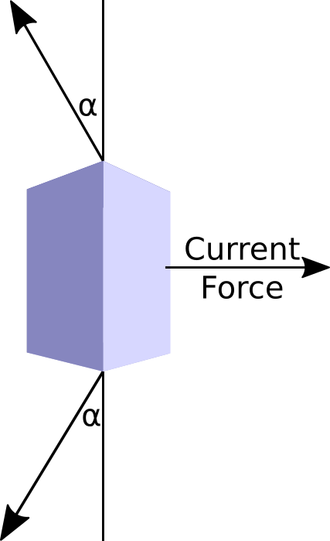
Mass of ARK | 1200 |  | Mass | Mass
Force Multiplier | 1.8 |  | 1200 | 1300 | 1400 | 1500 | 1600 | 1700 | 1800
 |  | Single Mount | Double Mount
alpha/angle
1 |  | 123765.16716 | 61882.583578 | 67039.465543 | 72196.347508 | 77353.229473 | 82510.111438 | 87666.993403 | 92823.875368
10 |  | 12438.944244 | 6219.4721218 | 6737.7614653 | 7256.0508088 | 7774.3401522 | 8292.6294957 | 8810.9188392 | 9329.2081827
15 |  | 8345.5991391 | 4172.7995696 | 4520.532867 | 4868.2661645 | 5215.999462 | 5563.7327594 | 5911.4660569 | 6259.1993544
20 |  | 6315.4175044 | 3157.7087522 | 3420.8511482 | 3683.9935442 | 3947.1359402 | 4210.2783362 | 4473.4207322 | 4736.5631283
25 |  | 5110.9954196 | 2555.4977098 | 2768.4558523 | 2981.4139948 | 3194.3721373 | 3407.3302797 | 3620.2884222 | 3833.2465647
30 |  | 4320 | 2160 | 2340 | 2520 | 2700 | 2880 | 3060 | 3240
35 |  | 3765.8450785 | 1882.9225393 | 2039.8327509 | 2196.7429625 | 2353.6531741 | 2510.5633857 | 2667.4735973 | 2824.3838089
40 |  | 3360.363466 | 1680.181733 | 1820.1968774 | 1960.2120218 | 2100.2271663 | 2240.2423107 | 2380.2574551 | 2520.2725995
45 |  | 3054.7012947 | 1527.3506474 | 1654.629868 | 1781.9090886 | 1909.1883092 | 2036.4675298 | 2163.7467504 | 2291.025971
50 |  | 2819.679745 | 1409.8398725 | 1527.3265285 | 1644.8131846 | 1762.2998406 | 1879.7864966 | 1997.2731527 | 2114.7598087
55 |  | 2636.8731117 | 1318.4365559 | 1428.3062689 | 1538.1759818 | 1648.0456948 | 1757.9154078 | 1867.7851208 | 1977.6548338
60 |  | 2494.1531629 | 1247.0765814 | 1350.9996299 | 1454.9226784 | 1558.8457268 | 1662.7687753 | 1766.6918237 | 1870.6148722
65 |  | 2383.296305 | 1191.6481525 | 1290.9521652 | 1390.2561779 | 1489.5601906 | 1588.8642033 | 1688.168216 | 1787.4722287
70 |  | 2298.6239885 | 1149.3119943 | 1245.0879938 | 1340.8639933 | 1436.6399928 | 1532.4159924 | 1628.1919919 | 1723.9679914
75 |  | 2236.1965497 | 1118.0982748 | 1211.2731311 | 1304.4479873 | 1397.6228436 | 1490.7976998 | 1583.972556 | 1677.1474123
80 |  | 2193.3214817 | 1096.6607408 | 1188.0491359 | 1279.437531 | 1370.825926 | 1462.2143211 | 1553.6027162 | 1644.9911113
85 |  | 2168.2508491 | 1084.1254245 | 1174.4692099 | 1264.8129953 | 1355.1567807 | 1445.5005661 | 1535.8443514 | 1626.1881368
90 |  | 2160 | 1080 | 1170 | 1260 | 1350 | 1440 | 1530 | 1620
Forces on ARK vs Mass

