Plan1
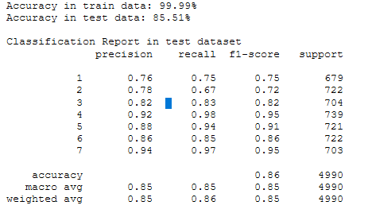
Date | Submission Description | Algorithm | Accuracy train data | Accuracy test data | cross_val_score | Private Score | Public Score | OBS
2020-08-20 | 1-sub_baseline | DecisionTreeClassifier | 100.00% | 77.90% | Accuracy: 0.71 (+/- 0.08) | 0.64415 | 0.64415 | No Pre-Processing or FE Just remove the ID column
2020-08-22 | 2-sub_randomforest | RandomForestClassifier | 99.99% | 85.51% | Accuracy: 0.78 (+/- 0.09) | 0.72909 | 0.72909 | No Pre-Processing or FE Just remove the ID column
2020-08-30 | 3-sub_catboost_pycaret | CatBoost (PyCarte) | 85.13% |  |  | 0.71897 | 0.71897 | PyCaret

