Isolated Alarm
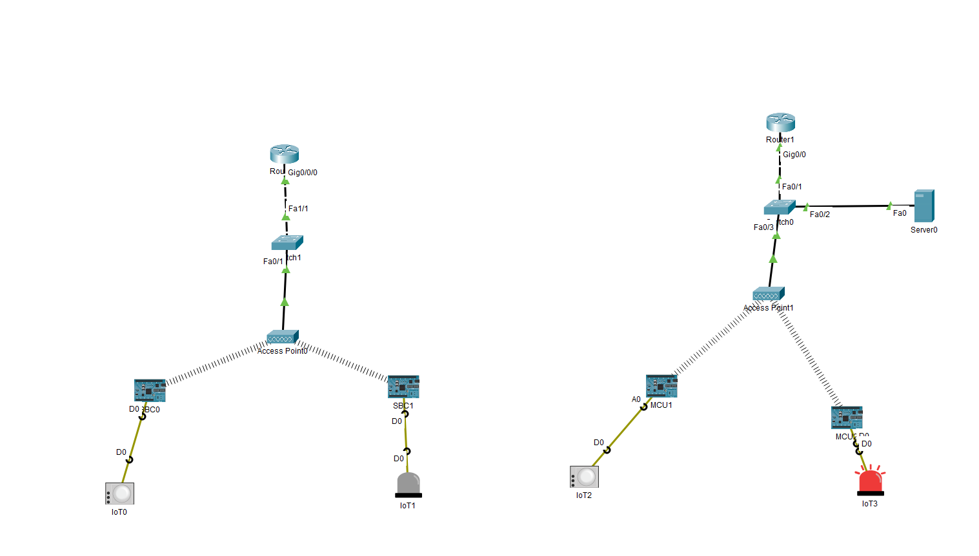
Instance | Direct Setup | Registration Server Setup
1 | 0.068 | 0.119
2 | 0.07 | 0.487 |  | Direct Setup | Registration Server Setup
3 | 0.066 | 0.274 | mean | 0.0649 | 0.3281
4 | 0.066 | 0.512 | standard deviation | 0.0054120236511 | 0.14650764485
5 | 0.066 | 0.162
6 | 0.066 | 0.245
7 | 0.07 | 0.177
8 | 0.063 | 0.357
9 | 0.05 | 0.41
10 | 0.064 | 0.538
mean | 0.0649 | 0.3281
Standard Deviation | 0.0054120236511 | 0.14650764485
variance | 0.00002929 | 0.02146449

In-field alarm
Direct TCP
1 | 0.071 |  | Instance | Direct TCP | Registration server at local source area | Registration server at destination area | Registration Server at remote area
2 | 0.054 |  | 1 | 0.071 | 0.062 | 0.144 | 0.539
3 | 0.043 |  | 2 | 0.054 | 0.557 | 0.194 | 1.969
4 | 0.058 |  | 3 | 0.043 | 0.613 | 0.396 | 0.707
5 | 0.081 |  | 4 | 0.058 | 0.329 | 0.472 | 0.644
6 | 0.051 |  | 5 | 0.081 | 0.567 | 0.325 | 0.567
7 | 0.077 |  | 6 | 0.051 | 0.675 | 1.791 | 1.741
8 | 0.086 |  | 7 | 0.077 | 0.486 | 0.426 | 0.248
9 | 0.052 |  | 8 | 0.086 | 0.85 | 0.54 | 0.326
10 | 0.057 |  | 9 | 0.052 | 0.529 | 0.187 | 0.331
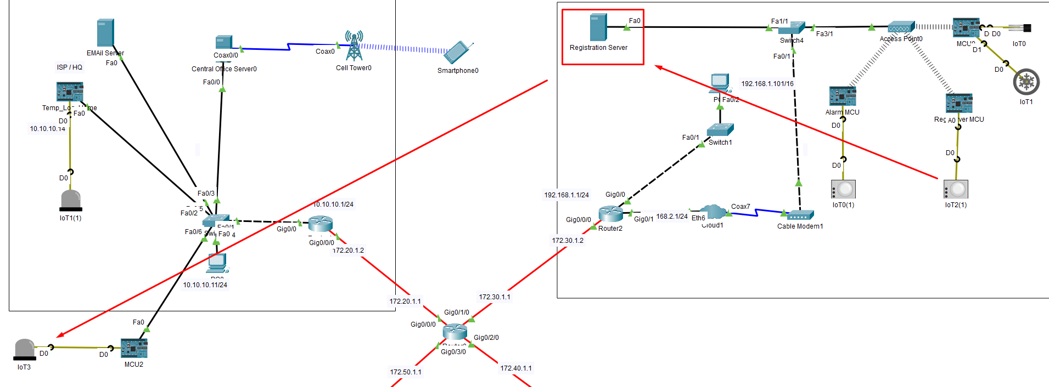
 |  |  | 10 | 0.057 | 0.079 | 0.455 | 1.698
Registration server at local source area |  |  | mean | 0.063 | 0.4747 | 0.493 | 0.877
1 | 0.062 |  | standard deviation | 0.0139 | 0.2380 | 0.4512 | 0.6248
2 | 0.557 | 0.544
3 | 0.613
4 | 0.329
5 | 0.567
6 | 0.675
7 | 0.486
8 | 0.85 |  |  | Direct TCP | Registration server at local source area | Registration server at destination area | Registration Server at remote area
9 | 0.529 |  | mean | 0.063 | 0.4747 | 0.493 | 0.877
10 | 0.079 |  | standard deviation | 0.013856406461 | 0.23803237175 | 0.45120483153 | 0.62481133152
 | 0.4747

Comparison of point-to-point IoT packet transmission, WAN integrated

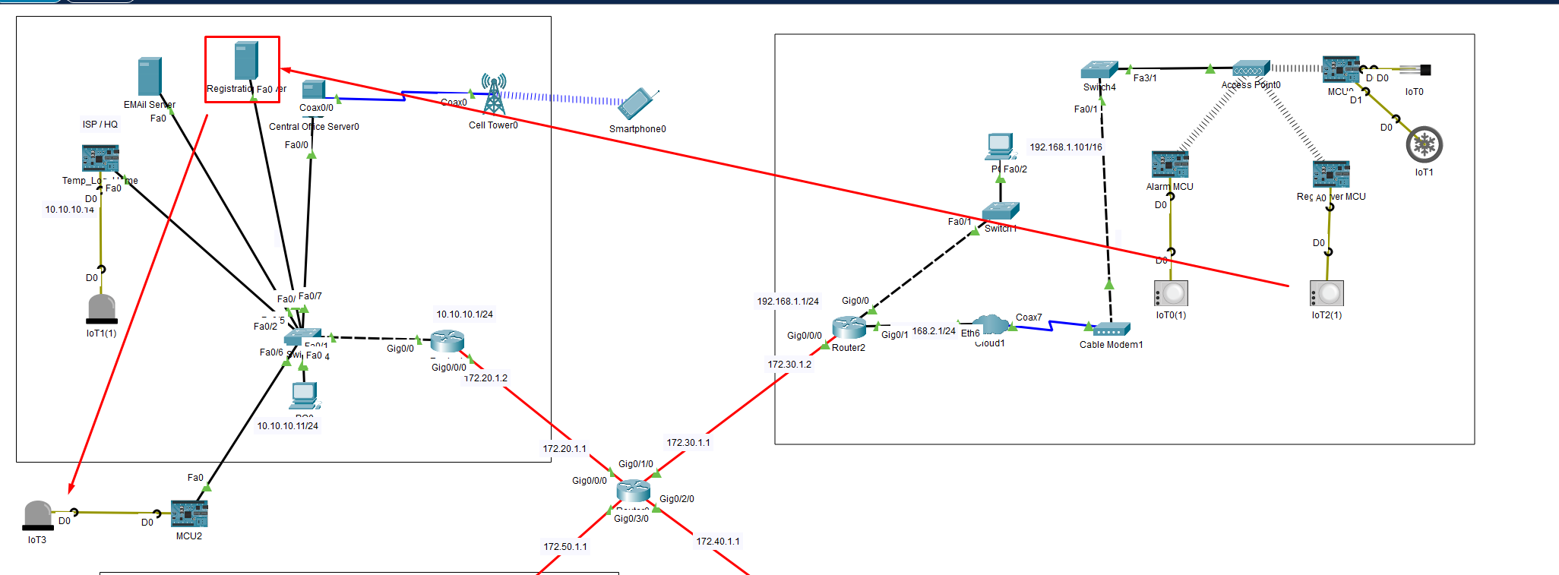
Registration server at destination area
1 | 0.144
2 | 0.194
3 | 0.396
4 | 0.472
5 | 0.325
6 | 1.791
7 | 0.426
8 | 0.54
9 | 0.187
10 | 0.455
 | 0.493

Registration Server at remote area
1 | 0.539
2 | 1.969
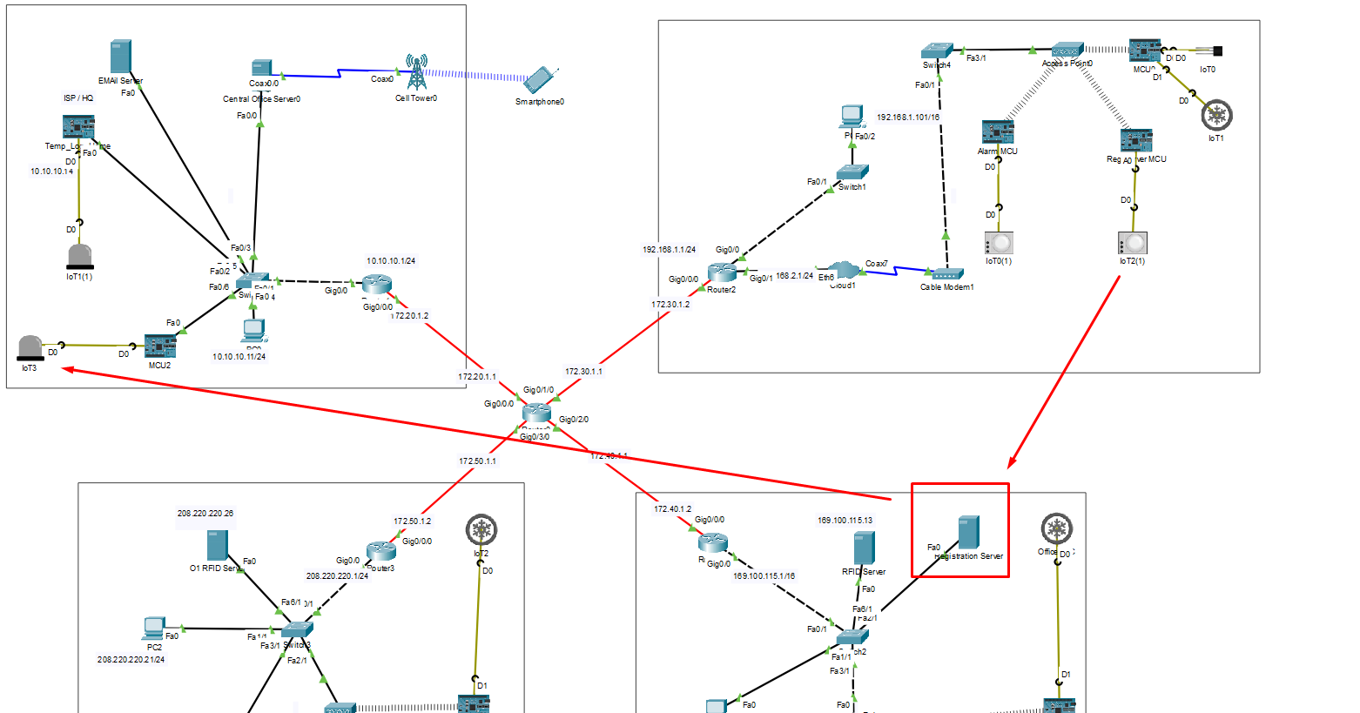
3 | 0.707
4 | 0.644
5 | 0.567
6 | 1.741
7 | 0.248
8 | 0.326
9 | 0.331
10 | 1.698
 | 0.877

