Descrptive Analytics
Jake Caldwell
Descriptive Analytics

State | Total Offenses | Assault Offenses | Homicide Offenses | Human Trafficking Offenses | Kidnapping/ Abduction | Sex Offenses

 |  |  |  |  |  |  | Total Offenses Across U.S. |  |  | Frequency Distribution
Alabama | 76,654 | 73,898 | 482 | 36 | 338 | 1,900 | min | 4,224 | Vermont | Bins / Classes | Frequency | Relative Frequency | Percent Frequency
Alaska | 6,681 | 5,826 | 45 | 9 | 41 | 760 | max | 467,425 | Texas | Assualt | 3,187,575 | 0.922 | 92.2%
Arizona | 58,118 | 53,000 | 293 | 82 | 794 | 3,949 | mean | 67,768 |  | Homicde | 18,785 | 0.005 | 0.5%
Arkansas | 64,358 | 60,242 | 337 | 10 | 652 | 3,117 | total | 3,456,189 |  | Human Trafficking | 2,691 | 0.001 | 0.1%
California | 184,079 | 165,486 | 762 | 127 | 4,847 | 12,857 |  |  |  | Kidnapping / Abduction | 43,083 | 0.012 | 1.2%
Colorado | 72,319 | 63,021 | 448 | 64 | 2,250 | 6,536 |  |  |  | Sex Offenses | 204,055 | 0.059 | 5.9%
Connecticut | 31,418 | 29,074 | 168 | 11 | 335 | 1,830 | Assualt |  |  | Total | 3,456,189 | 1 | 100.0%
Delaware | 16,578 | 15,790 | 71 | 5 | 182 | 530 | min | 3,791 | Vermont
District of Columbia | 21,196 | 20,235 | 197 | 0 | 48 | 716 | max | 437,755 | Texas
Florida | 74,044 | 70,914 | 394 | 58 | 138 | 2,540 | mean | 62,501
Georgia | 134,475 | 122,238 | 886 | 259 | 2,417 | 8,675 | total | 3,187,575
Hawaii | 13,870 | 12,829 | 35 | 9 | 206 | 791
Idaho | 19,073 | 16,597 | 56 | 36 | 256 | 2,128 | Homicide
Illinois | 163,645 | 155,025 | 924 | 30 | 1,138 | 6,528 | min | 18 | Rhode Island
Indiana | 74,029 | 66,875 | 483 | 69 | 1,775 | 4,827 | max | 2,369 | Texas
Iowa | 29,140 | 26,733 | 66 | 24 | 235 | 2,082 | mean | 368
Kansas | 45,701 | 41,377 | 146 | 0 | 1,433 | 2,745 | total | 18,785
Kentucky | 44,610 | 39,877 | 343 | 31 | 1,124 | 3,235
Louisiana | 60,879 | 57,358 | 390 | 19 | 678 | 2,434 | Human Trafficking
Maine | 13,056 | 12,059 | 54 | 3 | 39 | 901 | min | 0 | District of Columbia
Maryland | 59,862 | 56,010 | 502 | 69 | 117 | 3,164 | max | 596 | Texas
Massachusetts | 74,878 | 69,888 | 159 | 45 | 543 | 4,243 | mean | 53
Michigan | 164,531 | 151,275 | 811 | 49 | 834 | 11,562 | total | 2,691
Minnesota | 49,649 | 43,792 | 252 | 102 | 584 | 4,919
Mississippi | 23,446 | 22,172 | 148 | 9 | 153 | 964 | Kidnapping / Abduction
Missouri | 86,566 | 80,256 | 726 | 40 | 868 | 4,676 | min | 39 | Maine
Montana | 15,469 | 13,322 | 58 | 4 | 322 | 1,763 | max | 4,847 | California
Nebraska | 17,645 | 15,871 | 49 | 14 | 162 | 1,549 | mean | 845
Nevada | 66,653 | 61,511 | 245 | 199 | 827 | 3,871 | total | 43,083
New Hampshire | 15,448 | 13,400 | 40 | 13 | 218 | 1,777
Key Takeaways
(Deleted Participating Agency and population rows from the raw data for this portion)
1. I used the min and max functions paired with the index and match functions to determine the states with the most and least offenses in each category. Texas has the highest overall total of crimes against persons, only losing out to California in one crime category.
2. I used a frequency distribution to find the most common type of crime across the U.S. Assault makes up the majority of crimes against persons in the U.S. with over 3 million reported cases, or 90% of crime in the U.S.
3. I used a map chart to visualize each state's total offenses to better gauge where the least amount of crime was since the index and match functions weren't as obvious as Texas was, giving a few different states with low counts in different categories. The map shows the northeast and the northwestern part of the U.S. before Washington are less crime-ridden overall.
New Jersey | 43,739 | 40,919 | 171 | 8 | 257 | 2,384 | Sex Offenses
New Mexico | 39,872 | 36,610 | 229 | 20 | 968 | 2,045 | min | 317 | Vermont
New York | 50,087 | 47,124 | 201 | 3 | 652 | 2,107 | max | 23,246 | Texas
North Carolina | 149,418 | 139,683 | 919 | 75 | 1,710 | 7,031 | mean | 4,001
North Dakota | 12,417 | 11,127 | 45 | 6 | 153 | 1,086 | total | 204,055
Ohio | 163,545 | 151,500 | 710 | 33 | 2,095 | 9,207
Oklahoma | 66,170 | 60,354 | 328 | 15 | 734 | 4,739
Oregon | 41,715 | 37,219 | 244 | 38 | 473 | 3,741
Pennsylvania | 67,815 | 61,606 | 767 | 23 | 271 | 5,148
Rhode Island | 9,334 | 8,560 | 18 | 3 | 39 | 714
South Carolina | 96,360 | 90,929 | 641 | 35 | 906 | 3,849
South Dakota | 13,812 | 12,497 | 67 | 5 | 144 | 1,099
Tennessee | 143,204 | 134,516 | 688 | 87 | 1,904 | 6,009
Texas | 467,425 | 437,755 | 2,369 | 596 | 3,459 | 23,246
Utah | 39,497 | 32,918 | 85 | 38 | 1,166 | 5,290
Vermont | 4,224 | 3,791 | 27 | 1 | 88 | 317
Virginia | 109,467 | 100,568 | 732 | 80 | 1,905 | 6,182
Washington | 89,785 | 82,011 | 454 | 59 | 1,454 | 5,807
West Virginia | 13,813 | 12,453 | 92 | 20 | 122 | 1,126
Wisconsin | 50,315 | 43,989 | 401 | 107 | 962 | 4,856
Wyoming | 6,105 | 5,495 | 27 | 13 | 67 | 503
Total | 3,456,189 | 3,187,575 | 18,785 | 2,691 | 43,083 | 204,055

Predictive Analytics
Jake Caldwell
Predictive Analytics

Projected Number of Violent Crime Offenses
years | Total Offenses (Violent Crime) | % VAR to Prior Year
2012 | 1217057
2013 | 1168298 | -4.0%
2014 | 1153022 | -1.3%
2015 | 1199310 | 4.0%
2016 | 1285606 | 7.2%
2017 | 1283875 | -0.1%
2018 | 1252399 | -2.5%
2019 | 1250393 | -0.2%
2020 | 1313105 | 5.0%
2021 | 1284885 | -2.1%
2022 | 1268880 | -1.2%
Key Takeaways
1. I used an average of previous years to project and calculate the total offenses for the next decade, and crime is expected to grow.
2. I inserted a line chart to show how crime rates have changed over the years, and there are big spikes in 2016 and 2020.
3. The line chart also shows that there was a large dip in violent crime starting in 2012-2015.
2023 | 1274933 | 0.5%
2024 | 1286731 | 0.9%
2025 | 1301511 | 1.1%
2026 | 1312731 | 0.9%
2027 | 1315733 | 0.2%
2028 | 1319221 | 0.3%
2029 | 1326302 | 0.5%
2030 | 1334345 | 0.6%
2031 | 1336554 | 0.2%
2032 | 1341860 | 0.4%

Prescriptive Analytics
Jake Caldwell
Prescriptive Analytics

State | Total Offenses | Assault Offenses | Homicide Offenses | Human Trafficking Offenses | Kidnapping/ Abduction | Sex Offenses | Associative Analysis - Is there a correlation between different crime categories?
 |  |  |  |  |  |  | Association Rule | Confidence (%) | Antecedent (A) | Consequent (C) | Support for A | Support for C | Support for A & C | Lift Ratio
 |  |  |  |  |  |  | 1 | 100% | Total > 100000 | Assualt > 100000 | 10 | 10 | 10 | 0.002
Alabama | 76,654 | 73,898 | 482 | 36 | 338 | 1,900 | 2 | 43% | Human Trafficking > 100 | Sex Offenses > 10000 | 7 | 4 | 3 | 0.002
Alaska | 6,681 | 5,826 | 45 | 9 | 41 | 760 | 3 | 100% | Assualt > 100000 | Homicide > 500 | 10 | 14 | 10 | 0.001
Arizona | 58,118 | 53,000 | 293 | 82 | 794 | 3,949 | 4 | 100% | Human Trafficking > 100 | Kidnapping > 500 | 7 | 28 | 7 | 0.001
Arkansas | 64,358 | 60,242 | 337 | 10 | 652 | 3,117 | 5 | 40% | Assualt > 100000 | Sex Offenses > 10000 | 10 | 4 | 4 | 0.002
California | 184,079 | 165,486 | 762 | 127 | 4,847 | 12,857
Colorado | 72,319 | 63,021 | 448 | 64 | 2,250 | 6,536 | Total # of States | 51
Connecticut | 31,418 | 29,074 | 168 | 11 | 335 | 1,830
Key Takeaways
I performed an associative analysis of the raw crimes against persons data using COUNTIF, COUNTIFS, and association rules to look at each state and the number of offenses in each crime category to see if there was any correlation between certain crimes occurring together.
1. Odds are that if a crime against persons occurred, it will be assault.
2. If an assault occurs, the odds of it becoming a homicide is high, and the odds of it becoming a sexual assault are lower. However, the lift ratios suggest they often happen separate each other.
3. The odds of human trafficking turning into kidnapping is high, and the odds of it becoming a sex offense are lower. However, like with assault, the lift ratio suggests these crimes often happen separately.
Overall, the confidence levels are high that certain crimes can lead to other crimes in different categories but the lift ratios across the board show that there is no clear correlation between crimes against persons.
Delaware | 16,578 | 15,790 | 71 | 5 | 182 | 530
District of Columbia | 21,196 | 20,235 | 197 | 0 | 48 | 716
Florida | 74,044 | 70,914 | 394 | 58 | 138 | 2,540
Georgia | 134,475 | 122,238 | 886 | 259 | 2,417 | 8,675
Hawaii | 13,870 | 12,829 | 35 | 9 | 206 | 791
Idaho | 19,073 | 16,597 | 56 | 36 | 256 | 2,128
Illinois | 163,645 | 155,025 | 924 | 30 | 1,138 | 6,528
Indiana | 74,029 | 66,875 | 483 | 69 | 1,775 | 4,827
Iowa | 29,140 | 26,733 | 66 | 24 | 235 | 2,082
Kansas | 45,701 | 41,377 | 146 | 0 | 1,433 | 2,745
Kentucky | 44,610 | 39,877 | 343 | 31 | 1,124 | 3,235
Louisiana | 60,879 | 57,358 | 390 | 19 | 678 | 2,434
Maine | 13,056 | 12,059 | 54 | 3 | 39 | 901
Maryland | 59,862 | 56,010 | 502 | 69 | 117 | 3,164
Massachusetts | 74,878 | 69,888 | 159 | 45 | 543 | 4,243
Michigan | 164,531 | 151,275 | 811 | 49 | 834 | 11,562
Minnesota | 49,649 | 43,792 | 252 | 102 | 584 | 4,919
Mississippi | 23,446 | 22,172 | 148 | 9 | 153 | 964
Missouri | 86,566 | 80,256 | 726 | 40 | 868 | 4,676
Montana | 15,469 | 13,322 | 58 | 4 | 322 | 1,763
Nebraska | 17,645 | 15,871 | 49 | 14 | 162 | 1,549
Nevada | 66,653 | 61,511 | 245 | 199 | 827 | 3,871
New Hampshire | 15,448 | 13,400 | 40 | 13 | 218 | 1,777
New Jersey | 43,739 | 40,919 | 171 | 8 | 257 | 2,384
New Mexico | 39,872 | 36,610 | 229 | 20 | 968 | 2,045
New York | 50,087 | 47,124 | 201 | 3 | 652 | 2,107
North Carolina | 149,418 | 139,683 | 919 | 75 | 1,710 | 7,031
North Dakota | 12,417 | 11,127 | 45 | 6 | 153 | 1,086
Ohio | 163,545 | 151,500 | 710 | 33 | 2,095 | 9,207
Oklahoma | 66,170 | 60,354 | 328 | 15 | 734 | 4,739
Oregon | 41,715 | 37,219 | 244 | 38 | 473 | 3,741
Pennsylvania | 67,815 | 61,606 | 767 | 23 | 271 | 5,148
Rhode Island | 9,334 | 8,560 | 18 | 3 | 39 | 714
South Carolina | 96,360 | 90,929 | 641 | 35 | 906 | 3,849
South Dakota | 13,812 | 12,497 | 67 | 5 | 144 | 1,099
Tennessee | 143,204 | 134,516 | 688 | 87 | 1,904 | 6,009
Texas | 467,425 | 437,755 | 2,369 | 596 | 3,459 | 23,246
Utah | 39,497 | 32,918 | 85 | 38 | 1,166 | 5,290
Vermont | 4,224 | 3,791 | 27 | 1 | 88 | 317
Virginia | 109,467 | 100,568 | 732 | 80 | 1,905 | 6,182
Washington | 89,785 | 82,011 | 454 | 59 | 1,454 | 5,807
West Virginia | 13,813 | 12,453 | 92 | 20 | 122 | 1,126
Wisconsin | 50,315 | 43,989 | 401 | 107 | 962 | 4,856
Wyoming | 6,105 | 5,495 | 27 | 13 | 67 | 503
Total | 3,456,189 | 3,187,575 | 18,785 | 2,691 | 43,083 | 204,055

Dashboard
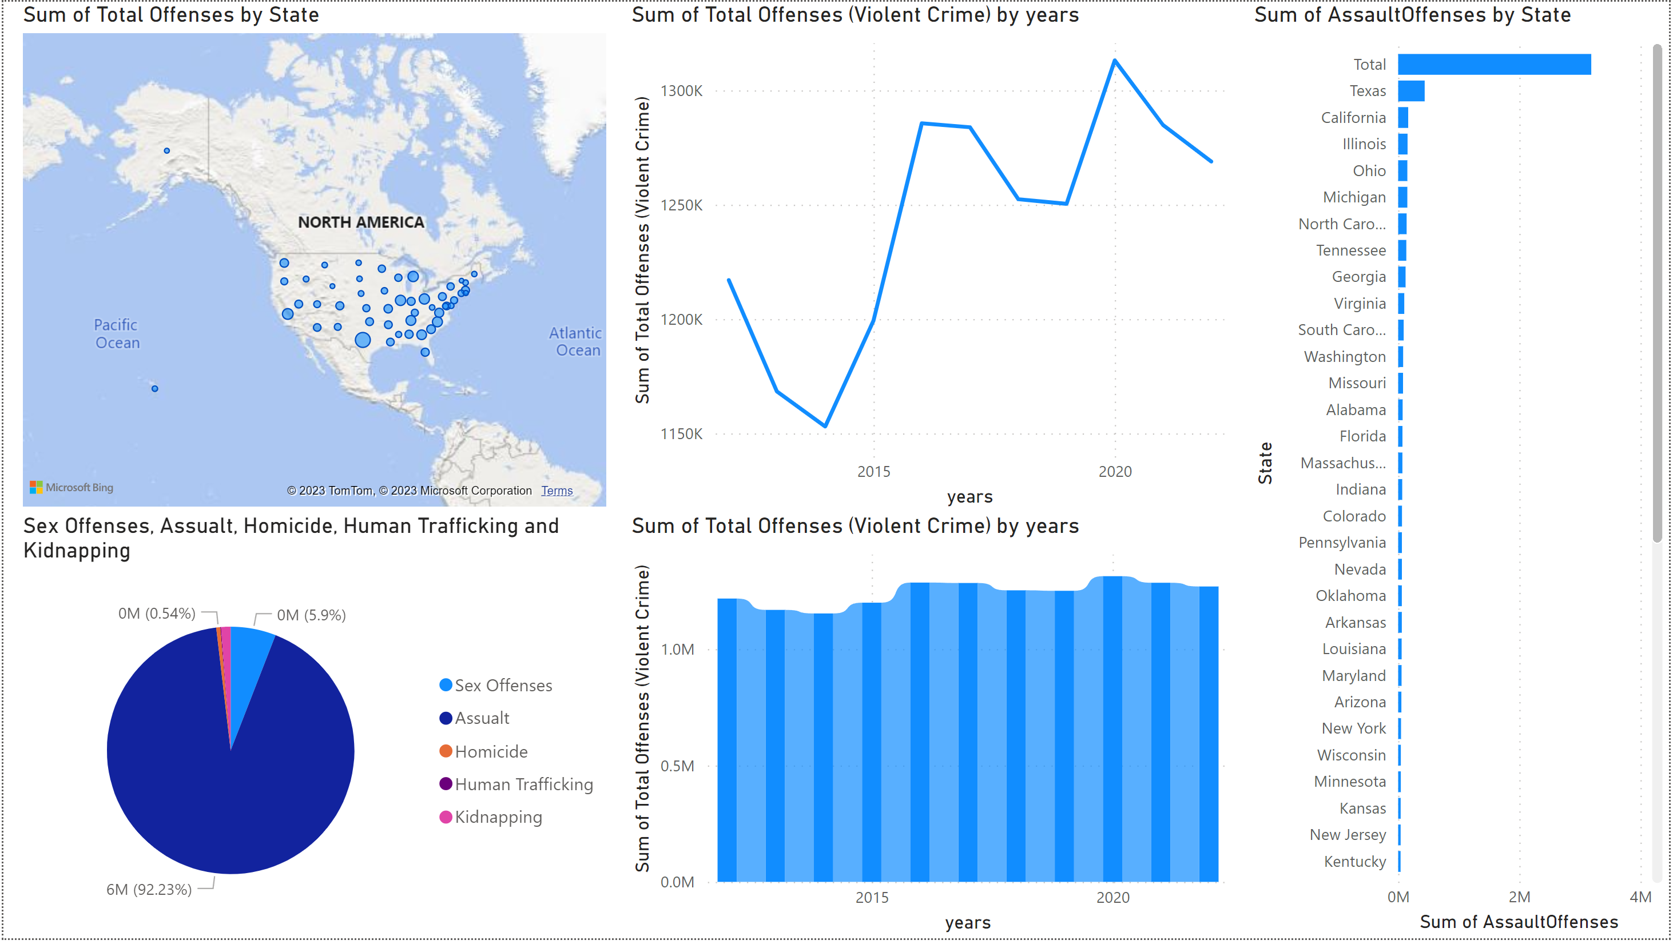

Summary
Summary
From the analysis of this data there are some key things to look into. From the descriptive analytics, it's clear that Texas is a clear outlier in crimes against persons with the most in total offenses and almost all other crime categories across the board. Further investigation Texas counties and locations, police strategies and tactics, and other crime numbers and categories is needed to find the root of the problem.
From the predictive analytics, I've found that crime is going to steadily increase based on how the last few years has gone. I noticed the largest spike in crime in 2020 when Covid hit, as well as smaller spikes in crime in election years such as 2012 and 2016. Crime units across the U.S. are going to have to look into other aspects this data doesn't show such as mental health, the victims, and civilian responses.
From the prescriptive analytics, it's clear that a large number of crimes against persons are assault charges. Those assault charges often lead to other additional crime charges, such as homicide, but there is no correlation or causation between one crime and another in most cases.
Whether the data set has data integrity is hard to say due to the fact that there are plenty of crimes that don't get reported. According to RAINN (https://www.rainn.org/statistics/criminal-justice-system), the majority of crimes against persons, especially sexual assualt, don't get reported. If I had to guess, I would say these numbers are likely higher than what is shown from the initial spreadsheet I found.
Data Taken From:
https://cde.ucr.cjis.gov/LATEST/webapp/#/pages/home
https://cde.ucr.cjis.gov/LATEST/webapp/#/pages/explorer/crime/query
Excel spreadsheet found in zipped folder - Crimes_Against_Persons

