NonLinearity Error
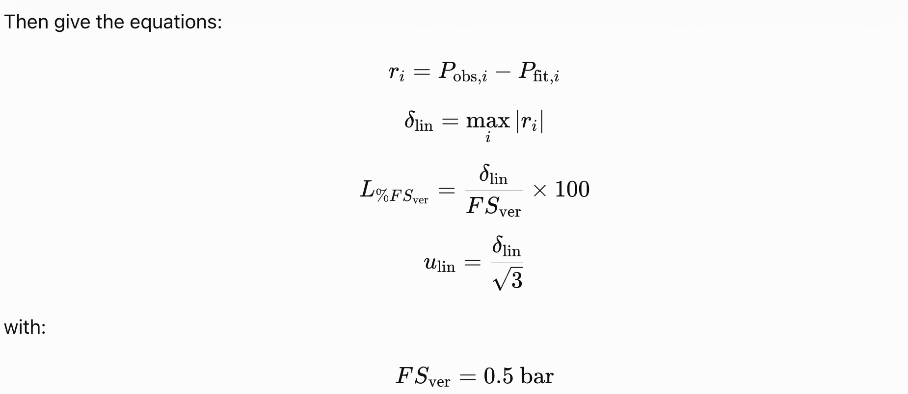
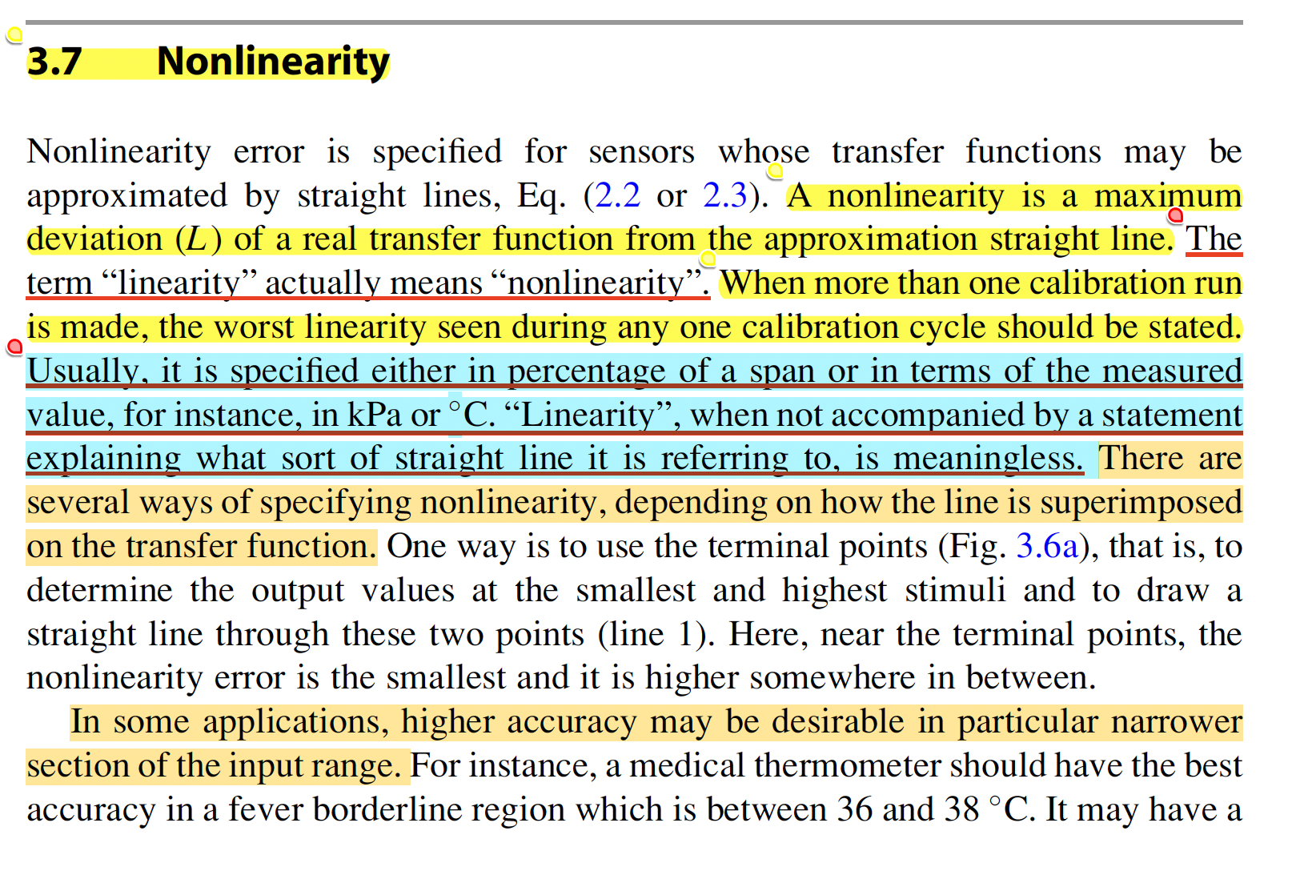
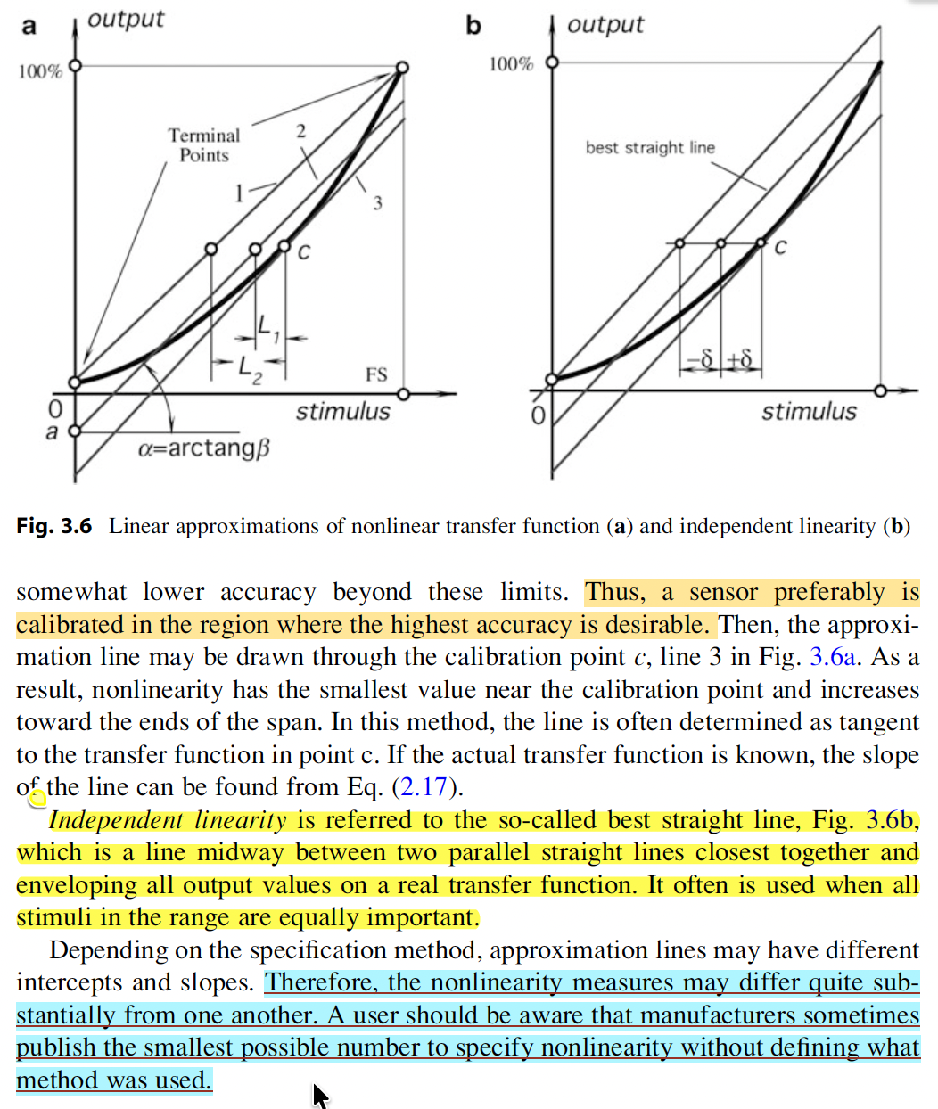

source: Handbook of Modern Sensors Physics, Designs, and Applications Fifth Edition

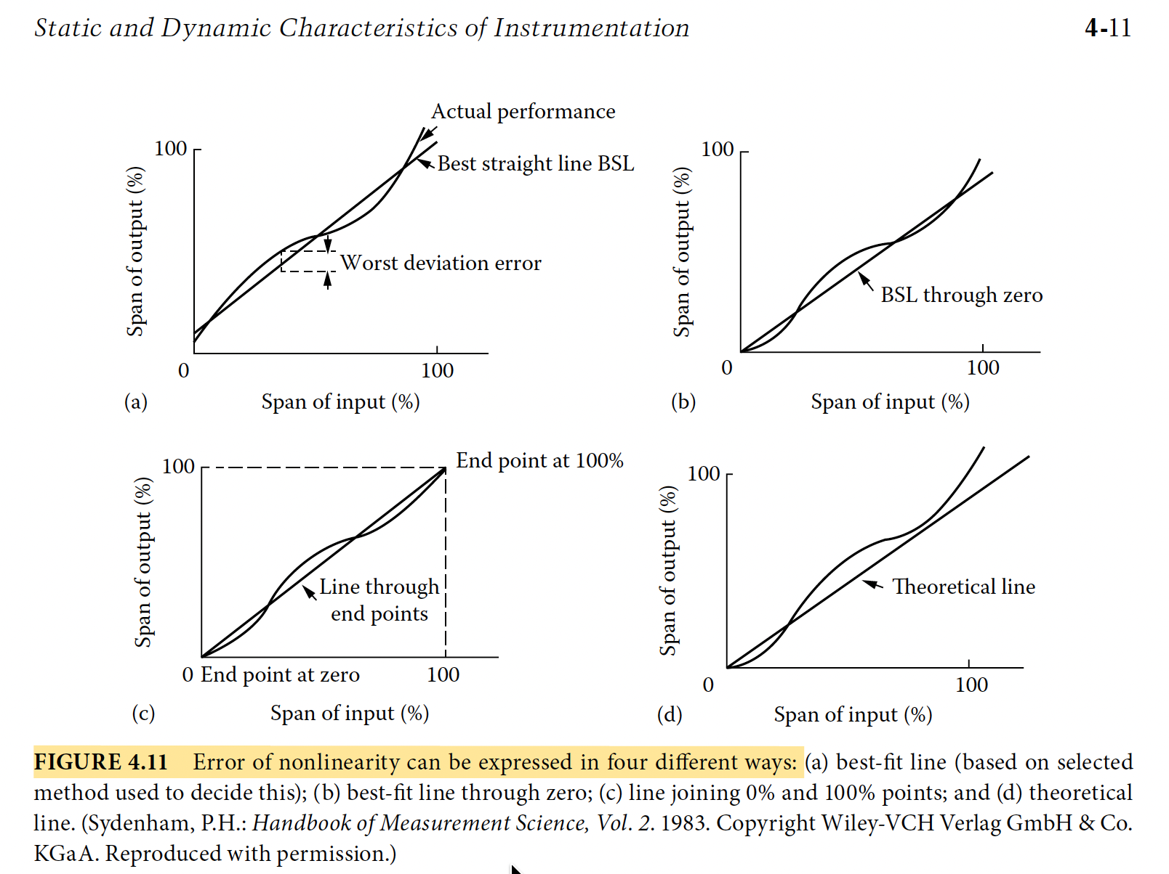
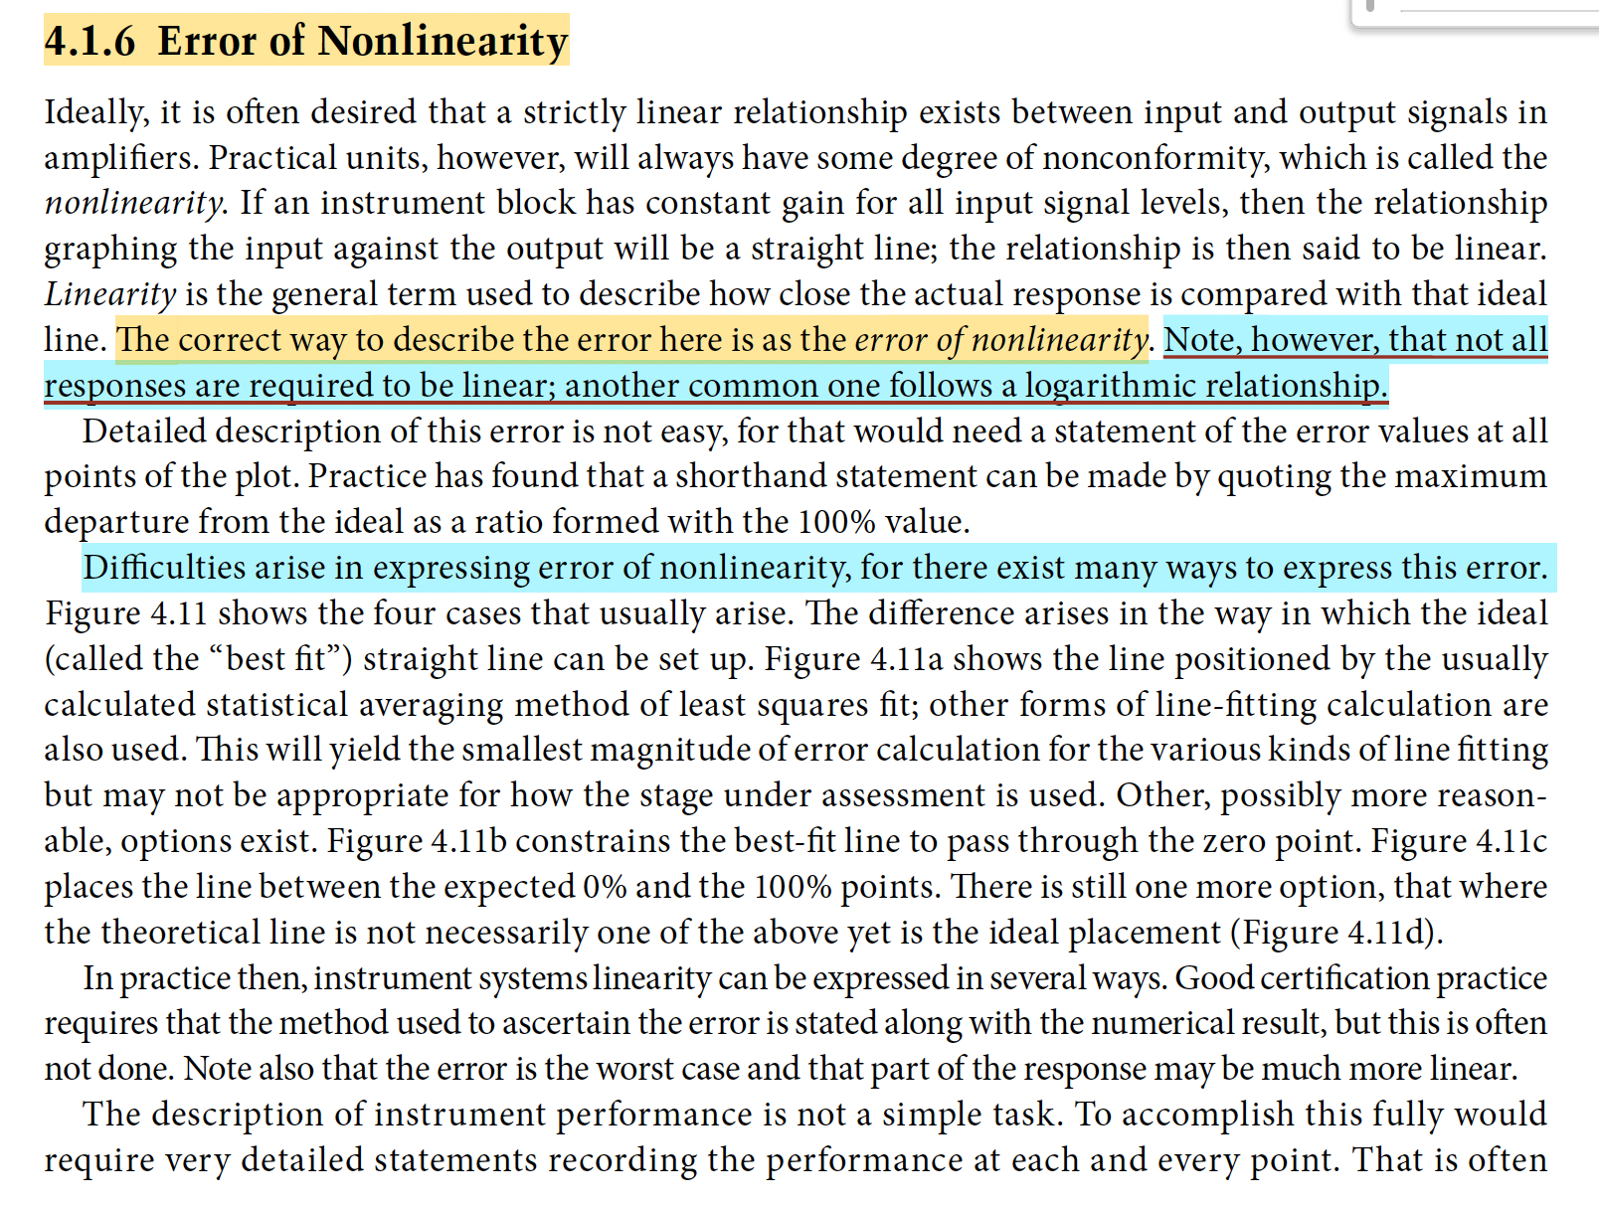

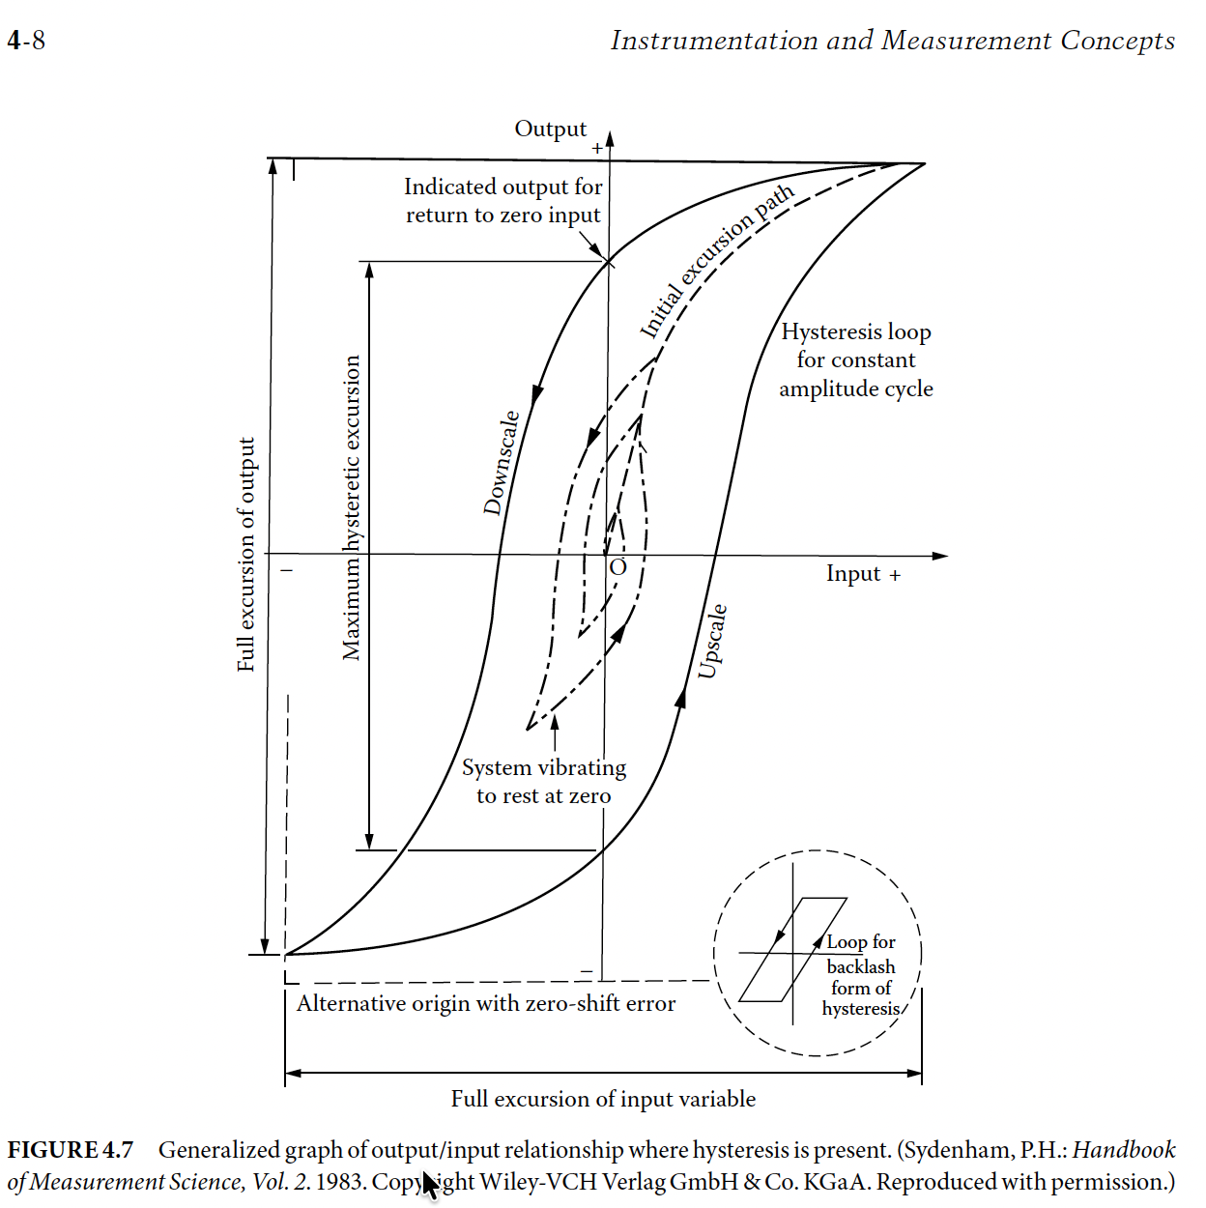

source: SECOND EDITION Measurement, Instrumentation, and Sensors Handbook Spatial, Mechanical, Thermal, and Radiation Measurement

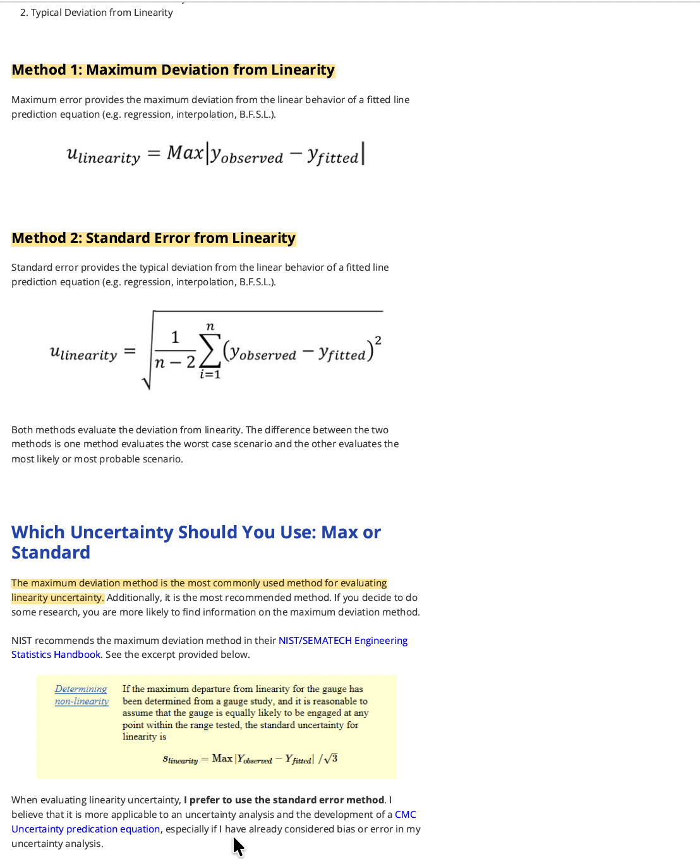

source: https://www.isobudgets.com/how-to-calculate-linearity-uncertainty/

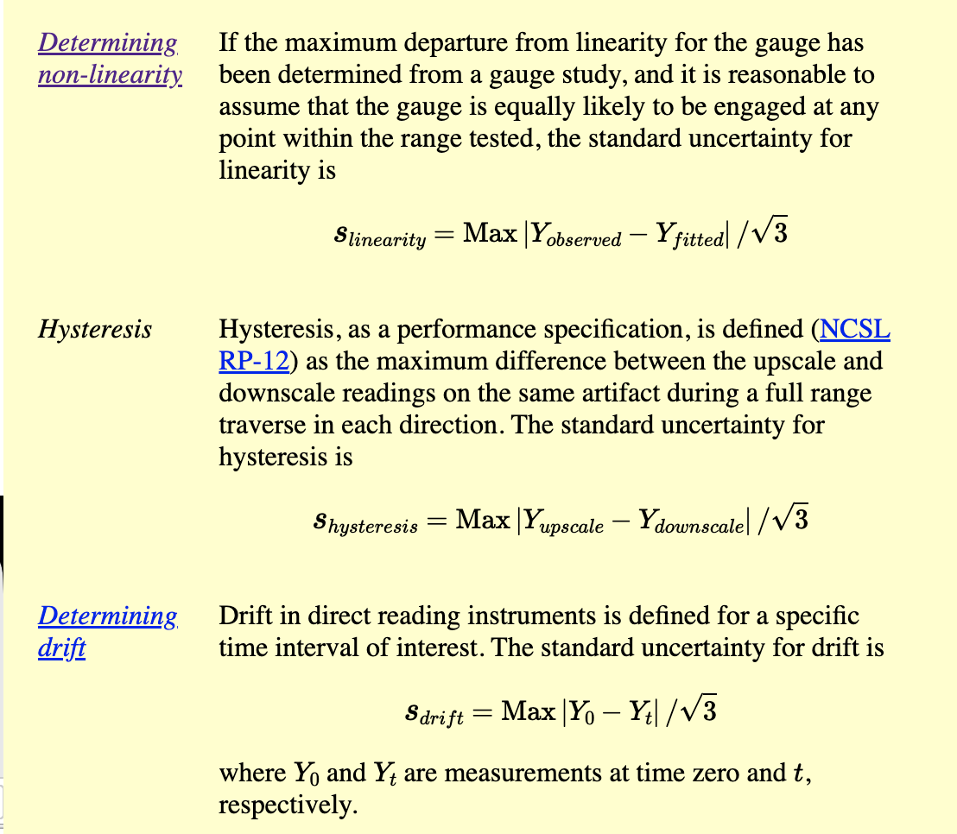

source : https://www.itl.nist.gov/div898/handbook/mpc/section4/mpc46.htm

Calibration Procedure
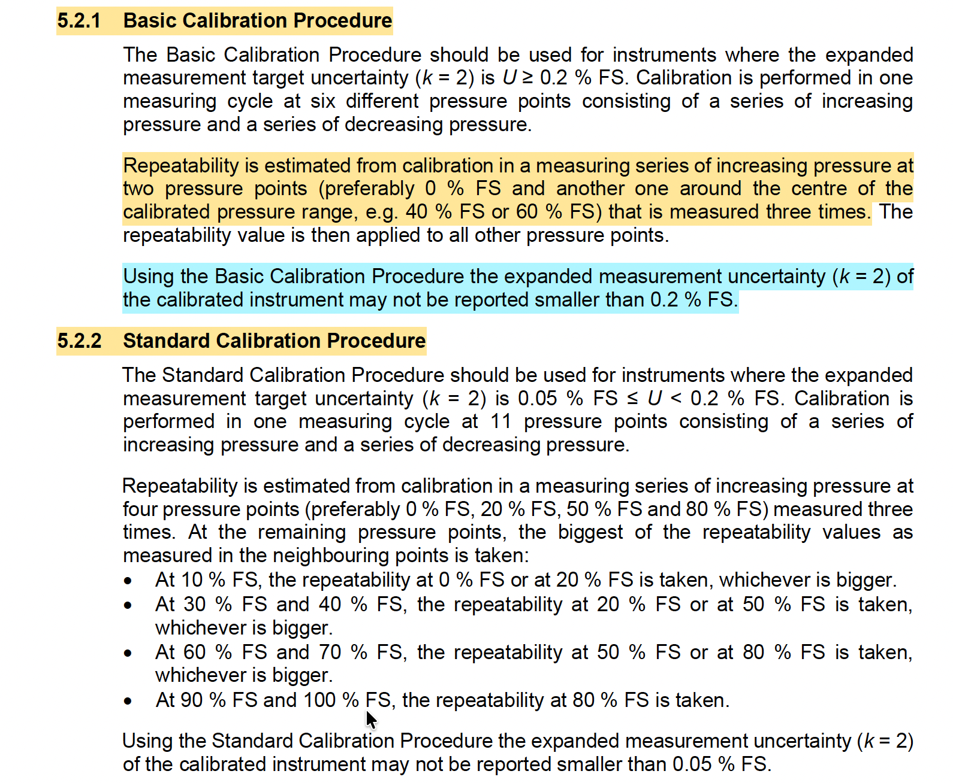

source: Guidelines on the Calibration of Electromechanical and Mechanical Manometers EURAMET Calibration Guide No. 17 Version 4.1 (09/2022)

