Sheet1
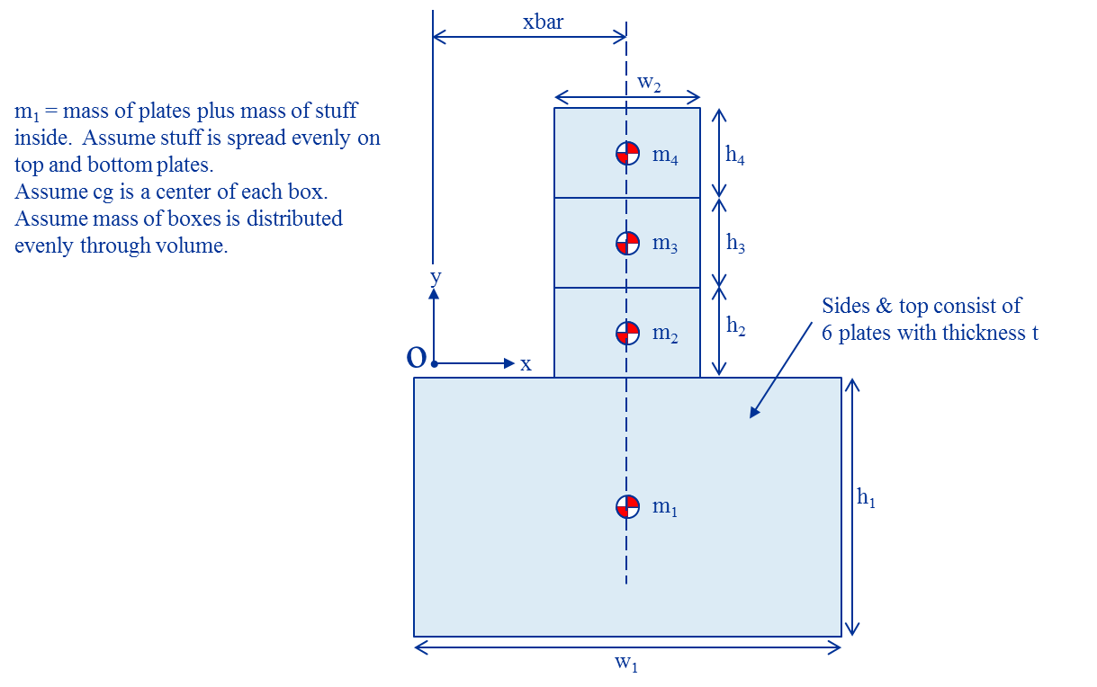
Name | Value | Units | Equation
xbar | 0.3175 | m | =w1_/2
ybar | -0.095714634146 | m | =(m1_*ybar1+m2_*ybar2+m3_*ybar3+m4_*ybar4)/m
m | 92.98636 | kg | =m1_+m2_+m3_+m4_
I | 21.663706559 | kg*m^2 | =(I1_+I2_+I3_+I4_)+m1_*(xbar^2+ybar1^2)+m2_*(xbar^2+ybar2^2)+m3_*(xbar^2+ybar3^2)+m4_*(xbar^2+ybar4^2)
m1 | 72.57472 | kg
w1 | 0.635 | m
h1 | 0.381 | m
d1 | 0.4826 | m
t | 0.0127 | m
dens | 8304 | kg/m^2
m1_stuff | -17.236878441 | kg | =m1_-2*dens*t*(W1*d1_+h1_*d1_+w1_*h1_)
ybar1 | -0.1905 | m
Front_plate_I | 1.1659901331 | kg*m^2 | =dens*t*w1_*h1_*(w1_^2+h1_^2)/12
Left_plate_I | 2.1893179441 | kg*m^2 | =dens*t*h1_*d1_*((h1_^2)/12 + (w1_/2)^2)
Top_plate_I | 0.54131811318 | kg*m^2 | =(dens*t*w1_*d1_+m1_stuff)*((w1_^2)/12 + (h1/2)^2)
I1 | 7.7932523807 | kg*m^2 | =2*(Front_plate_I+Left_plate_I+Top_plate_I)
m2 | 6.80388 | kg
w2 | 0.4046 | m
h2 | 0.16086666667 | m
ybar2 | 0.080433333333 | m
I2 | 0.10748953581 | kg*m^2 | =m2_*(w2_^2+h2_^2)/12
m3 | 6.80388 | kg
w3 | 0.4046 | m
h3 | 0.16086666667 | m
ybar3 | 0.2413 | m
I3 | 0.10748953581 | kg*m^2 | =m3_*(w3_^2+h3_^2)/12
m4 | 6.80388 | kg
w4 | 0.4046 | m
h4 | 0.16086666667 | m
ybar4 | 0.40216666667 | m
I4 | 0.10748953581 | kg*m^2 | =m4_*(w4_^2+h4_^2)/12

