Physical Setup
 |  | RTC | Status LED

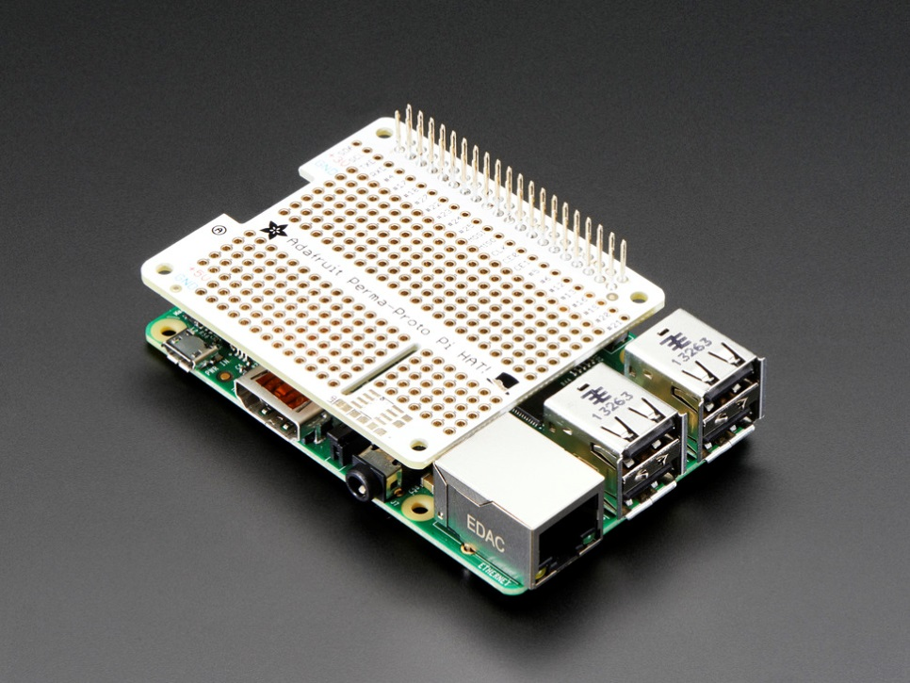
 |  |  |  | PiCAN

Ethernet Cable

 |  |  |  |  |  | Perma-Proto HAT + GPIO Stacking Header

 |  |  |  |  | Raspberry Pi, in a Pibow Enclosure
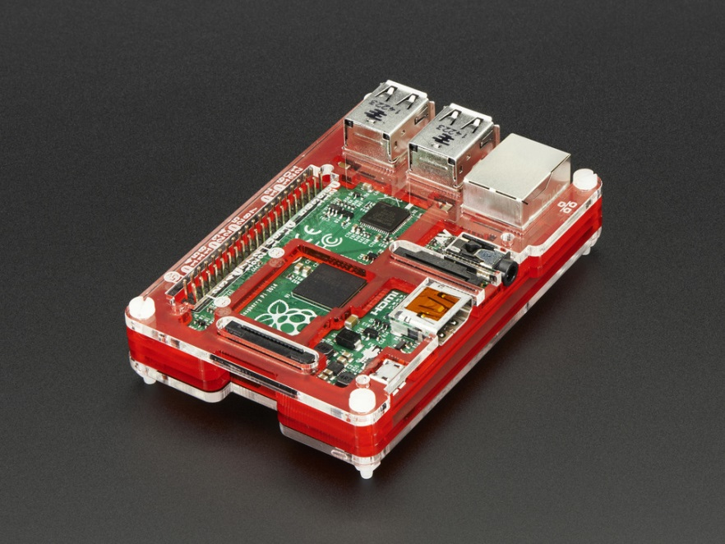
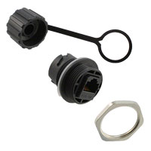

 |  | Wi-Fi Dongle

 | Ethernet Connector

