table1
Table 1: Study variables
Label | Stats / Values | Freqs (% of Valid) | Graph
Perceivied meritocracy | Mean (sd) : 2.8 (1) | 9 distinct values | 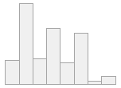
 | min ≤ med ≤ max:
 | 1 ≤ 3 ≤ 5
 | IQR (CV) : 1.5 (0.3)
Subjective Social Status | Mean (sd) : 4.5 (1.5) | 11 distinct values | 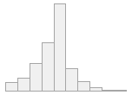
 | min ≤ med ≤ max:
 | 0 ≤ 5 ≤ 10
 | IQR (CV) : 1 (0.3)
Household Income Decile | Mean (sd) : 5.9 (2.8) | 10 distinct values | 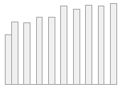
 | min ≤ med ≤ max:
 | 1 ≤ 6 ≤ 10
 | IQR (CV) : 4 (0.5)
Education | 1. Incomplete Primary or lower | 215(8.1%)
 | 2. Primary & Lower secondary | 220(8.3%)
 | 3. Upper secondary | 1163(43.9%)
 | 4. Short-cycle tertiary | 476(17.9%)
 | 5. Tertiary or higher | 578(21.8%)
Social Class | 1. Unskilled worker (VII.ab+IVc) | 812(30.6%)
 | 2. Skilled Manual Worker (V+VI) | 399(15.0%)
 | 3. Self-Employment (IV.ab) | 353(13.3%)
 | 4. Routine Non-manual (III) | 400(15.1%)
 | 5. Service (I+II) | 688(25.9%)
Perceived Salary Gap (ln) | Mean (sd) : 3.3 (1.2) | 481 distinct values | 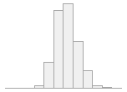
 | min ≤ med ≤ max:
 | -2.2 ≤ 3.3 ≤ 8.1
 | IQR (CV) : 1.4 (0.3)
Gender | 1. Male | 1575(59.4%)
 | 2. Female | 1077(40.6%)
Age | Mean (sd) : 43.6 (13.6) | 60 distinct values | 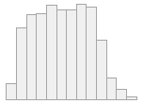
 | min ≤ med ≤ max:
 | 18 ≤ 44 ≤ 77
 | IQR (CV) : 23 (0.3)
Left-Right Position | 1. Left/Center-Left | 618(23.3%)
 | 2. Center | 737(27.8%)
 | 3. Right/Center-Right | 534(20.1%)
 | 4. Independent | 96(3.6%)
 | 5. None | 667(25.2%)
Source: Authors calculation based on ELSOC 2018 (N = 2652)

