Sheet1
Percentil (snapshots every 1M events)
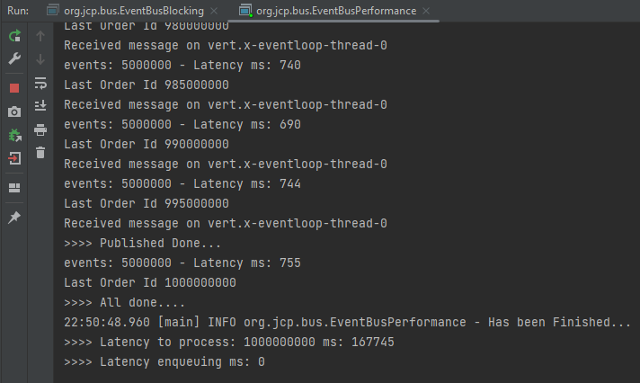
Snapshot every 5M events |  |  |  | Percentil (snapshots every 1M events)
 | Spring-Disruptor | Java-Disruptor | Vertx | % | Spring-Disruptor | Java-Disruptor | Vertx
 | 5840 | 784 | 450 | 0 | 282 | 162 | 120
 | 2589 | 831 | 326 | 0.1 | 685.5 | 343.8 | 127
 | 2291 | 1369 | 278 | 0.2 | 913.4 | 428.4 | 129
 | 2196 | 408 | 229 | 0.3 | 1014 | 489.7 | 130
 | 1611 | 651 | 270 | 0.4 | 1162 | 532.6 | 131.6
 | 919 | 946 | 275 | 0.5 | 1290 | 586 | 133
 | 1251 | 951 | 223 | 0.6 | 1426.6 | 622.4 | 135.4
 | 1017 | 796 | 201 | 0.7 | 1527.7 | 678.2 | 137
 | 1675 | 1158 | 214 | 0.8 | 1647.8 | 754.6 | 140
 | 1798 | 948 | 205 | 0.9 | 1961.5 | 946.2 | 201.3
 | 540 | 728 | 194 | 0.95 | 2215.95 | 1067.75 | 231.05
 | 1052 | 875 | 204 | 0.98 | 2592.52 | 1267.46 | 278.96
 | 865 | 961 | 196 | 0.99 | 2795.75 | 1339.3 | 327.24
 | 1850 | 1209 | 137 | 0.995 | 4317.875 | 1354.15 | 388.62
 | 555 | 1339 | 128 | 0.999 | 5535.575 | 1366.03 | 437.724
 | 948 | 491 | 125 | 1 | 5840 | 1369 | 450
 | 989 | 859 | 129
 | 1468 | 622 | 122
 | 980 | 1266 | 130
 | 1144 | 293 | 137
 | 631 | 528 | 134
 | 1136 | 346 | 140
 | 1510 | 174 | 131
 | 1630 | 569 | 141
 | 719 | 345 | 130
 | 891 | 716 | 127
 | 1316 | 573 | 125
 | 1633 | 472 | 133
 | 1000 | 917 | 136
 | 1292 | 816 | 139
 | 1694 | 537 | 128
 | 1245 | 690 | 123
 | 1615 | 715 | 131
 | 1314 | 718 | 140
 | 1641 | 765 | 143
 | 984 | 533 | 126
 | 550 | 300 | 137
 | 1499 | 520 | 153
 | 1399 | 490 | 137
 | 478 | 508 | 131
 | 1284 | 613 | 128
 | 2150 | 457 | 128
 | 2075 | 466 | 120
 | 1633 | 747 | 135
 | 1961 | 1063 | 128
 | 2301 | 554 | 127
 | 2212 | 897 | 122
 | 1569 | 595 | 130
 | 778 | 623 | 123
 | 1367 | 361 | 130
 | 1463 | 638 | 141
 | 750 | 431 | 133
 | 979 | 453 | 129
 | 636 | 653 | 137
 | 415 | 596 | 130
 | 282 | 712 | 130
 | 1281 | 500 | 136
 | 1966 | 342 | 131
 | 1166 | 623 | 132
 | 772 | 351 | 134
 | 694 | 625 | 133
 | 1477 | 532 | 131
 | 456 | 324 | 138
 | 1230 | 548 | 136
 | 1479 | 337 | 130
 | 1214 | 655 | 132
 | 1135 | 484 | 124
 | 1637 | 418 | 137
 | 1417 | 752 | 136
 | 1199 | 357 | 134
 | 718 | 719 | 129
 | 1358 | 317 | 132
 | 1851 | 1052 | 133
 | 1156 | 544 | 138
 | 1760 | 529 | 132
 | 1441 | 344 | 133
 | 1815 | 372 | 137
 | 1078 | 667 | 133
 | 1485 | 301 | 140
 | 948 | 617 | 135
 | 565 | 595 | 132
 | 1288 | 529 | 134
 | 1014 | 597 | 129
 | 2765 | 674 | 141
 | 1606 | 533 | 135
 | 1228 | 688 | 130
 | 831 | 479 | 137
 | 691 | 582 | 128
 | 1347 | 603 | 127
 | 1014 | 489 | 130
 | 1047 | 614 | 130
 | 976 | 634 | 138
 | 1942 | 314 | 136
 | 1577 | 450 | 127
 | 1811 | 590 | 138
 | 1296 | 512 | 133
 | 1111 | 573 | 130
 | 1305 | 162 | 140
 | 1510 | 477 | 135
 | 1468 | 390 | 129

