Sheet3
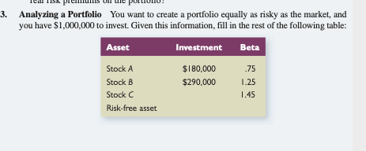

 |  |  | Beta
 | $1,000,000.00
Weight A | $180,000.00 | 0.18 | 0.75
Weight B | $290,000.00 | 0.29 | 1.25
Weight C |  | 0 | 1.45
 |  |  | 0
 |  |  | 1

