MEA slice10 All Enlarged Neuron

Image | Centroid X µm | Centroid Y µm
SCH-275-#CR1-10-HE-06.05.2026-Melina_AS_5.ndpi | 3997.3 | 5568.5
SCH-275-#CR1-10-HE-06.05.2026-Melina_AS_5.ndpi | 2961.9 | 4782.7
SCH-275-#CR1-10-HE-06.05.2026-Melina_AS_5.ndpi | 2434.4 | 5622.2
SCH-275-#CR1-10-HE-06.05.2026-Melina_AS_5.ndpi | 2586.1 | 3674.1
SCH-275-#CR1-10-HE-06.05.2026-Melina_AS_5.ndpi | 2688.8 | 4375.8
SCH-275-#CR1-10-HE-06.05.2026-Melina_AS_5.ndpi | 3189.6 | 3265.7
SCH-275-#CR1-10-HE-06.05.2026-Melina_AS_5.ndpi | 4778.9 | 2821.6
SCH-275-#CR1-10-HE-06.05.2026-Melina_AS_5.ndpi | 2754.6 | 4145.4
SCH-275-#CR1-10-HE-06.05.2026-Melina_AS_5.ndpi | 4135.7 | 4774.9
SCH-275-#CR1-10-HE-06.05.2026-Melina_AS_5.ndpi | 2835.5 | 4215.7
SCH-275-#CR1-10-HE-06.05.2026-Melina_AS_5.ndpi | 4274.9 | 2502.9
SCH-275-#CR1-10-HE-06.05.2026-Melina_AS_5.ndpi | 3587.8 | 3559.4
SCH-275-#CR1-10-HE-06.05.2026-Melina_AS_5.ndpi | 2372.7 | 4183.3
SCH-275-#CR1-10-HE-06.05.2026-Melina_AS_5.ndpi | 4599.9 | 2953.4
SCH-275-#CR1-10-HE-06.05.2026-Melina_AS_5.ndpi | 2913.4 | 3888.8
SCH-275-#CR1-10-HE-06.05.2026-Melina_AS_5.ndpi | 4541.1 | 3181.4
SCH-275-#CR1-10-HE-06.05.2026-Melina_AS_5.ndpi | 1912.8 | 4786.6
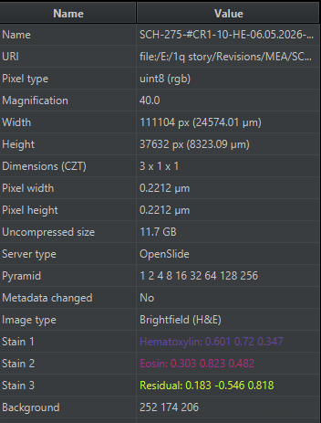
SCH-275-#CR1-10-HE-06.05.2026-Melina_AS_5.ndpi | 2776.7 | 4545.1
SCH-275-#CR1-10-HE-06.05.2026-Melina_AS_5.ndpi | 2690.8 | 5464.2
SCH-275-#CR1-10-HE-06.05.2026-Melina_AS_5.ndpi | 2497.7 | 5474.3
SCH-275-#CR1-10-HE-06.05.2026-Melina_AS_5.ndpi | 2478.1 | 4439.5
SCH-275-#CR1-10-HE-06.05.2026-Melina_AS_5.ndpi | 2237.1 | 5234.1
SCH-275-#CR1-10-HE-06.05.2026-Melina_AS_5.ndpi | 2144.2 | 5557.5
SCH-275-#CR1-10-HE-06.05.2026-Melina_AS_5.ndpi | 3268.9 | 5034.2
SCH-275-#CR1-10-HE-06.05.2026-Melina_AS_5.ndpi | 4362.3 | 2564.3
SCH-275-#CR1-10-HE-06.05.2026-Melina_AS_5.ndpi | 4534.8 | 3068.7
SCH-275-#CR1-10-HE-06.05.2026-Melina_AS_5.ndpi | 3765.1 | 5912.1
SCH-275-#CR1-10-HE-06.05.2026-Melina_AS_5.ndpi | 3871.9 | 5391.4
SCH-275-#CR1-10-HE-06.05.2026-Melina_AS_5.ndpi | 4169.6 | 1853.4
SCH-275-#CR1-10-HE-06.05.2026-Melina_AS_5.ndpi | 2789.3 | 3486.4
SCH-275-#CR1-10-HE-06.05.2026-Melina_AS_5.ndpi | 4769.8 | 3454.3
SCH-275-#CR1-10-HE-06.05.2026-Melina_AS_5.ndpi | 2394.2 | 5099.2
SCH-275-#CR1-10-HE-06.05.2026-Melina_AS_5.ndpi | 2736.6 | 5050.2
SCH-275-#CR1-10-HE-06.05.2026-Melina_AS_5.ndpi | 4169.4 | 4772.5
SCH-275-#CR1-10-HE-06.05.2026-Melina_AS_5.ndpi | 1963.9 | 5074
SCH-275-#CR1-10-HE-06.05.2026-Melina_AS_5.ndpi | 2293 | 4955.9
SCH-275-#CR1-10-HE-06.05.2026-Melina_AS_5.ndpi | 5189.6 | 4118.2
SCH-275-#CR1-10-HE-06.05.2026-Melina_AS_5.ndpi | 2956.7 | 4227.8
SCH-275-#CR1-10-HE-06.05.2026-Melina_AS_5.ndpi | 3814.4 | 4007.5
SCH-275-#CR1-10-HE-06.05.2026-Melina_AS_5.ndpi | 4058.6 | 5423.3
SCH-275-#CR1-10-HE-06.05.2026-Melina_AS_5.ndpi | 4713.9 | 5154.4
SCH-275-#CR1-10-HE-06.05.2026-Melina_AS_5.ndpi | 2263.2 | 4422.8
SCH-275-#CR1-10-HE-06.05.2026-Melina_AS_5.ndpi | 3005.1 | 5066.3
SCH-275-#CR1-10-HE-06.05.2026-Melina_AS_5.ndpi | 2831.8 | 3383.5
SCH-275-#CR1-10-HE-06.05.2026-Melina_AS_5.ndpi | 3711.3 | 2854.3
SCH-275-#CR1-10-HE-06.05.2026-Melina_AS_5.ndpi | 4687 | 2778.4
SCH-275-#CR1-10-HE-06.05.2026-Melina_AS_5.ndpi | 1995.3 | 4938.5
SCH-275-#CR1-10-HE-06.05.2026-Melina_AS_5.ndpi | 2247.1 | 3720.2
SCH-275-#CR1-10-HE-06.05.2026-Melina_AS_5.ndpi | 2522.7 | 3296.6
SCH-275-#CR1-10-HE-06.05.2026-Melina_AS_5.ndpi | 3610.8 | 4336.7
SCH-275-#CR1-10-HE-06.05.2026-Melina_AS_5.ndpi | 2442.9 | 3377
SCH-275-#CR1-10-HE-06.05.2026-Melina_AS_5.ndpi | 4934.3 | 3072.7
SCH-275-#CR1-10-HE-06.05.2026-Melina_AS_5.ndpi | 2576.2 | 3250
SCH-275-#CR1-10-HE-06.05.2026-Melina_AS_5.ndpi | 4062.7 | 4547.2
SCH-275-#CR1-10-HE-06.05.2026-Melina_AS_5.ndpi | 4101 | 3295.3
SCH-275-#CR1-10-HE-06.05.2026-Melina_AS_5.ndpi | 3500.7 | 3961.8
SCH-275-#CR1-10-HE-06.05.2026-Melina_AS_5.ndpi | 3172 | 3764.3
SCH-275-#CR1-10-HE-06.05.2026-Melina_AS_5.ndpi | 2721.2 | 4445
SCH-275-#CR1-10-HE-06.05.2026-Melina_AS_5.ndpi | 2584.3 | 4270.3
SCH-275-#CR1-10-HE-06.05.2026-Melina_AS_5.ndpi | 4332.5 | 1975.2
SCH-275-#CR1-10-HE-06.05.2026-Melina_AS_5.ndpi | 2732 | 4262.6
SCH-275-#CR1-10-HE-06.05.2026-Melina_AS_5.ndpi | 2360.1 | 5074.2

MEA slice16 AI
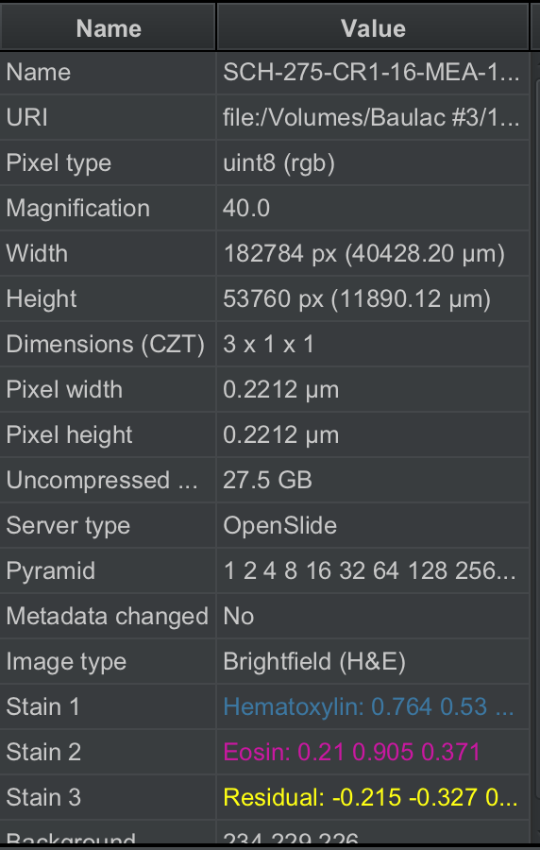
Image | Centroid X µm | Centroid Y µm
SCH-275-CR1-16-MEA-16.47.09.ndpi | 19378.7 | 5471.8
SCH-275-CR1-16-MEA-16.47.09.ndpi | 19653.7 | 5176.6
SCH-275-CR1-16-MEA-16.47.09.ndpi | 20141.1 | 4559.9
SCH-275-CR1-16-MEA-16.47.09.ndpi | 19227.7 | 4730.1
SCH-275-CR1-16-MEA-16.47.09.ndpi | 19455.7 | 6073.3
SCH-275-CR1-16-MEA-16.47.09.ndpi | 21776.2 | 5616.8
SCH-275-CR1-16-MEA-16.47.09.ndpi | 19569.7 | 5803.8
SCH-275-CR1-16-MEA-16.47.09.ndpi | 21315 | 6208.3
SCH-275-CR1-16-MEA-16.47.09.ndpi | 21675.7 | 5690.6
SCH-275-CR1-16-MEA-16.47.09.ndpi | 20323.8 | 6150.6
SCH-275-CR1-16-MEA-16.47.09.ndpi | 19226.9 | 5056.8
SCH-275-CR1-16-MEA-16.47.09.ndpi | 20523.4 | 6088.6
SCH-275-CR1-16-MEA-16.47.09.ndpi | 21186.4 | 6201.8
SCH-275-CR1-16-MEA-16.47.09.ndpi | 20134.5 | 4466.4
SCH-275-CR1-16-MEA-16.47.09.ndpi | 19241 | 4763.1
SCH-275-CR1-16-MEA-16.47.09.ndpi | 19286.6 | 5075.9
SCH-275-CR1-16-MEA-16.47.09.ndpi | 19424.6 | 5877.1
SCH-275-CR1-16-MEA-16.47.09.ndpi | 19935 | 6102.3
SCH-275-CR1-16-MEA-16.47.09.ndpi | 21183.8 | 6266.9
SCH-275-CR1-16-MEA-16.47.09.ndpi | 19566.3 | 6017.6
SCH-275-CR1-16-MEA-16.47.09.ndpi | 20478.2 | 5097
SCH-275-CR1-16-MEA-16.47.09.ndpi | 19936.5 | 6092.1
SCH-275-CR1-16-MEA-16.47.09.ndpi | 21830.3 | 5637.2
SCH-275-CR1-16-MEA-16.47.09.ndpi | 19653.1 | 5246.5
SCH-275-CR1-16-MEA-16.47.09.ndpi | 19258.7 | 4789.8
SCH-275-CR1-16-MEA-16.47.09.ndpi | 20484.9 | 5923.8
SCH-275-CR1-16-MEA-16.47.09.ndpi | 20915.9 | 6021.8
SCH-275-CR1-16-MEA-16.47.09.ndpi | 19447.5 | 5777.9
SCH-275-CR1-16-MEA-16.47.09.ndpi | 19531.2 | 5241.4
SCH-275-CR1-16-MEA-16.47.09.ndpi | 20503.4 | 5915.1
SCH-275-CR1-16-MEA-16.47.09.ndpi | 21295.9 | 6154.3
SCH-275-CR1-16-MEA-16.47.09.ndpi | 20356.2 | 6176.7
SCH-275-CR1-16-MEA-16.47.09.ndpi | 19401.5 | 5378.2
SCH-275-CR1-16-MEA-16.47.09.ndpi | 19583.3 | 6215
SCH-275-CR1-16-MEA-16.47.09.ndpi | 19285.1 | 6028.4
SCH-275-CR1-16-MEA-16.47.09.ndpi | 21067.6 | 6273.5
SCH-275-CR1-16-MEA-16.47.09.ndpi | 19291.6 | 4746.4
SCH-275-CR1-16-MEA-16.47.09.ndpi | 20941.6 | 6169.2
SCH-275-CR1-16-MEA-16.47.09.ndpi | 19633 | 5958.4

