Cleaned Data
Id | SalePrice | Month Sold | Year Sold | Neighborhood | Building Type | YearBuilt | Property age @ p.o.s.
1 | $208,500.00 | 2 | 2008 | College Creek | Single-family Detached | 2003 | 5
2 | $181,500.00 | 5 | 2007 | Veenker | Single-family Detached | 1976 | 31 | Count of Id | Column Labels
3 | $223,500.00 | 9 | 2008 | College Creek | Single-family Detached | 2001 | 7 | Row Labels | Single-family Detached | Townhouse End Unit
4 | $140,000.00 | 2 | 2006 | Crawford | Single-family Detached | 1915 | 91 | 2006 | 31 | 1
5 | $250,000.00 | 12 | 2008 | Northridge | Single-family Detached | 2000 | 8 | 2007 | 29 | 1
6 | $143,000.00 | 10 | 2009 | Mitchell | Single-family Detached | 1993 | 16 | 2008 | 31 | 5
7 | $307,000.00 | 8 | 2007 | Somerset | Single-family Detached | 2004 | 3 | 2009 | 37 | 2
8 | $200,000.00 | 11 | 2009 | Northwest Ames | Single-family Detached | 1973 | 36
9 | $129,900.00 | 4 | 2008 | Old Town | Single-family Detached | 1931 | 77
10 | $118,000.00 | 1 | 2008 | Brookside | Two-family Conversion | 1939 | 69
11 | $129,500.00 | 2 | 2008 | Sawyer | Single-family Detached | 1965 | 43
12 | $345,000.00 | 7 | 2006 | Northridge Heights | Single-family Detached | 2005 | 1
13 | $144,000.00 | 9 | 2008 | Sawyer | Single-family Detached | 1962 | 46
14 | $279,500.00 | 8 | 2007 | College Creek | Single-family Detached | 2006 | 1
15 | $157,000.00 | 5 | 2008 | North Ames | Single-family Detached | 1960 | 48
16 | $132,000.00 | 7 | 2007 | Brookside | Single-family Detached | 1929 | 78
17 | $149,000.00 | 3 | 2010 | North Ames | Single-family Detached | 1970 | 40
18 | $90,000.00 | 10 | 2006 | Sawyer | Duplex | 1967 | 39
19 | $159,000.00 | 6 | 2008 | Sawyer West | Single-family Detached | 2004 | 4
20 | $139,000.00 | 5 | 2009 | North Ames | Single-family Detached | 1958 | 51
21 | $325,300.00 | 11 | 2006 | Northridge Heights | Single-family Detached | 2005 | 1
22 | $139,400.00 | 6 | 2007 | Iowa DOT and Rail Road | Single-family Detached | 1930 | 77
23 | $230,000.00 | 9 | 2008 | College Creek | Single-family Detached | 2002 | 6
24 | $129,900.00 | 6 | 2007 | Meadow Village | Townhouse End Unit | 1976 | 31
25 | $154,000.00 | 5 | 2010 | Sawyer | Single-family Detached | 1968 | 42
26 | $256,300.00 | 7 | 2009 | Northridge Heights | Single-family Detached | 2007 | 2
27 | $134,800.00 | 5 | 2010 | North Ames | Single-family Detached | 1951 | 59
28 | $306,000.00 | 5 | 2010 | Northridge Heights | Single-family Detached | 2007 | 3
29 | $207,500.00 | 12 | 2006 | North Ames | Single-family Detached | 1957 | 49
30 | $68,500.00 | 5 | 2008 | Brookside | Single-family Detached | 1927 | 81
31 | $40,000.00 | 7 | 2008 | Iowa DOT and Rail Road | Single-family Detached | 1920 | 88
32 | $149,350.00 | 6 | 2008 | Sawyer | Single-family Detached | 1966 | 42
33 | $179,900.00 | 1 | 2008 | College Creek | Single-family Detached | 2007 | 1
34 | $165,500.00 | 4 | 2010 | North Ames | Single-family Detached | 1959 | 51
35 | $277,500.00 | 8 | 2007 | Northridge Heights | Townhouse End Unit | 2005 | 2
36 | $309,000.00 | 9 | 2006 | Northridge Heights | Single-family Detached | 2004 | 2
37 | $145,000.00 | 6 | 2009 | College Creek | Single-family Detached | 1994 | 15
38 | $153,000.00 | 10 | 2009 | North Ames | Single-family Detached | 1954 | 55
39 | $109,000.00 | 1 | 2010 | North Ames | Single-family Detached | 1953 | 57
40 | $82,000.00 | 6 | 2008 | Edwards | Duplex | 1955 | 53
41 | $160,000.00 | 12 | 2006 | North Ames | Single-family Detached | 1965 | 41
42 | $170,000.00 | 7 | 2007 | Timberland | Single-family Detached | 1959 | 48
43 | $144,000.00 | 12 | 2007 | Sawyer West | Single-family Detached | 1983 | 24
44 | $130,250.00 | 7 | 2008 | College Creek | Single-family Detached | 1975 | 33
45 | $141,000.00 | 5 | 2006 | North Ames | Single-family Detached | 1959 | 47
46 | $319,900.00 | 2 | 2010 | Northridge Heights | Townhouse End Unit | 2005 | 5
47 | $239,686.00 | 8 | 2009 | Mitchell | Single-family Detached | 2003 | 6
48 | $249,700.00 | 7 | 2007 | Somerset | Single-family Detached | 2006 | 1
49 | $113,000.00 | 6 | 2009 | Old Town | Two-family Conversion | 1920 | 89
50 | $127,000.00 | 1 | 2007 | Sawyer | Single-family Detached | 1966 | 41
51 | $177,000.00 | 7 | 2007 | Gilbert | Single-family Detached | 1997 | 10
52 | $114,500.00 | 9 | 2006 | Brookside | Single-family Detached | 1934 | 72
53 | $110,000.00 | 5 | 2010 | Iowa DOT and Rail Road | Duplex | 1963 | 47
54 | $385,000.00 | 11 | 2006 | Veenker | Single-family Detached | 1981 | 25
55 | $130,000.00 | 2 | 2007 | North Ames | Single-family Detached | 1955 | 52
56 | $180,500.00 | 7 | 2008 | North Ames | Single-family Detached | 1964 | 44
57 | $172,500.00 | 8 | 2009 | Somerset | Townhouse | 1999 | 10
58 | $196,500.00 | 8 | 2006 | College Creek | Single-family Detached | 2004 | 2
59 | $438,780.00 | 10 | 2006 | Stone Brook | Single-family Detached | 2006 | 0
60 | $124,900.00 | 1 | 2008 | College Creek | Single-family Detached | 1972 | 36
61 | $158,000.00 | 5 | 2006 | Sawyer West | Single-family Detached | 2004 | 2
62 | $101,000.00 | 3 | 2007 | Iowa DOT and Rail Road | Single-family Detached | 1920 | 87
63 | $202,500.00 | 10 | 2007 | Northridge Heights | Townhouse End Unit | 2006 | 1
64 | $140,000.00 | 4 | 2010 | Old Town | Single-family Detached | 1921 | 89
65 | $219,500.00 | 2 | 2009 | College Creek | Single-family Detached | 1997 | 12
66 | $317,000.00 | 10 | 2007 | Northridge Heights | Single-family Detached | 2004 | 3
67 | $180,000.00 | 7 | 2010 | North Ames | Single-family Detached | 1970 | 40
68 | $226,000.00 | 6 | 2007 | College Creek | Single-family Detached | 2003 | 4
69 | $80,000.00 | 6 | 2010 | Old Town | Single-family Detached | 1945 | 65
70 | $225,000.00 | 7 | 2006 | Clear Creek | Single-family Detached | 1953 | 53
71 | $244,000.00 | 2 | 2007 | North Ames | Single-family Detached | 1973 | 34
72 | $129,500.00 | 6 | 2007 | Mitchell | Single-family Detached | 1982 | 25
73 | $185,000.00 | 12 | 2009 | Gilbert | Single-family Detached | 1998 | 11
74 | $144,900.00 | 5 | 2010 | North Ames | Single-family Detached | 1954 | 56
75 | $107,400.00 | 5 | 2010 | Old Town | Single-family Detached | 1915 | 95
76 | $91,000.00 | 11 | 2009 | Meadow Village | Townhouse | 1973 | 36
77 | $135,750.00 | 4 | 2008 | North Ames | Single-family Detached | 1956 | 52
78 | $127,000.00 | 1 | 2008 | Brookside | Single-family Detached | 1948 | 60
79 | $136,500.00 | 4 | 2010 | Sawyer | Duplex | 1968 | 42
80 | $110,000.00 | 5 | 2009 | Old Town | Single-family Detached | 1910 | 99
81 | $193,500.00 | 6 | 2009 | North Ames | Single-family Detached | 1968 | 41
82 | $153,500.00 | 3 | 2006 | Mitchell | Townhouse End Unit | 1998 | 8
83 | $245,000.00 | 10 | 2008 | Somerset | Single-family Detached | 2007 | 1
84 | $126,500.00 | 7 | 2007 | North Ames | Single-family Detached | 1960 | 47
85 | $168,500.00 | 5 | 2009 | Gilbert | Single-family Detached | 1995 | 14
86 | $260,000.00 | 4 | 2006 | Northridge | Single-family Detached | 1991 | 15
87 | $174,000.00 | 3 | 2009 | Gilbert | Single-family Detached | 2005 | 4
88 | $164,500.00 | 6 | 2009 | Somerset | Townhouse End Unit | 2009 | 0
89 | $85,000.00 | 10 | 2009 | Iowa DOT and Rail Road | Single-family Detached | 1915 | 94
90 | $123,600.00 | 8 | 2007 | College Creek | Single-family Detached | 1994 | 13
91 | $109,900.00 | 7 | 2006 | North Ames | Single-family Detached | 1950 | 56
92 | $98,600.00 | 12 | 2006 | North Ames | Single-family Detached | 1961 | 45
93 | $163,500.00 | 8 | 2009 | Crawford | Single-family Detached | 1921 | 88
94 | $133,900.00 | 11 | 2007 | Old Town | Two-family Conversion | 1910 | 97
95 | $204,750.00 | 5 | 2007 | College Creek | Single-family Detached | 1997 | 10
96 | $185,000.00 | 4 | 2009 | Gilbert | Single-family Detached | 1993 | 16
97 | $214,000.00 | 8 | 2006 | College Creek | Single-family Detached | 1999 | 7
98 | $94,750.00 | 5 | 2007 | Edwards | Single-family Detached | 1965 | 42
99 | $83,000.00 | 5 | 2010 | Edwards | Single-family Detached | 1920 | 90
100 | $128,950.00 | 1 | 2010 | North Ames | Single-family Detached | 1959 | 51
101 | $205,000.00 | 2 | 2010 | Northwest Ames | Single-family Detached | 1977 | 33
102 | $178,000.00 | 6 | 2010 | Sawyer West | Single-family Detached | 1985 | 25
103 | $118,964.00 | 6 | 2009 | Sawyer West | Duplex | 1979 | 30
104 | $198,900.00 | 5 | 2010 | College Creek | Single-family Detached | 2009 | 1
105 | $169,500.00 | 6 | 2007 | Iowa DOT and Rail Road | Single-family Detached | 1931 | 76
106 | $250,000.00 | 8 | 2008 | Somerset | Single-family Detached | 2003 | 5
107 | $100,000.00 | 8 | 2007 | Old Town | Single-family Detached | 1885 | 122
108 | $115,000.00 | 4 | 2008 | Old Town | Single-family Detached | 1948 | 60
109 | $115,000.00 | 8 | 2007 | Iowa DOT and Rail Road | Single-family Detached | 1919 | 88
110 | $190,000.00 | 1 | 2010 | Northwest Ames | Single-family Detached | 1977 | 33
111 | $136,900.00 | 10 | 2006 | Edwards | Single-family Detached | 1954 | 52
112 | $180,000.00 | 4 | 2010 | Gilbert | Single-family Detached | 2000 | 10
113 | $383,970.00 | 10 | 2007 | College Creek | Single-family Detached | 2007 | 0
114 | $217,000.00 | 10 | 2007 | Crawford | Single-family Detached | 1953 | 54
115 | $259,500.00 | 7 | 2007 | Crawford | Single-family Detached | 1945 | 62
116 | $176,000.00 | 6 | 2007 | Somerset | Townhouse End Unit | 1999 | 8
117 | $139,000.00 | 9 | 2009 | Sawyer | Single-family Detached | 1962 | 47
118 | $155,000.00 | 4 | 2007 | Edwards | Single-family Detached | 2006 | 1
119 | $320,000.00 | 5 | 2010 | Sawyer West | Single-family Detached | 1990 | 20
120 | $163,990.00 | 7 | 2006 | College Creek | Single-family Detached | 2005 | 1
121 | $180,000.00 | 10 | 2006 | Clear Creek | Single-family Detached | 1969 | 37
122 | $100,000.00 | 6 | 2007 | Iowa DOT and Rail Road | Single-family Detached | 1939 | 68
123 | $136,000.00 | 6 | 2008 | North Ames | Single-family Detached | 1958 | 50
124 | $153,900.00 | 3 | 2008 | Sawyer West | Townhouse End Unit | 1993 | 15
125 | $181,000.00 | 1 | 2009 | Northwest Ames | Single-family Detached | 1979 | 30
126 | $84,500.00 | 6 | 2006 | Iowa DOT and Rail Road | Two-family Conversion | 1935 | 71
127 | $128,000.00 | 2 | 2007 | Northpark Villa | Townhouse End Unit | 1976 | 31
128 | $87,000.00 | 6 | 2007 | Old Town | Single-family Detached | 1930 | 77
129 | $155,000.00 | 7 | 2006 | North Ames | Single-family Detached | 1966 | 40
130 | $150,000.00 | 7 | 2006 | North Ames | Single-family Detached | 1958 | 48
131 | $226,000.00 | 5 | 2006 | North Ames | Single-family Detached | 1966 | 40
132 | $244,000.00 | 7 | 2009 | Gilbert | Single-family Detached | 2000 | 9
133 | $150,750.00 | 7 | 2007 | North Ames | Single-family Detached | 1959 | 48
134 | $220,000.00 | 6 | 2009 | Timberland | Single-family Detached | 2001 | 8
135 | $180,000.00 | 7 | 2006 | Sawyer | Single-family Detached | 1968 | 38
136 | $174,000.00 | 5 | 2008 | Northwest Ames | Single-family Detached | 1970 | 38
137 | $143,000.00 | 7 | 2007 | North Ames | Single-family Detached | 1967 | 40
138 | $171,000.00 | 7 | 2006 | Mitchell | Duplex | 1988 | 18
139 | $230,000.00 | 12 | 2008 | College Creek | Single-family Detached | 1999 | 9
140 | $231,500.00 | 8 | 2009 | College Creek | Single-family Detached | 1997 | 12
141 | $115,000.00 | 4 | 2010 | North Ames | Single-family Detached | 1971 | 39
142 | $260,000.00 | 1 | 2006 | College Creek | Single-family Detached | 2005 | 1
143 | $166,000.00 | 6 | 2010 | North Ames | Single-family Detached | 1952 | 58
144 | $204,000.00 | 6 | 2009 | College Creek | Single-family Detached | 1999 | 10
145 | $125,000.00 | 11 | 2006 | Sawyer | Duplex | 1963 | 43
146 | $130,000.00 | 4 | 2006 | Edwards | Townhouse | 2004 | 2
147 | $105,000.00 | 11 | 2009 | Brookside | Single-family Detached | 1931 | 78
148 | $222,500.00 | 5 | 2010 | Gilbert | Single-family Detached | 2001 | 9
149 | $141,000.00 | 4 | 2008 | Sawyer West | Single-family Detached | 2004 | 4
150 | $115,000.00 | 4 | 2006 | Brookside | Single-family Detached | 1936 | 70
151 | $122,000.00 | 1 | 2007 | College Creek | Single-family Detached | 1975 | 32
152 | $372,402.00 | 1 | 2008 | Northridge Heights | Single-family Detached | 2007 | 1
153 | $190,000.00 | 6 | 2006 | Northwest Ames | Single-family Detached | 1971 | 35
154 | $235,000.00 | 3 | 2008 | Clear Creek | Single-family Detached | 1960 | 48
155 | $125,000.00 | 3 | 2006 | Old Town | Single-family Detached | 1923 | 83
156 | $79,000.00 | 4 | 2008 | Edwards | Single-family Detached | 1924 | 84
157 | $109,500.00 | 6 | 2006 | North Ames | Single-family Detached | 1950 | 56
158 | $269,500.00 | 5 | 2010 | Timberland | Single-family Detached | 2009 | 1
159 | $254,900.00 | 5 | 2010 | Somerset | Single-family Detached | 2004 | 6
160 | $320,000.00 | 3 | 2006 | Gilbert | Single-family Detached | 2005 | 1
161 | $162,500.00 | 6 | 2008 | Veenker | Single-family Detached | 1984 | 24
162 | $412,500.00 | 3 | 2008 | Northridge Heights | Single-family Detached | 2003 | 5
163 | $220,000.00 | 5 | 2010 | Northridge Heights | Single-family Detached | 2005 | 5
164 | $103,200.00 | 4 | 2007 | Old Town | Single-family Detached | 1956 | 51
165 | $152,000.00 | 10 | 2007 | Old Town | Single-family Detached | 1926 | 81
166 | $127,500.00 | 9 | 2008 | Edwards | Two-family Conversion | 1940 | 68
167 | $190,000.00 | 11 | 2009 | Clear Creek | Single-family Detached | 1955 | 54
168 | $325,624.00 | 11 | 2007 | Northridge Heights | Single-family Detached | 2007 | 0
169 | $183,500.00 | 5 | 2007 | Gilbert | Single-family Detached | 2004 | 3
170 | $228,000.00 | 1 | 2006 | Timberland | Single-family Detached | 1981 | 25
171 | $128,500.00 | 5 | 2007 | Old Town | Single-family Detached | 1941 | 66
172 | $215,000.00 | 5 | 2010 | North Ames | Single-family Detached | 1960 | 50
173 | $239,000.00 | 6 | 2006 | Stone Brook | Townhouse End Unit | 1987 | 19
174 | $163,000.00 | 6 | 2008 | North Ames | Single-family Detached | 1961 | 47
175 | $184,000.00 | 11 | 2008 | Timberland | Single-family Detached | 1986 | 22
176 | $243,000.00 | 6 | 2007 | Edwards | Single-family Detached | 1950 | 57
177 | $211,000.00 | 9 | 2007 | Clear Creek | Single-family Detached | 1988 | 19
178 | $172,500.00 | 7 | 2006 | Sawyer | Single-family Detached | 1958 | 48
179 | $501,837.00 | 7 | 2009 | Stone Brook | Single-family Detached | 2008 | 1
180 | $100,000.00 | 7 | 2007 | Old Town | Single-family Detached | 1923 | 84
181 | $177,000.00 | 6 | 2007 | Somerset | Townhouse | 2000 | 7
182 | $200,100.00 | 7 | 2006 | Crawford | Single-family Detached | 1920 | 86
183 | $120,000.00 | 6 | 2007 | Edwards | Single-family Detached | 1957 | 50
184 | $200,000.00 | 6 | 2008 | Old Town | Single-family Detached | 2003 | 5
185 | $127,000.00 | 6 | 2006 | Brookside | Single-family Detached | 1908 | 98
186 | $475,000.00 | 6 | 2006 | Old Town | Single-family Detached | 1892 | 114
187 | $173,000.00 | 6 | 2009 | Mitchell | Single-family Detached | 1990 | 19
188 | $135,000.00 | 8 | 2009 | Old Town | Single-family Detached | 1916 | 93
189 | $153,337.00 | 6 | 2009 | Sawyer West | Duplex | 1979 | 30
190 | $286,000.00 | 8 | 2008 | Stone Brook | Townhouse End Unit | 2001 | 7
191 | $315,000.00 | 12 | 2007 | Crawford | Single-family Detached | 1932 | 75
192 | $184,000.00 | 6 | 2007 | North Ames | Single-family Detached | 1972 | 35
193 | $192,000.00 | 9 | 2009 | College Creek | Single-family Detached | 1999 | 10
194 | $130,000.00 | 5 | 2006 | Edwards | Townhouse | 2004 | 2
195 | $127,000.00 | 5 | 2008 | College Creek | Single-family Detached | 1972 | 36
196 | $148,500.00 | 7 | 2009 | Northpark Villa | Townhouse | 1976 | 33
197 | $311,872.00 | 9 | 2007 | Somerset | Single-family Detached | 2007 | 0
198 | $235,000.00 | 3 | 2006 | North Ames | Single-family Detached | 1918 | 88
199 | $104,000.00 | 7 | 2009 | Old Town | Single-family Detached | 1912 | 97
200 | $274,900.00 | 1 | 2009 | Northridge Heights | Single-family Detached | 2004 | 5
201 | $140,000.00 | 3 | 2010 | Edwards | Single-family Detached | 2003 | 7
202 | $171,500.00 | 2 | 2008 | Mitchell | Single-family Detached | 1977 | 31
203 | $112,000.00 | 5 | 2006 | Old Town | Single-family Detached | 1924 | 82
204 | $149,000.00 | 1 | 2008 | College Creek | Townhouse End Unit | 2004 | 4
205 | $110,000.00 | 4 | 2009 | Old Town | Single-family Detached | 1947 | 62
206 | $180,500.00 | 5 | 2009 | Gilbert | Single-family Detached | 1990 | 19
207 | $143,900.00 | 3 | 2007 | Sawyer | Single-family Detached | 1962 | 45
208 | $141,000.00 | 4 | 2008 | North Ames | Single-family Detached | 1960 | 48
209 | $277,000.00 | 4 | 2007 | Sawyer West | Single-family Detached | 1988 | 19
210 | $145,000.00 | 7 | 2008 | North Ames | Single-family Detached | 1964 | 44
211 | $98,000.00 | 4 | 2008 | Edwards | Single-family Detached | 1925 | 83
212 | $186,000.00 | 3 | 2010 | Edwards | Single-family Detached | 2009 | 1
213 | $252,678.00 | 7 | 2009 | Somerset | Single-family Detached | 2009 | 0
214 | $156,000.00 | 7 | 2006 | College Creek | Single-family Detached | 1995 | 11
215 | $161,750.00 | 3 | 2010 | College Creek | Single-family Detached | 1977 | 33
216 | $134,450.00 | 5 | 2006 | North Ames | Single-family Detached | 1957 | 49
217 | $210,000.00 | 4 | 2008 | College Creek | Single-family Detached | 2004 | 4
218 | $107,000.00 | 9 | 2006 | Old Town | Single-family Detached | 1925 | 81
219 | $311,500.00 | 5 | 2008 | Crawford | Single-family Detached | 1939 | 69
220 | $167,240.00 | 3 | 2006 | Bloomington Heights | Townhouse End Unit | 2005 | 1
221 | $204,900.00 | 4 | 2006 | College Creek | Single-family Detached | 2006 | 0
222 | $200,000.00 | 12 | 2009 | Gilbert | Single-family Detached | 2002 | 7
223 | $179,900.00 | 2 | 2006 | Northwest Ames | Single-family Detached | 1975 | 31
224 | $97,000.00 | 3 | 2009 | North Ames | Single-family Detached | 1971 | 38
225 | $386,250.00 | 6 | 2009 | Northridge Heights | Single-family Detached | 2003 | 6
226 | $112,000.00 | 5 | 2009 | Briardale | Townhouse | 1971 | 38
227 | $290,000.00 | 6 | 2007 | Northridge | Single-family Detached | 1995 | 12
228 | $106,000.00 | 9 | 2008 | Briardale | Townhouse | 1970 | 38
229 | $125,000.00 | 5 | 2010 | Sawyer | Single-family Detached | 1967 | 43
230 | $192,500.00 | 5 | 2009 | Bloomington Heights | Townhouse End Unit | 2005 | 4
231 | $148,000.00 | 4 | 2010 | North Ames | Single-family Detached | 1959 | 51
232 | $403,000.00 | 7 | 2009 | Northridge | Single-family Detached | 1995 | 14
233 | $94,500.00 | 6 | 2006 | Briardale | Townhouse | 1972 | 34
234 | $128,200.00 | 2 | 2010 | College Creek | Single-family Detached | 1976 | 34
235 | $216,500.00 | 5 | 2010 | Gilbert | Single-family Detached | 2002 | 8
236 | $89,500.00 | 8 | 2008 | Briardale | Townhouse End Unit | 1971 | 37
237 | $185,500.00 | 5 | 2010 | College Creek | Single-family Detached | 2004 | 6
238 | $194,500.00 | 2 | 2010 | Sawyer West | Single-family Detached | 1993 | 17
239 | $318,000.00 | 12 | 2007 | Northridge Heights | Single-family Detached | 2007 | 0
240 | $113,000.00 | 4 | 2010 | Edwards | Single-family Detached | 1945 | 65
241 | $262,500.00 | 4 | 2010 | Somerset | Single-family Detached | 2008 | 2
242 | $110,500.00 | 8 | 2007 | Old Town | Single-family Detached | 1945 | 62
243 | $79,000.00 | 4 | 2006 | Old Town | Single-family Detached | 1900 | 106
244 | $120,000.00 | 4 | 2009 | Sawyer West | Townhouse End Unit | 1980 | 29
245 | $205,000.00 | 5 | 2010 | Sawyer West | Single-family Detached | 1994 | 16
246 | $241,500.00 | 6 | 2006 | Northwest Ames | Single-family Detached | 1988 | 18
247 | $137,000.00 | 4 | 2006 | Old Town | Two-family Conversion | 1910 | 96
248 | $140,000.00 | 6 | 2006 | North Ames | Single-family Detached | 1954 | 52
249 | $180,000.00 | 9 | 2007 | College Creek | Single-family Detached | 2003 | 4
250 | $277,000.00 | 6 | 2007 | Clear Creek | Single-family Detached | 1958 | 49
251 | $76,500.00 | 5 | 2010 | Brookside | Single-family Detached | 1940 | 70
252 | $235,000.00 | 12 | 2007 | Crawford | Townhouse End Unit | 2006 | 1
253 | $173,000.00 | 12 | 2008 | Sawyer West | Single-family Detached | 2004 | 4
254 | $158,000.00 | 10 | 2007 | North Ames | Single-family Detached | 1964 | 43
255 | $145,000.00 | 6 | 2010 | North Ames | Single-family Detached | 1957 | 53
256 | $230,000.00 | 2 | 2006 | Gilbert | Single-family Detached | 1999 | 7
257 | $207,500.00 | 5 | 2008 | Somerset | Single-family Detached | 2003 | 5
258 | $220,000.00 | 3 | 2009 | College Creek | Single-family Detached | 2006 | 3
259 | $231,500.00 | 5 | 2008 | College Creek | Single-family Detached | 2001 | 7
260 | $97,000.00 | 12 | 2008 | Old Town | Single-family Detached | 1956 | 52
261 | $176,000.00 | 5 | 2009 | North Ames | Single-family Detached | 1962 | 47
262 | $276,000.00 | 11 | 2007 | College Creek | Single-family Detached | 2007 | 0
263 | $151,000.00 | 7 | 2006 | Sawyer | Single-family Detached | 1977 | 29
264 | $130,000.00 | 4 | 2010 | Old Town | Single-family Detached | 1929 | 81
265 | $73,000.00 | 6 | 2008 | Old Town | Single-family Detached | 1925 | 83
266 | $175,500.00 | 6 | 2008 | Northwest Ames | Single-family Detached | 1981 | 27
267 | $185,000.00 | 6 | 2006 | Gilbert | Single-family Detached | 1997 | 9
268 | $179,500.00 | 7 | 2008 | South & West of Iowa State University | Single-family Detached | 1939 | 69
269 | $120,500.00 | 2 | 2008 | Iowa DOT and Rail Road | Single-family Detached | 1940 | 68
270 | $148,000.00 | 5 | 2007 | Edwards | Single-family Detached | 1976 | 31
271 | $266,000.00 | 8 | 2006 | Somerset | Single-family Detached | 2006 | 0
272 | $241,500.00 | 4 | 2008 | Clear Creek | Single-family Detached | 1954 | 54
273 | $290,000.00 | 4 | 2010 | Northridge | Single-family Detached | 1999 | 11
274 | $139,000.00 | 4 | 2009 | North Ames | Single-family Detached | 1958 | 51
275 | $124,500.00 | 6 | 2007 | Mitchell | Single-family Detached | 1982 | 25
276 | $205,000.00 | 10 | 2009 | Brookside | Single-family Detached | 1925 | 84
277 | $201,000.00 | 4 | 2010 | Mitchell | Single-family Detached | 2003 | 7
278 | $141,000.00 | 6 | 2010 | Gilbert | Single-family Detached | 1951 | 59
279 | $415,298.00 | 5 | 2007 | Northridge Heights | Single-family Detached | 2006 | 1
280 | $192,000.00 | 3 | 2008 | Clear Creek | Single-family Detached | 1977 | 31
281 | $228,500.00 | 1 | 2007 | Sawyer West | Single-family Detached | 1989 | 18
282 | $185,000.00 | 5 | 2006 | Somerset | Single-family Detached | 2006 | 0
283 | $207,500.00 | 4 | 2009 | Northridge Heights | Townhouse | 2007 | 2
284 | $244,600.00 | 12 | 2009 | Somerset | Single-family Detached | 2008 | 1
285 | $179,200.00 | 7 | 2007 | Sawyer West | Townhouse End Unit | 1992 | 15
286 | $164,700.00 | 6 | 2007 | Somerset | Townhouse End Unit | 2006 | 1
287 | $159,000.00 | 6 | 2006 | North Ames | Single-family Detached | 1962 | 44
288 | $88,000.00 | 6 | 2006 | North Ames | Single-family Detached | 1971 | 35
289 | $122,000.00 | 2 | 2010 | Sawyer | Single-family Detached | 1967 | 43
290 | $153,575.00 | 7 | 2007 | Brookside | Single-family Detached | 1915 | 92
291 | $233,230.00 | 7 | 2006 | College Creek | Single-family Detached | 2006 | 0
292 | $135,900.00 | 3 | 2008 | South & West of Iowa State University | Two-family Conversion | 1912 | 96
293 | $131,000.00 | 1 | 2009 | Edwards | Single-family Detached | 1949 | 60
294 | $235,000.00 | 3 | 2006 | Northwest Ames | Single-family Detached | 1977 | 29
295 | $167,000.00 | 10 | 2009 | North Ames | Single-family Detached | 1953 | 56
296 | $142,500.00 | 3 | 2006 | Mitchell | Single-family Detached | 1984 | 22
297 | $152,000.00 | 6 | 2007 | Iowa DOT and Rail Road | Single-family Detached | 1950 | 57
298 | $239,000.00 | 6 | 2007 | Somerset | Single-family Detached | 1997 | 10
299 | $175,000.00 | 6 | 2007 | Northwest Ames | Single-family Detached | 1968 | 39
300 | $158,500.00 | 8 | 2009 | Crawford | Single-family Detached | 1950 | 59
301 | $157,000.00 | 6 | 2006 | Crawford | Two-family Conversion | 1953 | 53
302 | $267,000.00 | 5 | 2007 | College Creek | Single-family Detached | 1998 | 9
303 | $205,000.00 | 1 | 2006 | College Creek | Single-family Detached | 2001 | 5
304 | $149,900.00 | 7 | 2006 | College Creek | Single-family Detached | 1972 | 34
305 | $295,000.00 | 5 | 2008 | Old Town | Single-family Detached | 1880 | 128
306 | $305,900.00 | 7 | 2007 | College Creek | Single-family Detached | 2004 | 3
307 | $225,000.00 | 6 | 2007 | Sawyer West | Single-family Detached | 1990 | 17
308 | $89,500.00 | 3 | 2008 | Iowa DOT and Rail Road | Single-family Detached | 1920 | 88
309 | $82,500.00 | 3 | 2009 | Edwards | Single-family Detached | 1940 | 69
310 | $360,000.00 | 11 | 2006 | Northridge Heights | Single-family Detached | 2003 | 3
311 | $165,600.00 | 5 | 2006 | Gilbert | Single-family Detached | 1993 | 13
312 | $132,000.00 | 5 | 2009 | North Ames | Single-family Detached | 1948 | 61
313 | $119,900.00 | 5 | 2006 | Old Town | Two-family Conversion | 1939 | 67
314 | $375,000.00 | 6 | 2009 | Timberland | Single-family Detached | 1965 | 44
315 | $178,000.00 | 8 | 2006 | Old Town | Single-family Detached | 1925 | 81
316 | $188,500.00 | 7 | 2009 | Gilbert | Single-family Detached | 2004 | 5
317 | $260,000.00 | 8 | 2009 | Northwest Ames | Single-family Detached | 1980 | 29
318 | $270,000.00 | 12 | 2007 | Somerset | Single-family Detached | 2006 | 1
319 | $260,000.00 | 4 | 2009 | Northridge | Single-family Detached | 1993 | 16
320 | $187,500.00 | 6 | 2009 | Northwest Ames | Single-family Detached | 1980 | 29
321 | $342,643.00 | 9 | 2006 | Northridge Heights | Single-family Detached | 2006 | 0
322 | $354,000.00 | 6 | 2007 | Northridge Heights | Single-family Detached | 2004 | 3
323 | $301,000.00 | 8 | 2007 | Sawyer West | Single-family Detached | 1986 | 21
324 | $126,175.00 | 7 | 2006 | Old Town | Single-family Detached | 1955 | 51
325 | $242,000.00 | 6 | 2010 | North Ames | Single-family Detached | 1967 | 43
326 | $87,000.00 | 12 | 2007 | Iowa DOT and Rail Road | Single-family Detached | 1941 | 66
327 | $324,000.00 | 5 | 2008 | Veenker | Townhouse End Unit | 1993 | 15
328 | $145,250.00 | 4 | 2006 | North Ames | Single-family Detached | 1960 | 46
329 | $214,500.00 | 7 | 2009 | Brookside | Single-family Detached | 1916 | 93
330 | $78,000.00 | 7 | 2009 | Iowa DOT and Rail Road | Single-family Detached | 1920 | 89
331 | $119,000.00 | 11 | 2007 | North Ames | Duplex | 1964 | 43
332 | $139,000.00 | 8 | 2007 | North Ames | Single-family Detached | 1958 | 49
333 | $284,000.00 | 10 | 2009 | Northridge Heights | Single-family Detached | 2003 | 6
334 | $207,000.00 | 7 | 2008 | Northridge Heights | Townhouse End Unit | 2004 | 4
335 | $192,000.00 | 7 | 2008 | Gilbert | Single-family Detached | 1998 | 10
336 | $228,950.00 | 8 | 2008 | Timberland | Two-family Conversion | 1965 | 43
337 | $377,426.00 | 7 | 2007 | Stone Brook | Single-family Detached | 2005 | 2
338 | $214,000.00 | 12 | 2008 | College Creek | Single-family Detached | 2002 | 6
339 | $202,500.00 | 5 | 2006 | Northwest Ames | Single-family Detached | 1984 | 22
340 | $155,000.00 | 6 | 2009 | North Ames | Single-family Detached | 1958 | 51
341 | $202,900.00 | 4 | 2010 | Timberland | Single-family Detached | 2002 | 8
342 | $82,000.00 | 9 | 2009 | Sawyer West | Single-family Detached | 1950 | 59
343 | $87,500.00 | 5 | 2006 | North Ames | Duplex | 1949 | 57
344 | $266,000.00 | 7 | 2008 | Northridge Heights | Townhouse End Unit | 2005 | 3
345 | $85,000.00 | 4 | 2010 | Meadow Village | Townhouse End Unit | 1976 | 34
346 | $140,200.00 | 10 | 2006 | Brookside | Single-family Detached | 1939 | 67
347 | $151,500.00 | 4 | 2007 | North Ames | Single-family Detached | 1960 | 47
348 | $157,500.00 | 12 | 2009 | North Ames | Single-family Detached | 1960 | 49
349 | $154,000.00 | 10 | 2008 | Northridge Heights | Townhouse | 2003 | 5
350 | $437,154.00 | 4 | 2006 | Northridge Heights | Single-family Detached | 2005 | 1
351 | $318,061.00 | 12 | 2007 | Northridge Heights | Townhouse End Unit | 2007 | 0
352 | $190,000.00 | 12 | 2006 | Clear Creek | Single-family Detached | 1986 | 20
353 | $95,000.00 | 3 | 2008 | Edwards | Single-family Detached | 1941 | 67
354 | $105,900.00 | 5 | 2010 | Old Town | Single-family Detached | 1928 | 82
355 | $140,000.00 | 6 | 2006 | South & West of Iowa State University | Single-family Detached | 1940 | 66
356 | $177,500.00 | 8 | 2007 | College Creek | Single-family Detached | 1995 | 12
357 | $173,000.00 | 7 | 2009 | Gilbert | Single-family Detached | 1992 | 17
358 | $134,000.00 | 8 | 2007 | Meadow Village | Townhouse End Unit | 1976 | 31
359 | $130,000.00 | 7 | 2006 | Clear Creek | Single-family Detached | 1958 | 48
360 | $280,000.00 | 6 | 2006 | Northridge | Single-family Detached | 1998 | 8
361 | $156,000.00 | 6 | 2007 | Mitchell | Single-family Detached | 1978 | 29
362 | $145,000.00 | 7 | 2008 | Brookside | Single-family Detached | 1940 | 68
363 | $198,500.00 | 7 | 2009 | Edwards | Single-family Detached | 2003 | 6
364 | $118,000.00 | 5 | 2009 | Briardale | Townhouse | 1972 | 37
365 | $190,000.00 | 7 | 2006 | Northwest Ames | Single-family Detached | 1976 | 30
366 | $147,000.00 | 7 | 2009 | Iowa DOT and Rail Road | Single-family Detached | 1920 | 89
367 | $159,000.00 | 7 | 2009 | North Ames | Single-family Detached | 1963 | 46
368 | $165,000.00 | 12 | 2008 | North Ames | Single-family Detached | 1962 | 46
369 | $132,000.00 | 3 | 2010 | North Ames | Single-family Detached | 1954 | 56
370 | $162,000.00 | 3 | 2010 | North Ames | Single-family Detached | 1959 | 51
371 | $172,400.00 | 1 | 2006 | Gilbert | Single-family Detached | 2000 | 6
372 | $134,432.00 | 7 | 2008 | Clear Creek | Single-family Detached | 1959 | 49
373 | $125,000.00 | 2 | 2010 | Sawyer West | Townhouse End Unit | 1984 | 26
374 | $123,000.00 | 11 | 2009 | North Ames | Single-family Detached | 1953 | 56
375 | $219,500.00 | 7 | 2007 | College Creek | Single-family Detached | 2003 | 4
376 | $61,000.00 | 3 | 2009 | Edwards | Single-family Detached | 1922 | 87
377 | $148,000.00 | 7 | 2006 | College Creek | Single-family Detached | 1996 | 10
378 | $340,000.00 | 12 | 2007 | Somerset | Single-family Detached | 2004 | 3
379 | $394,432.00 | 6 | 2010 | Stone Brook | Single-family Detached | 2010 | 0
380 | $179,000.00 | 6 | 2009 | Gilbert | Single-family Detached | 2000 | 9
381 | $127,000.00 | 5 | 2010 | South & West of Iowa State University | Single-family Detached | 1924 | 86
382 | $187,750.00 | 8 | 2006 | Somerset | Single-family Detached | 2006 | 0
383 | $213,500.00 | 4 | 2007 | College Creek | Single-family Detached | 2006 | 1
384 | $76,000.00 | 10 | 2009 | Sawyer West | Single-family Detached | 1928 | 81
385 | $240,000.00 | 6 | 2007 | Clear Creek | Single-family Detached | 1992 | 15
386 | $192,000.00 | 4 | 2010 | Bloomington Heights | Townhouse End Unit | 2004 | 6
387 | $81,000.00 | 5 | 2006 | Edwards | Single-family Detached | 1910 | 96
388 | $125,000.00 | 10 | 2009 | Edwards | Single-family Detached | 1976 | 33
389 | $191,000.00 | 7 | 2008 | College Creek | Single-family Detached | 1999 | 9
390 | $426,000.00 | 8 | 2008 | Northridge Heights | Single-family Detached | 2007 | 1
391 | $119,000.00 | 4 | 2008 | Edwards | Single-family Detached | 1900 | 108
392 | $215,000.00 | 6 | 2009 | Mitchell | Single-family Detached | 2001 | 8
393 | $106,500.00 | 7 | 2007 | North Ames | Single-family Detached | 1959 | 48
394 | $100,000.00 | 4 | 2006 | Brookside | Single-family Detached | 1941 | 65
395 | $109,000.00 | 7 | 2007 | Old Town | Single-family Detached | 1940 | 67
396 | $129,000.00 | 6 | 2010 | Edwards | Single-family Detached | 1956 | 54
397 | $123,000.00 | 9 | 2009 | College Creek | Single-family Detached | 1972 | 37
398 | $169,500.00 | 7 | 2007 | North Ames | Single-family Detached | 1962 | 45
399 | $67,000.00 | 11 | 2007 | Iowa DOT and Rail Road | Single-family Detached | 1920 | 87
400 | $241,000.00 | 10 | 2009 | Somerset | Single-family Detached | 2006 | 3
401 | $245,500.00 | 12 | 2008 | Veenker | Townhouse End Unit | 1996 | 12
402 | $164,990.00 | 7 | 2006 | College Creek | Single-family Detached | 2005 | 1
403 | $108,000.00 | 8 | 2008 | Sawyer | Single-family Detached | 1940 | 68
404 | $258,000.00 | 7 | 2006 | Northridge | Single-family Detached | 1998 | 8
405 | $168,000.00 | 5 | 2007 | Gilbert | Single-family Detached | 1995 | 12
406 | $150,000.00 | 6 | 2009 | Sawyer | Single-family Detached | 1976 | 33
407 | $115,000.00 | 3 | 2008 | South & West of Iowa State University | Single-family Detached | 1936 | 72
408 | $177,000.00 | 3 | 2008 | Crawford | Single-family Detached | 1915 | 93
409 | $280,000.00 | 8 | 2007 | Northridge Heights | Single-family Detached | 2006 | 1
410 | $339,750.00 | 4 | 2008 | Somerset | Single-family Detached | 2007 | 1
411 | $60,000.00 | 6 | 2009 | Edwards | Single-family Detached | 1958 | 51
412 | $145,000.00 | 1 | 2006 | Gilbert | Two-family Conversion | 1955 | 51
413 | $222,000.00 | 6 | 2010 | Somerset | Single-family Detached | 2009 | 1
414 | $115,000.00 | 3 | 2010 | Old Town | Single-family Detached | 1927 | 83
415 | $228,000.00 | 12 | 2008 | Sawyer West | Single-family Detached | 1993 | 15
416 | $181,134.00 | 8 | 2007 | Gilbert | Single-family Detached | 2007 | 0
417 | $149,500.00 | 3 | 2006 | Sawyer | Single-family Detached | 1978 | 28
418 | $239,000.00 | 11 | 2007 | Crawford | Single-family Detached | 1918 | 89
419 | $126,000.00 | 4 | 2007 | Edwards | Single-family Detached | 1940 | 67
420 | $142,000.00 | 7 | 2010 | North Ames | Single-family Detached | 1968 | 42
421 | $206,300.00 | 11 | 2008 | Mitchell | Duplex | 1997 | 11
422 | $215,000.00 | 6 | 2009 | Northwest Ames | Single-family Detached | 1977 | 32
423 | $113,000.00 | 2 | 2008 | Mitchell | Single-family Detached | 1954 | 54
424 | $315,000.00 | 6 | 2008 | Northridge | Single-family Detached | 1998 | 10
425 | $139,000.00 | 5 | 2008 | North Ames | Single-family Detached | 1956 | 52
426 | $135,000.00 | 9 | 2009 | Old Town | Single-family Detached | 1946 | 63
427 | $275,000.00 | 8 | 2009 | Sawyer West | Single-family Detached | 1989 | 20
428 | $109,008.00 | 7 | 2008 | North Ames | Single-family Detached | 1957 | 51
429 | $195,400.00 | 9 | 2007 | College Creek | Single-family Detached | 2007 | 0
430 | $175,000.00 | 3 | 2009 | Timberland | Single-family Detached | 1988 | 21
431 | $85,400.00 | 7 | 2008 | Briardale | Townhouse | 1971 | 37
432 | $79,900.00 | 9 | 2008 | Old Town | Single-family Detached | 1920 | 88
433 | $122,500.00 | 8 | 2007 | Briardale | Townhouse End Unit | 1971 | 36
434 | $181,000.00 | 7 | 2008 | Gilbert | Single-family Detached | 1997 | 11
435 | $81,000.00 | 6 | 2008 | Meadow Village | Townhouse | 1972 | 36
436 | $212,000.00 | 4 | 2009 | College Creek | Single-family Detached | 1996 | 13
437 | $116,000.00 | 10 | 2006 | Old Town | Single-family Detached | 1920 | 86
438 | $119,000.00 | 1 | 2009 | Brookside | Single-family Detached | 1926 | 83
439 | $90,350.00 | 3 | 2007 | Crawford | Single-family Detached | 1913 | 94
440 | $110,000.00 | 8 | 2009 | Edwards | Single-family Detached | 1920 | 89
441 | $555,000.00 | 4 | 2009 | Northridge Heights | Single-family Detached | 2008 | 1
442 | $118,000.00 | 9 | 2008 | Edwards | Duplex | 1955 | 53
443 | $162,900.00 | 6 | 2008 | Brookside | Single-family Detached | 1930 | 78
444 | $172,500.00 | 6 | 2007 | Bloomington Heights | Townhouse End Unit | 2006 | 1
445 | $210,000.00 | 7 | 2008 | College Creek | Single-family Detached | 1994 | 14
446 | $127,500.00 | 11 | 2009 | Edwards | Single-family Detached | 1956 | 53
447 | $190,000.00 | 6 | 2010 | North Ames | Single-family Detached | 1966 | 44
448 | $199,900.00 | 7 | 2006 | Gilbert | Single-family Detached | 1998 | 8
449 | $119,500.00 | 6 | 2006 | Iowa DOT and Rail Road | Single-family Detached | 1937 | 69
450 | $120,000.00 | 6 | 2007 | Old Town | Single-family Detached | 1948 | 59
451 | $110,000.00 | 6 | 2006 | Old Town | Single-family Detached | 1930 | 76
452 | $280,000.00 | 12 | 2006 | Clear Creek | Single-family Detached | 1975 | 31
453 | $204,000.00 | 7 | 2007 | Timberland | Single-family Detached | 1996 | 11
454 | $210,000.00 | 6 | 2009 | Somerset | Single-family Detached | 2008 | 1
455 | $188,000.00 | 7 | 2006 | Mitchell | Duplex | 1976 | 30
456 | $175,500.00 | 9 | 2007 | Northwest Ames | Single-family Detached | 1973 | 34
457 | $98,000.00 | 5 | 2008 | Old Town | Single-family Detached | 1916 | 92
458 | $256,000.00 | 3 | 2008 | Clear Creek | Single-family Detached | 1954 | 54
459 | $161,000.00 | 6 | 2008 | Old Town | Single-family Detached | 1925 | 83
460 | $110,000.00 | 7 | 2009 | Brookside | Single-family Detached | 1950 | 59
461 | $263,435.00 | 12 | 2009 | Somerset | Single-family Detached | 2009 | 0
462 | $155,000.00 | 4 | 2009 | South & West of Iowa State University | Single-family Detached | 1936 | 73
463 | $62,383.00 | 12 | 2009 | Sawyer | Single-family Detached | 1965 | 44
464 | $188,700.00 | 8 | 2008 | Crawford | Single-family Detached | 1934 | 74
465 | $124,000.00 | 8 | 2009 | College Creek | Single-family Detached | 1978 | 31
466 | $178,740.00 | 5 | 2006 | Bloomington Heights | Townhouse End Unit | 2004 | 2
467 | $167,000.00 | 4 | 2007 | North Ames | Single-family Detached | 1970 | 37
468 | $146,500.00 | 6 | 2007 | North Ames | Single-family Detached | 1942 | 65
469 | $250,000.00 | 5 | 2007 | Northridge Heights | Single-family Detached | 2006 | 1
470 | $187,000.00 | 6 | 2008 | Sawyer West | Single-family Detached | 1993 | 15
471 | $212,000.00 | 6 | 2010 | Stone Brook | Townhouse End Unit | 1985 | 25
472 | $190,000.00 | 11 | 2007 | Northwest Ames | Single-family Detached | 1977 | 30
473 | $148,000.00 | 6 | 2008 | Edwards | Townhouse End Unit | 2005 | 3
474 | $440,000.00 | 7 | 2007 | Northridge Heights | Single-family Detached | 2006 | 1
475 | $251,000.00 | 8 | 2007 | Stone Brook | Townhouse End Unit | 2000 | 7
476 | $132,500.00 | 7 | 2007 | Sawyer | Single-family Detached | 1963 | 44
477 | $208,900.00 | 4 | 2008 | College Creek | Single-family Detached | 1997 | 11
478 | $380,000.00 | 3 | 2007 | Northridge Heights | Single-family Detached | 2006 | 1
479 | $297,000.00 | 9 | 2009 | College Creek | Single-family Detached | 2007 | 2
480 | $89,471.00 | 3 | 2007 | Old Town | Single-family Detached | 1937 | 70
481 | $326,000.00 | 3 | 2006 | Northridge Heights | Single-family Detached | 2004 | 2
482 | $374,000.00 | 8 | 2006 | Northridge Heights | Single-family Detached | 2003 | 3
483 | $155,000.00 | 6 | 2009 | Old Town | Single-family Detached | 1915 | 94
484 | $164,000.00 | 5 | 2006 | Mitchell | Townhouse | 1998 | 8
485 | $132,500.00 | 3 | 2007 | Sawyer | Single-family Detached | 1962 | 45
486 | $147,000.00 | 7 | 2009 | North Ames | Single-family Detached | 1950 | 59
487 | $156,000.00 | 6 | 2007 | North Ames | Single-family Detached | 1965 | 42
488 | $175,000.00 | 2 | 2007 | Northwest Ames | Single-family Detached | 1971 | 36
489 | $160,000.00 | 5 | 2006 | Old Town | Two-family Conversion | 1900 | 106
490 | $86,000.00 | 5 | 2009 | Meadow Village | Townhouse | 1970 | 39
491 | $115,000.00 | 6 | 2008 | Meadow Village | Townhouse End Unit | 1976 | 32
492 | $133,000.00 | 8 | 2006 | North Ames | Single-family Detached | 1941 | 65
493 | $172,785.00 | 5 | 2006 | Gilbert | Single-family Detached | 2006 | 0
494 | $155,000.00 | 6 | 2008 | North Ames | Single-family Detached | 1960 | 48
495 | $91,300.00 | 12 | 2009 | Old Town | Single-family Detached | 1938 | 71
496 | $34,900.00 | 11 | 2009 | Iowa DOT and Rail Road | Single-family Detached | 1920 | 89
497 | $430,000.00 | 5 | 2007 | Northridge | Single-family Detached | 1992 | 15
498 | $184,000.00 | 6 | 2008 | Brookside | Single-family Detached | 1925 | 83
499 | $130,000.00 | 6 | 2009 | Sawyer | Single-family Detached | 1967 | 42
500 | $120,000.00 | 6 | 2007 | North Ames | Single-family Detached | 1958 | 49
501 | $113,000.00 | 5 | 2007 | Briardale | Townhouse | 1973 | 34
502 | $226,700.00 | 2 | 2008 | Somerset | Single-family Detached | 2005 | 3
503 | $140,000.00 | 4 | 2007 | Edwards | Single-family Detached | 1965 | 42
504 | $289,000.00 | 3 | 2010 | Crawford | Single-family Detached | 1959 | 51
505 | $147,000.00 | 6 | 2009 | Northpark Villa | Townhouse End Unit | 1974 | 35
506 | $124,500.00 | 7 | 2009 | Old Town | Duplex | 1952 | 57
507 | $215,000.00 | 9 | 2006 | Sawyer West | Single-family Detached | 1993 | 13
508 | $208,300.00 | 9 | 2009 | Somerset | Single-family Detached | 2009 | 0
509 | $161,000.00 | 10 | 2008 | Old Town | Single-family Detached | 1928 | 80
510 | $124,500.00 | 7 | 2009 | North Ames | Single-family Detached | 1959 | 50
511 | $164,900.00 | 6 | 2009 | North Ames | Single-family Detached | 1951 | 58
512 | $202,665.00 | 3 | 2006 | Northridge Heights | Townhouse End Unit | 2005 | 1
513 | $129,900.00 | 7 | 2006 | North Ames | Single-family Detached | 1958 | 48
514 | $134,000.00 | 6 | 2007 | Mitchell | Single-family Detached | 1983 | 24
515 | $96,500.00 | 6 | 2007 | Crawford | Single-family Detached | 1926 | 81
516 | $402,861.00 | 9 | 2009 | Northridge Heights | Single-family Detached | 2009 | 0
517 | $158,000.00 | 8 | 2009 | Northwest Ames | Single-family Detached | 1972 | 37
518 | $265,000.00 | 7 | 2009 | Northridge | Single-family Detached | 1996 | 13
519 | $211,000.00 | 5 | 2007 | College Creek | Single-family Detached | 1998 | 9
520 | $234,000.00 | 6 | 2009 | Crawford | Single-family Detached | 1926 | 83
521 | $106,250.00 | 8 | 2008 | Old Town | Two-family Conversion | 1900 | 108
522 | $150,000.00 | 5 | 2007 | North Ames | Single-family Detached | 1957 | 50
523 | $159,000.00 | 10 | 2006 | Brookside | Single-family Detached | 1947 | 59
524 | $184,750.00 | 10 | 2007 | Edwards | Single-family Detached | 2007 | 0
525 | $315,750.00 | 8 | 2007 | Northridge | Single-family Detached | 1996 | 11
526 | $176,000.00 | 4 | 2006 | Somerset | Single-family Detached | 2005 | 1
527 | $132,000.00 | 6 | 2007 | North Ames | Single-family Detached | 1956 | 51
528 | $446,261.00 | 11 | 2008 | Northridge Heights | Single-family Detached | 2008 | 0
529 | $86,000.00 | 7 | 2007 | Edwards | Single-family Detached | 1920 | 87
530 | $200,624.00 | 3 | 2007 | Crawford | Single-family Detached | 1957 | 50
531 | $175,000.00 | 8 | 2008 | Timberland | Single-family Detached | 1988 | 20
532 | $128,000.00 | 6 | 2008 | Brookside | Single-family Detached | 1920 | 88
533 | $107,500.00 | 4 | 2010 | North Ames | Single-family Detached | 1955 | 55
534 | $39,300.00 | 1 | 2007 | Brookside | Single-family Detached | 1946 | 61
535 | $178,000.00 | 10 | 2006 | Gilbert | Single-family Detached | 2004 | 2
536 | $107,500.00 | 1 | 2008 | Edwards | Two-family Conversion | 1910 | 98
537 | $188,000.00 | 7 | 2008 | College Creek | Single-family Detached | 1998 | 10
538 | $111,250.00 | 4 | 2008 | North Ames | Single-family Detached | 1972 | 36
539 | $158,000.00 | 7 | 2006 | Sawyer | Single-family Detached | 1968 | 38
540 | $272,000.00 | 5 | 2010 | College Creek | Single-family Detached | 2001 | 9
541 | $315,000.00 | 3 | 2009 | Timberland | Single-family Detached | 2006 | 3
542 | $248,000.00 | 6 | 2007 | Northridge | Single-family Detached | 2000 | 7
543 | $213,250.00 | 6 | 2009 | Northwest Ames | Single-family Detached | 1998 | 11
544 | $133,000.00 | 6 | 2007 | North Ames | Townhouse End Unit | 1998 | 9
545 | $179,665.00 | 9 | 2006 | Gilbert | Single-family Detached | 2006 | 0
546 | $229,000.00 | 2 | 2006 | Northwest Ames | Single-family Detached | 1988 | 18
547 | $210,000.00 | 5 | 2007 | Brookside | Single-family Detached | 1923 | 84
548 | $129,500.00 | 4 | 2007 | Mitchell | Single-family Detached | 1970 | 37
549 | $125,000.00 | 6 | 2008 | Old Town | Single-family Detached | 1955 | 53
550 | $263,000.00 | 11 | 2009 | Somerset | Single-family Detached | 2003 | 6
551 | $140,000.00 | 10 | 2008 | Northpark Villa | Townhouse End Unit | 1977 | 31
552 | $112,500.00 | 6 | 2008 | Old Town | Single-family Detached | 1957 | 51
553 | $255,500.00 | 7 | 2009 | Northridge Heights | Single-family Detached | 2006 | 3
554 | $108,000.00 | 5 | 2009 | Edwards | Single-family Detached | 1949 | 60
555 | $284,000.00 | 8 | 2008 | Northridge Heights | Single-family Detached | 2003 | 5
556 | $113,000.00 | 8 | 2006 | Brookside | Single-family Detached | 1922 | 84
557 | $141,000.00 | 5 | 2006 | North Ames | Single-family Detached | 1957 | 49
558 | $108,000.00 | 9 | 2006 | Iowa DOT and Rail Road | Single-family Detached | 1920 | 86
559 | $175,000.00 | 8 | 2008 | Gilbert | Single-family Detached | 1996 | 12
560 | $234,000.00 | 10 | 2006 | Bloomington Heights | Townhouse End Unit | 2003 | 3
561 | $121,500.00 | 5 | 2010 | Sawyer | Single-family Detached | 1957 | 53
562 | $170,000.00 | 4 | 2006 | Mitchell | Single-family Detached | 1974 | 32
563 | $108,000.00 | 7 | 2008 | Edwards | Single-family Detached | 1940 | 68
564 | $185,000.00 | 7 | 2008 | Edwards | Single-family Detached | 1918 | 90
565 | $268,000.00 | 7 | 2006 | Northridge | Single-family Detached | 1992 | 14
566 | $128,000.00 | 5 | 2010 | South & West of Iowa State University | Single-family Detached | 1915 | 95
567 | $325,000.00 | 6 | 2008 | Stone Brook | Single-family Detached | 2005 | 3
568 | $214,000.00 | 3 | 2010 | Northridge Heights | Single-family Detached | 2004 | 6
569 | $316,600.00 | 9 | 2009 | Sawyer West | Single-family Detached | 1983 | 26
570 | $135,960.00 | 12 | 2006 | North Ames | Duplex | 1979 | 27
571 | $142,600.00 | 11 | 2008 | North Ames | Duplex | 1965 | 43
572 | $120,000.00 | 10 | 2006 | North Ames | Single-family Detached | 1959 | 47
573 | $224,500.00 | 7 | 2009 | Timberland | Single-family Detached | 2009 | 0
574 | $170,000.00 | 12 | 2007 | Gilbert | Single-family Detached | 2000 | 7
575 | $139,000.00 | 12 | 2007 | North Ames | Single-family Detached | 1971 | 36
576 | $118,500.00 | 10 | 2008 | North Ames | Single-family Detached | 1947 | 61
577 | $145,000.00 | 8 | 2009 | South & West of Iowa State University | Single-family Detached | 1928 | 81
578 | $164,500.00 | 5 | 2006 | Sawyer | Single-family Detached | 1966 | 40
579 | $146,000.00 | 2 | 2008 | Somerset | Townhouse End Unit | 2007 | 1
580 | $131,500.00 | 11 | 2008 | Old Town | Single-family Detached | 1954 | 54
581 | $181,900.00 | 6 | 2007 | North Ames | Single-family Detached | 1960 | 47
582 | $253,293.00 | 8 | 2009 | Northridge Heights | Single-family Detached | 2008 | 1
583 | $118,500.00 | 5 | 2007 | Edwards | Duplex | 1990 | 17
584 | $325,000.00 | 7 | 2008 | Old Town | Single-family Detached | 1893 | 115
585 | $133,000.00 | 7 | 2009 | Brookside | Single-family Detached | 1935 | 74
586 | $369,900.00 | 3 | 2006 | Timberland | Single-family Detached | 2005 | 1
587 | $130,000.00 | 5 | 2008 | Brookside | Single-family Detached | 1918 | 90
588 | $137,000.00 | 7 | 2009 | Sawyer | Single-family Detached | 1982 | 27
589 | $143,000.00 | 6 | 2009 | Clear Creek | Single-family Detached | 1968 | 41
590 | $79,500.00 | 8 | 2008 | Brookside | Single-family Detached | 1930 | 78
591 | $185,900.00 | 9 | 2008 | College Creek | Single-family Detached | 2004 | 4
592 | $451,950.00 | 6 | 2009 | Northridge Heights | Single-family Detached | 2008 | 1
593 | $138,000.00 | 6 | 2008 | Mitchell | Single-family Detached | 1982 | 26
594 | $140,000.00 | 5 | 2009 | College Creek | Townhouse End Unit | 2003 | 6
595 | $110,000.00 | 4 | 2008 | College Creek | Single-family Detached | 1975 | 33
596 | $319,000.00 | 8 | 2006 | Stone Brook | Single-family Detached | 2005 | 1
597 | $114,504.00 | 10 | 2006 | Old Town | Single-family Detached | 1910 | 96
598 | $194,201.00 | 2 | 2007 | Bloomington Heights | Townhouse End Unit | 2006 | 1
599 | $217,500.00 | 3 | 2006 | Crawford | Single-family Detached | 1977 | 29
600 | $151,000.00 | 7 | 2008 | Bluestem | Townhouse | 1980 | 28
601 | $275,000.00 | 6 | 2006 | Northridge Heights | Single-family Detached | 2005 | 1
602 | $141,000.00 | 12 | 2007 | Iowa DOT and Rail Road | Single-family Detached | 1937 | 70
603 | $220,000.00 | 2 | 2006 | Sawyer West | Single-family Detached | 1992 | 14
604 | $151,000.00 | 6 | 2010 | Somerset | Townhouse End Unit | 2004 | 6
605 | $221,000.00 | 9 | 2008 | College Creek | Single-family Detached | 2002 | 6
606 | $205,000.00 | 10 | 2009 | North Ames | Single-family Detached | 1965 | 44
607 | $152,000.00 | 11 | 2009 | College Creek | Single-family Detached | 1996 | 13
608 | $225,000.00 | 8 | 2006 | Edwards | Single-family Detached | 1948 | 58
609 | $359,100.00 | 9 | 2007 | Crawford | Single-family Detached | 1934 | 73
610 | $118,500.00 | 4 | 2007 | Sawyer | Single-family Detached | 1961 | 46
611 | $313,000.00 | 5 | 2009 | College Creek | Single-family Detached | 2000 | 9
612 | $148,000.00 | 7 | 2007 | Northwest Ames | Single-family Detached | 1978 | 29
613 | $261,500.00 | 11 | 2009 | College Creek | Single-family Detached | 2001 | 8
614 | $147,000.00 | 12 | 2007 | Mitchell | Single-family Detached | 2007 | 0
615 | $75,500.00 | 5 | 2010 | Meadow Village | Townhouse End Unit | 1972 | 38
616 | $137,500.00 | 5 | 2010 | North Ames | Single-family Detached | 1963 | 47
617 | $183,200.00 | 6 | 2006 | Gilbert | Single-family Detached | 2002 | 4
618 | $105,500.00 | 6 | 2008 | North Ames | Single-family Detached | 1954 | 54
619 | $314,813.00 | 7 | 2007 | Northridge Heights | Single-family Detached | 2007 | 0
620 | $305,000.00 | 8 | 2008 | Timberland | Single-family Detached | 2003 | 5
621 | $67,000.00 | 9 | 2008 | Edwards | Single-family Detached | 1914 | 94
622 | $240,000.00 | 6 | 2008 | Northwest Ames | Single-family Detached | 1974 | 34
623 | $135,000.00 | 7 | 2009 | Sawyer | Single-family Detached | 1977 | 32
624 | $168,500.00 | 6 | 2007 | Somerset | Townhouse End Unit | 2000 | 7
625 | $165,150.00 | 11 | 2006 | Northwest Ames | Single-family Detached | 1972 | 34
626 | $160,000.00 | 2 | 2010 | North Ames | Single-family Detached | 1962 | 48
627 | $139,900.00 | 8 | 2007 | North Ames | Single-family Detached | 1960 | 47
628 | $153,000.00 | 3 | 2010 | North Ames | Single-family Detached | 1955 | 55
629 | $135,000.00 | 9 | 2007 | North Ames | Single-family Detached | 1969 | 38
630 | $168,500.00 | 6 | 2008 | North Ames | Single-family Detached | 1964 | 44
631 | $124,000.00 | 6 | 2006 | Old Town | Single-family Detached | 1880 | 126
632 | $209,500.00 | 8 | 2007 | Northridge Heights | Townhouse | 2006 | 1
633 | $82,500.00 | 4 | 2009 | Northwest Ames | Single-family Detached | 1977 | 32
634 | $139,400.00 | 7 | 2007 | North Ames | Single-family Detached | 1954 | 53
635 | $144,000.00 | 6 | 2010 | Old Town | Duplex | 1980 | 30
636 | $200,000.00 | 3 | 2007 | South & West of Iowa State University | Two-family Conversion | 1914 | 93
637 | $60,000.00 | 1 | 2009 | Brookside | Single-family Detached | 1936 | 73
638 | $93,000.00 | 11 | 2009 | Old Town | Two-family Conversion | 1954 | 55
639 | $85,000.00 | 5 | 2008 | Edwards | Single-family Detached | 1910 | 98
640 | $264,561.00 | 10 | 2006 | Bloomington Heights | Townhouse End Unit | 2006 | 0
641 | $274,000.00 | 4 | 2008 | Northridge Heights | Townhouse End Unit | 2003 | 5
642 | $226,000.00 | 5 | 2007 | Somerset | Single-family Detached | 2001 | 6
643 | $345,000.00 | 7 | 2009 | North Ames | Single-family Detached | 1972 | 37
644 | $152,000.00 | 4 | 2007 | Northwest Ames | Single-family Detached | 1969 | 38
645 | $370,878.00 | 10 | 2009 | Somerset | Single-family Detached | 2009 | 0
646 | $143,250.00 | 3 | 2007 | North Ames | Single-family Detached | 1971 | 36
647 | $98,300.00 | 7 | 2008 | North Ames | Single-family Detached | 1950 | 58
648 | $155,000.00 | 6 | 2008 | Edwards | Single-family Detached | 1953 | 55
649 | $155,000.00 | 6 | 2010 | North Ames | Single-family Detached | 1966 | 44
650 | $84,500.00 | 12 | 2007 | Meadow Village | Townhouse | 1970 | 37
651 | $205,950.00 | 5 | 2008 | Somerset | Single-family Detached | 2007 | 1
652 | $108,000.00 | 10 | 2009 | Edwards | Single-family Detached | 1940 | 69
653 | $191,000.00 | 7 | 2009 | College Creek | Single-family Detached | 1996 | 13
654 | $135,000.00 | 6 | 2008 | Iowa DOT and Rail Road | Single-family Detached | 1906 | 102
655 | $350,000.00 | 8 | 2008 | Northridge | Single-family Detached | 1995 | 13
656 | $88,000.00 | 3 | 2010 | Briardale | Townhouse | 1971 | 39
657 | $145,500.00 | 8 | 2008 | North Ames | Single-family Detached | 1959 | 49
658 | $149,000.00 | 2 | 2008 | Crawford | Single-family Detached | 1931 | 77
659 | $97,500.00 | 1 | 2010 | North Ames | Single-family Detached | 1948 | 62
660 | $167,000.00 | 3 | 2009 | Edwards | Single-family Detached | 1964 | 45
661 | $197,900.00 | 11 | 2007 | Northwest Ames | Single-family Detached | 1976 | 31
662 | $402,000.00 | 7 | 2009 | Northridge | Single-family Detached | 1994 | 15
663 | $110,000.00 | 7 | 2009 | North Ames | Single-family Detached | 1968 | 41
664 | $137,500.00 | 4 | 2008 | Edwards | Single-family Detached | 1972 | 36
665 | $423,000.00 | 1 | 2006 | Somerset | Single-family Detached | 2005 | 1
666 | $230,500.00 | 11 | 2006 | Gilbert | Single-family Detached | 2000 | 6
667 | $129,000.00 | 8 | 2007 | North Ames | Single-family Detached | 1965 | 42
668 | $193,500.00 | 10 | 2008 | Sawyer West | Single-family Detached | 1994 | 14
669 | $168,000.00 | 11 | 2006 | Sawyer | Single-family Detached | 1956 | 50
670 | $137,500.00 | 7 | 2006 | Crawford | Single-family Detached | 1922 | 84
671 | $173,500.00 | 2 | 2009 | College Creek | Single-family Detached | 2005 | 4
672 | $103,600.00 | 7 | 2009 | Edwards | Single-family Detached | 1925 | 84
673 | $165,000.00 | 6 | 2006 | Veenker | Single-family Detached | 1977 | 29
674 | $257,500.00 | 6 | 2007 | Crawford | Single-family Detached | 1957 | 50
675 | $140,000.00 | 7 | 2008 | North Ames | Single-family Detached | 1965 | 43
676 | $148,500.00 | 4 | 2009 | Northpark Villa | Townhouse | 1978 | 31
677 | $87,000.00 | 5 | 2006 | Old Town | Single-family Detached | 1900 | 106
678 | $109,500.00 | 5 | 2009 | Old Town | Single-family Detached | 1924 | 85
679 | $372,500.00 | 7 | 2009 | Stone Brook | Single-family Detached | 2008 | 1
680 | $128,500.00 | 10 | 2007 | Sawyer | Single-family Detached | 1961 | 46
681 | $143,000.00 | 5 | 2010 | Sawyer West | Townhouse End Unit | 1980 | 30
682 | $159,434.00 | 7 | 2009 | South & West of Iowa State University | Single-family Detached | 1932 | 77
683 | $173,000.00 | 11 | 2008 | Clear Creek | Single-family Detached | 1996 | 12
684 | $285,000.00 | 7 | 2007 | College Creek | Single-family Detached | 2002 | 5
685 | $221,000.00 | 6 | 2010 | Northridge | Single-family Detached | 1998 | 12
686 | $207,500.00 | 9 | 2007 | Stone Brook | Townhouse End Unit | 1984 | 23
687 | $227,875.00 | 8 | 2007 | Somerset | Single-family Detached | 2007 | 0
688 | $148,800.00 | 3 | 2007 | Somerset | Townhouse End Unit | 2004 | 3
689 | $392,000.00 | 10 | 2007 | Stone Brook | Single-family Detached | 2007 | 0
690 | $194,700.00 | 6 | 2007 | Northridge Heights | Townhouse End Unit | 2005 | 2
691 | $141,000.00 | 5 | 2008 | College Creek | Townhouse End Unit | 2004 | 4
692 | $755,000.00 | 1 | 2007 | Northridge | Single-family Detached | 1994 | 13
693 | $335,000.00 | 4 | 2006 | Timberland | Single-family Detached | 1989 | 17
694 | $108,480.00 | 12 | 2006 | Old Town | Single-family Detached | 1921 | 85
695 | $141,500.00 | 4 | 2009 | Brookside | Single-family Detached | 1936 | 73
696 | $176,000.00 | 7 | 2006 | Timberland | Single-family Detached | 1987 | 19
697 | $89,000.00 | 6 | 2006 | Brookside | Single-family Detached | 1921 | 85
698 | $123,500.00 | 9 | 2006 | Edwards | Single-family Detached | 1952 | 54
699 | $138,500.00 | 4 | 2010 | Sawyer | Single-family Detached | 1965 | 45
700 | $196,000.00 | 7 | 2008 | Somerset | Townhouse End Unit | 2004 | 4
701 | $312,500.00 | 5 | 2006 | Timberland | Single-family Detached | 2002 | 4
702 | $140,000.00 | 7 | 2006 | Northwest Ames | Single-family Detached | 1969 | 37
703 | $361,919.00 | 7 | 2006 | Stone Brook | Single-family Detached | 2006 | 0
704 | $140,000.00 | 5 | 2010 | Old Town | Two-family Conversion | 1900 | 110
705 | $213,000.00 | 5 | 2010 | College Creek | Single-family Detached | 2004 | 6
...

Consumer Stats
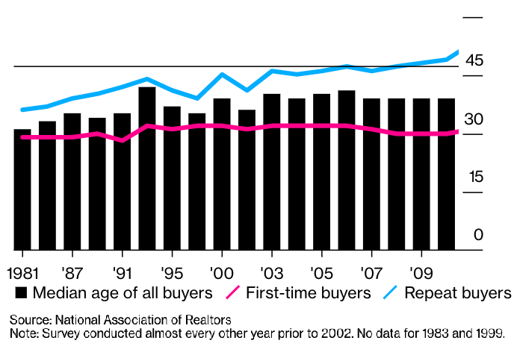

2010 Home Buyer Stats
First-Time Buyer Avg. Age | 30
Repeat Buyer Avg. Age | 49
Median Age of All Buyers | 39

Neighborhood Data Visualization
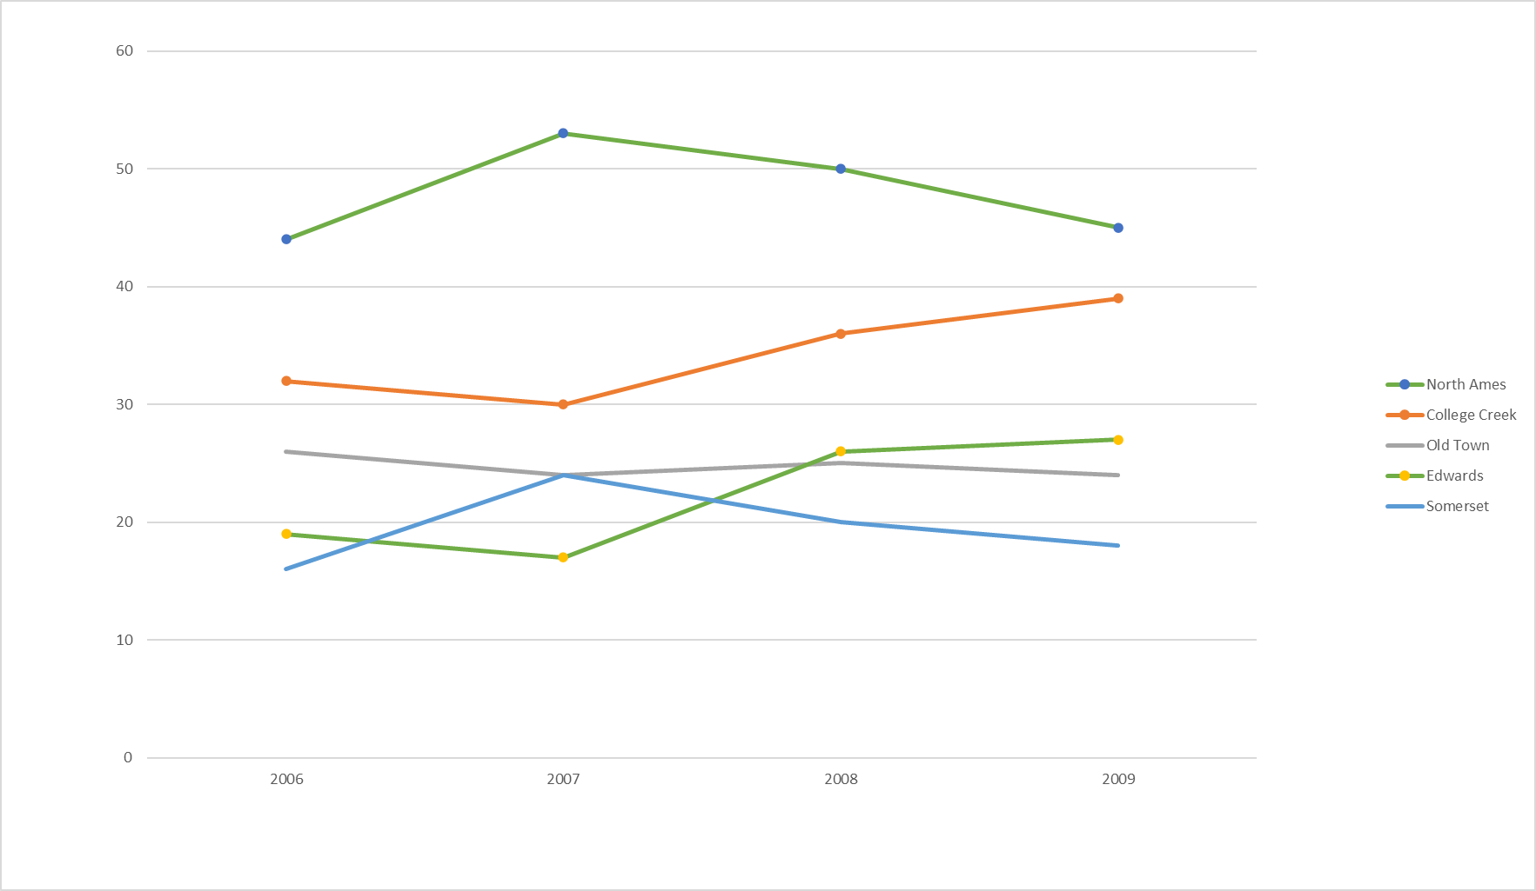
All neighborhoods overall sales 2010 | Top 5 Neighborhoods overall sales 2010
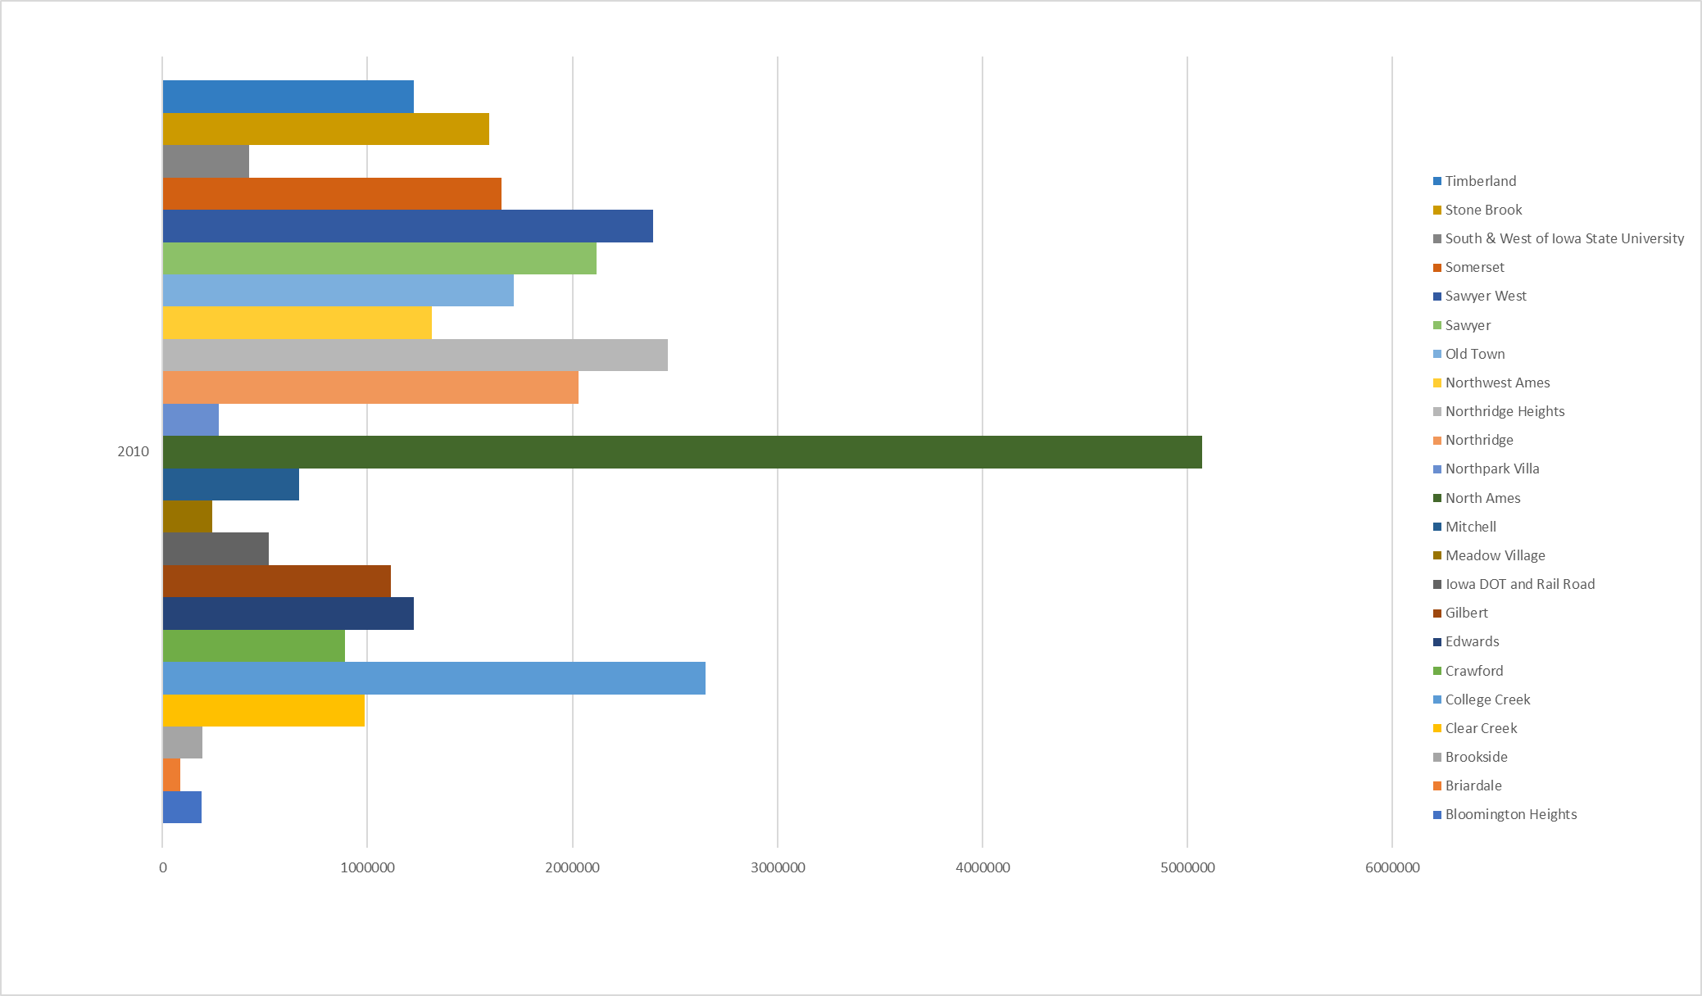
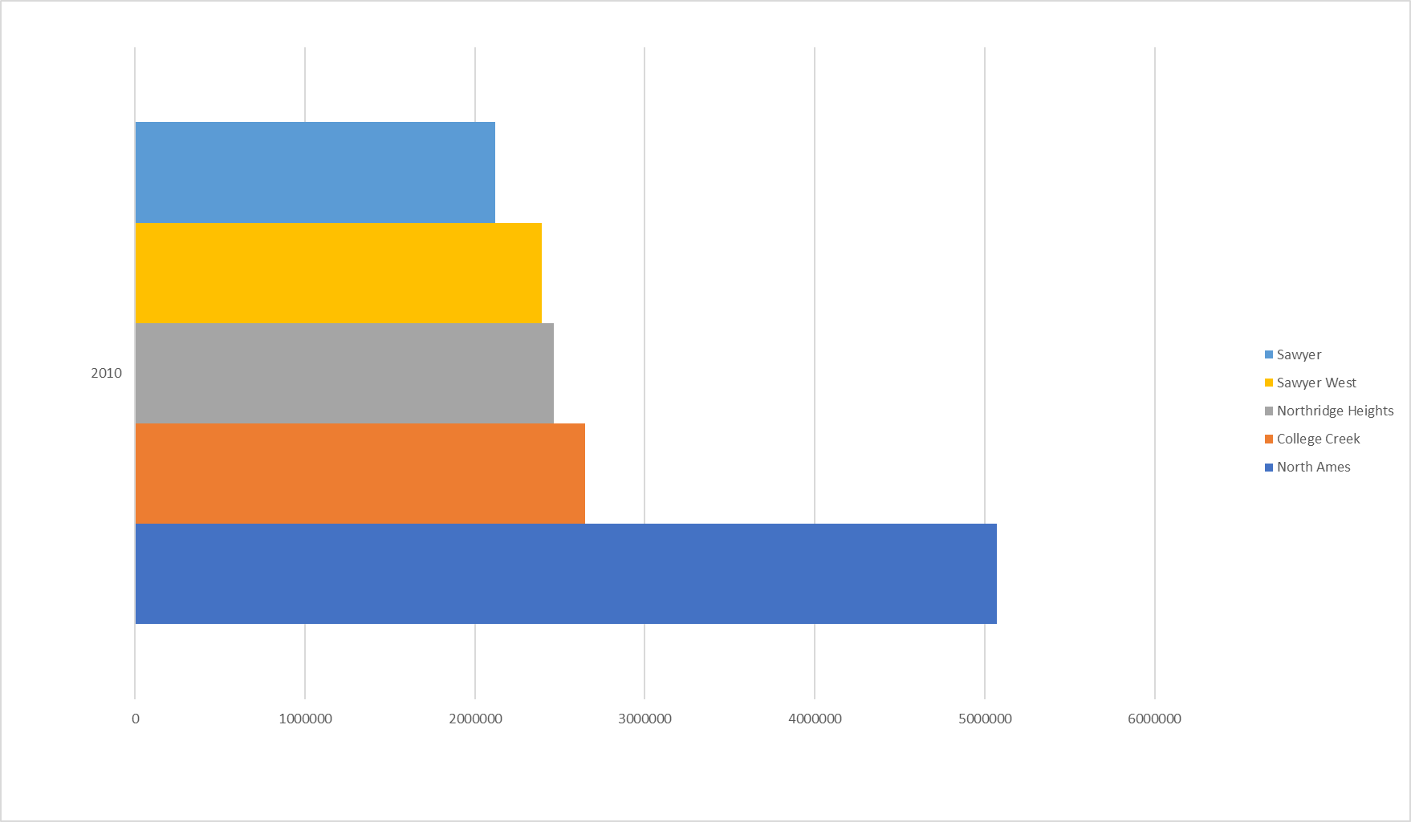

All neighborhoods overall sales 2009 | Top 5 Neighborhoods overall sales 2006-2009
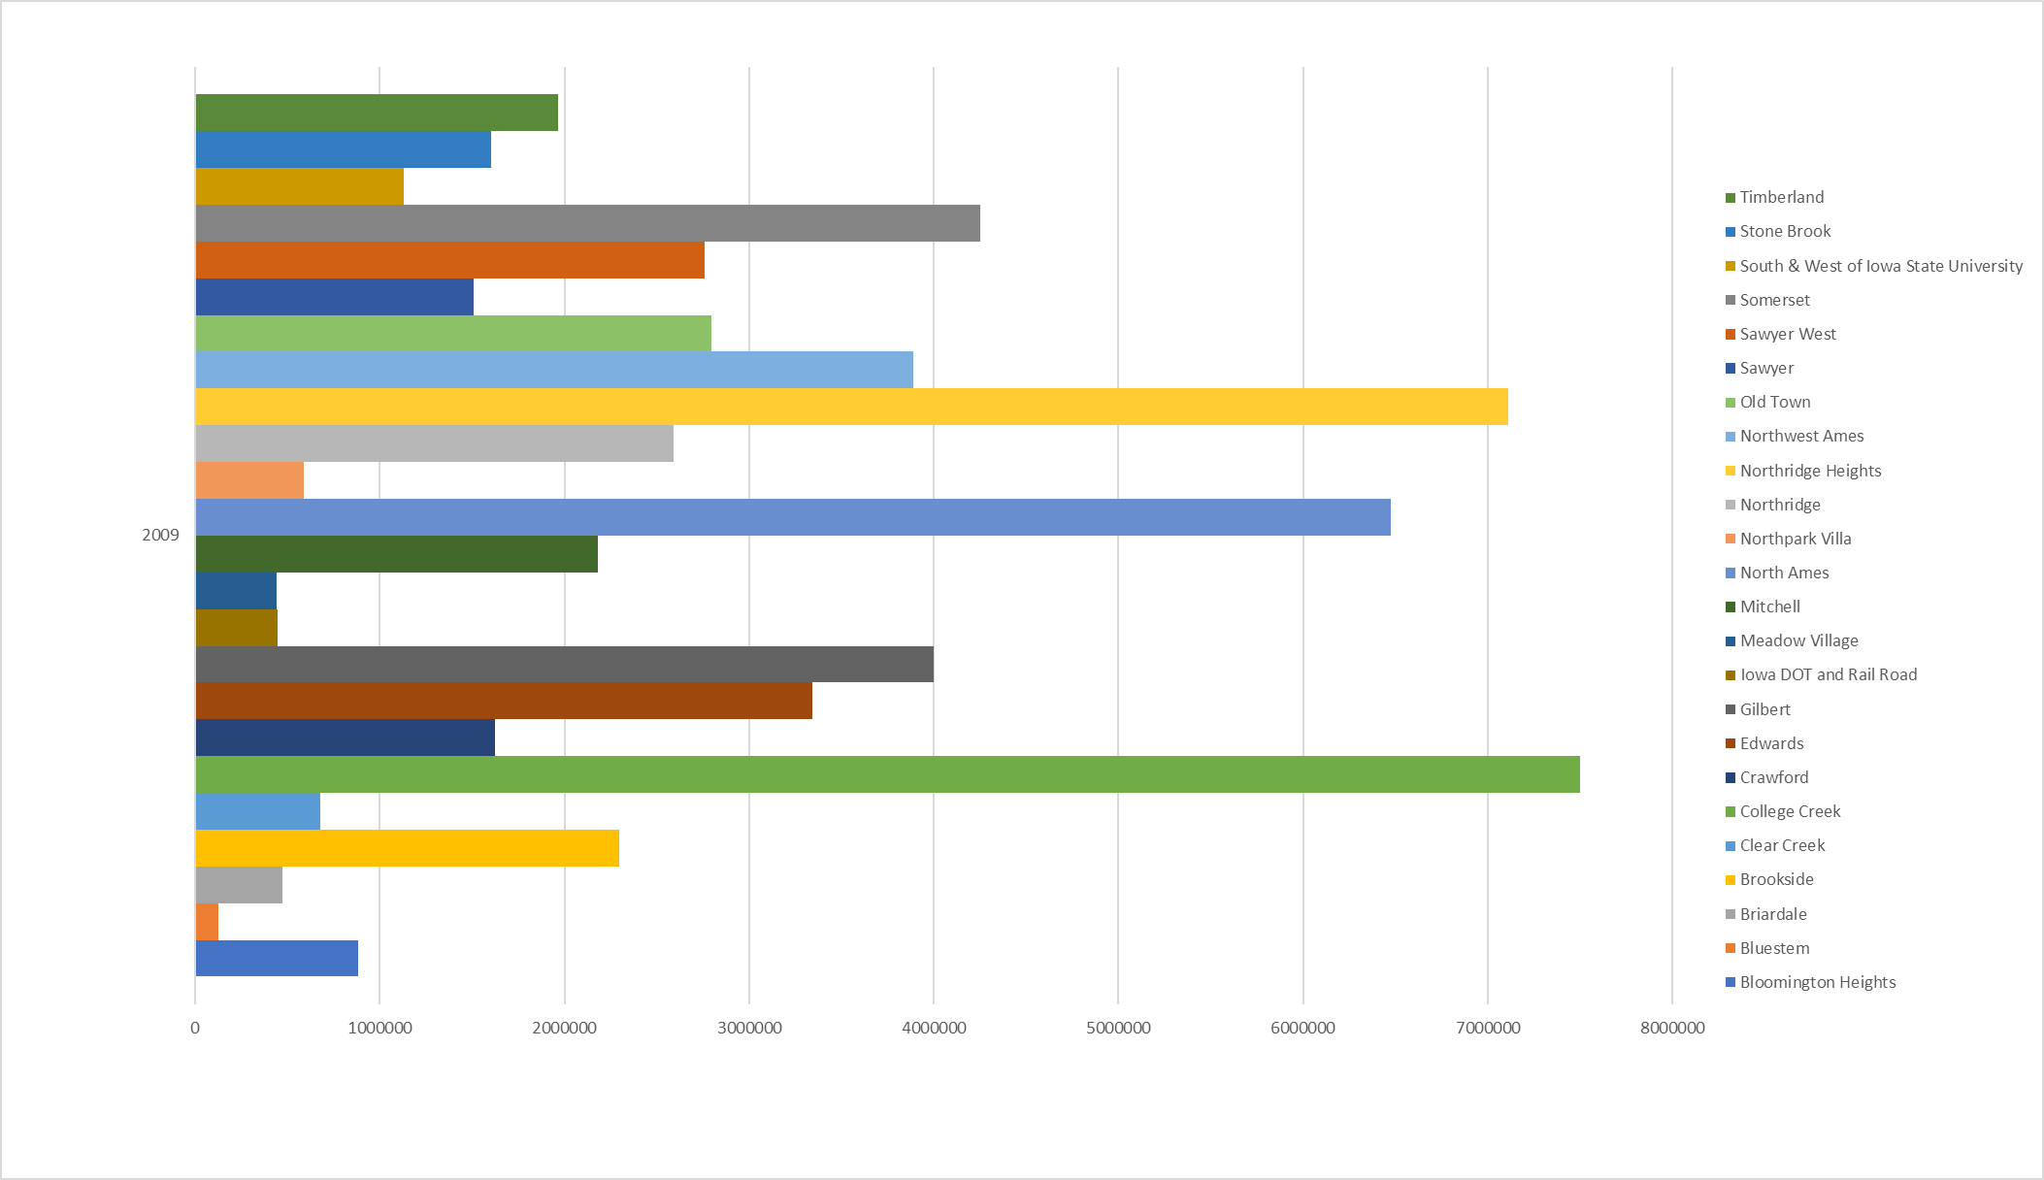
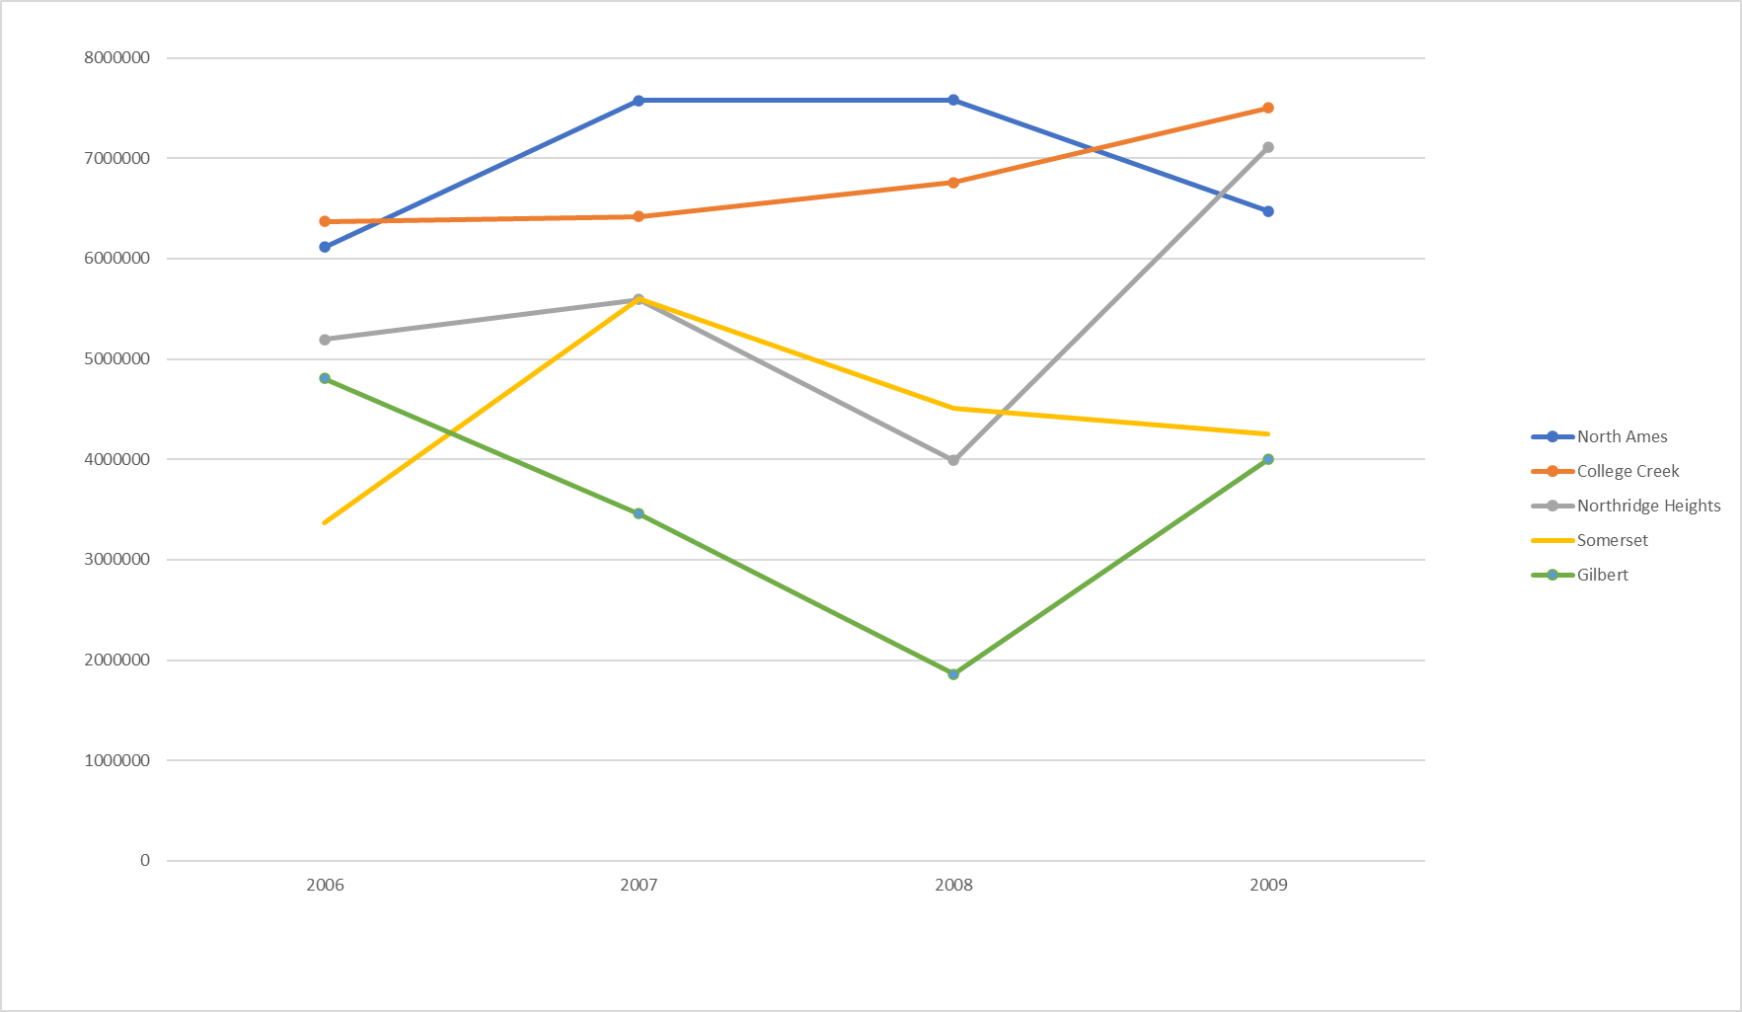

All Neighborhoods overall sales 2008
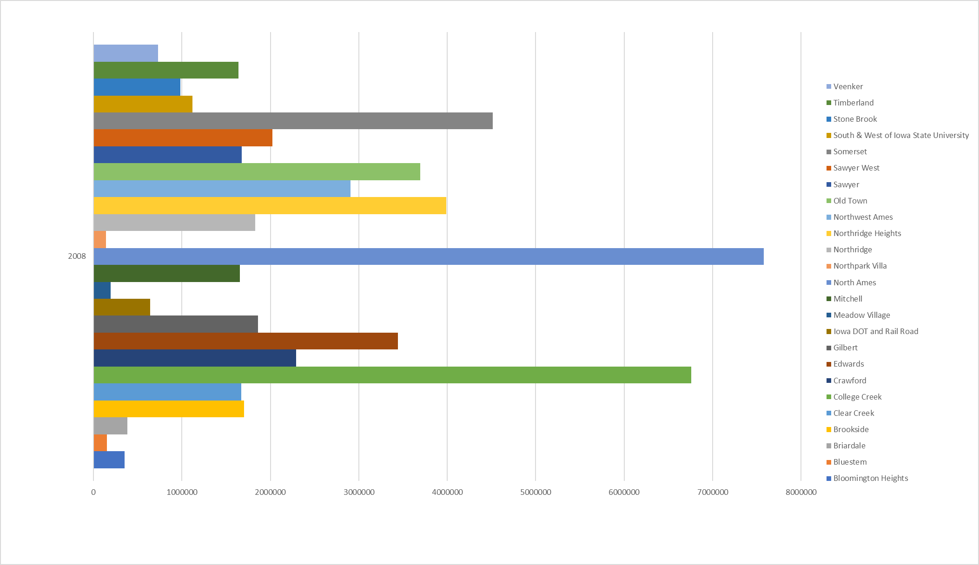

 | Top 5 neighborhoods based on # of properties sold from 2006-2009

Building Type
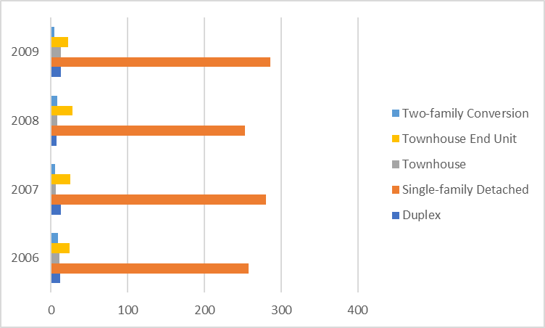
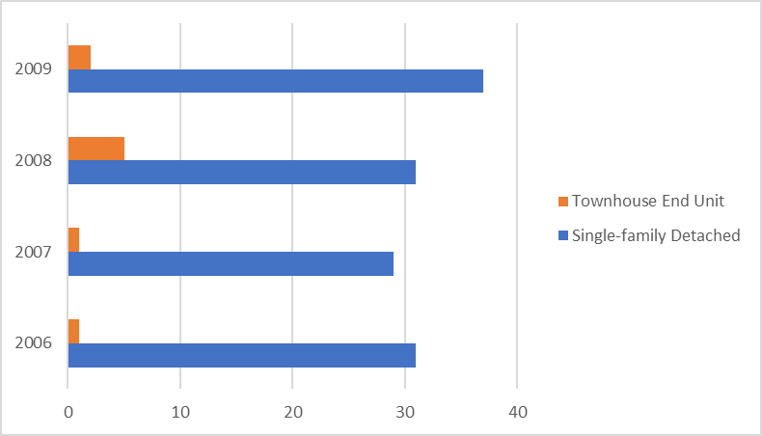

Overall building-type sale distribution | College Creek building-type sale distribution

Building Age
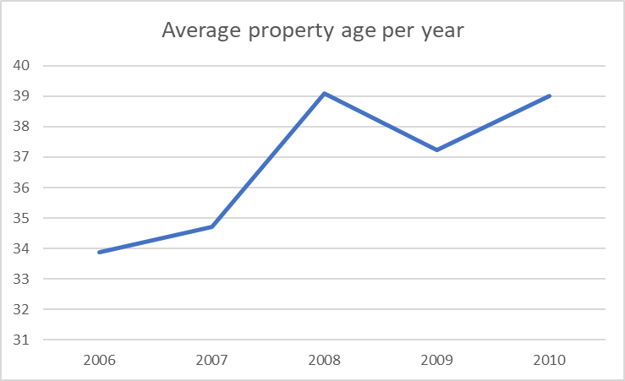
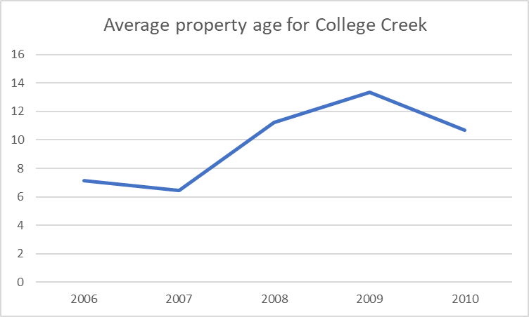

 | 2009 |  |  | 2010
Check out blueprints of 1970s-style homes and you’ll see something that looks quite familiar: | ID | AGE | If under 40 y/o | ID | AGE | If under 40 y/o
a living room that flows into a dining room that’s either open to or closely connected to the kitchen. | 6 | 16 | 1 | 17 | 40 | 0
Architects in the ‘70s were clearly ahead of their time, as this sort of setup is still super popular today. | 8 | 36 | 1 | 25 | 42 | 0
Many of the plans also include huge, floor-to-ceiling windows and French doors that open onto sprawling porches, two features that sell homes to this day. | 20 | 51 | 0 | 27 | 59 | 0
 | 26 | 2 | 1 | 28 | 3 | 1
 | 37 | 15 | 1 | 34 | 51 | 0
 | 38 | 55 | 0 | 39 | 57 | 0
 | 47 | 6 | 1 | 46 | 5 | 1
 | 49 | 89 | 0 | 53 | 47 | 0
 | 57 | 10 | 1 | 64 | 89 | 0
 | 65 | 12 | 1 | 67 | 40 | 0
 | 73 | 11 | 1 | 69 | 65 | 0
 | 76 | 36 | 1 | 74 | 56 | 0
 | 80 | 99 | 0 | 75 | 95 | 0
 | 81 | 41 | 0 | 79 | 42 | 0
 | 85 | 14 | 1 | 99 | 90 | 0
 | 87 | 4 | 1 | 100 | 51 | 0
 | 88 | 0 | 1 | 101 | 33 | 1
 | 89 | 94 | 0 | 102 | 25 | 1
 | 93 | 88 | 0 | 104 | 1 | 1
 | 96 | 16 | 1 | 110 | 33 | 1
 | 103 | 30 | 1 | 112 | 10 | 1
 | 117 | 47 | 0 | 119 | 20 | 1
 | 125 | 30 | 1 | 141 | 39 | 1
 | 132 | 9 | 1 | 143 | 58 | 0
 | 134 | 8 | 1 | 148 | 9 | 1
 | 140 | 12 | 1 | 158 | 1 | 1
 | 144 | 10 | 1 | 159 | 6 | 1
 | 147 | 78 | 0 | 163 | 5 | 1
 | 167 | 54 | 0 | 172 | 50 | 0
 | 179 | 1 | 1 | 201 | 7 | 1
 | 187 | 19 | 1 | 212 | 1 | 1
 | 188 | 93 | 0 | 215 | 33 | 1
 | 189 | 30 | 1 | 229 | 43 | 0
 | 193 | 10 | 1 | 231 | 51 | 0
 | 196 | 33 | 1 | 234 | 34 | 1
 | 199 | 97 | 0 | 235 | 8 | 1
 | 200 | 5 | 1 | 237 | 6 | 1
 | 205 | 62 | 0 | 238 | 17 | 1
 | 206 | 19 | 1 | 240 | 65 | 0
 | 213 | 0 | 1 | 241 | 2 | 1
 | 222 | 7 | 1 | 245 | 16 | 1
 | 224 | 38 | 1 | 251 | 70 | 0
 | 225 | 6 | 1 | 255 | 53 | 0
 | 226 | 38 | 1 | 264 | 81 | 0
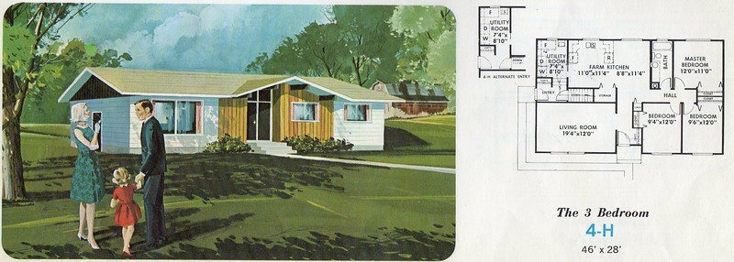
 | 230 | 4 | 1 | 273 | 11 | 1
 | 232 | 14 | 1 | 277 | 7 | 1
 | 244 | 29 | 1 | 278 | 59 | 0
 | 258 | 3 | 1 | 289 | 43 | 0
 | 261 | 47 | 0 | 325 | 43 | 0
 | 274 | 51 | 0 | 341 | 8 | 1
 | 276 | 84 | 0 | 345 | 34 | 1
 | 283 | 2 | 1 | 354 | 82 | 0
 | 284 | 1 | 1 | 369 | 56 | 0
 | 293 | 60 | 0 | 370 | 51 | 0
 | 295 | 56 | 0 | 373 | 26 | 1
 | 300 | 59 | 0 | 379 | 0 | 1
 | 309 | 69 | 0 | 381 | 86 | 0
 | 312 | 61 | 0 | 386 | 6 | 1
 | 314 | 44 | 0 | 396 | 54 | 0
 | 316 | 5 | 1 | 413 | 1 | 1
 | 317 | 29 | 1 | 414 | 83 | 0
 | 319 | 16 | 1 | 420 | 42 | 0
 | 320 | 29 | 1 | 447 | 44 | 0
 | 329 | 93 | 0 | 471 | 25 | 1
 | 330 | 89 | 0 | 504 | 51 | 0
 | 333 | 6 | 1 | 533 | 55 | 0
 | 340 | 51 | 0 | 540 | 9 | 1
 | 342 | 59 | 0 | 561 | 53 | 0
 | 348 | 49 | 0 | 566 | 95 | 0
 | 357 | 17 | 1 | 568 | 6 | 1
 | 363 | 6 | 1 | 604 | 6 | 1
 | 364 | 37 | 1 | 615 | 38 | 1
 | 366 | 89 | 0 | 616 | 47 | 0
 | 367 | 46 | 0 | 626 | 48 | 0
 | 374 | 56 | 0 | 628 | 55 | 0
 | 376 | 87 | 0 | 635 | 30 | 1
 | 380 | 9 | 1 | 649 | 44 | 0
 | 384 | 81 | 0 | 656 | 39 | 1
 | 388 | 33 | 1 | 659 | 62 | 0
 | 392 | 8 | 1 | 681 | 30 | 1
 | 397 | 37 | 1 | 685 | 12 | 1
 | 400 | 3 | 1 | 699 | 45 | 0
 | 406 | 33 | 1 | 704 | 110 | 0
 | 411 | 51 | 0 | 705 | 6 | 1
 | 422 | 32 | 1 | 706 | 80 | 0
 | 426 | 63 | 0 | 712 | 110 | 0
 | 427 | 20 | 1 | 715 | 34 | 1
 | 430 | 21 | 1 | 722 | 6 | 1
 | 436 | 13 | 1 | 731 | 15 | 1
 | 438 | 83 | 0 | 749 | 14 | 1
 | 440 | 89 | 0 | 751 | 100 | 0
 | 441 | 1 | 1 | 758 | 32 | 1
 | 446 | 53 | 0 | 763 | 1 | 1
 | 454 | 1 | 1 | 767 | 22 | 1
 | 460 | 59 | 0 | 770 | 7 | 1
 | 461 | 0 | 1 | 773 | 34 | 1
 | 462 | 73 | 0 | 787 | 95 | 0
 | 463 | 44 | 0 | 788 | 6 | 1
 | 465 | 31 | 1 | 796 | 30 | 1
 | 479 | 2 | 1 | 813 | 58 | 0
 | 483 | 94 | 0 | 816 | 12 | 1
 | 486 | 59 | 0 | 819 | 39 | 1
 | 490 | 39 | 1 | 820 | 1 | 1
 | 495 | 71 | 0 | 833 | 7 | 1
 | 496 | 89 | 0 | 836 | 60 | 0
 | 499 | 42 | 0 | 856 | 48 | 0
 | 505 | 35 | 1 | 862 | 45 | 0
 | 506 | 57 | 0 | 863 | 26 | 1
 | 508 | 0 | 1 | 870 | 17 | 1
 | 510 | 50 | 0 | 872 | 12 | 1
 | 511 | 58 | 0 | 879 | 49 | 0
 | 516 | 0 | 1 | 899 | 1 | 1
 | 517 | 37 | 1 | 906 | 56 | 0
 | 518 | 13 | 1 | 911 | 50 | 0
 | 520 | 83 | 0 | 940 | 70 | 0
 | 541 | 3 | 1 | 950 | 38 | 1
 | 543 | 11 | 1 | 960 | 11 | 1
 | 550 | 6 | 1 | 961 | 52 | 0
 | 553 | 3 | 1 | 965 | 8 | 1
 | 554 | 60 | 0 | 973 | 31 | 1
 | 569 | 26 | 1 | 988 | 1 | 1
 | 573 | 0 | 1 | 1000 | 4 | 1
 | 577 | 81 | 0 | 1012 | 45 | 0
 | 582 | 1 | 1 | 1027 | 50 | 0
 | 585 | 74 | 0 | 1050 | 64 | 0
 | 588 | 27 | 1 | 1054 | 53 | 0
 | 589 | 41 | 0 | 1061 | 9 | 1
 | 592 | 1 | 1 | 1066 | 14 | 1
 | 594 | 6 | 1 | 1082 | 47 | 0
 | 606 | 44 | 0 | 1086 | 18 | 1
 | 607 | 13 | 1 | 1087 | 37 | 1
 | 611 | 9 | 1 | 1095 | 54 | 0
 | 613 | 8 | 1 | 1106 | 16 | 1
 | 623 | 32 | 1 | 1138 | 135 | 0
 | 633 | 32 | 1 | 1145 | 69 | 0
 | 637 | 73 | 0 | 1161 | 32 | 1
 | 638 | 55 | 0 | 1167 | 2 | 1
 | 643 | 37 | 1 | 1190 | 11 | 1
 | 645 | 0 | 1 | 1195 | 41 | 0
 | 652 | 69 | 0 | 1211 | 18 | 1
 | 653 | 13 | 1 | 1212 | 22 | 1
 | 660 | 45 | 0 | 1217 | 32 | 1
 | 662 | 15 | 1 | 1234 | 51 | 0
 | 663 | 41 | 0 | 1237 | 7 | 1
 | 671 | 4 | 1 | 1243 | 36 | 1
 | 672 | 84 | 0 | 1248 | 34 | 1
 | 676 | 31 | 1 | 1251 | 42 | 0
 | 678 | 85 | 0 | 1268 | 2 | 1
 | 679 | 1 | 1 | 1271 | 31 | 1
 | 682 | 77 | 0 | 1280 | 90 | 0
 | 695 | 73 | 0 | 1284 | 39 | 1
 | 708 | 3 | 1 | 1285 | 91 | 0
 | 716 | 35 | 1 | 1287 | 47 | 0
 | 723 | 39 | 1 | 1291 | 46 | 0
 | 725 | 2 | 1 | 1300 | 51 | 0
 | 726 | 39 | 1 | 1311 | 51 | 0
 | 727 | 21 | 1 | 1314 | 11 | 1
 | 728 | 2 | 1 | 1323 | 18 | 1
 | 729 | 51 | 0 | 1354 | 15 | 1
 | 730 | 84 | 0 | 1358 | 39 | 1
 | 734 | 48 | 0 | 1359 | 10 | 1
 | 739 | 22 | 1 | 1366 | 10 | 1
 | 740 | 5 | 1 | 1370 | 7 | 1
 | 744 | 46 | 0 | 1381 | 96 | 0
 | 747 | 9 | 1 | 1386 | 88 | 0
 | 748 | 129 | 0 | 1397 | 62 | 0
 | 750 | 64 | 0 | 1409 | 100 | 0
 | 755 | 40 | 0 | 1417 | 125 | 0
 | 756 | 10 | 1 | 1422 | 33 | 1
 | 757 | 2 | 1 | 1429 | 70 | 0
 | 761 | 50 | 0 | 1439 | 53 | 0
 | 762 | 85 | 0 | 1447 | 48 | 0
 | 764 | 10 | 1 | 1457 | 32 | 1
 | 771 | 27 | 1 | 1458 | 69 | 0
 | 776 | 11 | 1 | 1459 | 60 | 0
 | 783 | 8 | 1
 | 784 | 31 | 1
 | 786 | 42 | 0
 | 791 | 4 | 1
 | 799 | 1 | 1
 | 804 | 1 | 1
 | 808 | 86 | 0
 | 810 | 111 | 0
 | 822 | 56 | 0
 | 824 | 69 | 0
 | 828 | 8 | 1
 | 829 | 42 | 0
 | 834 | 45 | 0
 | 847 | 16 | 1
 | 848 | 37 | 1
 | 854 | 45 | 0
 | 858 | 15 | 1
 | 859 | 33 | 1
 | 864 | 50 | 0
 | 866 | 39 | 1
 | 871 | 47 | 0
 | 874 | 60 | 0
 | 875 | 68 | 0
 | 878 | 5 | 1
 | 880 | 31 | 1
 | 883 | 17 | 1
 | 885 | 42 | 0
 | 890 | 56 | 0
 | 892 | 31 | 1
 | 895 | 30 | 1
 | 898 | 30 | 1
 | 902 | 52 | 0
 | 910 | 4 | 1
 | 912 | 32 | 1
 | 915 | 0 | 1
 | 918 | 53 | 0
 | 929 | 8 | 1
 | 931 | 2 | 1
 | 932 | 44 | 0
 | 934 | 5 | 1
 | 937 | 6 | 1
 | 938 | 4 | 1
 | 942 | 10 | 1
 | 945 | 51 | 0
 | 946 | 119 | 0
 | 953 | 37 | 1
 | 957 | 29 | 1
 | 964 | 2 | 1
 | 967 | 69 | 0
 | 969 | 99 | 0
 | 972 | 6 | 1
 | 975 | 99 | 0
 | 980 | 46 | 0
 | 982 | 11 | 1
 | 985 | 32 | 1
 | 992 | 127 | 0
 | 995 | 3 | 1
 | 998 | 39 | 1
 | 1001 | 57 | 0
 | 1005 | 4 | 1
 | 1008 | 39 | 1
 | 1009 | 5 | 1
 | 1014 | 99 | 0
 | 1016 | 8 | 1
 | 1017 | 13 | 1
 | 1018 | 25 | 1
 | 1032 | 89 | 0
 | 1036 | 52 | 0
 | 1037 | 2 | 1
 | 1039 | 39 | 1
 | 1040 | 39 | 1
 | 1043 | 4 | 1
 | 1045 | 28 | 1
 | 1046 | 54 | 0
 | 1049 | 49 | 0
 | 1058 | 15 | 1
 | 1059 | 1 | 1
 | 1065 | 43 | 0
 | 1067 | 16 | 1
 | 1072 | 41 | 0
 | 1074 | 32 | 1
 | 1088 | 4 | 1
 | 1091 | 59 | 0
 | 1099 | 73 | 0
 | 1100 | 31 | 1
 | 1101 | 89 | 0
 | 1110 | 5 | 1
 | 1117 | 7 | 1
 | 1123 | 53 | 0
 | 1124 | 62 | 0
 | 1126 | 54 | 0
 | 1127 | 2 | 1
 | 1131 | 81 | 0
 | 1134 | 14 | 1
 | 1139 | 32 | 1
 | 1142 | 33 | 1
 | 1148 | 68 | 0
 | 1150 | 89 | 0
 | 1158 | 2 | 1
 | 1166 | 0 | 1
 | 1178 | 83 | 0
 | 1179 | 88 | 0
 | 1187 | 109 | 0
 | 1189 | 7 | 1
 | 1194 | 10 | 1
 | 1199 | 8 | 1
 | 1202 | 11 | 1
 | 1203 | 84 | 0
 | 1204 | 9 | 1
 | 1206 | 19 | 1
 | 1213 | 68 | 0
 | 1218 | 0 | 1
 | 1253 | 41 | 0
 | 1258 | 87 | 0
 | 1261 | 10 | 1
 | 1262 | 53 | 0
 | 1263 | 52 | 0
 | 1272 | 41 | 0
 | 1277 | 37 | 1
 | 1278 | 42 | 0
 | 1281 | 7 | 1
 | 1283 | 32 | 1
 | 1286 | 70 | 0
 | 1289 | 9 | 1
 | 1292 | 37 | 1
 | 1293 | 117 | 0
 | 1301 | 10 | 1
 | 1302 | 67 | 0
 | 1306 | 3 | 1
 | 1308 | 15 | 1
...

