Sheet1
855828.37466 | 738701.41608
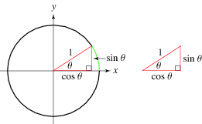

-1
1
0.99756405026
35.912305809
0.087694190646
855828.46235 | 738703.92731

