Cover


Typ dokumentu | Plik z danymi roku bazowego

Cel powstania | Wprowadzenie topologii i danych dla sektora przemysłu

Data powstania | 2023-09-04

Ostatnia aktualizacja | 2023-12-29

Autor(zy) | Artur Wyrwa
 | Maciej Raczyński

Osoba kontaktowa | Artur Wyrwa
 | awyrwa@agh.edu.pl

STEEL
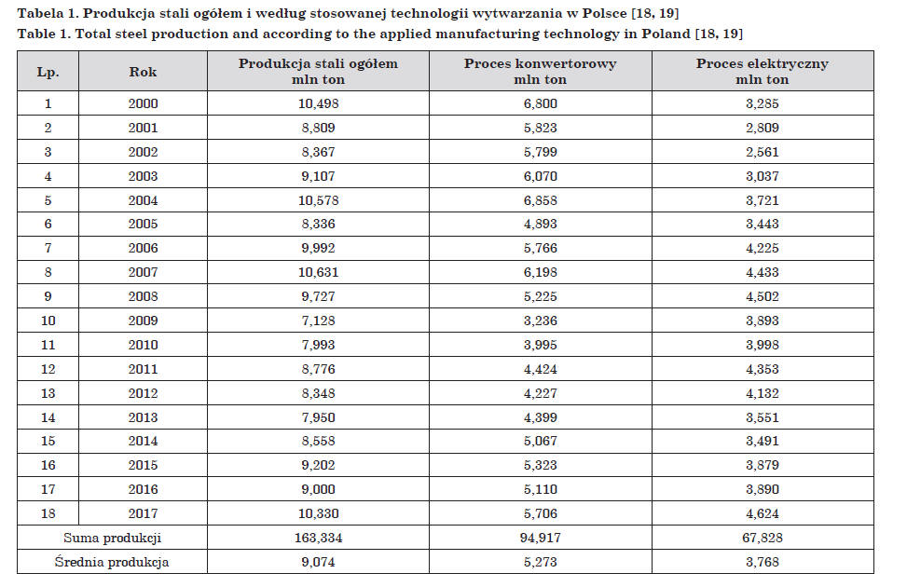
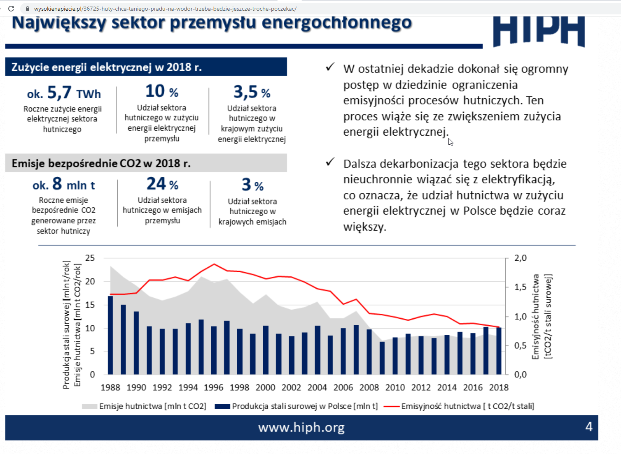
 |  |  |  |  | ~FI_T:PL
TechName | *TechDesc | Comm-IN-A | Comm-IN | Comm-OUT-A | Comm-OUT | EFF | Input | Output | Stock | AFA | FIXOM | VAROM | Life | CAP2ACT | Share-I | ACT_BND~FX~2030 | ACT_BND~FX~2035 | ACT_BND~FX~2040 | ACT_BND~FX~2045 | ACT_BND~FX~2050
*Technology Name | Technology Description | Auxiliary Input Commodity | Input Commodity | Auxiliary Output Commodity | Output Commodity | Efficiency | Fuel input level | Fuel Output level | Existing Installed Capacity | Annual Availability Factor | Fixed O&M Cost | Variable O&M Cost | Lifetime of Process | Capacity to Activity Factor | Input Share | Annual Availability Factor
IND_STEEL_SP | Proces spiekania |  | IND_STEEL_IRON_ORE |  |  |  | 0.892
 |  |  | IND_ELC |  |  |  | 0.16
 |  |  | IND_COKE |  |  |  | 1.74
 |  |  | IND_STEEL_MELTERS |  |  |  | 0.18
 |  |  | IND_NAT_GAS |  |  |  | 0.28
 |  |  |  |  | IND_STEEL_SINTER |  |  | 1
 |  |  |  |  | IND_STEEL_CO2 |  |  | 247
IND_STEEL_BF | Proces wielkopiecowy |  | IND_STEEL_SINTER |  |  |  | 1.627 |  |  |  |  | 71.98
 |  |  | IND_ELC |  |  |  | 0.18
 |  |  | IND_COKE |  |  |  | 10.23
 |  |  | IND_STEEL_MELTERS |  |  |  | 0.0007
 |  |  | IND_STEEL_GAS_FURNACE |  |  |  | 2.38
 |  |  | IND_HC_COKE |  |  |  | 2.2425
 |  |  | IND_STEEL_OXY |  |  |  | 0.04
 |  |  |  |  | IND_STEEL_PIG_IRON |  |  | 1
 |  |  |  |  | IND_STEEL_CO2 |  |  | 1362
IND_STEEL_CONV | Proces_konwertorowy |  | IND_STEEL_PIG_IRON |  |  |  | 0.9 |  |  |  |  | 167.44
 |  |  | IND_STEEL_SCRAP |  |  |  | 0.245
 |  |  | IND_STEEL_OXY |  |  |  | 0.084
 |  |  | IND_ELC |  |  |  | 0.3000
 |  |  | IND_STEEL_MELTERS |  |  |  | 0.175
 |  |  |  |  | IND_STEEL_RAW_STEEL_CONV |  |  | 1
 |  |  |  |  | IND_STEEL_CO2 |  |  | 113
IND_STEEL_EAF | Piec elektryczny |  | IND_STEEL_SCRAP |  |  |  | 1.113 |  |  |  |  | 154.92 |  |  |  | 1 | 1 | 1 | 1 | 1
 |  |  | IND_NAT_GAS |  |  |  | 0.44
 |  |  | IND_STEEL_OXY |  |  |  | 0.6
 |  |  | IND_ELC |  |  |  | 1.83
 |  |  |  |  | IND_STEEL_RAW_STEEL_ELC |  |  | 1
 |  |  |  |  | IND_STEEL_CO2 |  |  | 352

~FI_T:PL
CommName | DEMAND~2010 | DEMAND~2011 | DEMAND~2012 | DEMAND~2013 | DEMAND~2014 | DEMAND~2015 | DEMAND~2016 | DEMAND~2017 | DEMAND~2018 | DEMAND~2019 | DEMAND~2020 | DEMAND~2021 | DEMAND~2022 | DEMAND~2023 | DEMAND~2024 | DEMAND~2025 | DEMAND~2026 | DEMAND~2027 | DEMAND~2028 | DEMAND~2029 | DEMAND~2030 | DEMAND~2031 | DEMAND~2032 | DEMAND~2033 | DEMAND~2034 | DEMAND~2035 | DEMAND~2036 | DEMAND~2037 | DEMAND~2038 | DEMAND~2039 | DEMAND~2040 | DEMAND~2041 | DEMAND~2042 | DEMAND~2043 | DEMAND~2044 | DEMAND~2045 | DEMAND~2046 | DEMAND~2047 | DEMAND~2048 | DEMAND~2049 | DEMAND~2050
*Demand Commodity Name | Demand Value
IND_STEEL_RAW_STEEL_CONV | 3.995 | 4.424 | 4.227 | 4.399 | 5.067 | 5.323 | 5.11 | 5.706 | 5.4 | 4.9 | 3.9 | 4.0 | 4.0 | 4.0 | 4.1 | 3.7 | 3.7 | 3.8 | 3.8 | 3.8 | 3.4 | 3.4 | 3.5 | 3.5 | 3.5 | 0.0 | 0.0 | 0.0 | 0.0 | 0.0 | 0.0 | 0.0 | 0.0 | 0.0 | 0.0 | 0.0 | 0.0 | 0.0 | 0.0 | 0.0 | 0.0
IND_STEEL_RAW_STEEL_ELC | 3.998 | 4.353 | 4.132 | 3.551 | 3.491 | 3.879 | 3.89 | 4.624 | 4.9 | 4.2 | 4 | 4.0 | 4.0 | 4.0 | 4.1 | 4.5 | 4.5 | 4.5 | 4.5 | 4.5 | 4.5 | 4.5 | 4.5 | 4.5 | 4.5 | 8.5 | 8.5 | 8.5 | 8.5 | 8.5 | 8.5 | 8.5 | 8.5 | 8.5 | 8.5 | 8.5 | 8.5 | 8.5 | 8.5 | 8.5 | 8.5

 |  |  |  |  |  |  |  |  |  |  | 7.9 | 7.9632 | 8.0269056 | 8.0911208448 | 8.1558498116 | 8.2210966101 | 8.2868653829 | 8.353160306 | 8.4199855884 | 8.4873454732 | 8.5552442369 | 8.6236861908 | 8.6926756804 | 8.7622170858 | 8.8323148225 | 8.9029733411 | 8.9741971278 | 9.0459907048 | 9.1183586305 | 9.1913054995 | 9.2648359435 | 9.338954631 | 9.4136662681 | 9.4889755982 | 9.564887403 | 9.6414065022 | 9.7185377543 | 9.7962860563 | 9.8746563447 | 9.9536535955 | 10.033282824
 |  |  |  |  |  |  |  |  |  |  |  | 0.80%
 |  |  |  |  |  |  |  |  |  |  |  | 0.5 | 0.5 | 0.5 | 0.5 | 0.45 | 0.45 | 0.45 | 0.45 | 0.45 | 0.4 | 0.4 | 0.4 | 0.4 | 0.4 | 0.3 | 0.3 | 0.3 | 0.3 | 0.25 | 0.25 | 0.25 | 0.25 | 0.25 | 0.25 | 0.2 | 0.2 | 0.2 | 0.2 | 0.2 | 0.2
 |  |  |  |  |  |  |  |  |  |  |  | 0.5 | 0.5 | 0.5 | 0.5 | 0.55 | 0.55 | 0.55 | 0.55 | 0.55 | 0.6 | 0.6 | 0.6 | 0.6 | 0.6 | 0.7 | 0.7 | 0.7 | 0.7 | 0.75 | 0.75 | 0.75 | 0.75 | 0.75 | 0.75 | 0.8 | 0.8 | 0.8 | 0.8 | 0.8 | 0.8

 | 7.993 | 8.777 | 8.359 | 7.95 | 8.558 | 9.202 | 9 | 10.33 | 10.3 | 9.1 | 7.9 | 7.9632 | 8.0269056 | 8.0911208448 | 8.1558498116 | 8.1994934745 | 8.2290894223 | 8.2589221377 | 8.2889935148 | 8.3193054629 | 7.9220976948 | 7.9494744763 | 7.9770702721 | 8.0048868343 | 8.032925929 | 8.5 | 8.5 | 8.5 | 8.5 | 8.5 | 8.5 | 8.5 | 8.5 | 8.5 | 8.5 | 8.5 | 8.5 | 8.5 | 8.5 | 8.5 | 8.5

2001 | 2002 | 2003 | 2004 | 2005 | 2006 | 2007 | 2008 | 2009 | 2010 | 2011 | 2012 | 2013 | 2014 | 2015 | 2016 | 2017 | 2018 | 2019 | 2020 | 2021
5.823 | 5.799 | 6.07 | 6.858 | 4.893 | 5.766 | 6.198 | 5.225 | 3.236 | 3.995 | 4.424 | 4.227 | 4.399 | 5.067 | 5.323 | 5.11 | 5.706 | 5.4 | 4.9 | 3.9 | 4.1
2.809 | 2.561 | 3.037 | 3.721 | 3.443 | 4.225 | 4.433 | 4.502 | 3.893 | 3.998 | 4.353 | 4.132 | 3.551 | 3.491 | 3.879 | 3.89 | 4.624 | 4.9 | 4.2 | 4 | 4.4

 |  |  |  |  |  |  |  |  |  |  |  |  |  |  |  |  |  |  |  |  |  |  |  |  |  | 2025 | 2030 | 2035 | 2040 | 2045 | 2050
 |  |  |  |  |  |  |  |  |  |  |  |  |  |  |  |  |  |  |  |  |  |  |  |  | BF+BOF | 3.7 | 3.4 | 0.0 | 0.0 | 0.0 | 0.0
 |  |  |  |  |  |  |  |  |  |  |  |  |  |  |  |  |  |  |  |  |  |  |  |  | EAF | 4.5 | 4.5 | 8.5 | 8.5 | 8.5 | 8.5

