Sheet1
Time | CUN | PAV | PDC | PMR | TLM | km2
40179 | 0 | 0 | 0 | 0 | 0
40210 | 0 | 0 | 0 | 0 | 0
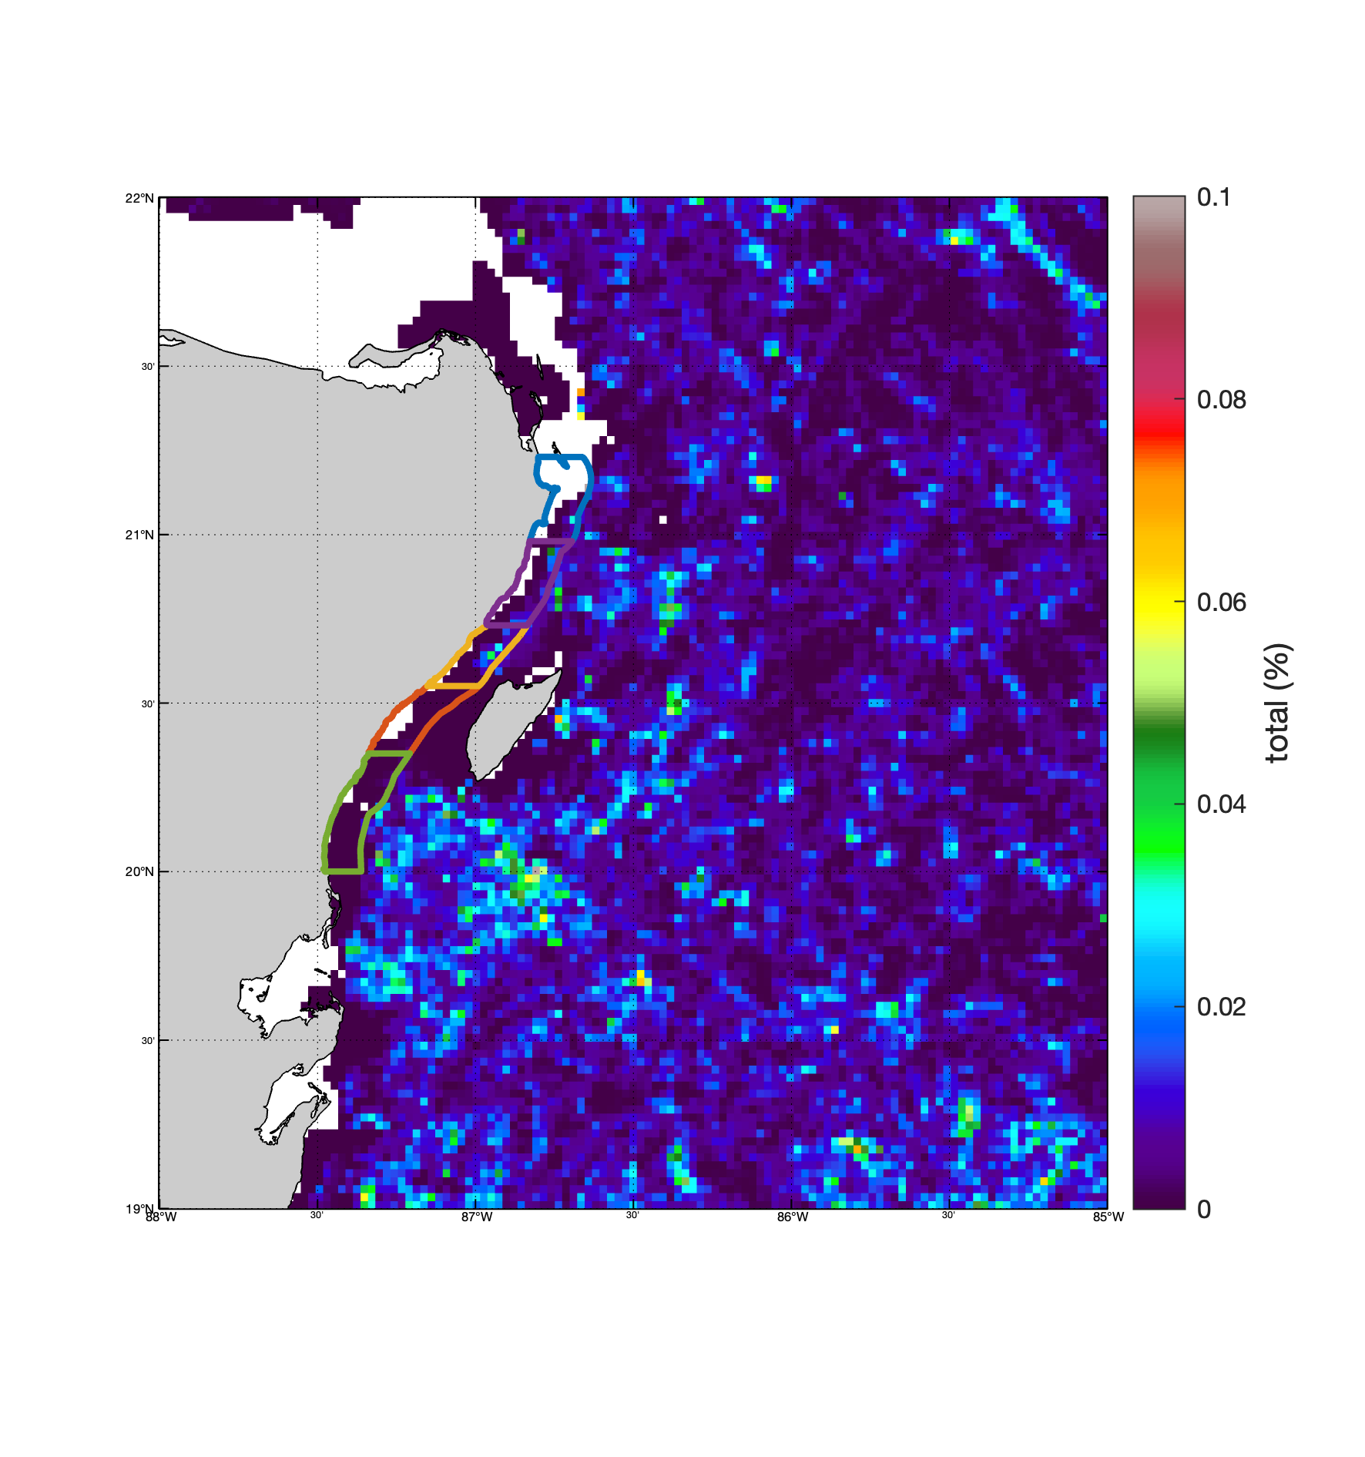
40238 | 0 | 0 | 0 | 0 | 0
40269 | 0 | 0 | 0 | 0 | 0
white color presents "none-observation"
40299 | 0 | 0 | 0 | 0 | 0
40330 | 0 | 0 | 0 | 0 | 0
40360 | 0 | 0 | 0 | 0 | 0
40391 | 0 | 0 | 0 | 0 | 0
40422 | 0 | 0 | 0 | 0 | 0
40452 | 0 | 0 | 0 | 0 | 0
CUN
PAV
PDC
PMR
TLM
40483 | 0 | 0 | 0 | 0 | 0
40513 | 0 | 0 | 0 | 0 | 0
40544 | 0 | 0 | 0 | 0 | 0
40575 | 0 | 0 | 0 | 0 | 0
40603 | 0 | 0 | 0 | 0 | 0
40634 | 0 | 0 | 0 | 0 | 0
40664 | 0 | 0 | 0 | 0 | 0
40695 | 0 | 0 | 0 | 0 | 0
40725 | 0 | 0 | 0 | 0 | 0
40756 | 0 | 0 | 0 | 0 | 0
40787 | 0 | 0 | 0 | 0 | 0
40817 | 0 | 0 | 0 | 0 | 0
40848 | 0 | 0 | 0 | 0 | 0
40878 | 0 | 0 | 0 | 0 | 0
40909 | 0 | 0 | 0 | 0 | 0
40940 | 0 | 0 | 0 | 0 | 0
40969 | 0 | 0 | 0 | 0 | 0
41000 | 0 | 0 | 0 | 0 | 0
41030 | 0 | 0 | 0 | 0 | 0
41061 | 0 | 0 | 0 | 0 | 0
41091 | 0 | 0 | 0 | 0 | 0
41122 | 0 | 0 | 0 | 0 | 0
41153 | 0 | 0 | 0 | 0 | 0
41183 | 0 | 0 | 0 | 0 | 0
41214 | 0 | 0 | 0 | 0 | 0
41244 | 0 | 0 | 0 | 0 | 0
41275 | 0 | 0 | 0 | 0 | 0
41306 | 0 | 0 | 0 | 0 | 0
41334 | 0 | 0 | 0 | 0 | 0
41365 | 0 | 0 | 0 | 0 | 0
41395 | 0 | 0 | 0 | 0 | 0
41426 | 0 | 0 | 0 | 0 | 0
41456 | 0 | 0 | 0 | 0 | 0
41487 | 0 | 0 | 0 | 0 | 0
41518 | 0 | 0 | 0 | 0 | 0
41548 | 0 | 0 | 0 | 0 | 0
41579 | 0 | 0 | 0 | 0 | 0
41609 | 0 | 0 | 0 | 0 | 0
41640 | 0 | 0 | 0 | 0 | 0
41671 | 0 | 0 | 0 | 0 | 0
41699 | 0 | 0 | 0 | 0 | 0
41730 | 0 | 0.00013210041313 | 0 | 0 | 0.00060048170313
41760 | 0 | 0 | 0 | 0 | 0
41791 | 0 | 0 | 0 | 0 | 0
41821 | 0 | 0 | 0 | 0 | 0
41852 | 0 | 0 | 0 | 0 | 0
41883 | 0 | 0 | 0 | 0 | 0
41913 | 0 | 0 | 0 | 0 | 0
41944 | 0 | 0 | 0 | 0 | 0
41974 | 0 | 0 | 0 | 0 | 0
42005 | 3.52E-05 | 0 | 0 | 0 | 0
42036 | 0 | 0 | 0 | 0 | 0
42064 | 0 | 0 | 0 | 0 | 0.00013493156853
42095 | 0 | 0 | 0 | 0 | 0
42125 | 0 | 0 | 0 | 0 | 0
42156 | 0 | 0 | 0 | 0 | 0
42186 | 0 | 0 | 0 | 0 | 0
42217 | 0.00075049216515 | 0 | 0 | 0 | 0
42248 | 0 | 0 | 0 | 0 | 0
42278 | 0 | 0 | 0 | 0 | 0
42309 | 0 | 0 | 0 | 0 | 0
42339 | 0 | 0 | 0 | 0 | 0
42370 | 0 | 0 | 0 | 0 | 0
42401 | 0 | 0 | 0 | 0 | 0
42430 | 0 | 0 | 0 | 0 | 0
42461 | 0 | 0 | 0 | 0 | 0
42491 | 0 | 0 | 0 | 0 | 0
42522 | 0 | 0 | 0 | 0 | 0
42552 | 0 | 0 | 0 | 0 | 0
42583 | 0 | 0 | 0 | 0 | 0
42614 | 0 | 0 | 0 | 0 | 0
42644 | 0 | 0 | 0 | 0 | 0
42675 | 0 | 0 | 0 | 0 | 0
42705 | 0 | 0 | 0 | 0 | 0
42736 | 0 | 0 | 0 | 0 | 0
42767 | 0 | 0 | 0 | 0 | 0
42795 | 0 | 0 | 0 | 0 | 0
42826 | 0 | 0 | 0 | 0 | 0
42856 | 0 | 0 | 0 | 0 | 0
42887 | 0 | 0 | 0 | 0 | 0
42917 | 0 | 0 | 0 | 0 | 0
42948 | 0 | 0 | 0 | 0 | 0
42979 | 0 | 0 | 0 | 0 | 0
43009 | 0 | 0 | 0 | 0 | 0
43040 | 0 | 0 | 0 | 0 | 0
43070 | 0 | 0 | 0 | 0 | 0
43101 | 0 | 0 | 0 | 0 | 0
43132 | 0 | 0 | 0 | 0 | 0
43160 | 0 | 0 | 0 | 0 | 0
43191 | 0 | 0 | 0 | 0 | 0
43221 | 0 | 0 | 0 | 0 | 0
43252 | 0 | 0 | 0 | 0 | 0
43282 | 1.26E-05 | 0 | 0 | 0 | 0
43313 | 1.75E-05 | 0 | 0 | 0 | 0
43344 | 0 | 0 | 0 | 0 | 0
43374 | 0 | 0 | 0 | 0 | 0.00027469121354
43405 | 0 | 0 | 0 | 0 | 0
43435 | 0 | 0 | 0 | 0 | 0
43466 | 0 | 0 | 0 | 0 | 0
43497 | 0 | 0 | 0 | 0 | 0
43525 | 0 | 0.00024067073022 | 0 | 0 | 0.00020869769917
43556 | 0 | 0 | 0.0045097206596 | 0.0045097206596 | 0
43586 | 0 | 0 | 0 | 0 | 0
43617 | 0 | 0 | 0 | 0 | 0.00065948206093
43647 | 0.0013319122949 | 0 | 0 | 0 | 5.95E-05
43678 | 0 | 0 | 0 | 0 | 0
43709 | 0 | 0 | 0 | 0 | 0
43739 | 0 | 0 | 0 | 0 | 0
43770 | 0 | 0 | 0 | 0 | 0
43800 | 0 | 0 | 0 | 0 | 0
43831 | 0 | 0 | 0 | 0 | 0
43862 | 0 | 0 | 0 | 0 | 0
43891 | 0 | 0 | 0 | 0 | 0
43922 | 0 | 0 | 0 | 0 | 0
43952 | 0 | 0 | 0 | 0 | 0
43983 | 0 | 0 | 0 | 0 | 0
44013 | 0.00047280555159 | 0 | 0 | 0 | 0.00011392453866
44044 | 0 | 0 | 0 | 0 | 0
44075 | 0 | 0 | 0 | 0 | 0
44105 | 0 | 0 | 0 | 0 | 0
44136 | 0 | 0 | 0 | 0 | 0
44166 | 0 | 0 | 0 | 0 | 0
44197 | 0 | 0 | 0 | 0 | 0
44228 | 0 | 0 | 0 | 0 | 0
44256 | 0 | 0 | 0.0052161413564 | 0.0052161413564 | 0
44287 | 0 | 0 | 0 | 0 | 0
44317 | 4.41E-05 | 0 | 0 | 0 | 0
44348 | 0.00093508302438 | 0 | 0 | 0 | 0
44378 | 0 | 0 | 0 | 0 | 0
44409 | 0 | 0 | 0 | 0 | 0
44440 | 0.0020215955803 | 0 | 0 | 0 | 0
44470 | 0 | 0 | 0 | 0 | 0
44501 | 0 | 0 | 0 | 0 | 0
44531 | 0 | 0 | 0 | 0 | 0
44562 | 0 | 0 | 0 | 0 | 0
44593 | 0 | 0 | 0 | 0 | 0
44621 | 0 | 0.00019701913184 | 0 | 0 | 0.00042300328462
44652 | 0 | 0 | 0 | 0 | 0
44682 | 0 | 0 | 0 | 0 | 0
44713 | 0 | 0 | 0 | 0 | 0
44743 | 0 | 0 | 0 | 0 | 0.0001927101103
44774 | 0 | 0 | 0 | 0 | 0.00062821835377
44805 | 0 | 0 | 0 | 0 | 0
44835 | 0 | 0 | 0 | 0 | 0
44866 | 0 | 0 | 0 | 0 | 0
44896 | 0 | 0 | 0 | 0 | 0
44927 | 0 | 0 | 0 | 0 | 0
44958 | 0 | 0 | 0 | 0 | 0
44986 | 0 | 0 | 0 | 0 | 0
45017 | 0 | 0 | 0 | 0 | 0
45047 | 0 | 0 | 0 | 0 | 0
45078 | 0 | 0 | 0 | 0 | 0
45108 | 0 | 0 | 0 | 0 | 0
45139 | 0 | 0 | 0 | 0 | 0
45170 | 0 | 0 | 0 | 0 | 0
45200 | 0 | 0 | 0 | 0 | 0
45231 | 0 | 0 | 0 | 0 | 0
45261 | 0 | 0 | 0 | 0 | 0

