Pivot
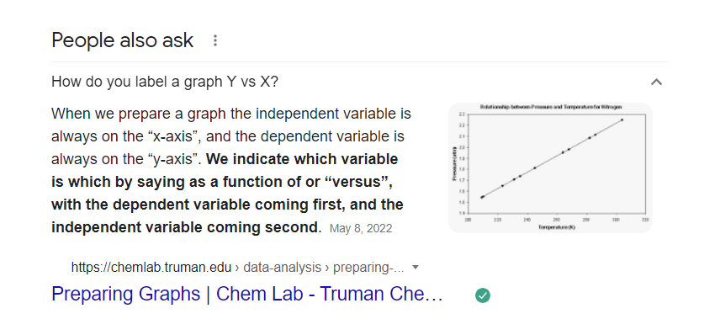
Average of Income (USD) | Column Labels
Row Labels | No | Yes | Grand Total
Female | 85000 | 82500 | 83750
Male | 75000 | 87500 | 82142.857143
Grand Total | 79000 | 85833.333333 | 82727.272727
Average Income vs Gender Purchase

 |  |  |  | Intended to find out if bikes tend to cater more the high income earners across both genders (male, female)

Count of Purchased Bike | Column Labels
Row Labels | No | Yes | Grand Total
0-1 Miles |  | 2 | 2
1-2 Miles | 2 | 3 | 5
2-5 Miles | 1 | 2 | 3
5-10 Miles | 3 | 1 | 4
More than 10 Miles | 4 | 4 | 8
Grand Total | 10 | 12 | 22
Count of Purchased Bike vs Commute Distance
 | No | Yes
0-1 Miles |  | 2
1-2 Miles | 2 | 3
2-5 Miles | 1 | 2
5-10 Miles | 3 | 1
More than 10 Miles | 4 | 4

Count of Purchased Bike | Column Labels
Row Labels | No | Yes | Grand Total
Adolescent | 1 | 1 | 2
Middle Age | 9 | 11 | 20
Grand Total | 10 | 12 | 22

Count of Purchased Bike vs Age Bracket
< 31
31 - 54
> 54

FINAL OUTPUT (DASHBOARD)
Bike Sales Dashboard

Average Income vs Gender Purchase
 | No | Yes
Female | 85000 | 82500
Male | 75000 | 87500
Count of Purchased Bike vs Age Bracket
 | No | Yes
Adolescent | 1 | 1
Middle Age | 9 | 11
< 31
31 - 54
> 54

Count of Purchased Bike vs Commute Distance
 | No | Yes
0-1 Miles |  | 2
1-2 Miles | 2 | 3
2-5 Miles | 1 | 2
5-10 Miles | 3 | 1
More than 10 Miles | 4 | 4

Data Analyst Portfolio Project 3: Excel Data Cleaning and Dashboard Creation

Hi, my name is Jd. This project intends to highlight the Excel skills I learned in the Data Analyst Bootcamp of Alex Freberg aka Alex The Analyst.

Skills used are as follows: Removing Duplicates, Find and Replace, Pivot Tables, Adding Charts, Slicer and Dashboard Creation.

Thank you!

