Unsupervised Analysis
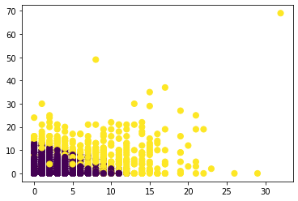
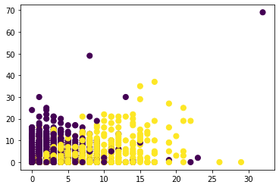
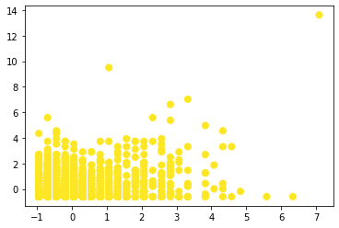

 | Unscaled k-means estimate |  | Actual labels |  | Scaled k-means estimate
 | ACCURACY = 0.58041 |  |  | ACCURACY = 0.45791, or 0.5421 if the k-means classifications are flipped
 |  | For these graphs, X = 'say' and Y = 'trump'

For more values of k and 3D graphs please check the Jupyter notebook.
I have left them out because I glean any analysis from them, but the Jupyter notebook is organized to make every section easily replicable and easy to find.

Logistic Regression
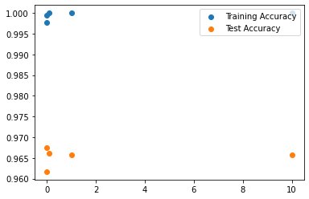
 |  |  |  |  | training / test accuracy
 |  |  | LOGISTIC REGRESSSION W/ RIDGE REGULARIZATION
 |  | Threshold
 | Regularization | 0.2 | 0.3 | 0.4 | 0.5 | 0.6 | 0.7 | 0.8
training | 0.001 | 0.83697 | 0.92249 | 0.96927 | 0.99777 | 0.9853 | 0.93274 | 0.84009
test |  | 0.80713 | 0.87929 | 0.936303 | 0.96169 | 0.94209 | 0.8686 | 0.7755
training | 0.01 | 0.97149 | 0.99198 | 0.99955 | 0.99955 | 0.99955 | 0.9951 | 0.98084
test |  | 0.91359 | 0.95056 | 0.96347 | 0.96748 | 0.96258 | 0.94031 | 0.89978
training | 0.1 | 0.99911 | 1 | 1 | 1 | 1 | 1 | 0.99911
test |  | 0.95234 | 0.96169 | 0.96258 | 0.96615 | 0.9657 | 0.9559 | 0.93898
training | 1 | 1 | 1 | 1 | 1 | 1 | 1 | 1
test |  | 0.95635 | 0.96169 | 0.96258 | 0.9657 | 0.96526 | 0.95813 | 0.94654
training | 10 | 1 | 1 | 1 | 1 | 1 | 1 | 1
test |  | 0.95724 | 0.96169 | 0.96258 | 0.9657 | 0.96526 | 0.95991 | 0.94654
 |  |  |  |  |  |  |  |  |  | C values

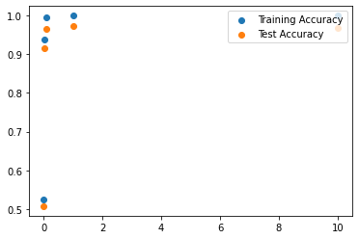
 |  |  | LOGISTIC REGRESSSION W/ LASSO REGULARIZATION
 |  | Threshold
 | Regularization | 0.2 | 0.3 | 0.4 | 0.5 | 0.6 | 0.7 | 0.8
training | 0.001 | 0.47438 | 0.47438 | 0.47438 | 0.52561 | 0.52561 | 0.52561 | 0.52561
test |  | 0.49265 | 0.49265 | 0.49265 | 0.50734 | 0.50734 | 0.50734 | 0.50735
training | 0.01 | 0.6922 | 0.77416 | 0.88552 | 0.93853 | 0.86414 | 0.75501 | 0.67616
test |  | 0.71002 | 0.78396 | 0.87973 | 0.91492 | 0.83919 | 0.74253 | 0.65301
training | 0.1 | 0.94699 | 0.98218 | 0.99376 | 0.9951 | 0.99599 | 0.98351 | 0.95233
test |  | 0.92383 | 0.94966 | 0.96213 | 0.96614 | 0.96258 | 0.94743 | 0.90824
training | 1 | 0.99911 | 1 | 1 | 1 | 1 | 1 | 0.99955
test |  | 0.96347 | 0.97238 | 0.97327 | 0.97416 | 0.97104 | 0.96125 | 0.94655
training | 10 | 1 | 1 | 1 | 1 | 1 | 1 | 1
test |  | 0.95679 | 0.96213 | 0.96391 | 0.96793 | 0.96526 | 0.9608 | 0.94832
 |  |  |  |  |  |  |  |  |  | C values

 |  |  |  |  |  |  |  |  | Top 5 feature weights for Ridge Regression over values of C

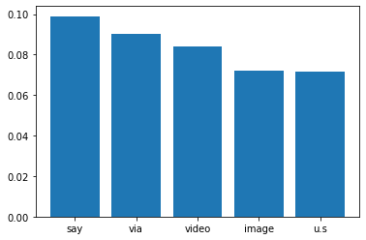
 |  | C = 0.001 |  |  |  |  |  | C = 0.01 |  |  | C = 0.1 | C = 1 |  | C = 10
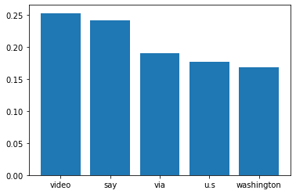
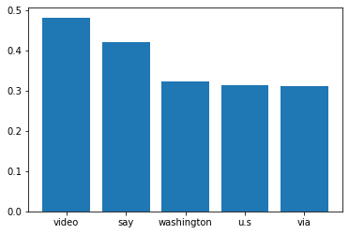



 |  |  |  |  |  |  |  |  | Top 5 feature weights for Lasso Regression over values of C

 |  | C = 0.001 |  |  |  |  |  | C = 0.01 |  |  | C = 0.1 | C = 1 | C = 10
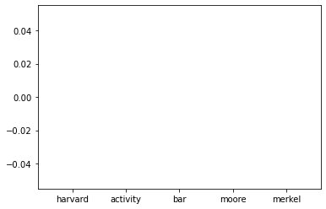
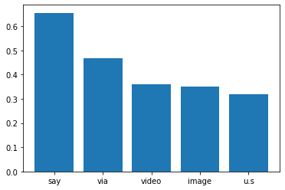
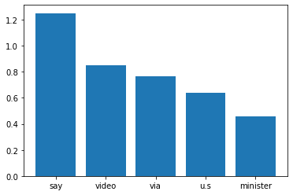
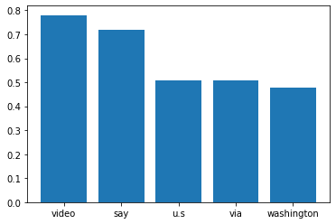


Note that the regularization was so aggressive that all weights were removed

Support Vector Machines
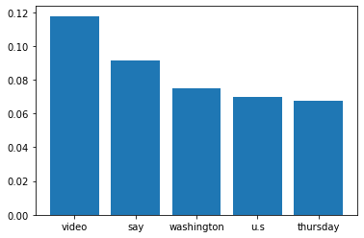
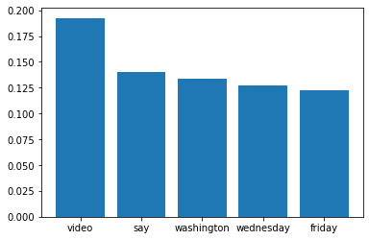
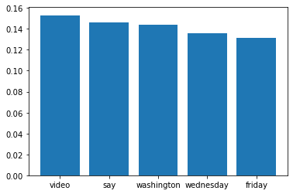
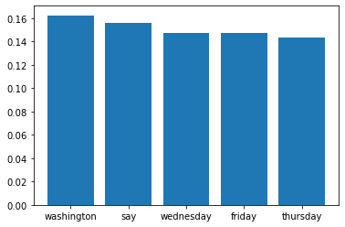
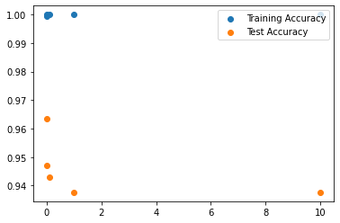
 |  |  |  |  | training / test accuracy
 |  |  | SVM WITH LINEAR KERNEL
 |  | Threshold
 | Regularization | 0.2 | 0.3 | 0.4 | 0.5 | 0.6 | 0.7 | 0.8
training | 0.001 | 0.9951 | 0.99955 | 0.99955 | 0.99955 | 0.9991 | 0.99866 | 0.99732
test |  | 0.95501 | 0.96347 | 0.96614 | 0.96347 | 0.96036 | 0.95367 | 0.9412
training | 0.01 | 1 | 1 | 1 | 1 | 1 | 1 | 1
test |  | 0.9363 | 0.94699 | 0.951 | 0.94699 | 0.94075 | 0.9265 | 0.90378
training | 0.1 | 1 | 1 | 1 | 1 | 1 | 1 | 1
test |  | 0.92605 | 0.94298 | 0.94521 | 0.94298 | 0.93363 | 0.91848 | 0.88953
training | 1 | 1 | 1 | 1 | 1 | 1 | 1 | 1
test |  | 0.92249 | 0.93318 | 0.93585 | 0.93763 | 0.92338 | 0.89933 | 0.87438
training | 10 | 1 | 1 | 1 | 1 | 1 | 1 | 1
test |  | 0.92249 | 0.93318 | 0.93541 | 0.93763 | 0.92383 | 0.89977 | 0.87527
 |  |  |  |  |  |  |  |  |  |  | C values

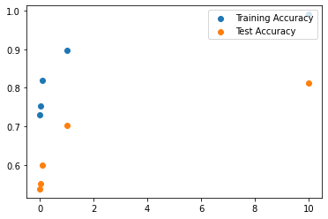
 |  |  | SVM WITH POLYNOMIAL KERNEL (DEGREE 3)
 |  | Threshold
 | Regularization | 0.2 | 0.3 | 0.4 | 0.5 | 0.6 | 0.7 | 0.8
training | 0.001 | 0.47438 | 0.48062 | 0.62717 | 0.72917 | 0.64142 | 0.60133 | 0.58218
test |  | 0.49265 | 0.49487 | 0.49799 | 0.53853 | 0.51581 | 0.51091 | 0.50913
training | 0.01 | 0.47438 | 0.57728 | 0.67126 | 0.75233 | 0.66503 | 0.62717 | 0.59732
test |  | 0.49309 | 0.4971 | 0.49933 | 0.55189 | 0.51982 | 0.51269 | 0.51091
training | 0.1 | 0.62583 | 0.69755 | 0.81291 | 0.81826 | 0.74031 | 0.69888 | 0.66993
test |  | 0.49799 | 0.50022 | 0.51358 | 0.60044 | 0.54209 | 0.52427 | 0.51804
training | 1 | 0.87706 | 0.90512 | 0.93496 | 0.89755 | 0.87126 | 0.85389 | 0.83385
test |  | 0.52293 | 0.55278 | 0.68062 | 0.70201 | 0.63207 | 0.59331 | 0.5657
training | 10 | 0.93942 | 0.95055 | 0.97282 | 0.99021 | 0.96792 | 0.94432 | 0.92695
test |  | 0.61381 | 0.67795 | 0.81871 | 0.81247 | 0.72694 | 0.67037 | 0.62494
training | 100 | 0.47438 | 0.47483 | 0.47483 | 0.52694 | 0.52561 | 0.52561 | 0.52561 |  |  | C values
test |  | 0.49265 | 0.49265 | 0.49265 | 0.50645 | 0.50734 | 0.50734 | 0.50735 | C = 100 not pictured, but would be the lowest accuracy for both training and test

Accuracy compared to Degrees of Polynomial Kernel
 |  |  | SVM WITH POLYNOMIAL KERNEL (C = 10)
 |  | Threshold
 | degree | 0.2 | 0.3 | 0.4 | 0.5 | 0.6 | 0.7 | 0.8
training | 3 | 0.93942 | 0.95055 | 0.97282 | 0.99021 | 0.96792 | 0.94432 | 0.92695
test |  | 0.61381 | 0.67795 | 0.81871 | 0.81247 | 0.72694 | 0.67037 | 0.62494
training | 4 | 0.90111 | 0.90734 | 0.92249 | 0.92249 | 0.88775 | 0.87483 | 0.86592
test |  | 0.50957 | 0.51893 | 0.53051 | 0.61024 | 0.54654 | 0.52962 | 0.51982
training | 5 | 0.84677 | 0.86414 | 0.89309 | 0.87973 | 0.85167 | 0.83341 | 0.82093
test |  | 0.50378 | 0.5069 | 0.50868 | 0.54075 | 0.51224 | 0.51002 | 0.50957
training | 6 | 0.80311 | 0.83251 | 0.86146 | 0.86013 | 0.82583 | 0.81202 | 0.79688
test |  | 0.50066 | 0.50244 | 0.5069 | 0.51804 | 0.51002 | 0.50868 | 0.50779
training | 7 | 0.47438 | 0.47438 | 0.80579 | 0.82494 | 0.78886 | 0.77015 | 0.52561
test |  | 0.49309 | 0.49665 | 0.50155 | 0.51002 | 0.50779 | 0.50824 | 0.50734

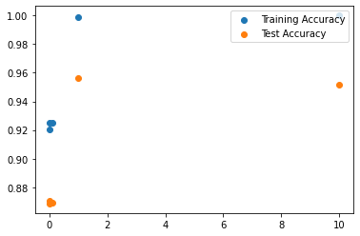
 |  |  | SVM WITH RADIAL BASIS FUNCTION KERNEL
 |  | Threshold
 | Regularization | 0.2 | 0.3 | 0.4 | 0.5 | 0.6 | 0.7 | 0.8
training | 0.001 | 0.84766 | 0.88241 | 0.90289 | 0.92071 | 0.93318 | 0.93586 | 0.93274
test |  | 0.79643 | 0.84098 | 0.86369 | 0.87037 | 0.87661 | 0.88329 | 0.88864
training | 0.01 | 0.86859 | 0.89621 | 0.91358 | 0.92516 | 0.93185 | 0.93096 | 0.92828
test |  | 0.83118 | 0.85167 | 0.86547 | 0.86859 | 0.87706 | 0.88062 | 0.88241
training | 0.1 | 0.85701 | 0.89086 | 0.91224 | 0.92472 | 0.93229 | 0.92828 | 0.92561
test |  | 0.81737 | 0.84766 | 0.86636 | 0.86904 | 0.87884 | 0.88329 | 0.87661
training | 1 | 0.99821 | 0.99821 | 0.99821 | 0.99866 | 0.99911 | 0.99911 | 0.99822
test |  | 0.95367 | 0.95812 | 0.95947 | 0.95634 | 0.95367 | 0.95056 | 0.94343
training | 10 | 1 | 1 | 1 | 1 | 1 | 1 | 1
test |  | 0.94699 | 0.95322 | 0.95278 | 0.95144 | 0.94966 | 0.94611 | 0.93363
 |  |  |  |  |  |  |  |  |  | C Values

 |  |  |  |  |  |  |  |  |  | Top 5 feature weights for linear kernel SVM over values of C

 |  | C = 0.001 |  |  |  |  |  | C = 0.01 |  |  |  | C = 0.1 | C = 1 | C = 10

Neural Networks
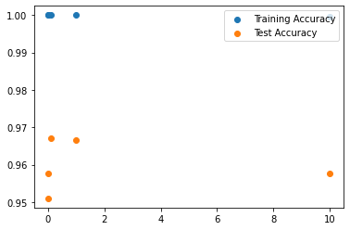
 |  |  |  |  | training / test accuracy
 |  |  | NEURAL NETWORK (1 hidden layer, 100 nodes)
 |  | Threshold
 | Regularization | 0.2 | 0.3 | 0.4 | 0.5 | 0.6 | 0.7 | 0.8
training | 0.001 | 1 | 1 | 1 | 1 | 1 | 1 | 1
test |  | 0.94922 | 0.95501 | 0.95545 | 0.95768 | 0.95457 | 0.95412 | 0.95055
training | 0.01
test |  | 0.94922 | 0.95189 | 0.95233 | 0.95101 | 0.94744 | 0.94655 | 0.93986
training | 0.1 | 1 | 1 | 1 | 1 | 1 | 1 | 1
test |  | 0.95768 | 0.96436 | 0.96525 | 0.96703 | 0.9657 | 0.96169 | 0.95278
training | 1 | 1 | 1 | 1 | 1 | 1 | 1 | 1
test |  | 0.95902 | 0.96481 | 0.9657 | 0.96659 | 0.9657 | 0.9608 | 0.95234
training | 10 | 0.97772 | 0.99732 | 0.99955 | 0.99955 | 0.99911 | 0.99465 | 0.97772
test |  | 0.9216 | 0.95322 | 0.95902 | 0.95768 | 0.951 | 0.93273 | 0.8971
 |  |  |  |  |  |  |  |  | Alpha Values

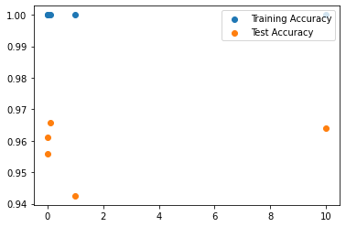
 |  |  | NEURAL NETWORK (2 hidden layers, 100 nodes each)
 |  | Threshold
 | Regularization | 0.2 | 0.3 | 0.4 | 0.5 | 0.6 | 0.7 | 0.8
training | 0.001 | 1 | 1 | 1 | 1 | 1 | 1 | 1
test |  | 0.95233 | 0.95501 | 0.95946 | 0.96124 | 0.95991 | 0.95946 | 0.95679
training | 0.01
test |  | 0.95634 | 0.95501 | 0.95634 | 0.9559 | 0.95545 | 0.95412 | 0.94699
training | 0.1 | 1 | 1 | 1 | 1 | 1 | 1 | 1
test |  | 0.96302 | 0.96659 | 0.96614 | 0.9657 | 0.96525 | 0.96258 | 0.95902
training | 1 | 1 | 1 | 1 | 1 | 1 | 1 | 1
test |  | 0.94476 | 0.94832 | 0.94699 | 0.94253 | 0.9412 | 0.93407 | 0.92783
training | 10 | 0.98574 | 0.99866 | 1 | 1 | 0.99955 | 0.99777 | 0.98173
test |  | 0.93541 | 0.96124 | 0.96614 | 0.96391 | 0.95634 | 0.93897 | 0.90289
 |  |  |  |  |  |  |  |  | Alpha Values

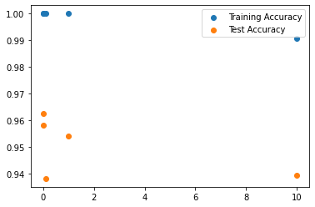
 |  |  | NEURAL NETWORK (1 hidden layer, 1000 nodes)
 |  | Threshold
 | Regularization | 0.2 | 0.3 | 0.4 | 0.5 | 0.6 | 0.7 | 0.8
training | 0.001 | 1 | 1 | 1 | 1 | 1 | 1 | 1
test |  | 0.95634 | 0.95857 | 0.9559 | 0.95812 | 0.95902 | 0.9559 | 0.95144
training | 0.01 | 1 | 1 | 1 | 1 | 1 | 1 | 1
test |  | 0.95902 | 0.96124 | 0.96124 | 0.96258 | 0.96124 | 0.9608 | 0.95634
training | 0.1 | 0.99955 | 1 | 1 | 1 | 1 | 0.99955 | 0.99955
test |  | 0.94253 | 0.94253 | 0.94075 | 0.93808 | 0.93942 | 0.93986 | 0.93763
training | 1 | 1 | 1 | 1 | 1 | 1 | 1 | 0.99955
test |  | 0.95189 | 0.9559 | 0.95501 | 0.95412 | 0.94922 | 0.94521 | 0.93184
training | 10 | 0.9902 | 0.99688 | 0.9951 | 0.99064 | 0.98218 | 0.96213 | 0.93229
test |  | 0.94521 | 0.951 | 0.95011 | 0.93942 | 0.92383 | 0.90512 | 0.85612
 |  |  |  |  |  |  |  |  | Alpha Values

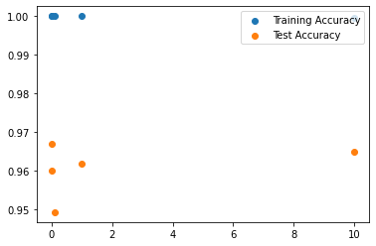
 |  |  | NEURAL NETWORK (2 hidden layer, 1000 nodes each)
 |  | Threshold
 | Regularization | 0.2 | 0.3 | 0.4 | 0.5 | 0.6 | 0.7 | 0.8
training | 0.001 | 1 | 1 | 1 | 1 | 1 | 1 | 1
test |  | 0.95367 | 0.95679 | 0.96035 | 0.95991 | 0.95991 | 0.96035 | 0.95991
training | 0.01 | 1 | 1 | 1 | 1 | 1 | 1 | 1
test |  | 0.96213 | 0.96525 | 0.96703 | 0.96703 | 0.96659 | 0.96614 | 0.96035
training | 0.1 | 1 | 1 | 1 | 1 | 1 | 1 | 1
test |  | 0.95011 | 0.94922 | 0.94743 | 0.94922 | 0.94922 | 0.94699 | 0.94387
training | 1 | 1 | 1 | 1 | 1 | 1 | 1 | 1
test |  | 0.954565 | 0.95902 | 0.95991 | 0.96169 | 0.9608 | 0.95857 | 0.94922
training | 10 | 0.98441 | 0.99866 | 1 | 0.99955 | 0.99955 | 0.99688 | 0.98931
test |  | 0.92561 | 0.95412 | 0.96347 | 0.96481 | 0.96258 | 0.94476 | 0.91804
 |  |  |  |  |  |  |  |  | Alpha Values

Resized Features
Different Test Accuracies as Features Decrease
 | FEATURE MODIFICATION ACROSS BEST MODELS
 | Only measuring threshold 0.5
 | Features: | 3000 | 2000 | 1000 | 500
train | Logistic Reg. | 1 | 1 | 1 | 0.99955
test | L1 reg, C = 1 | 0.96704 | 0.96615 | 0.95545 | 0.94343
train | SVM linear kernel | 1 | 0.99688 | 0.98441 | 0.97902
test | C = 0.001 | 0.95347 | 0.95857 | 0.9608 | 0.94699
train | NN 1 hidden layer | 1 | 1 | 1 | 1
test | 100 nodes, α = 0.1 | 0.9657 | 0.96125 | 0.96035 | 0.95011

