SM2_100_dune_samples
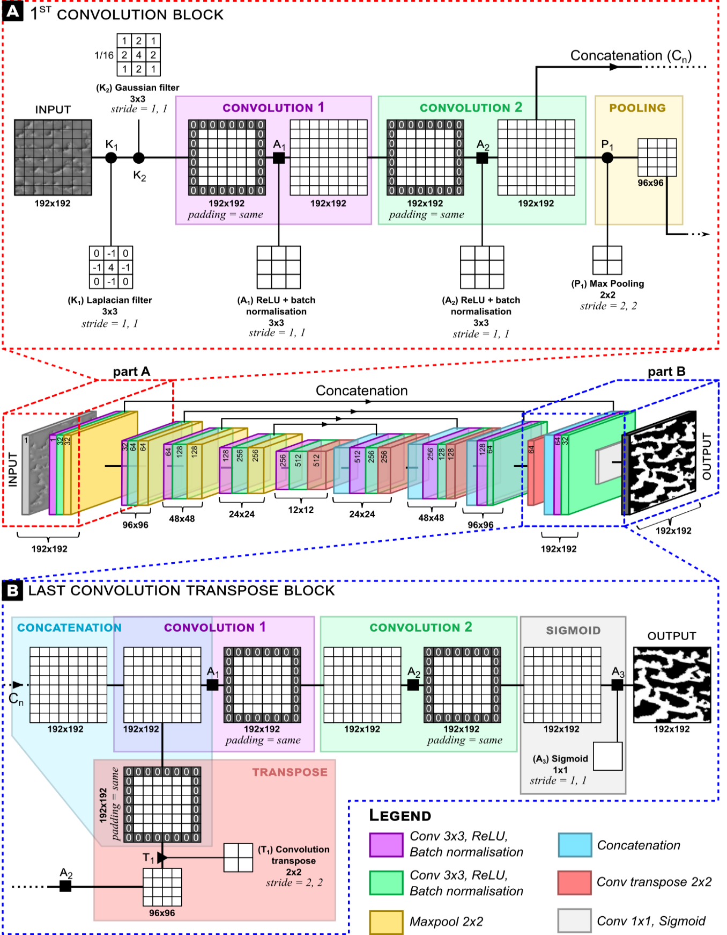
Name | Sample | Region | Location | Subset U-Net
AL_GT_R20_001 | 1 | Algeria | 26°42'47.59"N, 2°48'4.33"W | TRAIN
AL_GT_R20_002 | 2 | Algeria | 26°43'26.32"N, 2°36'44.17"W | TRAIN
AL_GT_R20_003 | 3 | Algeria | 26°14'21.07"N, 2°45'33.92"W | TRAIN
AL_GT_R20_004 | 4 | Algeria | 26°12'29.59"N, 2°39'42.03"W | TRAIN
AL_GT_R20_005 | 5 | Algeria | 25°41'59.23"N, 2°43'7.32"W | TRAIN
AL_GT_R20_006 | 6 | Algeria | 25°30'31.25"N, 2°39'13.82"W | TRAIN
AL_GT_R20_007 | 7 | Algeria | 25° 8'9.88"N, 2°30'17.62"W | TRAIN
AL_GT_R20_008 | 8 | Algeria | 25°16'54.83"N, 2°19'11.09"W | VALIDATION
AL_GT_R20_009 | 9 | Algeria | 26°36'46.11"N, 2°26'42.96"W | TRAIN
AL_GT_R20_010 | 10 | Algeria | 26°11'32.68"N, 2°22'44.00"W | TRAIN
AL_GT_R20_011 | 11 | Algeria | 25°50'17.27"N, 2°23'6.31"W | TRAIN
AL_GT_R20_012 | 12 | Algeria | 25°51'18.50"N, 2°14'41.00"W | TRAIN
AL_GT_R20_013 | 13 | Algeria | 25°51'52.33"N, 2° 6'49.00"W | TRAIN
AL_GT_R20_014 | 14 | Algeria | 25°47'29.22"N, 2° 0'42.00"W | TRAIN
AL_GT_R20_015 | 15 | Algeria | 25°20'22.33"N, 2° 8'13.36"W | VALIDATION
AL_GT_R20_016 | 16 | Algeria | 25°22'22.49"N, 2°43'28.41"W | VALIDATION
AL_GT_R20_017 | 17 | Algeria | 26° 6'50.54"N, 1°54'14.41"W | TRAIN
AL_GT_R20_018 | 18 | Algeria | 26° 4'42.49"N, 1°34'41.02"W | TRAIN
AL_GT_R20_019 | 19 | Algeria | 24°49'15.53"N, 1°47'58.98"W | TRAIN
AL_GT_R20_020 | 20 | Algeria | 25°10'30.90"N, 1°24'15.20"W | VALIDATION
AL_GT_R20_021 | 21 | Algeria | 26°27'16.06"N, 0°45'24.45"W | TRAIN
AL_GT_R20_022 | 22 | Algeria | 26°48'20.81"N, 0°16'7.34"W | TRAIN
AL_GT_R20_023 | 23 | Algeria | 26°21'8.98"N, 0°31'10.98"W | VALIDATION
AL_GT_R20_024 | 24 | Algeria | 26°53'11.74"N, 1°34'54.71"W | TRAIN
AL_GT_R20_025 | 25 | Algeria | 26°31'0.57"N, 1°57'24.93"W | TRAIN
MA_GT_R20_026 | 26 | Mauritania | 18°15'17.89"N, 13°47'29.08"W | TRAIN
MA_GT_R20_027 | 27 | Mauritania | 18°46'42.47"N, 13° 8'50.03"W | TRAIN
MA_GT_R20_028 | 28 | Mauritania | 18°45'50.26"N, 13°30'0.33"W | TRAIN
MA_GT_R20_029 | 29 | Mauritania | 18°45'21.78"N, 12°44'50.01"W | VALIDATION
MA_GT_R20_030 | 30 | Mauritania | 18°55'52.74"N, 12°39'18.39"W | VALIDATION
MA_GT_R20_031 | 31 | Mauritania | 18°50'43.82"N, 12°18'40.54"W | TRAIN
MA_GT_R20_032 | 32 | Mauritania | 19° 7'35.30"N, 12°17'20.60"W | VALIDATION
MA_GT_R20_033 | 33 | Mauritania | 19°14'25.25"N, 12°31'59.70"W | TRAIN
MA_GT_R20_034 | 34 | Mauritania | 18°38'29.91"N, 13° 4'1.26"W | TRAIN
MA_GT_R20_035 | 35 | Mauritania | 18°23'17.71"N, 13°29'32.78"W | TRAIN
MA_GT_R20_036 | 36 | Mauritania | 17°48'4.89"N, 12°39'26.52"W | VALIDATION
MA_GT_R20_037 | 37 | Mauritania | 17°44'13.95"N, 13°29'30.08"W | TRAIN
MA_GT_R20_038 | 38 | Mauritania | 18° 1'20.15"N, 13°50'47.87"W | TRAIN
MA_GT_R20_039 | 39 | Mauritania | 18°32'8.17"N, 12°33'23.76"W | VALIDATION
Legend (to use this figure, cite the doi of this article)
Deconstructed training of a U-Net algorithm to map dune outlines. The central figure corresponds to the global U-Net architecture. (A) first convolution block on a preprocessing data filtered by a Laplacian of Gaussian (LoG) filter in the upsampling path including two successions of the convolution step using a ReLU activation function. Max pooling is used to resume the pixel feature values. (B) the last convolution transpose block in the downsampling path including a concatenation of the matrix product of the previous transpose convolution and the matrix product of the second convolution of the first convolution block on the upsampling path. Two successive convolutions identical to part A are performed. The sigmoid activation function is the last activation function used to convert the numerical pixel values of our interest features into a binary raster. The binary raster describes a class probability: 0-pixel values as “no interest” (in black), and 1-pixel values as “dune outlines” (in white).
MA_GT_R20_040 | 40 | Mauritania | 18°44'3.50"N, 12°35'8.54"W | TRAIN
MA_GT_R20_041 | 41 | Mauritania | 19° 0'6.44"N, 12°55'33.41"W | TRAIN
MA_GT_R20_042 | 42 | Mauritania | 18°24'10.04"N, 14° 0'22.29"W | TRAIN
MA_GT_R20_043 | 43 | Mauritania | 17°57'33.32"N, 15°20'5.60"W | TRAIN
MA_GT_R20_044 | 44 | Mauritania | 17°31'52.50"N, 15° 0'52.03"W | TRAIN
MA_GT_R20_045 | 45 | Mauritania | 18° 3'35.35"N, 14°46'21.95"W | TRAIN
MA_GT_R20_046 | 46 | Mauritania | 18°10'19.98"N, 14°29'18.00"W | TRAIN
MA_GT_R20_047 | 47 | Mauritania | 18°13'54.02"N, 13°59'53.50"W | TRAIN
MA_GT_R20_048 | 48 | Mauritania | 18°13'48.48"N, 15°35'57.65"W | TRAIN
MA_GT_R20_049 | 49 | Mauritania | 17°27'6.32"N, 15° 4'34.31"W | TRAIN
MA_GT_R20_050 | 50 | Mauritania | 17° 9'41.82"N, 14°32'57.74"W | TRAIN
CH_GT_R20_051 | 51 | China | 40°15'45.91"N, 83°36'8.78"E | TRAIN
CH_GT_R20_052 | 52 | China | 40°12'34.48"N, 83°26'10.83"E | TRAIN
CH_GT_R20_053 | 53 | China | 40° 4'10.72"N, 83°36'37.37"E | TRAIN
CH_GT_R20_054 | 54 | China | 40° 5'14.72"N, 83°10'57.31"E | TRAIN
CH_GT_R20_055 | 55 | China | 40°17'18.48"N, 83°57'5.63"E | TRAIN
CH_GT_R20_056 | 56 | China | 40°17'11.19"N, 84°13'25.31"E | TRAIN
CH_GT_R20_057 | 57 | China | 40°11'53.00"N, 84°39'20.00"E | VALIDATION
CH_GT_R20_058 | 58 | China | 40° 9'41.44"N, 84°51'41.33"E | VALIDATION
CH_GT_R20_059 | 59 | China | 40°12'46.52"N, 85°14'39.42"E | VALIDATION
CH_GT_R20_060 | 60 | China | 40°25'27.20"N, 85°31'10.47"E | TRAIN
CH_GT_R20_061 | 61 | China | 40°36'34.11"N, 85°48'18.27"E | TRAIN
CH_GT_R20_062 | 62 | China | 40°25'59.56"N, 85°48'3.01"E | TRAIN
CH_GT_R20_063 | 63 | China | 39° 0'34.07"N, 84°26'51.19"E | TRAIN
CH_GT_R20_064 | 64 | China | 38°54'23.82"N, 84°38'51.34"E | TRAIN
CH_GT_R20_065 | 65 | China | 39°33'27.46"N, 85°33'41.93"E | TRAIN
CH_GT_R20_066 | 66 | China | 39°34'9.03"N, 85°44'7.01"E | TRAIN
CH_GT_R20_067 | 67 | China | 39°35'30.82"N, 85° 5'20.74"E | TRAIN
CH_GT_R20_068 | 68 | China | 39°23'51.08"N, 84°40'4.11"E | TRAIN
CH_GT_R20_069 | 69 | China | 39°18'36.73"N, 84°25'15.19"E | TRAIN
CH_GT_R20_070 | 70 | China | 38° 8'15.84"N, 82° 8'1.75"E | TRAIN
CH_GT_R20_071 | 71 | China | 38°32'37.00"N, 82°11'30.99"E | TRAIN
CH_GT_R20_072 | 72 | China | 38°39'28.14"N, 83°10'55.92"E | TRAIN
CH_GT_R20_073 | 73 | China | 38°14'4.20"N, 82°54'14.15"E | TRAIN
CH_GT_R20_074 | 74 | China | 38°16'34.06"N, 84°17'2.19"E | TRAIN
CH_GT_R20_075 | 75 | China | 38°53'32.95"N, 83°52'59.04"E | VALIDATION
YE_GT_R20_076 | 76 | Yemen | 19°11'40.50"N, 48°15'55.46"E | TRAIN
YE_GT_R20_077 | 77 | Yemen | 19°18'45.38"N, 48°28'34.66"E | VALIDATION
YE_GT_R20_078 | 78 | Yemen | 19°12'12.93"N, 48°29'35.45"E | TRAIN
YE_GT_R20_079 | 79 | Yemen | 19°12'11.55"N, 48° 1'32.92"E | TRAIN
YE_GT_R20_080 | 80 | Yemen | 18°24'27.52"N, 48°10'49.58"E | TRAIN
YE_GT_R20_081 | 81 | Yemen | 18°38'52.69"N, 48°10'31.81"E | TRAIN
YE_GT_R20_082 | 82 | Yemen | 18°39'25.29"N, 48°36'53.30"E | TRAIN
YE_GT_R20_083 | 83 | Yemen | 18°29'13.37"N, 49°44'7.14"E | TRAIN
YE_GT_R20_084 | 84 | Yemen | 18°42'53.71"N, 50° 1'10.86"E | TRAIN
YE_GT_R20_085 | 85 | Yemen | 18°56'29.05"N, 50°26'38.33"E | TRAIN
YE_GT_R20_086 | 86 | Yemen | 18°54'7.91"N, 50°37'7.30"E | TRAIN
YE_GT_R20_087 | 87 | Yemen | 18°28'49.84"N, 50° 8'7.74"E | VALIDATION
YE_GT_R20_088 | 88 | Yemen | 18°41'2.09"N, 51°34'37.31"E | TRAIN
YE_GT_R20_089 | 89 | Yemen | 19° 6'47.31"N, 52° 3'1.40"E | TRAIN
YE_GT_R20_090 | 90 | Yemen | 19° 9'36.57"N, 52°36'22.13"E | TRAIN
YE_GT_R20_091 | 91 | Yemen | 19°20'10.24"N, 53°20'3.26"E | TRAIN
YE_GT_R20_092 | 92 | Yemen | 19° 8'23.25"N, 53° 2'56.12"E | VALIDATION
YE_GT_R20_093 | 93 | Yemen | 18°34'15.44"N, 53°38'39.02"E | VALIDATION
YE_GT_R20_094 | 94 | Yemen | 18°32'41.37"N, 53°21'20.56"E | TRAIN
YE_GT_R20_095 | 95 | Yemen | 19° 2'17.55"N, 52°55'58.62"E | VALIDATION
YE_GT_R20_096 | 96 | Yemen | 18°47'42.02"N, 52°34'4.98"E | TRAIN
YE_GT_R20_097 | 97 | Yemen | 18°34'29.38"N, 52° 3'4.85"E | TRAIN
YE_GT_R20_098 | 98 | Yemen | 18°26'40.01"N, 51°37'18.29"E | TRAIN
YE_GT_R20_099 | 99 | Yemen | 18°56'23.38"N, 51°30'15.50"E | TRAIN
YE_GT_R20_100 | 100 | Yemen | 18°53'40.85"N, 51°44'20.13"E | VALIDATION

SM4_skelet_crest_metrics
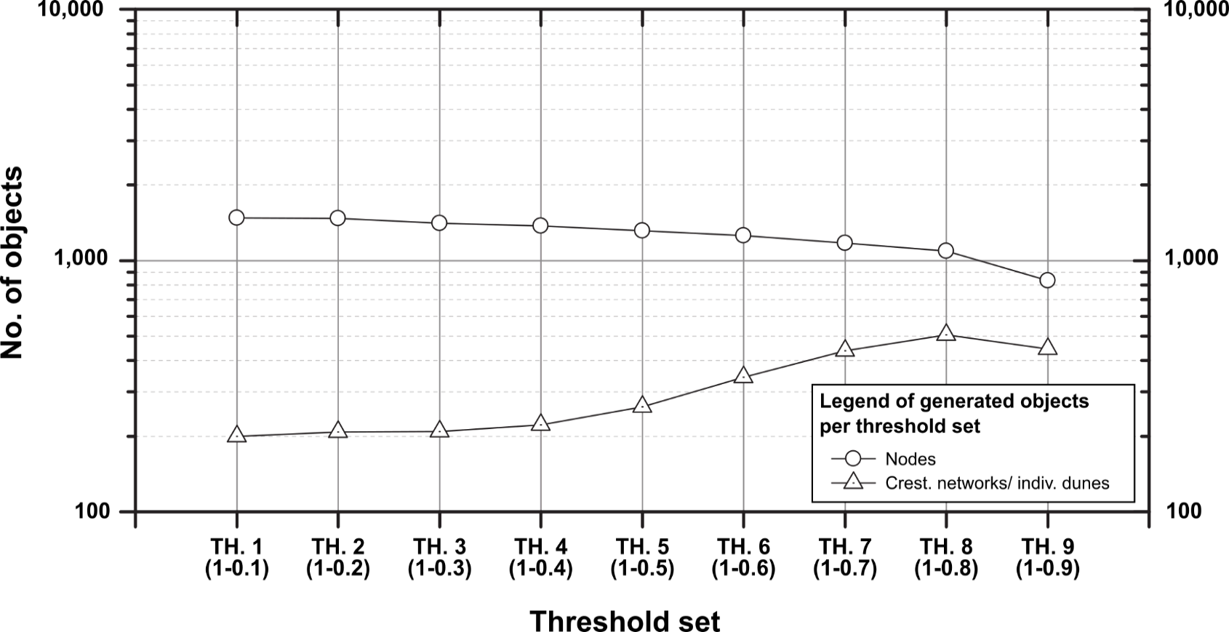
Number of RR 20px nodes / threshold skeletonization set
SAMPLE | SET 1 (1.0-0.1) | SET 2 (1.0-0.2) | SET 3 (1.0-0.3) | SET 4 (1.0-0.4) | SET 5 (1.0-0.5) | SET 6 (1.0-0.6) | SET 7 (1.0-0.7) | SET 8 (1.0-0.8) | SET 9 (1.0-0.9)
100 | 132 | 130 | 126 | 130 | 114 | 106 | 80 | 58 | 30
95 | 90 | 88 | 80 | 78 | 76 | 70 | 54 | 34 | 24
93 | 78 | 74 | 72 | 72 | 72 | 70 | 80 | 80 | 68
92 | 54 | 53 | 45 | 40 | 39 | 36 | 28 | 23 | 20
87 | 157 | 155 | 141 | 131 | 120 | 104 | 78 | 54 | 44
77 | 60 | 58 | 56 | 54 | 52 | 26 | 18 | 22 | 22
75 | 168 | 175 | 169 | 168 | 144 | 124 | 110 | 90 | 52
59 | 78 | 78 | 78 | 76 | 70 | 62 | 64 | 52 | 42
58 | 24 | 24 | 24 | 24 | 26 | 28 | 22 | 32 | 42
57 | 36 | 36 | 36 | 36 | 36 | 40 | 44 | 50 | 58
39 | 40 | 38 | 34 | 34 | 34 | 42 | 50 | 48 | 24
36 | 98 | 98 | 98 | 98 | 96 | 110 | 88 | 80 | 32
32 | 70 | 72 | 72 | 68 | 66 | 76 | 96 | 96 | 56
30 | 88 | 88 | 86 | 88 | 84 | 78 | 90 | 86 | 56
29 | 72 | 72 | 70 | 72 | 80 | 82 | 74 | 82 | 52
23 | 113 | 113 | 111 | 107 | 103 | 103 | 99 | 88 | 66
20 | 28 | 28 | 28 | 28 | 30 | 32 | 28 | 30 | 24
16 | 35 | 33 | 27 | 25 | 21 | 24 | 22 | 26 | 22
15 | 38 | 40 | 38 | 34 | 36 | 32 | 34 | 36 | 48
8 | 18 | 18 | 16 | 14 | 14 | 14 | 16 | 24 | 50
SUM | 1,477 | 1,471 | 1,407 | 1,377 | 1,313 | 1,259 | 1,175 | 1,091 | 832

Legend
The columns highlighted in green correspond to our recommended crestline skeletonization thresholds for aeolian dunes.
Note that this threshold range does not apply to all geomorphological objects and spatial scales. We recommend trying various ranges around this range depending on the object and scale being studied, bearing in mind that:
--> low thresholds capture the full complexity of crestlines (more faults) at the expense of fewer individualized dunes and induce background noise ;
--> high thresholds generate more individualized objects (useful when you have coalescing dunes) but at the expense of losing crestlines complexity.
Number of RR 20px discretised crestline networks / threshold skeletonisation set
SAMPLE | SET 1 (1.0-0.1) | SET 2 (1.0-0.2) | SET 3 (1.0-0.3) | SET 4 (1.0-0.4) | SET 5 (1.0-0.5) | SET 6 (1.0-0.6) | SET 7 (1.0-0.7) | SET 8 (1.0-0.8) | SET 9 (1.0-0.9)
100 | 8 | 9 | 9 | 10 | 14 | 19 | 25 | 24 | 15
95 | 5 | 5 | 5 | 5 | 6 | 9 | 14 | 13 | 12
93 | 17 | 17 | 17 | 17 | 17 | 20 | 27 | 37 | 32
92 | 2 | 2 | 2 | 2 | 3 | 7 | 12 | 12 | 17
87 | 8 | 9 | 8 | 10 | 10 | 13 | 21 | 20 | 21
77 | 5 | 4 | 4 | 4 | 5 | 8 | 8 | 11 | 11
75 | 10 | 13 | 13 | 13 | 21 | 36 | 42 | 43 | 26
59 | 9 | 9 | 9 | 9 | 11 | 13 | 18 | 26 | 21
58 | 8 | 9 | 9 | 9 | 10 | 11 | 8 | 16 | 21
57 | 9 | 9 | 9 | 10 | 10 | 14 | 14 | 21 | 29
39 | 15 | 15 | 14 | 14 | 14 | 18 | 23 | 23 | 12
36 | 14 | 14 | 14 | 15 | 17 | 26 | 34 | 40 | 16
32 | 12 | 13 | 14 | 15 | 18 | 27 | 43 | 48 | 28
30 | 15 | 16 | 16 | 18 | 24 | 25 | 34 | 38 | 28
29 | 15 | 16 | 17 | 19 | 25 | 31 | 36 | 41 | 26
23 | 23 | 23 | 23 | 25 | 25 | 26 | 30 | 35 | 31
20 | 11 | 11 | 12 | 12 | 14 | 16 | 14 | 15 | 12
16 | 4 | 3 | 3 | 4 | 4 | 7 | 11 | 13 | 11
15 | 6 | 7 | 7 | 7 | 8 | 12 | 16 | 19 | 25
8 | 4 | 4 | 4 | 4 | 6 | 6 | 7 | 12 | 25
SUM | 200 | 208 | 209 | 222 | 262 | 344 | 437 | 507 | 419

