DOJO
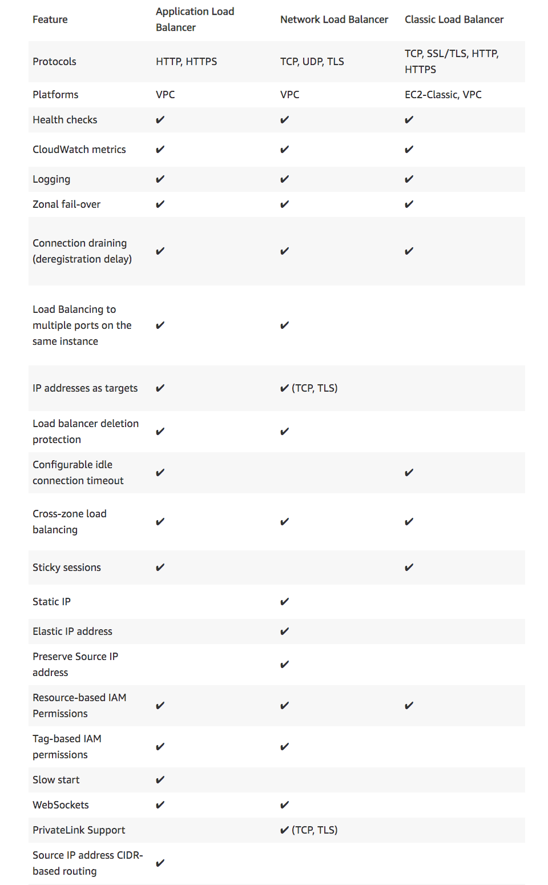
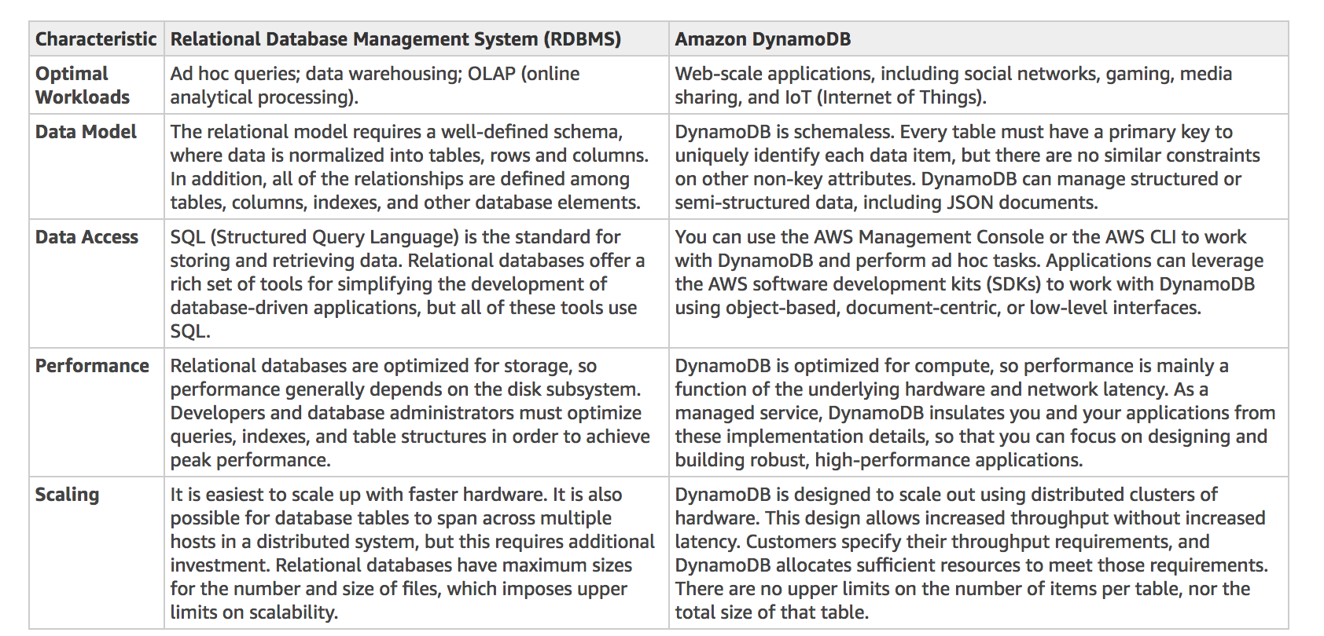
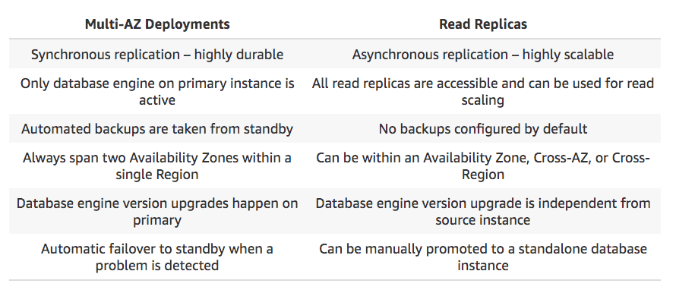
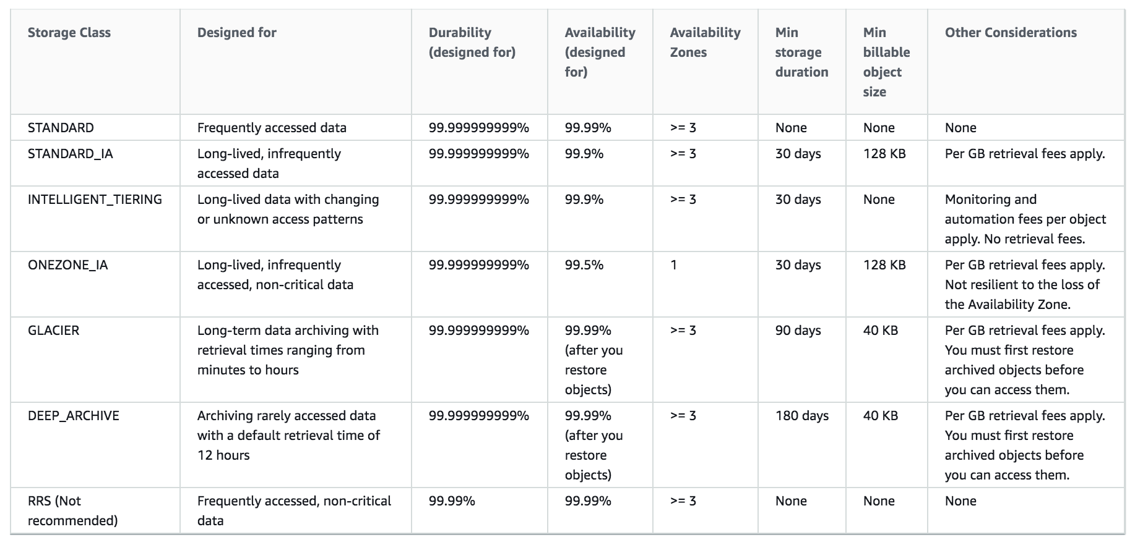
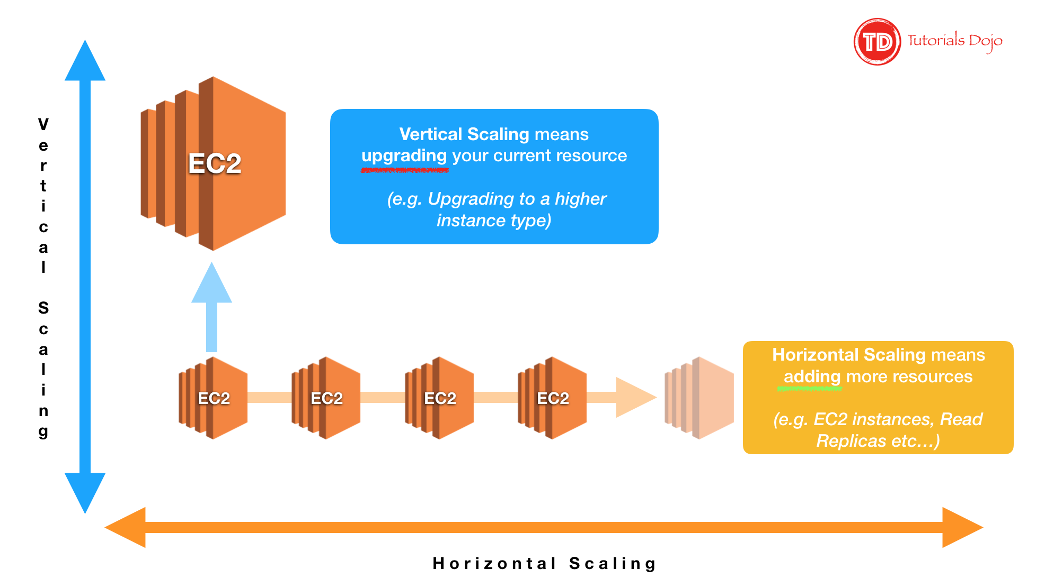
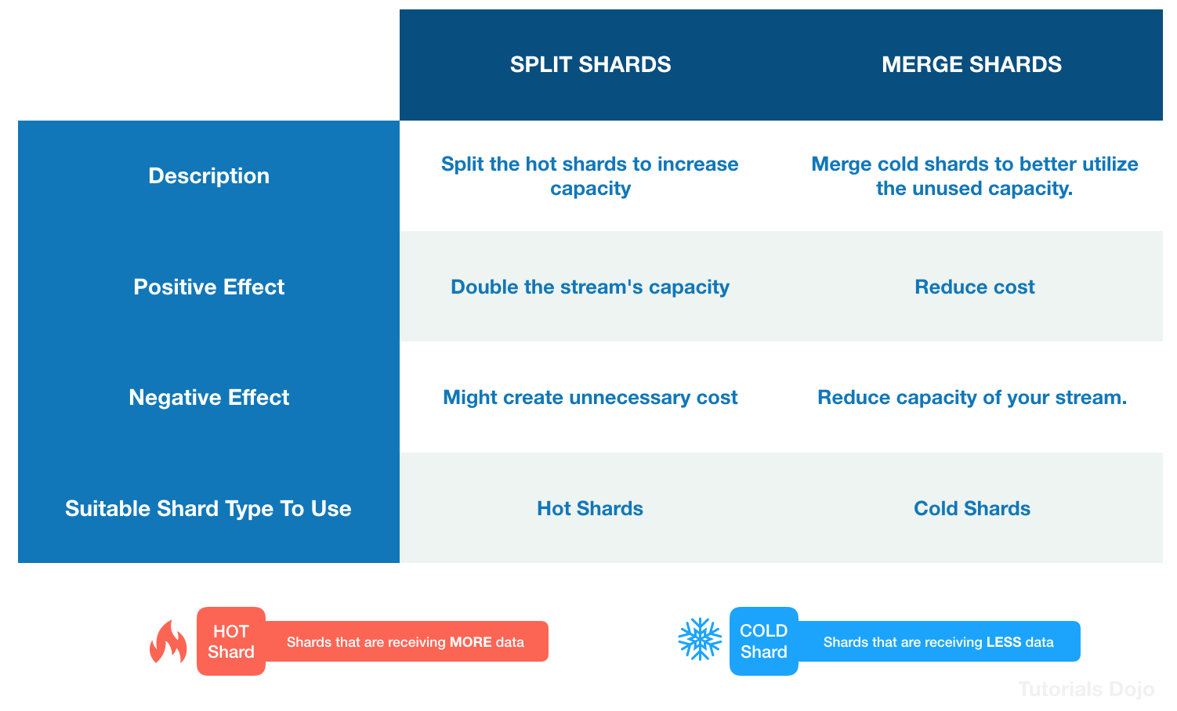
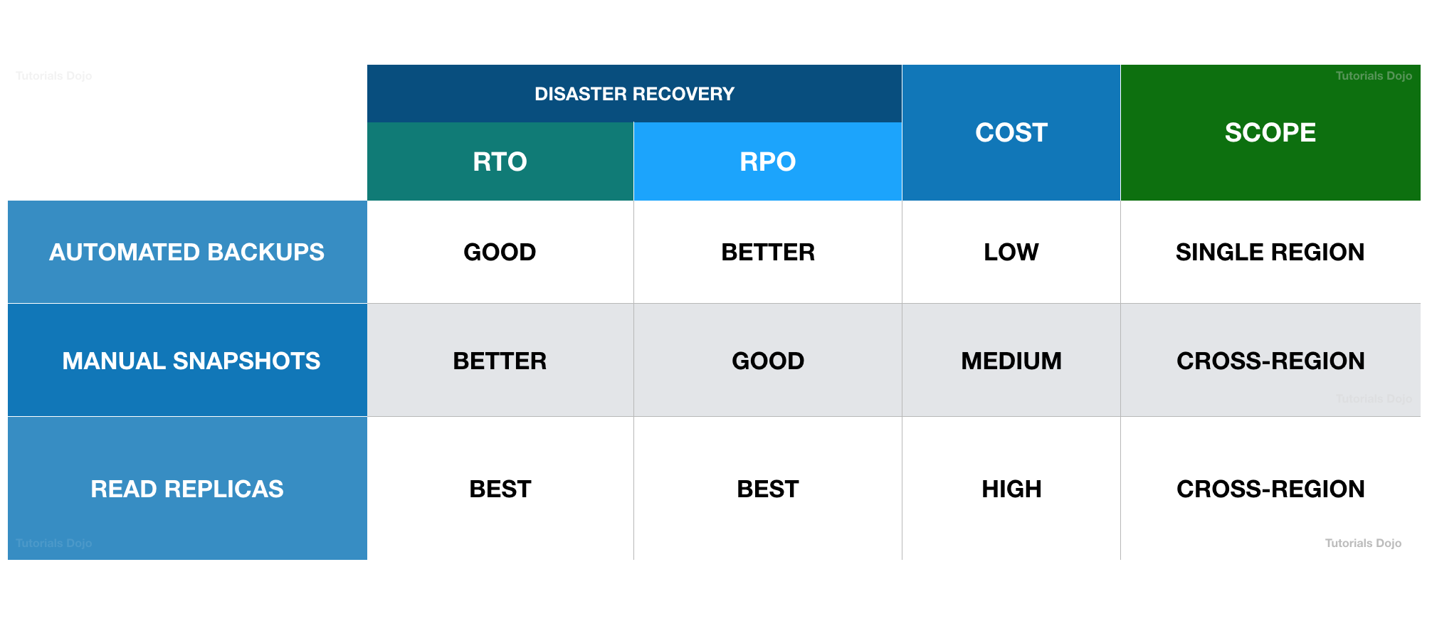
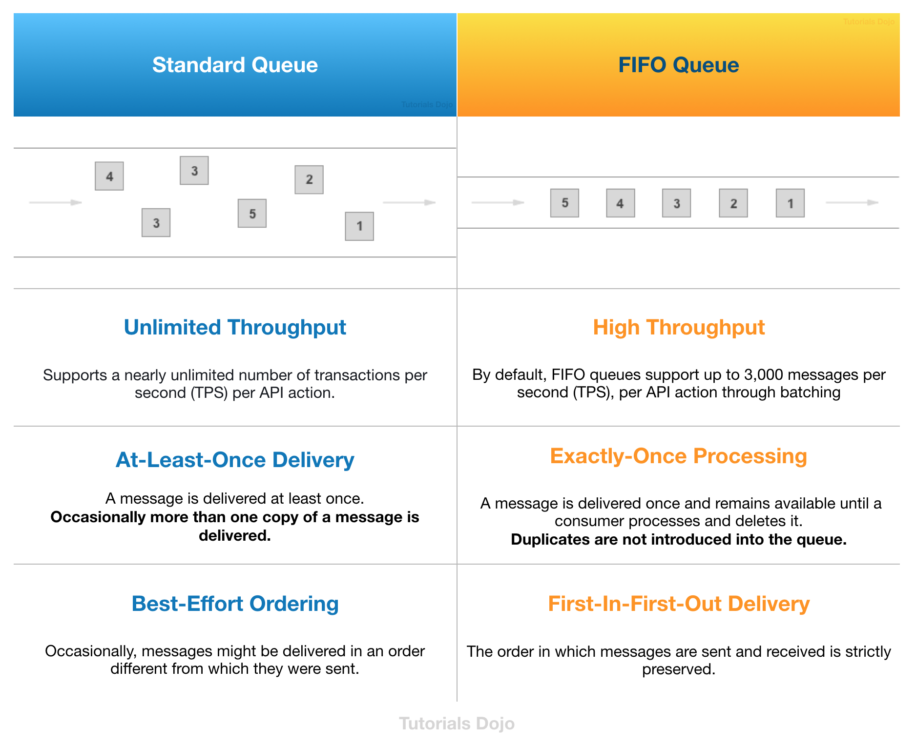

SQS-Message Visibility Timout |  |  | After message consumed by consumer it becomes invisible to other consumers
 |  |  | by fedault message visibility timeout is 30 seconds
 |  |  | aftermessage visibility time out message is visible in SQS

Delay Queue |  | Delay a message consumer don't see it immediately up to 15 mins
 |  | default is 0 seconds

Long polling |  | When a consumer request a message from the queue request messages from the queue it can optionallly wait for messages to arrive if there are none in the queue
 | use | Longpolling decrease the number of API calls to made to SQS while increasing the eficiency and latency of your application

VPC
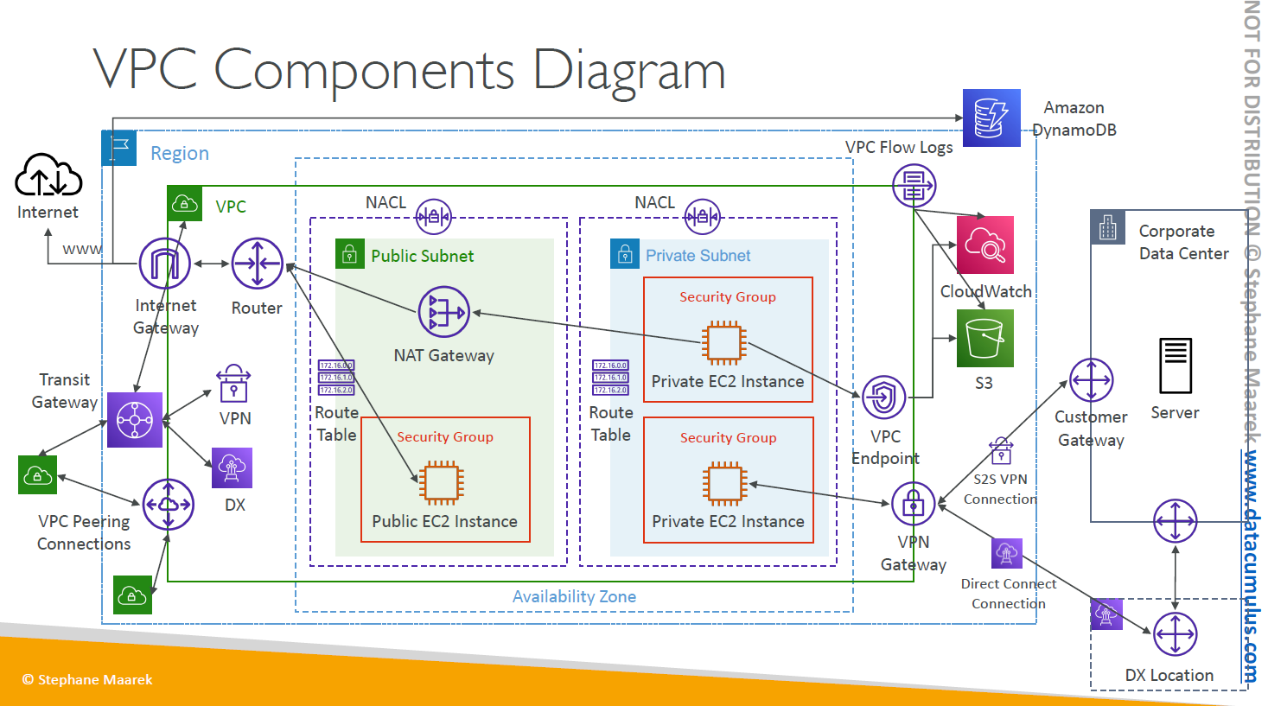

Storage
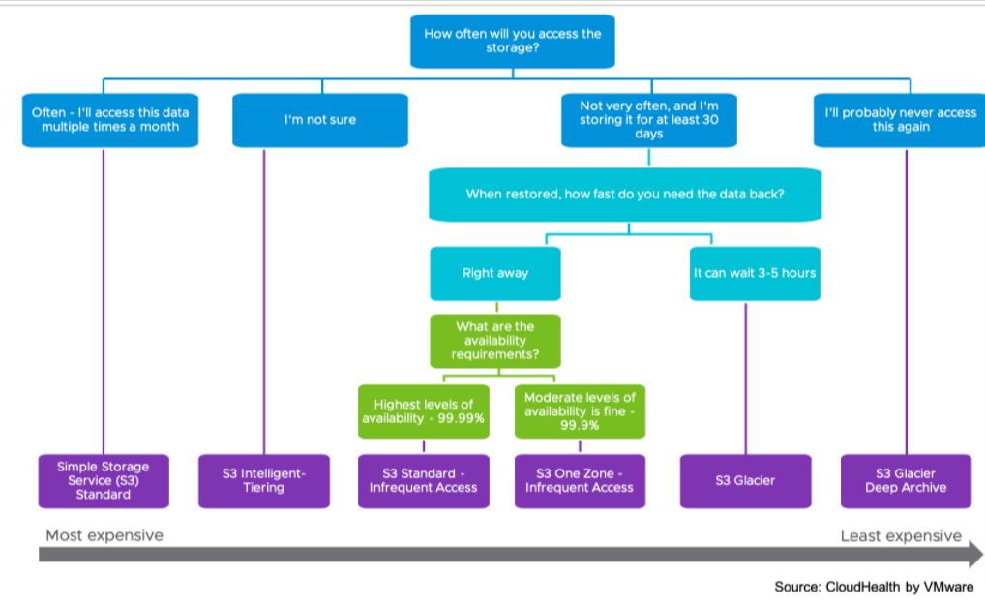
 | S3 Standard | S3 Intelligent-Tiering* | S3 Standard-IA | S3 One Zone-IA† | S3 Glacier Instant Retrieval | S3 Glacier Flexible Retrieval | S3 Glacier Deep Archive
Designed for durability | (11 9’s) | (11 9’s) | (11 9’s) | (11 9’s) | (11 9’s) | (11 9’s) | (11 9’s)
Designed for availability | 99.99% | 99.90% | 99.90% | 99.50% | 99.90% | 99.99% | 99.99%
Availability SLA | 99.90% | 99.00% | 99.00% | 99.00% | 99.00% | 99.00% | 99.90%
Availability Zones | ≥3 | ≥3 | ≥3 | 1 | ≥3 | ≥3 | ≥3
Minimum capacity charge per object | N/A | N/A | 128 KB | 128 KB | 128 KB | 40 KB | 40 KB
Minimum storage duration charge | N/A | N/A | 30 days | 30 days | 90 days | 90 days | 180 days
Retrieval charge | N/A | N/A | per GB retrieved | per GB retrieved | per GB retrieved | per GB retrieved | per GB retrieved
First byte latency | milliseconds | milliseconds | milliseconds | milliseconds | milliseconds | minutes or hours | hours
Storage type | Object | Object | Object | Object | Object | Object | Object
Lifecycle transitions | Yes | Yes | Yes | Yes | Yes | Yes | Yes
Storage Cost (per GB per month) | $0.023 | $0.0125 - $0.023 | $0.0125 | $0.01 | $0.004 Minimum 90 days | $0.004 Minimum 90 days | $0.00099 Minimum 180 days
Retrieval Cost (per 1000 requests) | GET $0.0004 | GET $0.0004 | GET $0.001 | GET $0.001 | GET $0.0004 + Expedited - $10.00 Standard - $0.05 Bulk - $0.025 |  | GET $0.0004 + Standard - $0.10 Bulk - $0.025
Time to retrieve | instantaneo us | instantaneo us | instantaneo us | instantaneo us | Expedited (1 to 5 minutes) Standard (3 to 5 hours) Bulk (5 to 12 hours) | Expedited (1 to 5 minutes) Standard (3 to 5 hours) Bulk (5 to 12 hours) | Standard (12 hours) Bulk (48 hours)

Minimum Days for Transition
 | S3 Standard | to | S3 Standard-IA | S3 Intelligent-Tiering | S3 One Zone-IA | 30 Days
 | S3 Standard-IA | to | S3 Intelligent-Tiering | S3 One Zone-IA |  | 30 Days
Pricing
Data Transfer(Free)
You pay for all bandwidth into and out of Amazon S3, except for the following:
Data transferred out to the internet for the first 100GB per month.
Data transferred in from the internet.
Data transferred between S3 buckets in the same AWS Region.
Data transferred from an Amazon S3 bucket to any AWS service(s) within the same AWS Region as the S3 bucket (including to a different account in the same AWS Region).
Data transferred out to Amazon CloudFront (CloudFront).

