Current_Resource_config
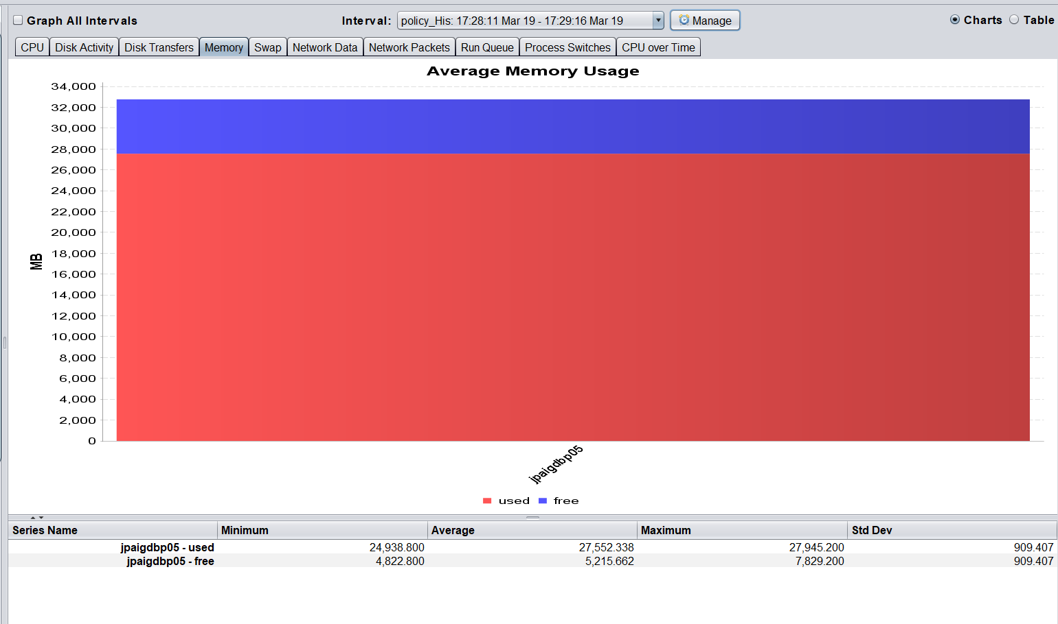
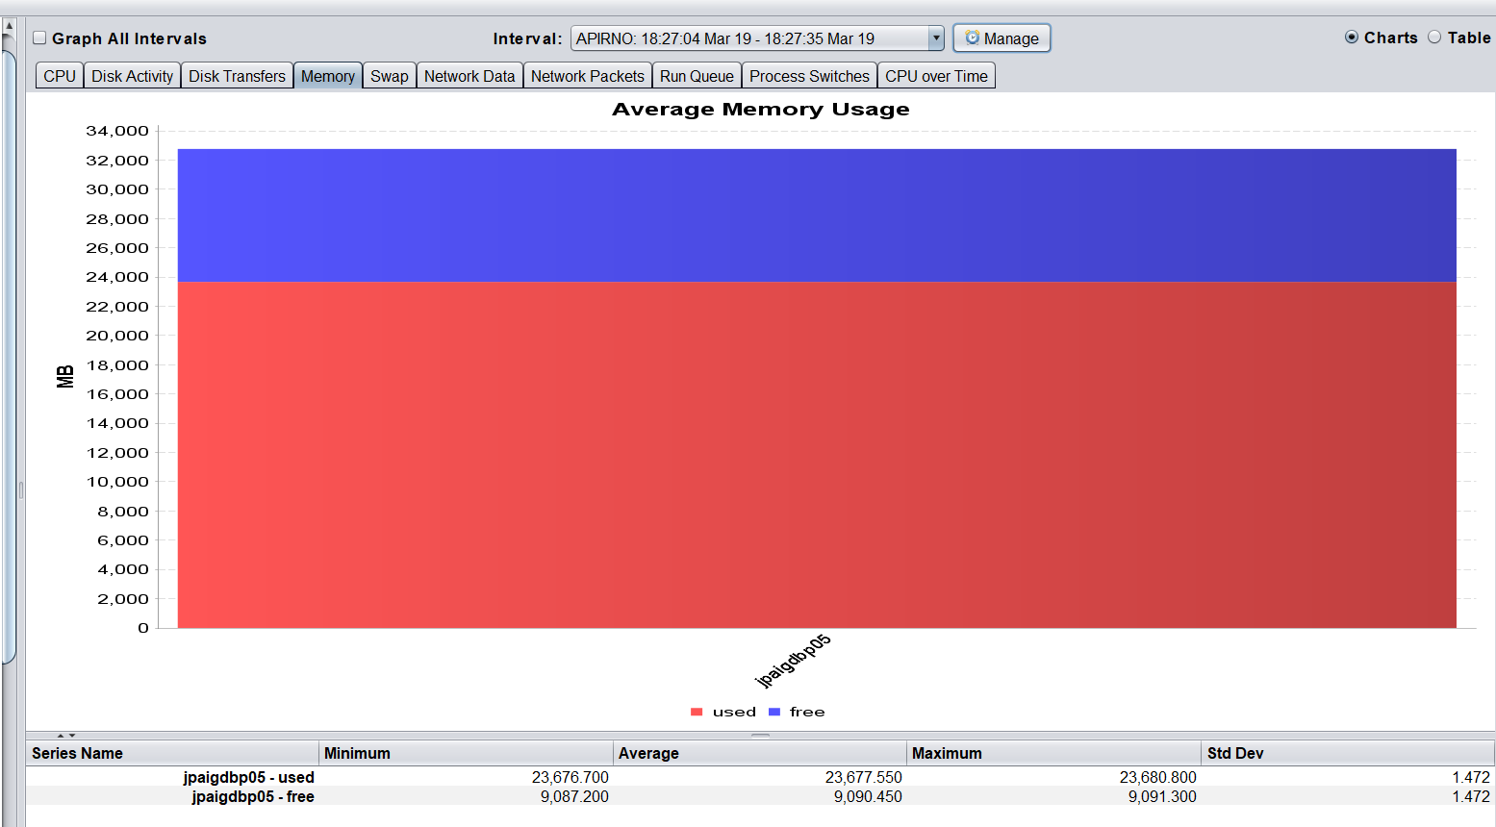
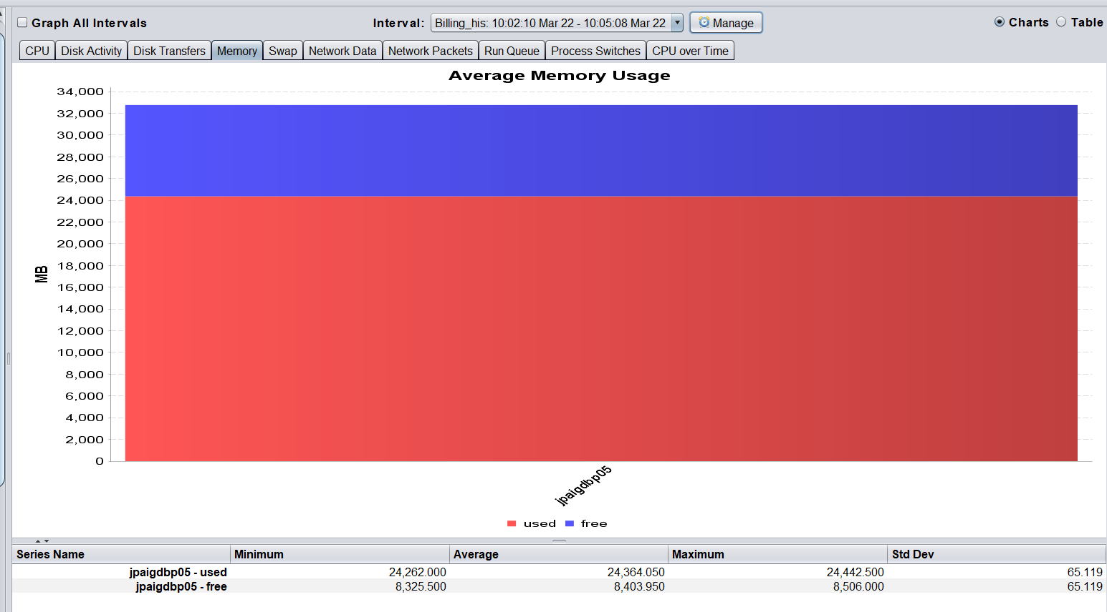
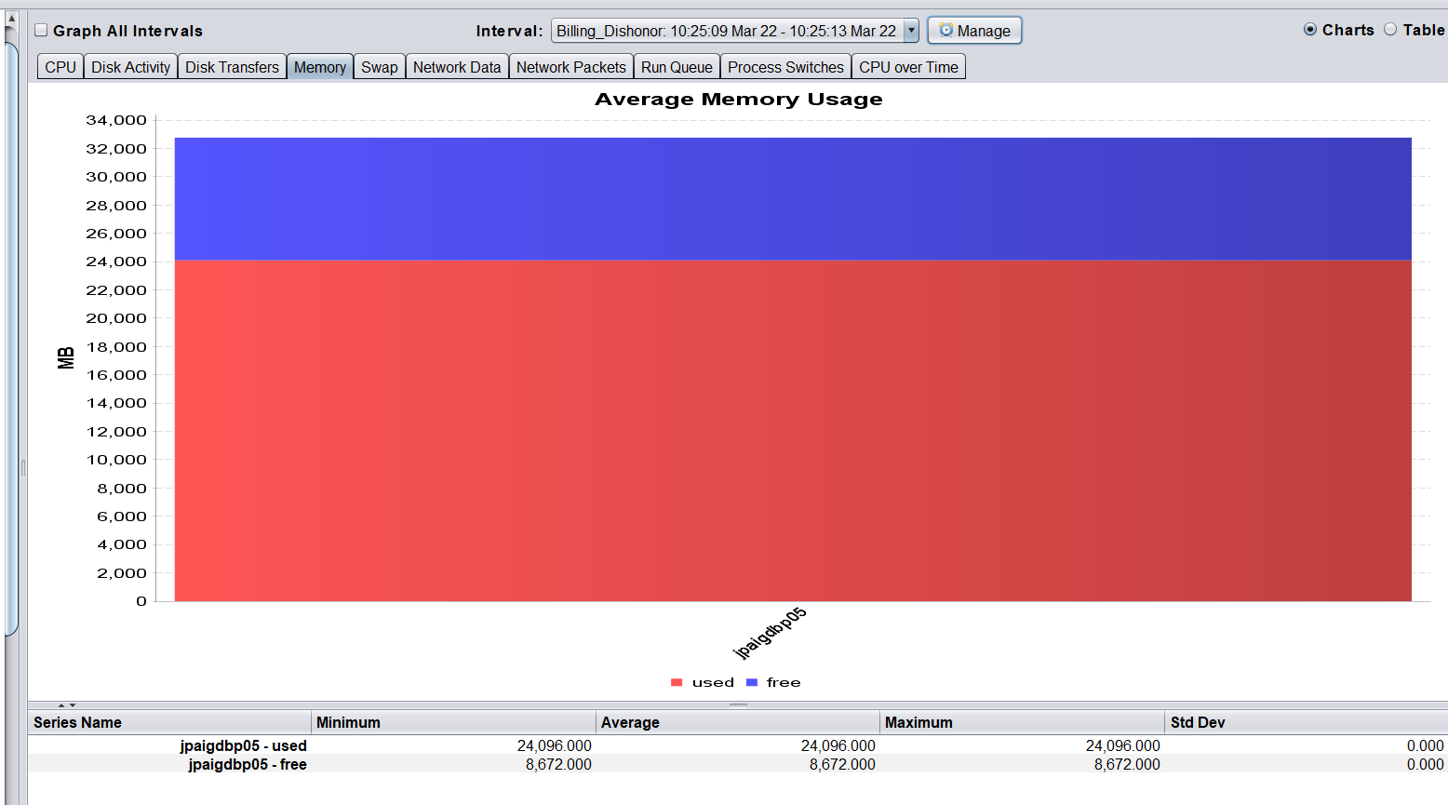
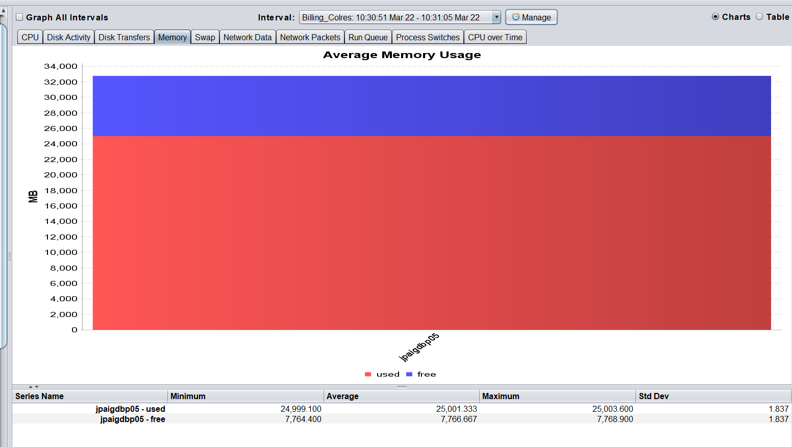

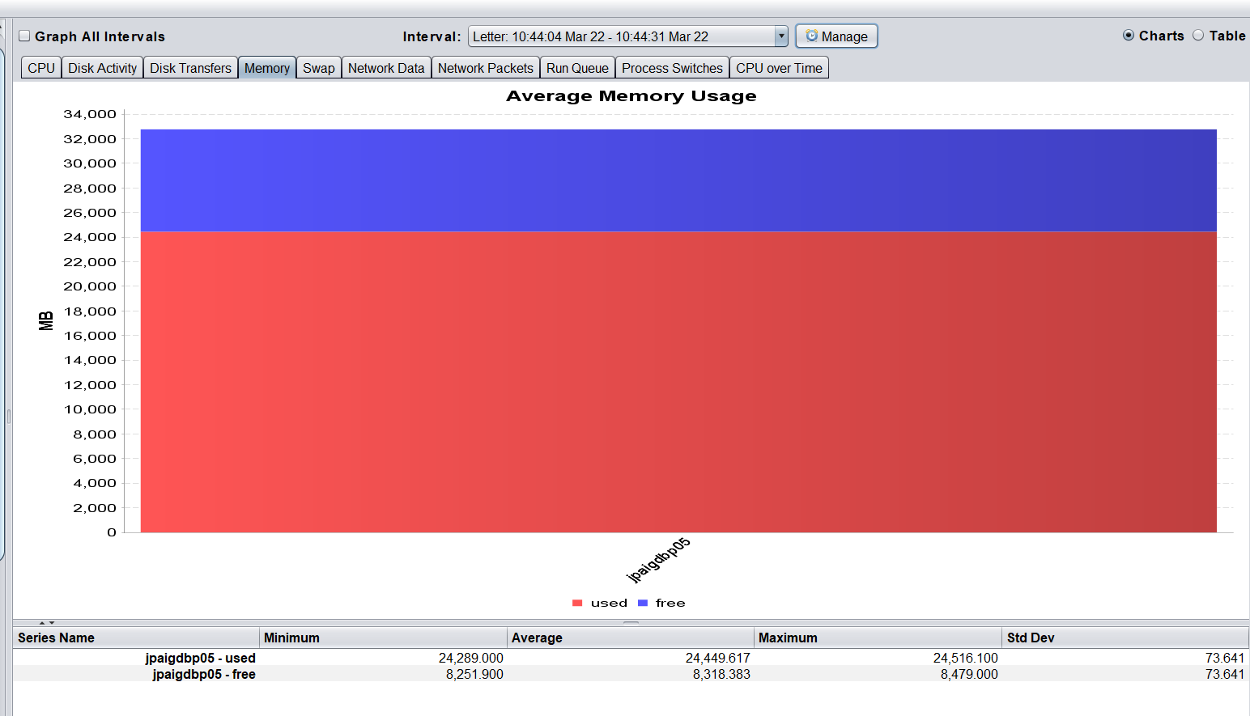

Machine and DB current configuration

H | CPUs and Cores
 |  | AIX | 7.1.5.32
 |  | MachineType | IBM | 8408-44E
 |  | NodeName | jpaigdbp05
 |  | lparno | 102
 |  | lparname | JP_jpaigdbp05_UAT
 |  | CPU in sys | 33
 |  | Virtual CPU | 4
 |  | Logical CPU | 32
 |  | smt threads | 8
 |  | capped | 1
 |  | min Virtual | 1
 |  | max Virtual | 6
 |  | min Logical | 1
 |  | max Logical | 48
 |  | min Capacity | 1
 |  | max Capacity | 6
 |  | Entitled Capacity | 4
 |  | min Memory MB | 1024
 |  | max Memory MB | 65536
 |  | online Memory | 32768

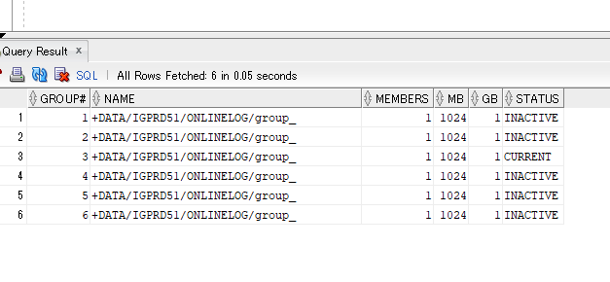
B | ReDoLog
 |  | STGPRD51 |  |  |  |  | IGPRD51
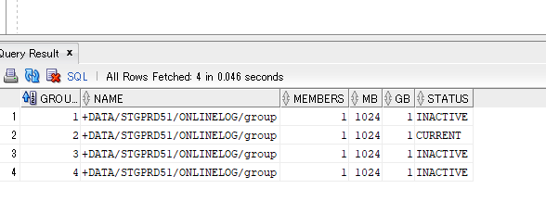

C | Show PARAMETERS

 |  | STGPRD51 |  |  |  | IGPRD51

D | Archive log | Must be OFF

E | Temp Table space
 |  | STGPRD51 |  |  |  |  |  | IGPRD51

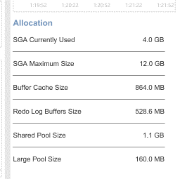
F | SGA | Required PGA 8 to 16 GB
 |  |  |  |  |  |  |  |  | IGGPRD51
 |  |  |  |  | STGPRD51
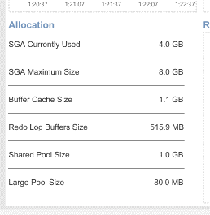

G | PGA | Required PGA 8 to 16 GB
 |  |  |  |  | STGPRD51 |  |  |  |  | IGGPRD51

Resource_Utilization
1 | Module Name: Nayose, Personal client and Client History
 |  | Chunk | 30
 |  | Parallel | 30
 |  | Bulk Collect | 1000

 |  | statspack

 |  | NMON |  | Nayose | 19/03/2021 | 19/03/2021
 |  |  |  | Personal client | 19/03/2021 | 19/03/2021
 |  |  |  | Client History | 19/03/2021 | 19/03/2021

 |  |  |  | Nayose

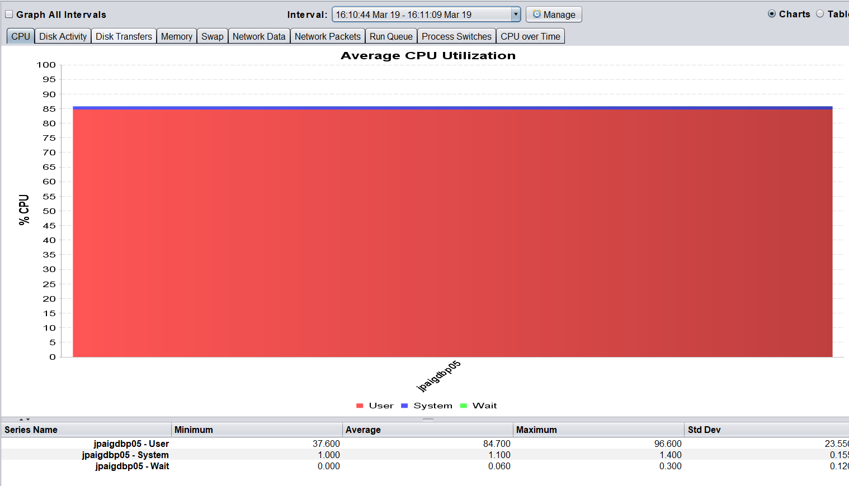

System Summary jpaigdbp05 22-03-2021
 | CPU% | IO/sec
44277.419676 | 96.8 | 2236
44277.419734 | 95.6 | 2159.3
44277.419792 | 97 | 3494.8
44277.41985 | 94.7 | 4005.5
44277.419907 | 90.7 | 2102.2
44277.419965 | 88.8 | 257.6
44277.420023 | 86.8 | 665.7
44277.420081 | 77.7 | 256.9
44277.420139 | 72.4 | 269.1
44277.420197 | 60.4 | 210.6
44277.420255 | 13.8 | 163.7
44277.420312 | 12.9 | 966.6
44277.42037 | 0.9 | 34
44277.420428 | 0.6 | 9
44277.420486 | 0.6 | 4.8
44277.420544 | 0.7 | 23.4
44277.420602 | 0.7 | 43.2
44277.42066 | 4.2 | 222.8
44277.420718 | 0.5 | 7.8
44277.420775 | 0.5 | 6.2
44277.420833 | 0.6 | 10.6
44277.420891 | 0.6 | 11.4
44277.420949 | 0.4 | 10.4
44277.421007 | 0.5 | 3.6
44277.421065 | 0.4 | 10.6
44277.421123 | 0.4 | 7.8
44277.421181 | 0.5 | 4.4
44277.421238 | 0.8 | 20.6
44277.421296 | 0.6 | 58.8
44277.421354 | 0.8 | 6.4
44277.421412 | 2.4 | 6.2
44277.42147 | 0.5 | 12.2
44277.421528 | 0.9 | 10.4
44277.421586 | 0.6 | 13.2
44277.421644 | 0.6 | 12.6
44277.421701 | 0.6 | 3.6
44277.421759 | 0.6 | 11.4
44277.421817 | 0.6 | 6.4
44277.421875 | 0.5 | 7.6
44277.421933 | 0.7 | 25.8
44277.421991 | 0.9 | 50.8
44277.422049 | 0.9 | 5.8
44277.422106 | 0.5 | 9.4
44277.422164 | 0.5 | 8.4
44277.422222 | 0.6 | 9
44277.42228 | 0.6 | 12.6
44277.422338 | 0.6 | 9
44277.422396 | 2.7 | 582
44277.422454 | 13.1 | 1843.4
44277.422512 | 14.4 | 769.6
...
System Summary jpaigdbp05 19-03-2021
 | CPU% | IO/sec
44274.419572 | 0.6 | 9.2
44274.41963 | 5.5 | 23.6
44274.419687 | 0.4 | 6.6
44274.419745 | 1.2 | 10.6
44274.419803 | 0.6 | 11
44274.419861 | 0.5 | 5.4
44274.419919 | 0.5 | 9.2
44274.419977 | 0.5 | 8.6
44274.420035 | 0.4 | 5.8
44274.420093 | 0.5 | 139.9
44274.42015 | 0.8 | 17
44274.420208 | 0.6 | 70.2
44274.420266 | 0.4 | 16.2
44274.420324 | 0.6 | 57.2
44274.420382 | 0.4 | 5.2
44274.42044 | 0.9 | 9.4
44274.420498 | 0.6 | 10.2
44274.420556 | 0.4 | 5.8
44274.420613 | 0.4 | 9.2
44274.420671 | 0.5 | 8.8
44274.420729 | 0.5 | 20
44274.420787 | 0.5 | 32.8
44274.420845 | 0.8 | 17.6
44274.420903 | 0.5 | 5
44274.420961 | 0.4 | 9.2
44274.421019 | 0.7 | 9.4
44274.421076 | 0.7 | 8.6
44274.421134 | 0.8 | 8.6
44274.421192 | 0.6 | 9.4
44274.42125 | 0.4 | 7
44274.421308 | 0.5 | 7.6
44274.421366 | 0.9 | 13.6
44274.421424 | 2.4 | 5
44274.421481 | 0.6 | 60.6
44274.421539 | 0.8 | 16.8
44274.421597 | 0.5 | 5.8
44274.421655 | 0.4 | 9.2
44274.421713 | 0.7 | 8.6
44274.421771 | 0.5 | 6.6
44274.421829 | 0.9 | 7
44274.421887 | 0.6 | 11
44274.421944 | 0.5 | 6
44274.422002 | 0.5 | 9.2
44274.42206 | 0.5 | 6
44274.422118 | 0.5 | 8.6
44274.422176 | 0.6 | 39.8
44274.422234 | 0.8 | 17.4
44274.422292 | 0.6 | 24
44274.42235 | 0.5 | 12.6
44274.422407 | 0.7 | 22.8
...

