Racks
rack_no | tube_no | var1_level | var2_level | fly_no | Notes
1 | 1 |  |  |  | In principle, each rack is expected to contain one experimental arm in 12 tubes
1 | 2 |  |  |  | (i.e. a single combination of variable levels, with all the specimens of that combination).
1 | 3 |  |  |  | The most straight-forward experimental design is two racks (i.e. wild-type and mutant
1 | 4 |  |  |  | or control and treated) with 10-15 flies in each of the 12 tubes.
1 | 5 |  |  |  | However, for larger populations, multiple racks can be used for the same arm.
1 | 6 |  |  |  | The most complex experiment would involve 2 variables (i.e. genotype and treatment)
1 | 7 |  |  |  | with up to 4 levels each (i.e. control + 3 doses and wild-type + 3 different mutants).
1 | 8 |  |  |  | That would require 8 racks, if each arm will have 100-200 flies. However, one arm could
1 | 9 |  |  |  | have as many racks as the experimenter wished. More complex experiments (i.e. with
1 | 10 |  |  |  | more variables/levels) would require combining two drosben Experiment instances.
1 | 11 |  |  |  | Most experiments will need less than 8 racks; the researcher can combine the tubes
1 | 12 |  |  |  | within racks as they see fit, and leave blank the racks/tubes that will not be used.
2 | 1 |  |  |  | Leave columns C-E blank as necessary.
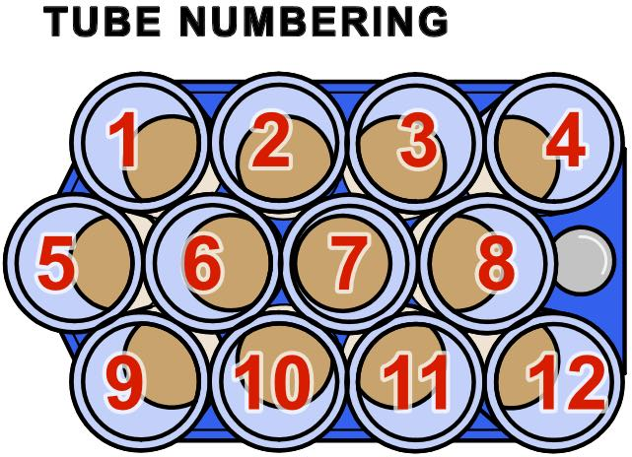
2 | 2
2 | 3
2 | 4
2 | 5
2 | 6
2 | 7 |  |  |  | Leave columns C-E blank as necessary.
2 | 8
2 | 9
2 | 10
2 | 11
2 | 12
3 | 1 |  |  |  | Leave columns C-E blank as necessary.
3 | 2
3 | 3
3 | 4
3 | 5
3 | 6
3 | 7 |  |  |  | Leave columns C-E blank as necessary.
3 | 8
3 | 9
3 | 10
3 | 11
3 | 12
4 | 1 |  |  |  | Leave columns C-E blank as necessary.
4 | 2
4 | 3
4 | 4
4 | 5
4 | 6
4 | 7 |  |  |  | Leave columns C-E blank as necessary.
4 | 8
4 | 9
4 | 10
4 | 11
4 | 12
5 | 1 |  |  |  | Leave columns C-E blank as necessary.
5 | 2
5 | 3
5 | 4
5 | 5
5 | 6
5 | 7 |  |  |  | Leave columns C-E blank as necessary.
5 | 8
5 | 9
5 | 10
5 | 11
5 | 12
6 | 1 |  |  |  | Leave columns C-E blank as necessary.
6 | 2
6 | 3
6 | 4
6 | 5
6 | 6
6 | 7 |  |  |  | Leave columns C-E blank as necessary.
6 | 8
6 | 9
6 | 10
6 | 11
6 | 12
7 | 1 |  |  |  | Leave columns C-E blank as necessary.
7 | 2
7 | 3
7 | 4
7 | 5
7 | 6
7 | 7 |  |  |  | Leave columns C-E blank as necessary.
7 | 8
7 | 9
7 | 10
7 | 11
7 | 12
8 | 1 |  |  |  | Leave columns C-E blank as necessary.
8 | 2
8 | 3
8 | 4
8 | 5
8 | 6
8 | 7 |  |  |  | Leave columns C-E blank as necessary.
8 | 8
8 | 9
8 | 10
8 | 11
8 | 12
 |  |  |  |  | Add racks as needed. Each new rack should have 12 tubes, even if they are empty.

