Sheet1
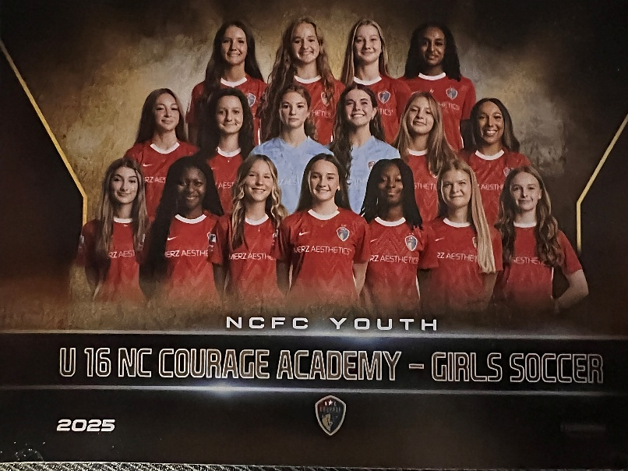
U16 NC Courage ECNL
Raleigh, NC 2025-26
Kendall Fletcher White, Head Coach
kendall.fletcher.white@ncfcyouth.com
(919) 717-4593

Erwin van Bennekom, Academy Director
erwin.vanbennekom@ncfcyouth.com |  |  |  | Scan for Additional Information
(314) 910-7174 |  |  |  |  | 2026 ECNL Playoffs Champions League Qualifiers

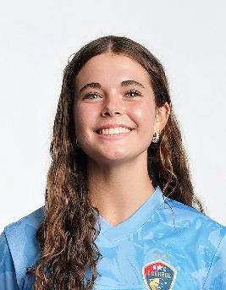
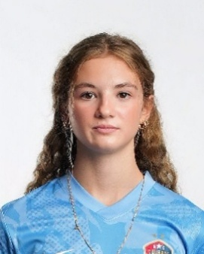
36
43
Mallory | 1 | Goalkeeper |  |  | Kenden | 1 | Goalkeeper
Tabet |  | 5' 6" | | | Right | Mountford |  | 5' 7" | | | Right
 | Middle Creek HS 2028 4.3 |  |  |  |  | Fuquay Varina HS 2028 4.25
2025 ECNL North American Cup Qualifier
2024 ECNL Champions Cup Qualifier
2023-2025 US Soccer Talent ID Invitations
Spanish Honor Society
Hidden Opponent Club
WCPSS Youth Mental Health Advisory Committee
2024 NCFC Shield Award Winner
Camp Chris Stone Counselor
TOP Soccer Buddy
 | UNCOMMITTED |  |  |  |  | UNCOMMITTED
2025 ECNL North American Cup Qualifier
2024 ECNL Champions Cup Qualifier
Science National Honor Society
Fashion Club President
TOP Soccer Buddy
Interfaith Food Shuttle Farm Volunteer

 | mallorytabet@gmail.com |  |  |  |  | kendenmiamountford@gmail.com

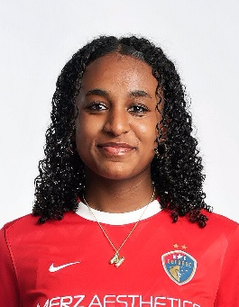
35
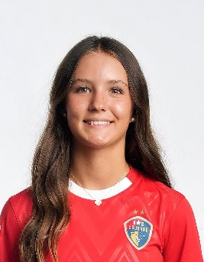
60
Milania | 1 | Defensive Mid | 2 | Center Back | Ellie "Mally" | 1 | Attacking Mid | 2 | Defensive Mid
Davis |  | 5' 5" | | | Right | Mallard |  | 5' 8" | | | Right
 | Crossroads Flex HS 2027 4.25 |  |  |  |  | Crossroads Flex HS 2028 4.3
2025 ECNL North American Cup Qualifier
2024 ECNL Champions Cup Qualifier
TOP Soccer Buddy
Key CLub
Inter-Faith Food Shuttle Farm Volunteer
A Note in the Pocket Volunteer
National Honor Society
 | COMMITTED |  |  |  |  | UNCOMMITTED
2025 ECNL North American Cup Qualifier
2023, 2024 US Soccer Talent ID Invitations
2024 Champions League Qualifier
National Honor Society

 | milasoccer1@gmail.com |  |  |  |  | ellie.mallard@icloud.com

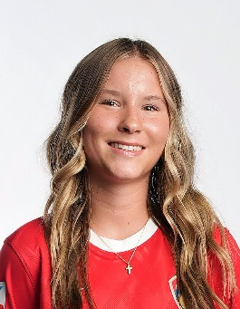
59
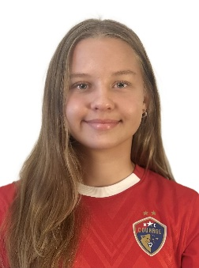
38
Finley | 1 | Outside Back | 2 | Wing Back | Petra-Sofia | 1 | Defensive Mid | 2 | Attacking Mid
Laxton |  | 5' 4" | | | Right | Parkkila |  | 5' 3" | | | Right
 | Crossroads Flex HS 2028 4.25 |  |  |  |  | Cary HS 2028 4.45
2025 ECNL North American Cup Qualifier
2024 ECNL Champions Cup Qualifier
2023 NCFC Shield Award Winner
National Junior Honors Society
Alpha Beta Club
Club Unify
Women's Empowerment Club
Interfaith Food Shuttle Volunteer
Rise Against Hunger Volunteer
 | UNCOMMITTED |  |  |  |  | UNCOMMITTED
2025 ECNL North American Cup Qualifier
2024 ECNL Champions Cup Qualifier
National Junior Honor Society
PE Pals
Top Soccer Buddy
Tor Football Volunteer
Miracle League Volunteer
VBS Volunteer

 | finleylaxton06@icloud.com |  |  |  |  | petra.parkkila@gmail.com

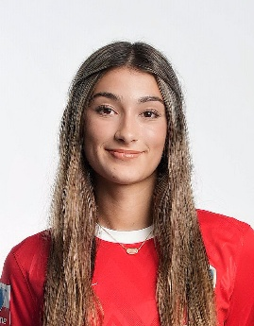
63
39
Savanah | 1 | Outside Back | 2 | Defensive Mid | Elliott (Ellie) | 1 | Striker | 2 | Winger
Windley |  | 5' 3" | | | Right | Duffy-Hammett |  | 5' 5" | | | Right
 | Cardinal Gibbons HS 2028 4.2 |  |  |  |  | Carborro HS 2028 4.7
 | UNCOMMITTED |  |  |  |  | UNCOMMITTED
2025 ECNL North American Cup Qualifier
2024 ECNL Champions Cup Qualifier
National Honor Society
NCSRA Soccer Referee
Wags and Whiskers Hope Fund Founder and CEO
American Red Cross Volunteer
A Note in the Pocket Volunteer
NC Food Bank Volunteer
Cary Teen Council Volunteer
2026 ECNL Texas National Selection Game
2026 Courage Academy Super Cup Team Selection
2025 ECNL North American Cup Qualifier
2025 ECNL Mid-Atlantic All Conference First Team
NCHSAA 3A All-State Team
Northern Lakes Conference Player of the Year
Rise Against Hunger Volunteer

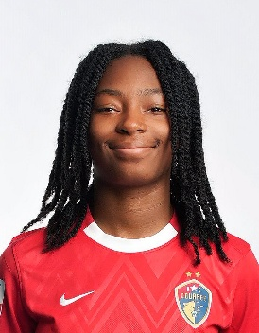
40
 | windleysavanah@gmail.com |  |  |  |  | elliottdh1310@gmail.com
Lilah | 1 | Center Back |  |  | Kylen "Ky" | 1 | Winger | 2 | Striker
Dougherty |  | 5' 7" | | | Right | Clack |  | 5' 3" | | | Right
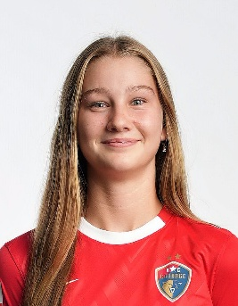
45
 | Raleigh Charter HS 2028 3.7 |  |  |  |  | East Wake Magnet HS 2028 4.0
2025 ECNL North American Cup Qualifier
2025 ECNL Mid-Atlantic Conference First Team
2024 ECNL Champions Cup Qualifier
2023, 2024 ODP National Select Team
2023, 2024, 2025 US Soccer Talent ID Invitations
Interfaith Food Shuttle Farm Volunteer
Future Farmers of America Member
 | UNCOMMITTED |  |  |  |  | UNCOMMITTED
2025 ECNL North American Cup Qualifier
2024 ECNL Champions Cup Qualifier
2023 Pride of the Pack (Basketball)
TFS Citizen of the Month
TFS Most Athletic
St. Francis League MVP 22-23
2024 NCFC Shield Award

 | lilahgdougherty@gmail.com |  |  |  |  | kylenclack.10ncc@gmail.com

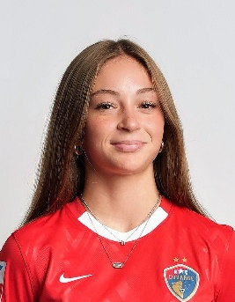
77
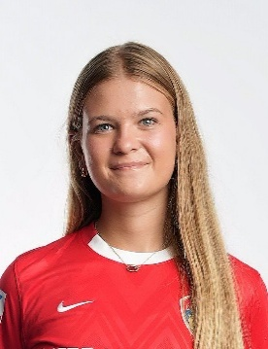
34
Hana | 1 | Center Back |  |  | Caroline | 1 | Defensive Mid | 2 | Attacking Mid
Kaghat |  | 5' 5" | | | Right | Bewley |  | 5' 4" | | | Right
 | Apex HS 2028 4.1 |  |  |  |  | Crossroads Flex HS 2028 4.3
2025 US Soccer Talent ID Invitation
2025 ECNL Mid-Atlantic All Conference
2025 ECNL North American Cup Qualifier
NC Courage Super Cup Team
USL-u20 Academy Team
Interfaith Food Shuttle Farm Volunteer
NCFC Shield Award Winner
National Honor Society
 | UNCOMMITTED |  |  |  |  | UNCOMMITTED
2025 ECNL North American Cup Qualifier
2024 ECNL Champions Cup Qualifier
2024 US Soccer Talent ID Invitation
2023 & 2025 Shield Award
2025 USL Super Cup Team
FCCLA National Culinary CLub

 | hanaksoccer@gmail.com |  |  |  |  | carolinebewley18@gmail.com

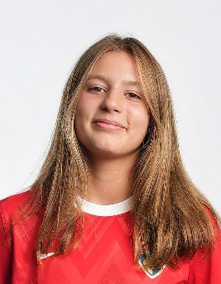
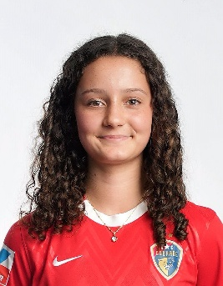
39
41
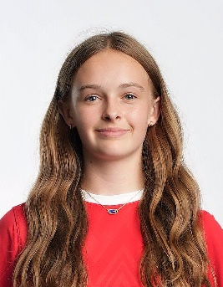
73
Miren | 1 | Attacking Mid | 2 | Defensive Mid | Audrey | 1 | Winger | 2 | Attacking Mid
Osle |  | 5' 7" | | | Right | Derifaj |  | 5' 2" | | | Right
 | Saint Mary's School 2029 X.XX |  |  |  |  | Cary HS 2029 X.XX
2025 ECNL Champions League Qualifier
2023 u14 Cantabria Regional Selection (Spain)
2024 US Soccer Talent ID Center Invitation
2024 Minnesota and Midwest Region ODP
Volunteer with Various Community Hunger and International Relief Organizations
2025 ECNL North American Cup Qualifier
NC Courage Super Cup USL-u20 Academy Team
Cary HS Cross Country All Time 3K & 5K Record Holder
2025 Top 10 Finisher -NCHSAA 7A Cross Country State Championships
 | UNCOMMITTED |  |  |  |  | UNCOMMITTED
2026 ECNL Texas National Selection Game
2026 Courage Academy Super Cup Team Selection
2025 ECNL North American Cup Qualifier
2025 ECNL Mid-Atlantic All Conference First Team
NCHSAA 3A All-State Team
Northern Lakes Conference Player of the Year
Rise Against Hunger Volunteer
Volunteer Swim Coach

 | mirenosle@gmail.com |  |  |  |  | afderifaj@gmail.com

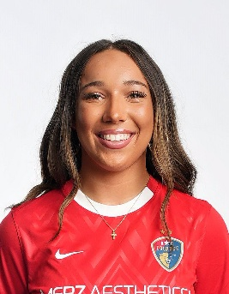
51
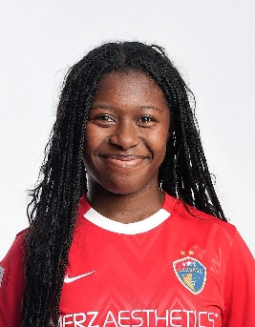
42
Sadie | 1 | Striker | 2 | Winger | Michal | 1 | Striker | 2 | Winger
Sadler |  | 5' 5" | | | Right | Wilburn |  | 5' 2" | | | Right
 | Green Level HS 2029 X.XX |  |  |  |  | Apex Friendship HS 2029 4.5
2025 ECNL North American Cup Qualifier
2024 ECNL Champions Cup Qualifier
National Junior Honor Society
Superintendent's Student Leadership Council
Student of the Year
 | UNCOMMITTED |  |  |  |  | UNCOMMITTED
Christmas Warehouse Volunteer
Salvation Army Volunteer
Feed the Children Volunteer
Club Unified Volunteer by Crafting with Students with Special Needs

 | sadiesadlersoccer51@gmail.com |  |  |  |  | MichalW.2029@gmail.com

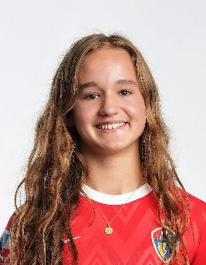
44
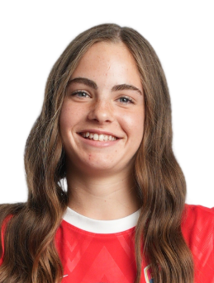
3
Mae | 1 | Winger | 2 | Striker | Cosette | 1 | Outside Back | 2 | Defensive Mid
Louthan |  | 5' 7" | | | Left | Pratt |  | 5' 4" | | | Right
 | East Chapel Hill HS 2029 4.63 |  |  |  |  | ONE Life Academy 2030 4.0
US Soccer id2 National Selection Camp
2x ECNL Spotlight Game
UYSNT Regional Camp
 | UNCOMMITTED |  |  |  |  | UNCOMMITTED
2026 USYS ODP - Interregional ID Invitation
2025 USYS ODP - South Region ID Invitation
2026 Courage Academy Super Cup Team Selection
2026 NCHSA 6A Indoor Track 4x200m - Third Place
2026 NCHSA 6A Outdoor Track 4x400m - Third Place
Deca Club
Period Poverty and Advocacy Club

 | maelouthan@gmail.com |  |  |  |  | cosettepratt@icloud.com

Sheet2
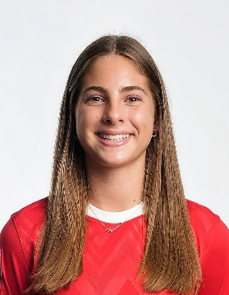
65
Audrey | 1 | Center Back
Bass |  | 5' 7" | | | Right
 | Crossroads Flex HS 2029 4.0
 | UNCOMMITTED
2021- Present 2011 NC Courage Academy
2025 USYNT East Regional Mini Camp
2024, 2025 USYNT ID Center x4
2024, 2025 ECNL Champions League Qualifier
2026 ECNL North American Cup Qualifier
2023- Present NCFC Juniors Academy Volunteer
2023 World Futsal Championship Finalist

 | audreybass1214@gmail.com

