Categories
Website:
www.nology.co.za
Reseller Portal:
www.resellers.nology.co.za
Gauteng Tel: 010 824 0040 E-mail: sales@nology.co.za Cape Town Tel: 010 824 0044 E-mail: cptsales@nology.co.za

CONSUMER | NETWORKING | UNIFIED COMMUNICATIONS

E & OE Terms & Conditions: Pricing valid from 1 April 2026 until 30 April 2026. All pricing is Exclusive of VAT and subject to stock availability and lead times. Pricing is subject to change without notice and is linked to the exchange rate. CLICK HERE to view our full Terms and Conditions.

EOL Products
 |  |  |  | Return



END OF LIFE PRODUCTS

SKU | DESCRIPTION | REPLACEMENT SKU | REPLACEMENT DESCRIPTION | COMMENTS
D53G-5HacD2HnD-TC&RG502Q-EA | Chateau 5G kit with 716MHz four core CPU, 256MB RAM, 5 x Gigabit LAN, two wireless interfaces (built-in 2.4Ghz 802.11b/g/n two chain wireless with integrated antennas, built-in 5Ghz 802.11ac two chain wireless with integrated antennas), RG502Q-EA LTE/5G modem for bands 1/3/5/7/8/18/19/20/26/28/32/34/38/39/40/41/42/43/77/78/79, two external and six internal LTE/5G antennas, tower case, USB, 1m RJ45 cable, PSU, RouterOS L4 | S53UG+5HaxD2HaxD-TC&FG621-EA | Chateau LTE6 ax with 1.8GHz four core CPU, 1GB RAM, 1 x 2.5 Gigabit LAN, 4 x Gigabit LAN, two wireless interfaces (built-in 2.4Ghz 802.11b/g/n/ax two chain wireless, built-in 5Ghz 802.11a/n/ac/ax two chain wireless) with external antennas, LTE CAT6 modem for International bands 1/3/5/7/8/20/28/38/40/41 with integrated antennas, SMA connectors for external antennas, tower case, USB, PSU, RouterOS L4, International version | EOL
MTAS-5G-15D120 | MikroTik Dual-polarization 5Ghz 15dBi 120 degree beamwidth antenna with two RP-SMA connectors | L22UGS-5HaxD2HaxD-15S (mANTBox ax 15s) | mANTBox ax 15s with with dual-core ARM IPQ-5010 800MHz CPU, 256MB RAM, 1x2.5Gigabit SFP port, 1xGigabit LAN, built-in dual-band 2.4GHz 802.11b/g/n/ax dual-chain, 5GHz 802.11a/n/ac/ax dual-chain wireless, USB, RouterOS L4, outdoor enclosure, PSU, Gigabit PoE injector, pole mounting set (metal ring, quickMOUNT pro), integrated 2.4GHz 12 dBi and 5GHz 15 dBi sector antenna | EOL
RBLHGR | MikroTik LHG 2G/3G/4G/LTE High Gain 17dBi CPE for Very Remote Areas (International Bands) | LHGGR&FG621-EA | LHGG LTE6 kit with 17dBi 25 degrees LTE directional antenna, 800MHz dual-core CPU, 256MB RAM, 1 x Gigabit Ethernet port (802.3af/at PoE-in), LTE CAT6 modem (R11eL-FG621-EA) for International bands 1/3/5/7/8/20/28/38/40/41, RouterOS L3, outdoor enclosure, PSU, PoE injector, pole mounting bracket | EOL
MTAD-5G-30D3-4STD | MikroTik MTAD-5G-30D3-4STD Parabolic dish antenna for 5GHz, 30dBi gain (4-pack) | MTAD-5G-30D3-4PA | mANT 30dBi 5Ghz Parabolic Dish antenna with precision aligmnent mount, 4-pack (all four antennas in single box) | EOL
RBwAPR-2nD&R11e-LR8 | MikroTik wAP LR8 Kit 2.4Ghz 2dBi LoraWAN Gateway | RBwAPR-2nD&R11e-LR8G | wAP LR8G kit for 863-870MHz frequency (European Union, India etc.) - 650MHz CPU, 64MB RAM, 1xLAN, built-in 2.4Ghz 802.11b/g/n Dual Chain wireless with integrated antenna, R11e-LR8G card, LoRa internal antenna with connector, RouterOS L4, outdoor enclosure, PSU, PoE injector | EOL
LtAP-2HnD&FG621-EA&LR8 | MikroTik LtAP LR8 LTE kit with dual core 880MHz CPU, 128MB RAM, 1 x Gigabit LAN, built-in High Power 2.4Ghz 802.11b/g/n Dual Chain wireless with integrated antenna, LTE CAT6 modem for International bands 1/3/5/7/8/20/28/38/40/41 with with internal LTE antenna, GPS, LoRa miniPCI-e card for 863-870MHz frequency (European Union, India etc) with connector for external antenna, three miniSIM slots, RouterOS L4, outdoor enclosure, PSU | LtAP-2HnD&FG621-EA&LR8G | LtAP LR8G LTE kit with dual core 880MHz CPU, 128MB RAM, 1 x Gigabit LAN, built-in High Power 2.4Ghz 802.11b/g/n Dual Chain wireless with integrated antenna, LTE CAT6 modem for International bands 1/3/5/7/8/20/28/38/40/41 with with internal LTE antenna, GPS, LoRa R11e-LR8G miniPCI-e card for 863-870MHz frequency (European Union, India etc) with connector for external antenna, three miniSIM slots, RouterOS L4, outdoor enclosure, PSU | EOL
RB3011UiAS-RM | MikroTik RouterBOARD RB3011UiAS, 10x GB LAN, 1x SFP port, RouterOS L5, 1U rACkmount case, LCD panel | L009UiGS-RM, | L009UiGS with dual core 800MHz CPU, 512MB RAM, 8 x Gbit LAN, 1 x 2.5 Gbit SFP port, USB, desktop/1U rackmount case, PSU, K-79 rackmount kit, RouterOS L5 | EOL
RB3011UiAS-RM | MikroTik RouterBOARD RB3011UiAS, 10x GB LAN, 1x SFP port, RouterOS L5, 1U rACkmount case, LCD panel | RB4011iGS+RM | RouterBOARD 4011iGS+ with Annapurna Alpine AL21400 Cortex A15 CPU (4-cores, 1.4GHz per core), 1GB RAM, 10xGbit LAN, 1xSFP+ port, RouterOS L5, desktop case, rackmount ears, PSU | EOL
RB3011UiAS-RM | MikroTik RouterBOARD RB3011UiAS, 10x GB LAN, 1x SFP port, RouterOS L5, 1U rACkmount case, LCD panel | RB5009UG+S+IN | RouterBORD 5009UG+S+ with Marvell Armada ARMv8 CPU (4-cores, 1.4GHz per core), 1GB of DDR4 RAM, 1GB NAND storage, 1x 2.5Gbit LAN, 7x 1Gbit LAN, 1x SFP+ port, RouterOS L5, metal desktop case, PSU | EOL

SIP PHONES
SIP-T43U | Yealink T43U Advanced Gb IP Phone With Dual USB Ports, Excludes PSU | SIP-T73U | Yealink T73U Gb IP Phone With USB Port, Excludes PSU | EOL / Last Stock Replacement Available
SIP-T44W | Yealink T44W Gigabit Desktop IP Phone With Built-in Wi-Fi, Bluetooth And Dual USB Ports, Excludes PSU | SIP-T73W | Yealink T73W Multifunctional SIP Phone, Wi-Fi, Built-in Bluetooth, PoE support, Excludes PSU | EOL / Last Stock Replacement Available
SIP-T48U | Yealink T48U Gb IP Phone With 7" Touch LCD And Dual USB Ports, Excludes PSU | SIP-T77U | Yealink T77U SIP Phone With 7" Touch Screen, Dual-port Gigabit Ethernet, PoE Support, Dual USB Ports | EOL / Last Stock Replacement Available
SIP-T57W | Yealink T57W Dual Band IP Desktop Phone, Excludes PSU | SIP-T87W | Yealink T87W Prime Business Phone, 7" Touch Screen, Built-In Bluetooth, Wi-Fi, PoE Support, Excludes PSU | EOL / Last Stock Replacement Available
IP CONFERENCE PHONES
CPW65 | Yealink CPW65 Wireless DECT Microphones For CP965 |  |  | EOL / LAST STOCK
USB HEADSETS
UH34-SE-MONO-USBC | Yealink UH34 Mono Headset Special Edition With USB-C Connection, Teams Edition | UH42 MONO TEAMS USB-C/A | Yealink UH42 Mono USB Headset, USB-C With USB-C/A Adapter, Teams Certified | EOL / Last Stock Replacement Available
UH34-SE-DUAL-USBC | Yealink UH34 Dual Headset Special Edition With USB-C Connection, Teams Edition | UH42 DUAL TEAMS USB-C/A | Yealink UH42 Dual USB Headset, USB-C With USB-C/A Adapter, Teams Certified | EOL / Last Stock Replacement Available
UH36-MONO-USBC | Yealink UH36 Mono Headset With USB-C Connection (EOL) | UH37 MONO TEAMS USB-C/A | Yealink UH37 Mono USB Headset, USB-C With USB-C/A Adapter, Teams Certified | EOL / Last Stock Replacement Available
UH37 MONO TEAMS USB-C/A | Yealink UH37 Mono USB Headset, USB-C With USB-C/A Adapter, Teams Certified | UH46 MONO TEAMS USB-C/A | Yealink UH46 Mono USB Headset, USB-C With USB-C/A Adapter, Teams Certified | EOL / Last Stock Replacement Available
UH37 DUAL TEAMS USB-C/A | Yealink UH37 Dual USB Headset, USB-C With USB-C/A Adapter, Teams Certified | UH46 DUAL TEAMS USB-C/A | Yealink UH46 Dual USB Headset, USB-C With USB-C/A Adapter, Teams Certified | EOL / Last Stock Replacement Available
DECT WIRELESS HEADSETS
WH62-DUAL | Yealink WH62-Dual DECT Wireless On Ear Dual Headset (EOL) |  |  | EOL / LAST STOCK
WH64-HYBRID-MONO | Yealink WH64 Hybrid Mono DECT And Bluetooth Hybrid Wireless Headset, Teams Certified, Includes Dongle, Does Not Include Stand |  |  | EOL / LAST STOCK
WH68 HYBRID TEAMS | Yealink WH68 Hybrid DECT Wireless Headset, Teams Certified |  |  | EOL / LAST STOCK
RJ-9 HEADSETS
YHS34-LITE-MONO | Yealink YHS34 Lite Mono Headset With RJ-9 And Foam Ear Cushions | YHS34-MONO | Yealink YHS34 Mono Headset With RJ-9 And Leatherette Ear Cushions | EOL / Last Stock Replacement Available
YHS34-LITE-DUAL | Yealink YHS34 Lite Dual Headset With RJ-9 And Foam Ear Cushions | YHS34-DUAL | Yealink YHS34 Dual Headset With RJ-9 And Leatherette Ear Cushions | EOL / Last Stock Replacement Available
YHS36-MONO | Yealink YHS36 Mono Headset With RJ-9 And Leatherette Ear Cushions | YHS36 E2 MONO | Yealink YHS36 E2 Mono Headset With RJ-9 And noise Cancelling Microphone And Leatherette Ear Cushions | EOL / Last Stock Replacement Coming Soon
YHS36-DUAL | Yealink YHS36 Dual Headset With RJ-9 And Leatherette Ear Cushions | YHS36 E2 DUAL | Yealink YHS36 E2 Dual Headset With RJ-9 And Noise Cancelling Microphone And Leatherette Ear Cushions | EOL / Last Stock Replacement Coming Soon

SHELLY BLU BUTTON1 (BLACK) | Shelly BLU Button1 (Black) Bluetooth Button For Operated Actions And Scene Activation |  |  | EOL, last stock PROMOTION
SHELLY BLU BUTTON1 (BLUE) | Shelly BLU Button1 (Blue) Bluetooth Button For Operated Actions And Scene Activation |  |  | EOL, last stock PROMOTION
SHELLY BLU BUTTON1 (RED) | Shelly BLU Button1 (Red) Bluetooth Button For Operated Actions And Scene Activation |  |  | EOL, last stock PROMOTION
SHELLY DUO CW/WW (E27) | Shelly Duo CW/WW (E27) Smart Cool Or Warm White Dimmable Bulb |  |  | EOL, last stock PROMOTION
SHELLY VINTAGE A60 (E27) | Shelly Vintage A60 (E27) Dimmable Smart Bulb |  |  | EOL, last stock PROMOTION
SHELLY VINTAGE G125 (E27) | Shelly Vintage G125 (E27) Dimmable Smart Bulb |  |  | EOL, last stock PROMOTION
SHELLY WALL DISPLAY+BLU H&T(W) | Shelly Wall Display + Blu H&T (White) Smart Control Panel With Temperature, Humidity & LUX Sensors |  |  | EOL / Last Stock Replacement Coming Soon

USB Headset
994-000082 | Logitech JumpStart |  |  | EOL

PORTABLE POWER STATIONS
PV120 | Bluetti PV120 Solar Panel 120W |  |  | EOL, last stock

PORTABLE POWER STATIONS
VILO-5-3 | Vilo Mesh Wi-Fi 5 System, 1 Pack |  |  | EOL, last stock
E & OE Terms & Conditions: Pricing valid from 1 April 2026 until 30 April 2026. All pricing is Exclusive of VAT and subject to stock availability and lead times. Pricing is subject to change without notice and is linked to the exchange rate. CLICK HERE to view our full Terms and Conditions.

AudioCodes
Return

Nology is an official distributor of AudioCodes products and solutions
For more information or assistance with the right solution for your requirements, please click HERE.








E & OE Terms & Conditions: Pricing valid from 1 April 2026 until 30 April 2026. All pricing is Exclusive of VAT and subject to stock availability and lead times. Pricing is subject to change without notice and is linked to the exchange rate. CLICK HERE to view our full Terms and Conditions.

H3C Enterprise
 |  | Return

SKU | DESCRIPTION | PRICE | COMMENTS
ENTERPRISE POE ACCESS SWITCHES
LS-5130S-28P-HPWR-EI-AC-GL | H3C S5130S-28P-HPWR-EI-AC L2 Ethernet Switch with 24x 10/100/1000BASE-T PoE+ Ports (AC 370W), 4x 100/1000BASE-X SFP Ports, and 4x GE Combo Ports, (AC) | P.O.R | NOW IN STOCK
LS-5130S-52P-PWR-EI-AC-GL | H3C S5130S-52P-PWR-EI-AC L2 Ethernet Switch with 48x 10/100/1000BASE-T PoE+ Ports (AC 370W) and 4x 1000BASE-X SFP Ports, (AC) | P.O.R | NOW IN STOCK
LS-5170-28S-HPWR-EI-GL | H3C S5170-28S-HPWR-EI L2 Ethernet Switch with 24x 10/100/1000BASE-T Ports and 4x 1G/10G BASE-X SFP Plus Ports, (AC), PoE+ | P.O.R | NOW IN STOCK
ENTERPRISE WIRELESS ACCESS POINTS
EWP-WA6520-FIT | H3C WA6520 Internal Antennas 4 Streams Dual Radio 802.11ax/ac/n Access Point,FIT | P.O.R | NOW IN STOCK
EWP-WA6528I-FIT | H3C WA6528i Internal Antennas 8 Streams Dual Radio 802.11ax/ac/n Access Point, FIT | P.O.R | NOW IN STOCK
EWP-WA6620X-FIT | H3C WA6620X Integrated Internal and External Antennas 4 Streams Dual Radio 802.11ax/ac/n External Access Point | P.O.R | NOW IN STOCK

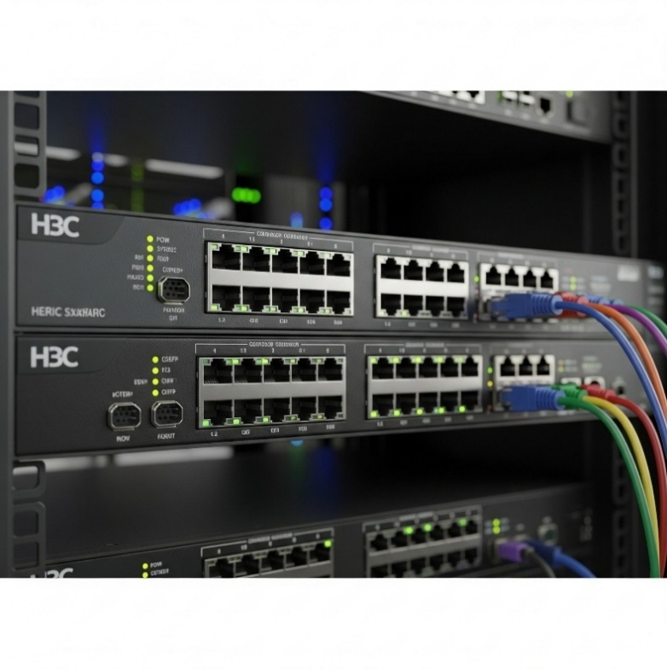
Switches
Hyper-converged Infrastructure
Wireless
Routers
Nology is an Official Distributor of H3C Enterprise Solutions
     

Application Driven WAN (AD-WAN)
Security
Servers – UniServer Series

E & OE Terms & Conditions: Pricing valid from 1 April 2026 until 30 April 2026. All pricing is Exclusive of VAT and subject to stock availability and lead times. Pricing is subject to change without notice and is linked to the exchange rate. CLICK HERE to view our full Terms and Conditions.

Delivery
 |  |  |  |  |  | Return
DELIVERY FEES

 | REGION | ORDER VALUE (Excl. VAT) | DELIVERY FEE (Excl. VAT) | ESTIMATED DELIVERY TIME (From Dispatch)
 | Gauteng (as indicated in orange and blue in the map below) | Below R 3,500 | R 76 | 1 - 2 Business days (from our JHB office) 2 - 3 Business days (from our CPT office)
 |  | Above R 3,500 | FREE
 | Excluding: Townships, chain stores, embassies, high-risk areas, remote and extreme outlying areas, or deliveries with any special requirements and or conditions

 | Gauteng Map
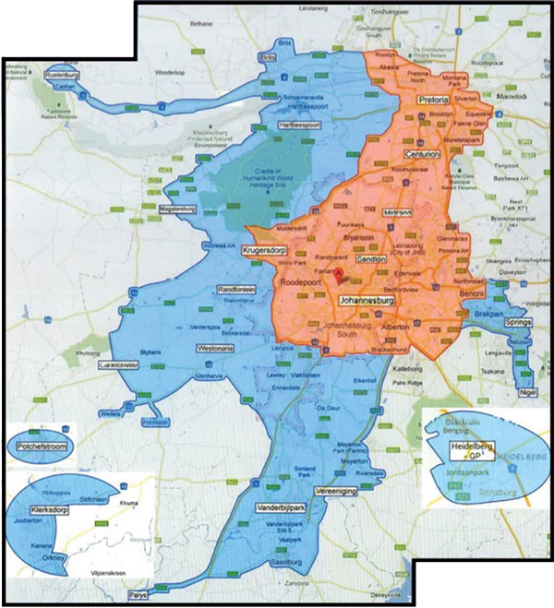

 | REGION | ORDER VALUE (Excl. VAT) | YELLOW AREA DELIVERY FEE (Excl. VAT) | ESTIMATED DELIVERY TIME (From Dispatch)
 | Cape Town (as per the map below) | Below R 3,500 | R 76 | 1 - 2 Business days (from our CPT office) 2- 3 Business days (from our JHB office)
 |  | Above R 3,500 | FREE
 | Excluding: Townships, chain stores, embassies, high-risk areas, remote and extreme outlying areas, or deliveries with any special requirements and or conditions

 | Cape Town Map

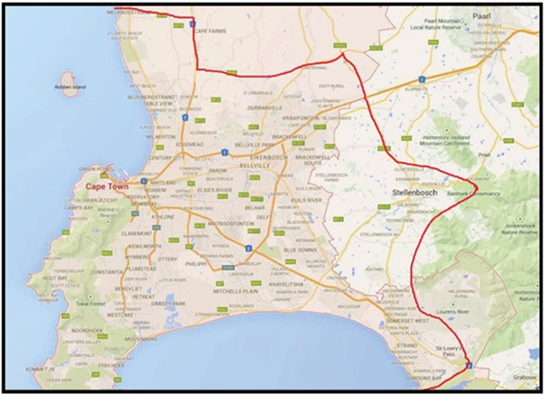

 | REGION | ORDER VALUE (Excl. VAT) | DELIVERY FEE (Excl. VAT) |  | ESTIMATED DELIVERY TIME (From Dispatch)
 | Bloemfontein, Durban, George, Port Elizabeth, Nelspruit, Pietermaritzburg, East London, Kimberley, Welkom, Witbank Polokwane | Below R 5,000 | R 130 |  | 2 - 3 Business days
 |  | Above R 5,000 | FREE |  | 2 - 3 Business days
 | Excluding: Any areas within or surrounding the above listed regions, which the Nology selected courier may classify as a regional area. Townships, chain stores, embassies, high-risk areas, remote and extreme outlying areas, or deliveries with any special requirements and or conditions Orders with special pricing and/or price support.

 | REGION | ORDER VALUE (Excl. VAT) | WEIGHT (Kg) | DELIVERY FEE (Excl. VAT) | ESTIMATED DELIVERY TIME (From Dispatch)
 | All other areas in South Africa | Below R 5,000 | NA | R165 | 3 - 5 Business days (depending on the location)
 |  | Above R 5,000 | Below 15Kg | FREE | 3 - 5 Business days (depending on the location)
 |  | Above R 5,000 | Above 15Kg | R9/kg exceeding 15Kg | 3 - 5 Business days (depending on the location)
 | Excluding: Townships, chain stores, embassies, high-risk areas, remote and extreme outlying areas, or deliveries with any special requirements and or conditions Orders with special pricing and/or price support

DELIVERY & COLLECTION POLICY

(March 2026)

Please take note of the following important information regarding order collections and deliveries as part of our ongoing endeavor for service excellence.
All orders for delivery must be placed before 15:00 Mondays to Thursdays to be prepared and dispatched on the same day.
All orders for delivery must be placed before 14:00 on Fridays to be prepared and dispatched the same day.
COD Customers: No orders will be processed, and no stock will be reserved for any orders placed until payment has been made and reflects in Nology’s bank account (see “Placing Orders” in our How-we-do-Business information).
Collections:
Our Johannesburg and Cape Town Offices will be open for collections:
Mondays to Thursdays from 07:00 to 17:00
Fridays from 07:00 to 16:00
Standard orders will be ready for collection within approximately 15 minutes after payment confirmation.
(see “Placing Orders” in our How-we-do-Business information)
Allow more time for special or large orders - check with your Nology salesperson.
The Sales Order number of your Nology order or your PO number is required as a reference for collections.
When sending your customer to collect:
Clearly indicate this to the Nology Salesperson when placing your order
Confirm your customer’s details (company name and name of person who will be collecting)
Make sure your customer uses the Sales Order number of your Nology order as a reference when collecting.
Nology does NOT accept any responsibility for the wrong order collected by the wrong customer should Sales Order numbers not be provided to our collections staff.
When sending your own couriers to collect:
Clearly indicate this to the Nology Salesperson when placing your order
Ensure/request your courier to complete the waybill in full.
Nology Delivery and Courier Service:
Nology will deliver/courier to all Johannesburg, Pretoria and Cape Town areas as per the maps (excluding townships, chain stores, embassies and high-risk areas or deliveries with any special requirements and/or conditions), FREE of charge for orders exceeding R3,500.00 Excl. VAT.
Nology will courier orders for Bloemfontein, Durban, George, Port Elizabeth, Nelspruit and Polokwane areas (excluding townships, chain stores, embassies, high-risk areas, regional, remote and extreme outlying areas or deliveries with any special requirements and or conditions), FREE of charge for orders exceeding R5,000 Excl. VAT.
Nology will courier orders for all other areas in South Africa (excluding townships, chain stores, embassies, high-risk areas, remote and extreme outlying areas or deliveries with any special requirements and or conditions), FREE of charge for orders exceeding R5,000 Excl. VAT.
Free delivery only applies to orders not exceeding 15kg. Orders over 15Kg will be quoted/charged for every kilogram exceeding 15Kg.
Free delivery only applies to orders exceeding the required value for delivery to a single destination only. Split deliveries to multiple destinations will be for the customer's account and quoted for separately.
Delivery is based on an Economy delivery service level/type during business days and business hours.
Customers requiring a faster service than what Nology offers with our FREE delivery service will be quoted for separately.
Orders with special pricing and/or price support for delivery to areas other than Johannesburg, Pretoria and Cape Town, are excluded from free delivery and will be quoted for.
Deliveries to townships, chain stores, embassies, high risk, remote and extreme outlying areas (incl. farms) or deliveries required outside of normal business hours, will be for the customer’s account and must be specified/requested and quoted for prior to order confirmation. Nology reserves the right to invoice the customer for such delivery afterwards in cases where the customer failed to specify this prior to order confirmation.
Any non-standard deliveries or deliveries with any constraints, challenges, or special requirements (e.g., delivery location not on the ground floor, delivery vehicle accessibility constraints or special requirements, delivery pre-booking requirement, etc.) will be for the customer’s account and must be specified/requested and quoted for prior to order confirmation. Nology reserves the right to decline/reject such deliveries and/or to invoice the customer for such delivery afterwards in cases where the customer failed to specify this prior to order confirmation.
Delivery/Courier times and fees are indicated in the tables above and may vary depending on the courier service available to Nology.
Courier delivery is a third-party service and Nology cannot be held liable for any late deliveries.
Due to this, Nology strongly recommend that the customer use their own delivery or courier service for urgent and critical deliveries.
Nology reserves the right to select the delivery method, either with a preferred courier or with our own driver and vehicle.
General Delivery Information:
The above fees are for deliveries within business hours only. Our couriers do not provide exact delivery times and will deliver between 08:00 and 17:00, Monday to Friday, excluding public holidays.
Courier deliveries will be dispatched the same day for orders placed before 15:00 Monday to Thursday and 14:00 on Fridays.
Deliveries with Nology’s own vehicle will be delivered the next business day for orders received before 15:00.
Unfortunately, we do not deliver to Post Boxes.
Our drivers/couriers require someone to be present at the delivery address provided, to accept the delivery. Parcels will not be handed to security guards or left at guard houses
Lead times indicated are from date of dispatch.
Prices and delivery times may change without notice.
Information in this document is not applicable to customers outside of South Africa. Please contact your sales representative for more information regarding cross-border orders.
For any questions or queries please contact us at 010 824 0040 or e-mail sales@nology.co.za.

