Sheet1
Country | Value | Country | S-Learn | X-Learn | Forest
AUS | -0.050906739348 | AUS | 0.067817673557 | -0.20205520957 | -0.018482682033
AUT | -0.14246193633 | AUT | 0.014704360934 | -0.47783134979 | 0.035741179874
BEL | 0.17356275924 | BEL | 0.083572455202 | -0.029548185129 | 0.46666400764
CAN | 0.18147474782 | CAN | 0.14358909107 | 0.11547452918 | 0.28536062319
CHE | 0.094476471366 | CHE | 0.053054237966 | -0.013221531482 | 0.24359670761
CZE | -0.061521717781 | CZE | 0.046845875922 | -0.13396111618 | -0.097449913083
DEU | -0.11346715868 | DEU | 0.045017263458 | -0.5215194184 | 0.13610067891
ESP | 0.20353915257 | ESP | 0.077015758638 | 0.091581579213 | 0.44202011985
FRA | 0.035401912256 | FRA | 0.067444844367 | -0.24864958426 | 0.28741047666
GBR | 0.22069744494 | GBR | 0.092017634335 | 0.01558090404 | 0.55449379644
GRC | 0.28610213093 | GRC | 0.10782704691 | 0.35628764886 | 0.39419169702
HUN | 0.095213654388 | HUN | 0.099404886565 | 0.19868436495 | -0.012448288348
IRL | 0.19298289405 | IRL | 0.11365638608 | -0.080629095519 | 0.54592139159
ITA | 0.085022897358 | ITA | 0.071235261951 | -0.25158851159 | 0.43542194171
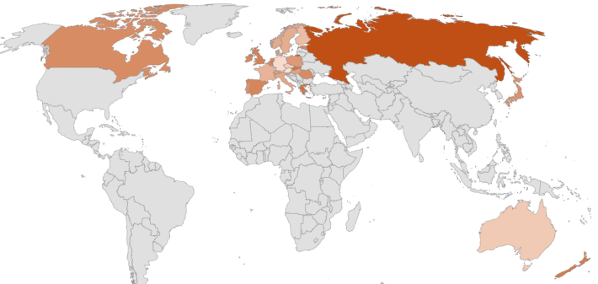
JPN | 0.16035675569 | JPN | 0.087874974107 | 0.050743165364 | 0.34245212759
NLD | 0.20334249011 | NLD | 0.099354385195 | 0.14240517812 | 0.36826790703
PRT | 0.15470472936 | PRT | 0.083271547112 | 0.097429941418 | 0.28341269956
RUS | 0.40764248771 | RUS | 0.35159088418 | 0.51585511167 | 0.35548146728
SVK | 0.2689946068 | SVK | 0.11799411778 | 0.48804315318 | 0.20094654943
ROU | 0.18488538795 | ROU | 0.049734714535 | 0.32048355804 | 0.18443789128
NZL | 0.23844247577 | NZL | 0.089552867091 | 0.34654336612 | 0.27923119411
FIN | -0.001722103698 | FIN | 0.062463105458 | -0.23096057635 | 0.16333115979
POL | 0.12929546144 | POL | 0.080721069817 | 0.20550520485 | 0.10166010966
NOR | 0.068868711431 | NOR | 0.048644985509 | -0.033147463847 | 0.19110861263
SWE | 0.059455179999 | SWE | 0.03947476176 | -0.003735707704 | 0.14262648594
DNK | 0.10678005329 | DNK | 0.055550626475 | 0.17399178314 | 0.090797750256
SVN | 0.10469857337 | SVN | 0.10175832266 | 0.12679026129 | 0.085547136156
EST | 0.18910076679 | EST | 0.15177287447 | 0.34128513495 | 0.074244290949

