Sheet1
Country | Value | Country | S-Learn | X-Learn
AUS | 0.067817673557 | AUS | 0.067817673557 | -0.20205520957
AUT | -0.23156349443 | AUT | 0.014704360934 | -0.47783134979
BEL | 0.027012135036 | BEL | 0.083572455202 | -0.029548185129
CAN | 0.12953181013 | CAN | 0.14358909107 | 0.11547452918
CHE | 0.019916353242 | CHE | 0.053054237966 | -0.013221531482
CZE | -0.043557620131 | CZE | 0.046845875922 | -0.13396111618
DEU | -0.23825107747 | DEU | 0.045017263458 | -0.5215194184
ESP | 0.084298668926 | ESP | 0.077015758638 | 0.091581579213
FRA | -0.090602369948 | FRA | 0.067444844367 | -0.24864958426
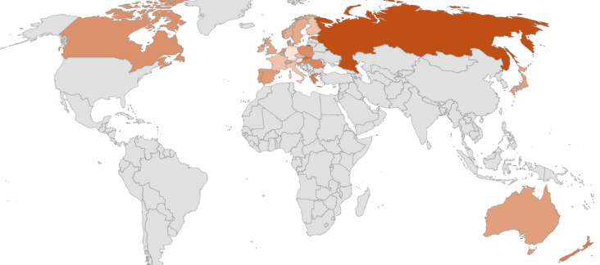
GBR | 0.053799269188 | GBR | 0.092017634335 | 0.01558090404
GRC | 0.23205734789 | GRC | 0.10782704691 | 0.35628764886
HUN | 0.14904462576 | HUN | 0.099404886565 | 0.19868436495
IRL | 0.016513645283 | IRL | 0.11365638608 | -0.080629095519
ITA | -0.090176624818 | ITA | 0.071235261951 | -0.25158851159
JPN | 0.069309069735 | JPN | 0.087874974107 | 0.050743165364
NLD | 0.12087978166 | NLD | 0.099354385195 | 0.14240517812
PRT | 0.090350744265 | PRT | 0.083271547112 | 0.097429941418
RUS | 0.43372299792 | RUS | 0.35159088418 | 0.51585511167
SVK | 0.30301863548 | SVK | 0.11799411778 | 0.48804315318
ROU | 0.18510913629 | ROU | 0.049734714535 | 0.32048355804
NZL | 0.21804811661 | NZL | 0.089552867091 | 0.34654336612
FIN | -0.084248735444 | FIN | 0.062463105458 | -0.23096057635
POL | 0.14311313733 | POL | 0.080721069817 | 0.20550520485
NOR | 0.0077487608312 | NOR | 0.048644985509 | -0.033147463847
SWE | 0.017869527028 | SWE | 0.03947476176 | -0.003735707704
DNK | 0.11477120481 | DNK | 0.055550626475 | 0.17399178314
SVN | 0.11427429197 | SVN | 0.10175832266 | 0.12679026129
EST | 0.24652900471 | EST | 0.15177287447 | 0.34128513495

