Overall
Sum | August | September | October | November | December | January | February | March | April | May | June | July | Sum | Total
Casual Riders | 21884:49:46 | 18679:23:29 | 20649:06:34 | 16035:56:20 | 6188:39:32 | 3979:46:26 | 4937:53:18 | 15056:58:16 | 16259:50:49 | 15912:13:38 | 15165:27:59 | 14175:11:04 | Casual Riders | 7038.5535995
Annual Members | 5732:02:59 | 5534:38:08 | 378:08:28 | 4561:09:08 | 10145:19:42 | 11005:03:48 | 10069:38:18 | 9254:52:39 | 8664:04:40 | 8745:03:58 | 7789:03:20 | 8231:15:07 | Annual Members | 3754.5973958
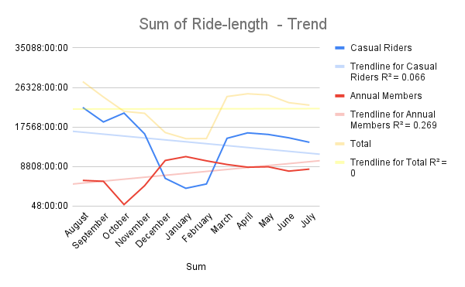
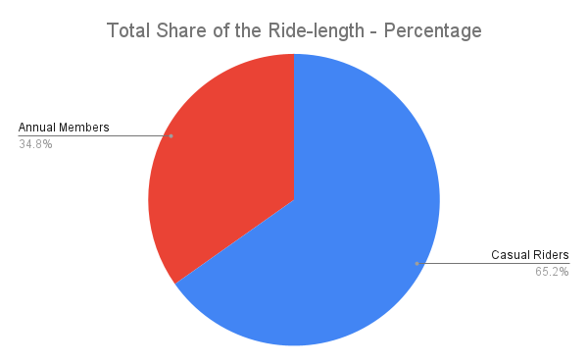
Total | 27616:52:45 | 24214:01:37 | 21027:15:02 | 20597:05:28 | 16333:59:14 | 14984:50:14 | 15007:31:36 | 24311:50:55 | 24923:55:29 | 24657:17:36 | 22954:31:19 | 22406:26:11 | Total | 10793.150995

 |  |  |  |  |  |  |  |  |  |  |  | - CR has down-slope trend
 |  |  |  |  |  |  |  |  |  |  |  | - AM has up-slope trend

 |  |  |  |  |  |  |  |  |  |  |  | - AM risen since oct, consistent since dec
 |  |  |  |  |  |  |  |  |  |  |  | - CR fallen since oct, risen back since Feb,
 |  |  |  |  |  |  |  |  |  |  |  | consistent since march

 |  |  |  |  |  |  |  |  |  |  |  | - what exactly happened in oct?
 |  |  |  |  |  |  |  |  |  |  |  | no way to know with the current data
 |  |  |  |  |  |  |  |  |  |  |  | but, if affected positively to AM, negetively to CR

 |  |  |  |  |  |  |  |  |  |  |  | - what exactly happened in feb?
 |  |  |  |  |  |  |  |  |  |  |  | no way to know with the current data
 |  |  |  |  |  |  |  |  |  |  |  | but, it did not affect am at all, but positively to CR

Sum | August | September | October | November | December | January | February | March | April | May | June | July | Sum | Total
Weekdays CR | 12808:28:44 | 11143:03:01 | 14464:45:30 | 9654:33:54 | 3553:55:03 | 2866:21:21 | 2109:01:32 | 7038:04:18 | 9891:41:06 | 9179:52:17 | 9501:53:06 | 8945:18:27 | Weekdays CR | 101156:58:19
Weekends CR | 9076:21:02 | 7536:20:28 | 6184:21:04 | 6381:22:26 | 2634:44:29 | 1113:25:05 | 2828:51:46 | 8018:53:58 | 6368:09:43 | 6732:21:21 | 5663:34:53 | 5229:52:37 | Weekends CR | 67768:18:52
Weekdays AM | 3763:09:56 | 3945:20:40 | 289:54:28 | 3057:28:00 | 6711:19:06 | 8426:12:40 | 6488:41:03 | 5797:50:44 | 5987:24:21 | 6150:28:16 | 5420:04:34 | 5924:03:39 | Weekdays AM | 61961:57:27
Weekends AM | 1968:53:03 | 1589:17:28 | 88:14:00 | 1503:41:08 | 3434:00:36 | 2578:51:08 | 3580:57:15 | 3457:01:55 | 2676:40:19 | 2594:35:42 | 2368:58:46 | 2307:11:28 | Weekends AM | 28148:22:48
Sum of Ride-length - Weekdays VS Weekends Trend
Total Share of the Ride-length - Weekdays VS Weekends
 |  |  |  |  |  |  |  |  |  |  |  | - AM has more usage during the weekdays
 |  |  |  |  |  |  |  |  |  |  |  | than the weekends
 |  |  |  |  |  |  |  |  |  |  |  | - CR has more usage on the weekends
 |  |  |  |  |  |  |  |  |  |  |  | than the weekdays

 |  |  |  |  |  |  |  |  |  |  |  | - AM has more consistency in the usage
 |  |  |  |  |  |  |  |  |  |  |  | - CR has more drastic changes in the usage

Sum | August | September | October | November | December | January | February | March | April | May | June | July | Sum | Total
Docked_bike CR | 10033:14:10 | 6812:04:49 | 180:30:45 | 2356:36:03 | 1811:24:12 | 820:20:09 | 1071:34:04 | 5459:20:16 | 4925:18:42 | 5541:30:07 | 3873:49:30 | 4594:57:09 | Docked_bike CR | 47480:39:56
Electric_bike CR | 0:26:11 | 0:22:58 | 0:19:21 | 0:19:59 | 0:16:20 | 0:14:18 | 0:17:33 | 0:23:45 | 0:22:21 | 0:22:37 | 0:20:21 | 0:21:06 | Electric_bike CR | 0:20:34
Classic_bike CR |  |  |  |  | 2274:57:23 | 1950:16:43 | 2941:30:04 | 7805:57:33 | 6512:08:03 | 6899:10:54 | 5994:42:57 | 7155:57:26 | Classic_bike CR | 41534:41:03
Docked_bike AM | 5209:24:05 | 4381:44:03 | 74:09:17 | 2199:44:17 | 741:15:51 | 0:02:38 | 0:00:00 | 0:00:00 | 0:00:00 | 0:00:00 | 0:00:00 | 0:00:00 | Docked_bike AM | 12606:20:11
Electric_bike AM | 0:15:37 | 0:15:08 | 0:15:43 | 0:13:20 | 0:11:34 | 0:11:41 | 0:13:45 | 0:13:30 | 0:14:27 | 0:14:13 | 0:13:41 | 0:13:21 | Electric_bike AM | 0:13:50
Classic_bike AM |  |  |  |  | 5893:31:27 | 8026:52:29 | 7739:12:02 | 7660:20:44 | 4454:49:25 | 6768:30:41 | 6117:18:56 | 6584:24:06 | Classic_bike AM | 53244:59:50
Sum of Ride-length - Trend by Bike Types
Total Share of the Ride-length - Bike Types
 |  |  |  |  |  |  |  |  |  |  |  | - AM and CR both favors Classic bike

 |  |  |  |  |  |  |  |  |  |  |  | -AM immediately responded to Classic bike
 |  |  |  |  |  |  |  |  |  |  |  | - CR gradually responded to classic bike

 |  |  |  |  |  |  |  |  |  |  |  | - CR continued to use Docked-bike
 |  |  |  |  |  |  |  |  |  |  |  | - AM completely stopped using Docked-bike

 |  |  |  |  |  |  |  |  |  |  |  | - AM and CR both do not favor Electronic bike at all

AVG
AVG | August | September | October | November | December | January | February | March | April | May | June | July |  | AVG
Casual Riders | 0:29:58 | 0:25:57 | 0:19:26 | 0:21:15 | 0:23:08 | 0:19:47 | 0:29:29 | 0:34:36 | 0:32:16 | 0:32:26 | 0:27:43 | 0:28:48 | Casual Riders | 0:27:04
Annual Members | 0:16:12 | 0:15:09 | 0:15:17 | 0:13:41 | 0:12:23 | 0:12:22 | 0:15:20 | 0:14:08 | 0:14:55 | 0:14:37 | 0:14:27 | 0:13:49 | Annual Members | 0:14:22
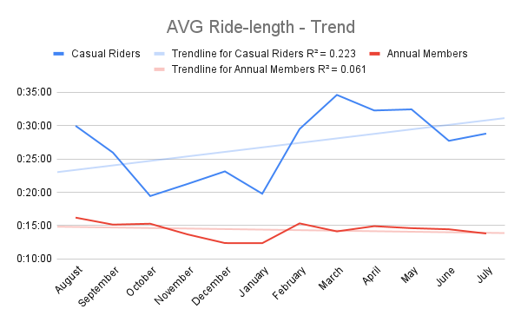
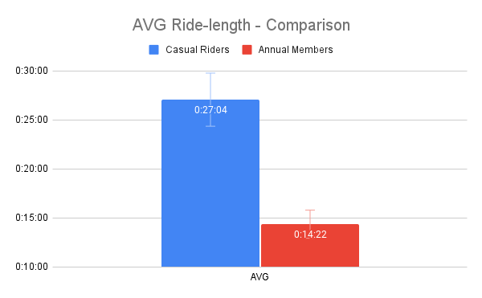
 |  |  |  |  |  |  |  |  |  |  |  | - CR has more AVG ride-length but unstable
 |  |  |  |  |  |  |  |  |  |  |  | - AM has consistency , AVG 15min per ride

AVG | August | September | October | November | December | January | February | March | April | May | June | July |  | AVG
Weekdays CR | 0:28:01 | 0:23:49 | 0:18:34 | 0:20:18 | 0:21:20 | 0:19:27 | 0:26:03 | 0:31:59 | 0:30:41 | 0:30:15 | 0:26:36 | 0:28:08 | Weekdays CR | 0:25:26
Weekends CR | 0:33:15 | 0:29:54 | 0:21:47 | 0:22:53 | 0:26:08 | 0:20:45 | 0:32:42 | 0:37:17 | 0:35:06 | 0:35:59 | 0:29:50 | 0:30:02 | Weekends CR | 0:29:38
Weekdays AM | 0:15:48 | 0:14:48 | 0:15:08 | 0:13:24 | 0:12:15 | 0:12:15 | 0:14:48 | 0:13:24 | 0:14:21 | 0:14:15 | 0:14:02 | 0:13:32 | Weekdays AM | 0:14:00
Weekends AM | 0:17:01 | 0:16:04 | 0:15:45 | 0:14:17 | 0:12:38 | 0:12:49 | 0:16:26 | 0:15:34 | 0:16:20 | 0:15:32 | 0:15:32 | 0:14:36 | Weekends AM | 0:15:13
AVG Ride-length - Weekdays and Weekends Trend
AVG Ride-length - Weekdays and Weekends Comarison
 |  |  |  |  |  |  |  |  |  |  |  | - AM doesnt have difference from wkdays, wkends
 |  |  |  |  |  |  |  |  |  |  |  | - CR has the same pattern during wkdays, wkends
 |  |  |  |  |  |  |  |  |  |  |  | - CR has more ride length per ride on wkends

AVG | August | September | October | November | December | January | February | March | April | May | June | July | Sum | Total
Docked_bike CR | 0:36:10 | 0:33:30 | 0:36:13 | 0:33:49 | 0:39:24 | 0:36:10 | 0:51:36 | 0:51:04 | 0:53:31 | 0:52:42 | 0:50:29 | 0:49:15 | Docked_bike CR | 8:43:53
Electric_bike CR | 0:26:11 | 0:22:58 | 0:19:21 | 0:19:59 | 0:16:20 | 0:14:18 | 0:17:33 | 0:23:45 | 0:22:21 | 0:22:37 | 0:20:21 | 0:21:06 | Electric_bike CR | 0:20:34
Classic_bike CR |  |  |  |  | 0:24:31 | 0:20:46 | 0:31:17 | 0:30:53 | 0:33:14 | 0:29:46 | 0:28:34 | 0:25:12 | Classic_bike CR | 3:44:13
Docked_bike AM | 0:16:15 | 0:15:09 | 0:13:44 | 0:14:05 | 0:12:09 | 0:02:38 | 0:00:00 | 0:00:00 | 0:00:00 | 0:00:00 | 0:00:00 | 0:00:00 | Docked_bike AM | 1:14:00
Electric_bike AM | 0:15:37 | 0:15:08 | 0:15:43 | 0:13:20 | 0:11:34 | 0:11:41 | 0:13:45 | 0:13:30 | 0:14:27 | 0:14:13 | 0:13:41 | 0:13:21 | Electric_bike AM | 0:13:50
AVG Ride-length - Trend by Bike Type
AVG Ride-length - Comparison by Bike Type
Classic_bike AM |  |  |  |  | 0:12:58 | 0:12:39 | 0:15:53 | 0:14:16 | 0:15:22 | 0:14:44 | 0:14:41 | 0:13:57 | Classic_bike AM | 1:54:30

 |  |  |  |  |  |  |  |  |  |  |  | - CR rides longest with docked bike
 |  |  |  |  |  |  |  |  |  |  |  | - AM rides for about 15min regardless of bike type

Occurrence
Count | August | September | October | November | December | January | February | March | April | May | June | July | Count | Total
Casual Riders | 43812 | 43195 | 63778 | 45268 | 16046 | 12066 | 10049 | 26107 | 30230 | 29432 | 32820 | 29526 | Casual Riders | 382329
Annual Members | 21238 | 21920 | 1486 | 20002 | 49166 | 53361 | 39386 | 39289 | 34861 | 35909 | 32333 | 35731 | Annual Members | 384682
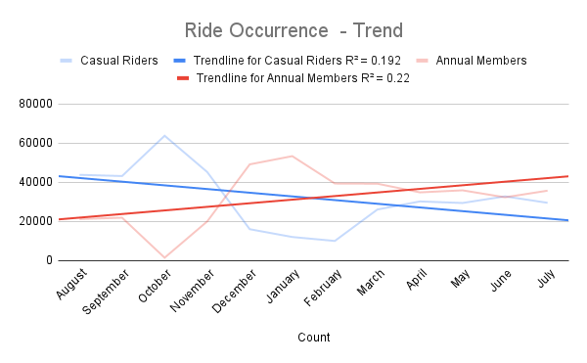
Total Share of the Ride Occurrence - Percentage
 |  |  |  |  |  |  |  |  |  |  |  | - AM has up-slope
 |  |  |  |  |  |  |  |  |  |  |  | - CR has down-slope

 |  |  |  |  |  |  |  |  |  |  |  | - since feb, AM rode more times than CR

Occurances | Casual Riders | Annual Members | Total
Monday | 63137 | 31509 | 94646
Tuesday | 71375 | 33780 | 105155
Wednesday | 68219 | 35367 | 103586
Thursday | 73818 | 34269 | 108087
Friday | 73194 | 32869 | 106063
Saturday | 96900 | 40022 | 136922
Sunday | 79104 | 33303 | 112407
Ride Occurrence - Days of Week Trend
Ride Occurrence - Comparison
 |  |  |  |  |  |  |  |  |  |  |  | - CR tend to ride more on wkends
 |  |  |  |  |  |  |  |  |  |  |  | - AM does not have noticeable difference
 |  |  |  |  |  |  |  |  |  |  |  | from wkdays, wkends

Count | August | September | October | November | December | January | February | March | April | May | June | July | Total
Weekdays CR | 27435 | 28072 | 46749 | 28532 | 9998 | 8846 | 4859 | 13200 | 19343 | 18204 | 21431 | 19078 | 245747
Weekends CR | 16377 | 15123 | 17030 | 16736 | 6048 | 3220 | 5190 | 12907 | 10887 | 11228 | 11389 | 10448 | 136583
Weekdays AM | 14298 | 15987 | 1149 | 13687 | 32860 | 41282 | 26309 | 25964 | 25031 | 25883 | 23183 | 26249 | 271882
Ride Occurrence - Weekdays and Weekends Trend
Ride Occurrence - Weekdays and Weekends Proportion
Weekends AM | 6940 | 5933 | 336 | 6315 | 16306 | 12079 | 13077 | 13325 | 9830 | 10026 | 9150 | 9482 | 112799

 |  |  |  |  |  |  |  |  |  |  |  | - CR rides tend to ride more during wkdays
 |  |  |  |  |  |  |  |  |  |  |  | - AM rides tend to ride more on wkends

AVG | August | September | October | November | December | January | February | March | April | May | June | July | Sum | Total
Docked_bike CR | 16,646.00 | 12,201.00 | 300.00 | 4,181.00 | 2,758.00 | 1,361.00 | 1,246.00 | 6,415.00 | 5,522.00 | 6,310.00 | 4,604.00 | 5,598.00 | Docked_bike CR | 67,142.00
Electric_bike CR | 27,166.00 | 30,994.00 | 63,479.00 | 41,087.00 | 7,720.00 | 5,072.00 | 3,161.00 | 4,526.00 | 12,949.00 | 9,213.00 | 15,623.00 | 6,895.00 | Electric_bike CR | 227,885.00
Classic_bike CR |  |  |  |  | 5,568.00 | 5,633.00 | 5,642.00 | 15,167.00 | 11,759.00 | 13,909.00 | 12,593.00 | 17,033.00 | Classic_bike CR | 87,304.00
Docked_bike AM | 19,229.00 | 17,351.00 | 324.00 | 9,370.00 | 3,663.00 | 1.00 | 0.00 | 0.00 | 0.00 | 0.00 | 0.00 | 0.00 | Docked_bike AM | 49,938.00
Electric_bike AM | 2,009.00 | 4,569.00 | 1,161.00 | 10,632.00 | 18,219.00 | 15,305.00 | 10,165.00 | 7,090.00 | 17,475.00 | 8,342.00 | 7,329.00 | 7,403.00 | Electric_bike AM | 109,699.00
Classic_bike AM |  |  |  |  | 27,285.00 | 38,055.00 | 29,221.00 | 32,199.00 | 17,386.00 | 27,567.00 | 25,004.00 | 28,328.00 | Classic_bike AM | 225,045.00
Ride Occurrence - Trend by Bike Type
Ride Occurrence - Bike Type Proportion
 |  |  |  |  |  |  |  |  |  |  |  | - AM favors classic bike alot
 |  |  |  |  |  |  |  |  |  |  |  | - CR favors classic bike and electric bike
 |  |  |  |  |  |  |  |  |  |  |  | but, classic bike is on the up-slope
 |  |  |  |  |  |  |  |  |  |  |  | electric bike is not stable, up and down slope patten

