Instructions
These instructions apply to Insolation and Orbital Parameter spreadsheets. We will start with the Insolation worksheet and then progress to Eccentricity, Obliquity, and Precession spreadsheets.

Excel Fast Fourier Transform (FFT) identifies individual frequencies in complex wave trains. You will probably have to activate the FFT module in the version of Excel loaded on your computer. Follow these steps:

First, On the Excel Ribbon at the top of the page, click on File

After you click on File, this screen will appear. Look for Options on the left side of the page; Options may be near the bottom of the list, as here:
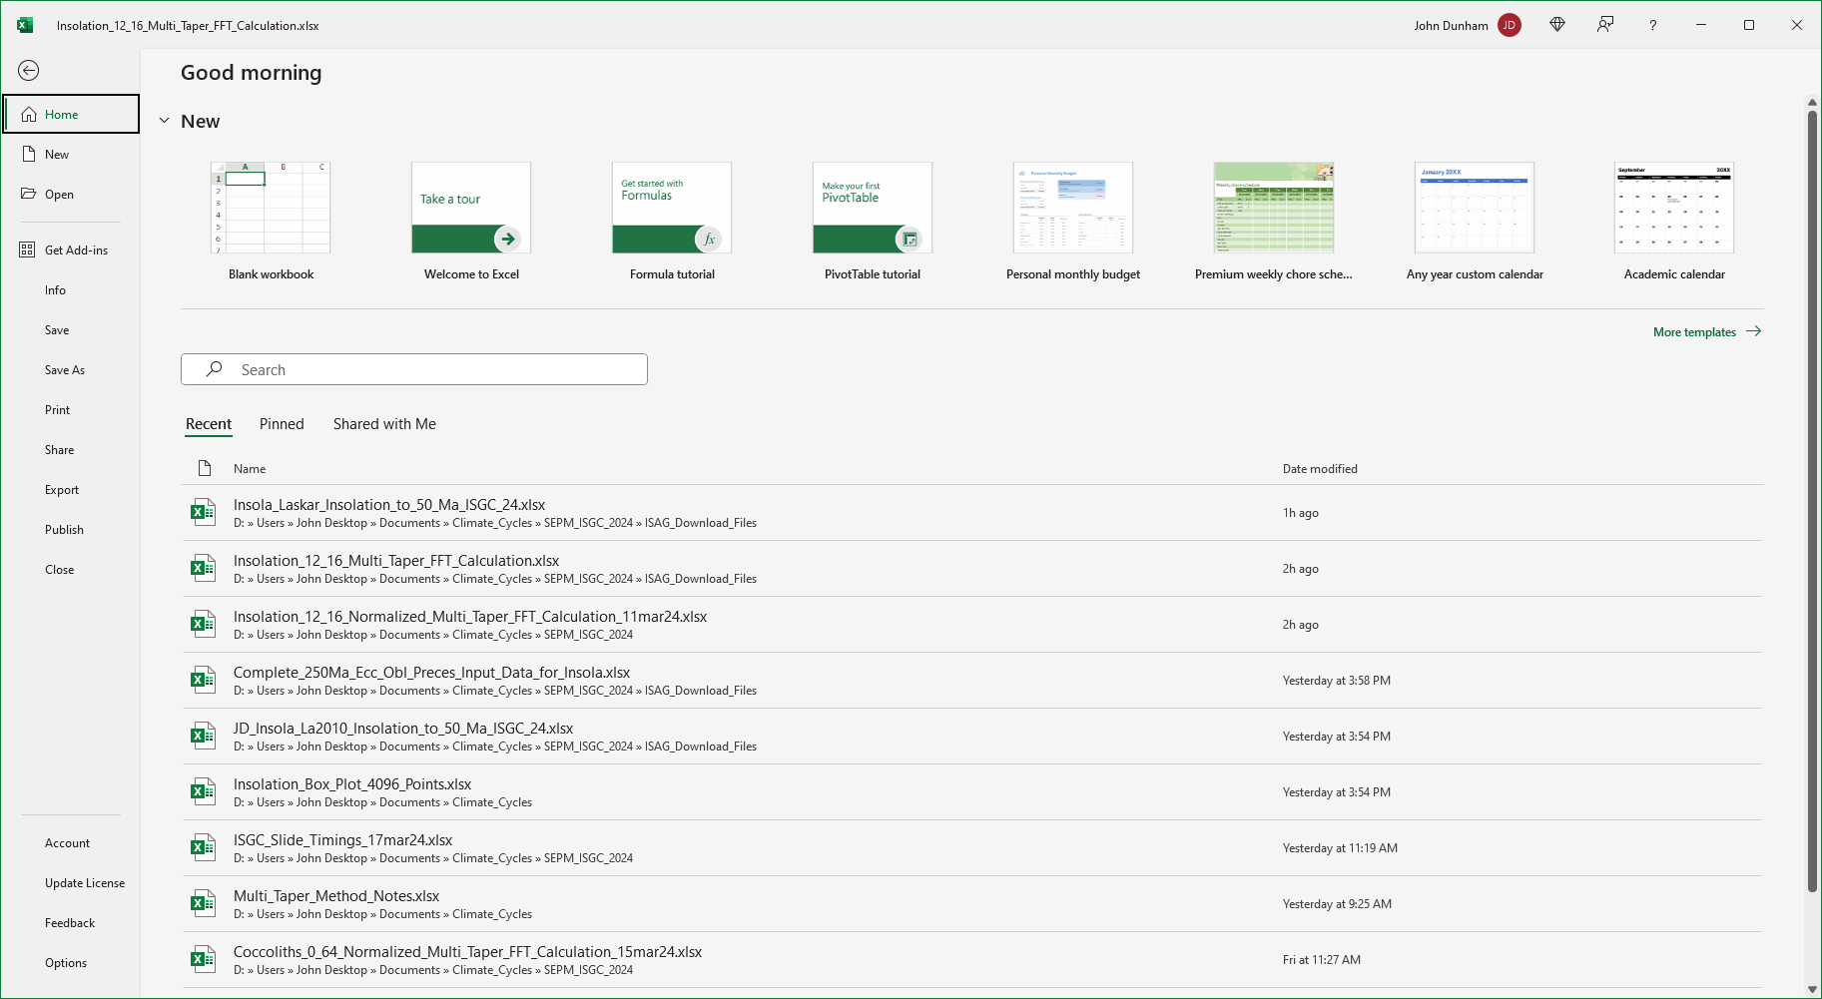

After you click Options, the Excel Options window will open. Click on Add-ins near the bottom of the list on the left side.

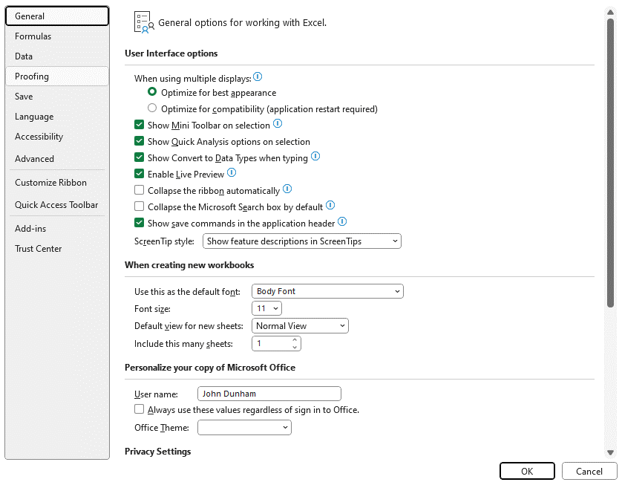

After you click Add-ins, this window will open. This is a list of optional add-ins available for Excel. You will want to select the Analysis ToolPak. In the example below, you'll see that Analysis ToolPak is listed as an Active Application Add-in, because I have already activated it. However in your case, it is likely that Analysis ToolPak will be on the list of Inactive Application Add-ins. Find Analysis TookPak, click on it, and click OK to add it to the list of Active Application Add-ins:

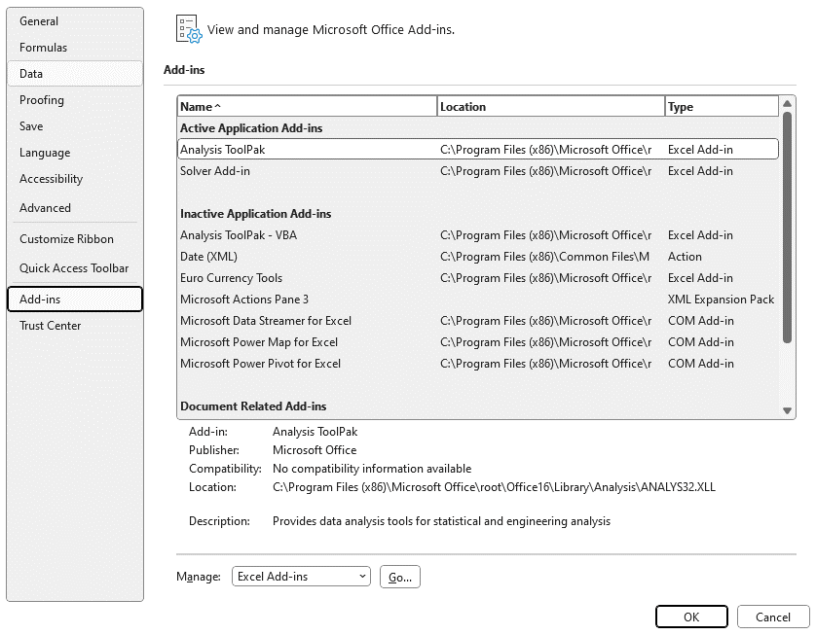

You'll only have to do this once. Analysis ToolPak will be available for all your future sessions.

Next, you will load your data into the FFT Spreadsheet. In this example, we want to run Fourier Analysis on Insolation data from the Miocene, between 12 and 16 million years. The source of the data is from the Insola_Laskar_Insolation_0_to_50_Ma_ISGC_24.xlsx workbook. You will find older data ranges in the set of Insola_Laskar_Insolation spreadsheets that increase at 50 million year intervals up to 249 million years.

The color codes on the FFT workbook refer to actions that are permitted in the colored cells. No entries are permitted in cells marked RED. All values in RED cells are calculated automatically based on data inputted into GREEN cells.

Data Entry is permitted only in GREEN cells. Data for the Insolation FFT is copied from the Insola_Laskar spreadsheet. Select Age from Insola_Laskar Column B, which is Time before J2000 in thousand years; you need to use Thousand Year ages rather than million year ages. Paste the thousand year ages into column A of the FFT spreadsheet. Next for the insolation FFT, copy Mean Daily Insolation data from Insola_Laskar Column J, and use the PASTE SPECIAL DATA command to paste it in the FFT spreadsheet under the heading Insolation in Column B.

 | FFT spreadsheet:
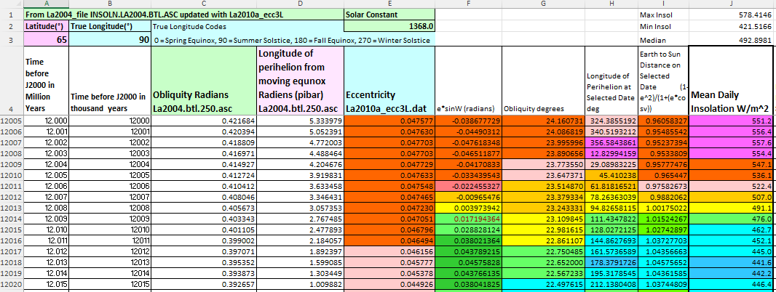
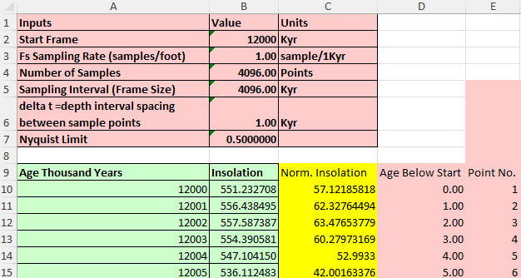

Copy
Copy

Paste

Paste

For Eccentricity, Obliquity, and Precession FFT spreadsheets, copy Laskar_Insola spreadsheet from Column E for Eccentricity, Column C for Obliquity, and Column D for Precession (pibar). Be sure to use PASTE SPECIAL DATA when you put data into the FFT Calculation Spreadsheet.

When loading data into the FFT spreadsheet, it is very important to adjust all other cells in the spreadsheet to match the number of cells in your input columns. In this example with the Insolation spreadsheet, there are 4096 total points. However, if you wanted to load a file with a different number of data points such as 2048 points, you would have to make sure that you deleted all the "left-over" data points below point 2048. It is safest to delete all "old" points in the input columns before you paste new data into the input cells. That way, you won't have the "left-over cell" problem.

After you've entered your new data, you then have to delete all cells in Columns C through AD that are below the lowest cell entered in your data range. In this example, if your lowest input cell was point 2048, then you'd have to delete all other cells from all other columns below point 2048.

Just remember that you have to match the ranges of Columns C through AD to match the range of your input data in Columns A and B.
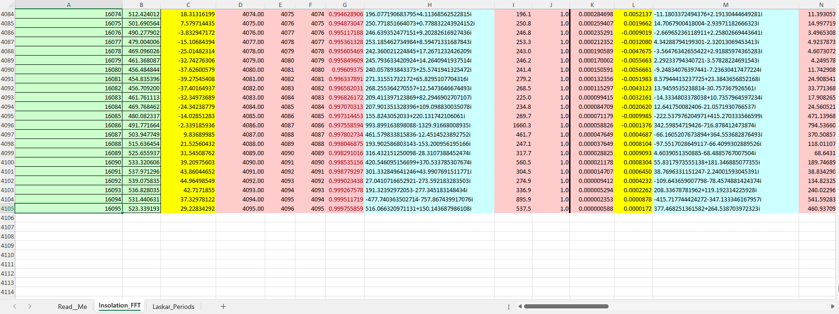

Paste Data into
Columns A and B
Copy or Delete Rows in the rest of the Columns to match the number of Columns in A and B.

 | Once you have entered data into columns A and B, you'll see this chart in column AG
Once the age and parameter data are loaded into FFT columns A and B, the spreadsheet will automatically calculate all values in RED cells. Do not make any manual enteries into RED cells.

Now, you're ready to run a Fourier Transform. A limitation on all Fast Fourier Transforms, in Excel or any other software, is that the number of samples has to be a power of two. Your only choices are 2, 4, 8, 16, 32, 64, 128, 256, 512, 1024, 2048, and 4096, which is the maximum number of data points that Excel will take for a FFT.

This is why I use 4096 data points for a FFT that is for the interval 12 to 16 million years, which would really be 4000 data points. I have to include the extra 96 points to make it work, so the interval is actually 12 to 16.096 million years. This may present a problem for you when you decide on a data range. You may have to add some extra interval, or subtract some interval, in order to get your number of samples to one of the acceptable numbers.

Time to run the FFT. Click on Data, and then Data Analysis.

After clicking on Data Analysis, the Data Analysis Window will open: Select Fourier Analysis and click OK.
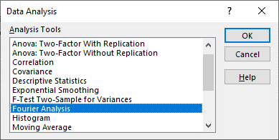

Bright Yellow Cells are the input data for Fourier Analysis. The Bright Yellow Cells are automatically calculated, so you will not add data to these columns. Rather, you will use these columns as input for your FFT.

Light Blue Cells are for the Output Data for the FFT. In this example spreadsheet, there are already numbers present in the Blue Output Columns. My recommendation is to save this Insolation_12_16_Multi_Taper_FFT_Calculation.xlsx file to your computer, and then save it again with a different name, such as My_Insolation_FFT, or something like that. This is because every time you run an FFT, it will overwrite the output data in the Blue Cells. I recommend that you keep the 12 to 16 Ma result for your files, and then run new FFT's for your other time intervals of interest; anywhere between 0 and 249 Ma. Once you have your new My Data FFT sheet, delete all numbers in the Light Blue Cells, and enter those cells in the Output Range of your new FFT.

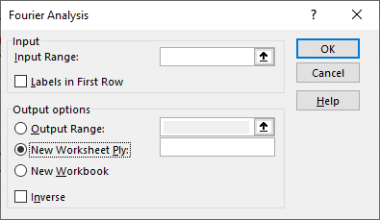
Input range is Column C, which is "Normalized Insolation" data. The raw insolatiion data
is normalized to the mean by this formula: (raw insolation - average insolation). The purpose
of normalization is to make the signal symmetrical to a zero-crossing. The normalized signal
is then run through Taper Windows as shown by these graphs.
Input range in this example is C10:C4105.
Output range is the column where the FFT result will be displayed. The default selection
is "New Worksheet" as shown by the button. You do not want New Worksheet. Click the
Button on Output Range, and enter Column H as the output range, in this example the output
range is H10:H4105. The heading for this column says "No Window FFT_NormEcc" because
no window function has been applied to the normalized insolation data. You'll use this to
see the effects of window-tapers on the FFT output.
Click the OK Button, the FFT will start. It may take as long as 30 minutes to run an FFT on 4096
data points because it takes tens of thousands of calculations to complete the analysis.
Once you click on Fourier Analysis, this dialog box will open:

A list of Complex Numbers will appear in Column H once the calculations complete. These complex numbers are automatically converted to Amplitude numbers that are displayed in Red Cells in Column I.

The height of the amplitude peak is proportional to the power of the individual frequencies within the Insolation signal. The frequency spectrum is displayed in this graph, which has Frequency (column G) on the X-axis, and Amplitude (column I) on the Y-axis. The numbers above the Amplitude-Peaks are the Periods of each cycle, where Period is (1/Frequency). Look at the Normalized Insolationn graph; you'll see that the most frequently occurring peaks have very short Periods of just a few thousand years. This is why the FFT Amplitude Peaks are so high for high frequency, short period, Insolation cycles that are driven by orbital Precession cycles. In contrast, the normalized Insolation graph shows a few Low Frequency cycles with Periods of a few hundrand thousand years. These Amplitude Peaks are not very high because only a few of these hundred-thousand year cycles are present within the time interval of the Insolation graph. These low Frequency cycles are driven by orbital Eccentricity cycles. Intermediate periods in the 40 to 50 thousand year range are driven by orbital Obliquity cycles. See the note below that refers to the periods of orbital cycles.

Nyquist Limit
The maximum range of the X-axis Frequency Scale is determined by the Nyquist Limit. The mathmatics of the Fourier Transform produce a mirror-image plot that repeats, or folds-over at exactly 1/2 of the maximum number of data points. This graph shows the Nyquist Limit. In this example with 4096 data points, the Nyquist Limit is reached at frequency bin index 2048, corresponding to frequency 0.5. Therefore, all points beyond the Nyquist Limit are meaningless and should not be displayed on FFT plots. Practicly speaking, there is no reason to display points beyond the frequency range that contains amplitude peaks. In this example, the last significant peak lies just past 0.06 cycles/thousand years. Therefore, the X-axis range chosen for the display plot extends from 0 to 0.07.

The next steps are to run FFT's on data were different window-taper functions have been applied. This graph shows the different tapers, and what happens when they are applied to the normalized insolation data. The taper functions decrease the abruptness of the start and stop of the signal in order to dampen side-lobes in the FFT frequency spectrum. The Hann and Hamming windows help to focus energy into the main peak, while the Blackman-Harris and Blackman-Nuttal windows focus on reducing side-lobe energy.

You will run FFT's on each of the tapered signals that are marked by Bright Yellow Cells. For Hann Window FFT, input Column L which is Normalized-Insolation * Hann Window. Column M is the Output Data Range for the Hann Window FFT.

Note that FFT's that you've already run DO NOT UPDATE when you run subsequent FFT's. Just make sure that you enter new input and output columns for your new FFT's.

For Hamming Window FFT, input Column P which is Normalized-Insolation * Hamming Window. Column Q is the Output Data Range for the Hamming Window.

For Blackman-Harris Window FFT, input Column T which is Normalized-Insolation * Blackman-Harris Window. Column U is the Output Data Range for the Blackman-Harris Window.

For Blackman-Nuttal Window FFT, input Column X which is Normalized-Insolation * Blackman-Nuttal Window. Column Y is the Output Data Range for the Blackman-Nuttal Window.

Once all Window-Function FFT's are complete, the Four-Taper Average Amplitude will automatically appear in Column AA. In this example, this graph compares the No-Window FFT against the Four-Taper Average FFT. You can see how effectively the Taper Functions have reduced side lobes and sharpened the main peaks. The Amplitude Axis is displayed as a Log-Scale to heighten the low-frequency peaks. You will use the Four-Taper FFT for your interpretations.

You will follow the same instructions for the Eccentricity, Obliquity, and Precession spreadsheets.
Contact johndunham76@gmail.com with any questions.

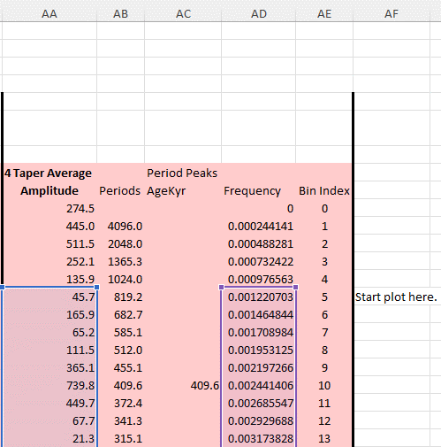

The FFT may put an amplitude peak in the first few very-low-frequency bins. In this example, bin-index zero has a frequency of zero, the bin-index 1 has a period that corresponds to the entire interval of interest, known as the Frame Size as shown in cell B5, while bin-index 2 corresponds to Frame-Size divided by 2. In this Insolation example, the FFT shows strong amplitudes in these bins, with a peak in bin-index 2. These very-low-frequency peaks are artifacts caused by the FFT putting all the energy of the Frame Size into bin-index 1 (entire frame), and its harmonic in bin-index 2. These very-low-frequency amplitudes are artifacts. Note that the amplitudes decline from this peak at 511 down to a low of 45.7 , before rising up toward a peak of 739.8 in bin-index 10. To avoid plotting very-low-frequency artifacts, select the data range so that your plot begins at the inflection point where the artifact amplitudes drop to a low value (45.7 in this case), and then start rising again. This figure shows how to start the plot range. The "Start Plot Here" label shows the inflection point defining the start point.

You may see single numbers listed in the literature for Eccentricity, Obliquity, and Precession cycles; for example, the eccentricity cycle has a period of about 100,000 years, while obliquity has a 41,000 year cycle, while precession has a 26,000 year cycle. Actually, Laskar identified several different periods within each of these parameters. This explains why your FFT's will yield numbers that are different from the general approximations you might see in the literature. Each FFT workbook in this download package will contain Laskar's table. You can distinguish the influences of Eccentricity, Obliquity, and Precession cycles by identifing FFT peaks in these ranges. Note that there is very slight overlap at the ends of each parameter, but on the whole, the mean ranges are quite different from one another.

