12
TECH EXAMPLE 12 | Let's throw darts randomly onto a dartboard with a radius of 2. Let the random variable X be the distance of the thrown dart from the centre.
(darts) | The random variable is continuous, since the distance can be any real number within [0, 2].
 | Suppose that each dart hits the board and the probability of hitting each point is the same.
 | The density function of the random variable is:

 |  | GEOGEBRA
a) | Show that f(x) is a probability density function.
 | The integral (area under the graph) must be 1.

b) | Graph the PDF.
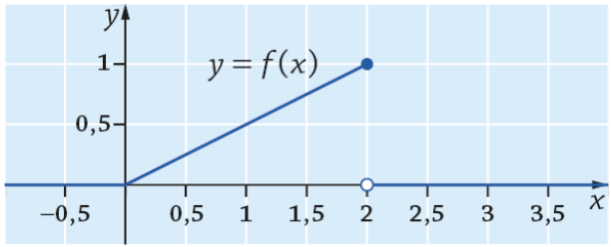

c) | Find E(X).

d) | Find the standard deviation.

e) | Find the CDF.

f) | Graph the CDF.
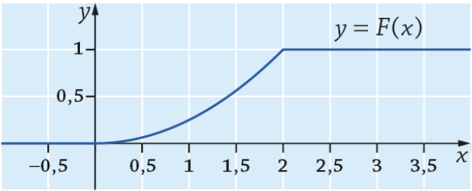

g) | find the following probabilities using the CDF:

i.

ii.

iii.

13
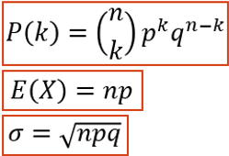
TECH EXAMPLE 11 |  | n | p | q
(basketball)
 | Number of baskets made | 0 | 1 | 2 | 3 | 4 | 5
 | Probability (BINOM.DIST-function)
 | Probability (formula)
 | Cumulative distribution function F(x)

 |  | Definition | Formula
 | Expected value
 | Standard deviation

 | P(X<=1)

