Sheet1
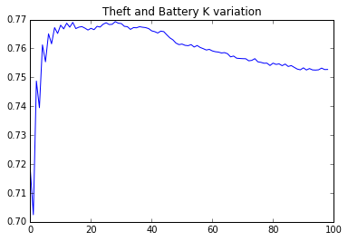
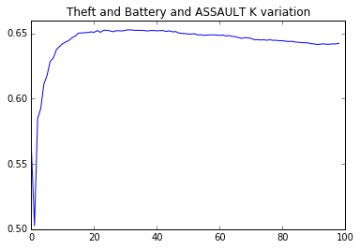
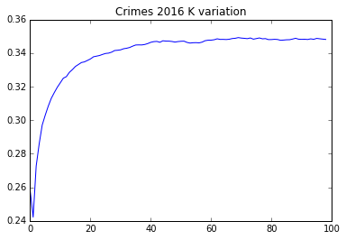
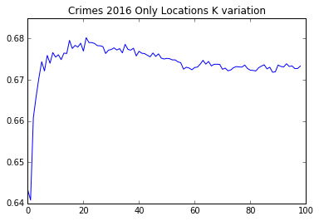
Resultados
Algoritmos | Naive Bayes | KNN | GMM | Random Forest | XGBOOST
All crimes 2016 | 0.16 | 0.34 | 0.021 | 0.36 | 0.37
THEFTandBATTERY | 0.74 | 0.75 | 0.53 | 0.8 | 0.8
THEFTandBATTERYandASSAULT | 0.64 | 0.64 | 0.64 | 0.67 | 0.68
Only Locations THEFTandBATTERY | 0.58 | 0.67 | 0.4 | 0.66 | 0.65
HOMICIDEandMOTORTHEFTandNARCOTICS | 0.54 | 0.73 | 0.41 | 0.76 | 0.77

Variáveis disponíveis | ID, Case Number, Date, Block, IUCR, Primary Type, Description, Location Description, Arrest, Domestic, Beat, District, Ward, Community Area, FBI Code, X Coordinate, Y Coordinate, Year, Updated On, Latitude, Longitude, Location
Variáveis Utilizadas | Primary Type, Location Description, Domestic, Latitude, Longitude, month, day, Period_MORNING, Period_DAY

Resultados dos classificadores

KNN K = x variation

