WebTable4
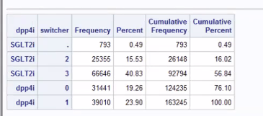
Web Table 4: Key patient characteristics between switchers and non-switchers in Dipeptidyl Peptidase-4 inhibitors (DPP4i) group in each comparison.
Characteristic | DPP4i users in the DPP4i vs SU comparison |  |  | DPP4i users in the DPP4i vs TZD comparison |  |  | DPP4i users in the DPP4i vs SGLT2i comparison
Characteristic | switchers | Non-switchers | Standardized difference | switchers | Non-switchers | Standardized difference | switchers | Non-switchers | Standardized difference
 | N= | N= |  | N= | N= |  | N= | N=

Webtable2
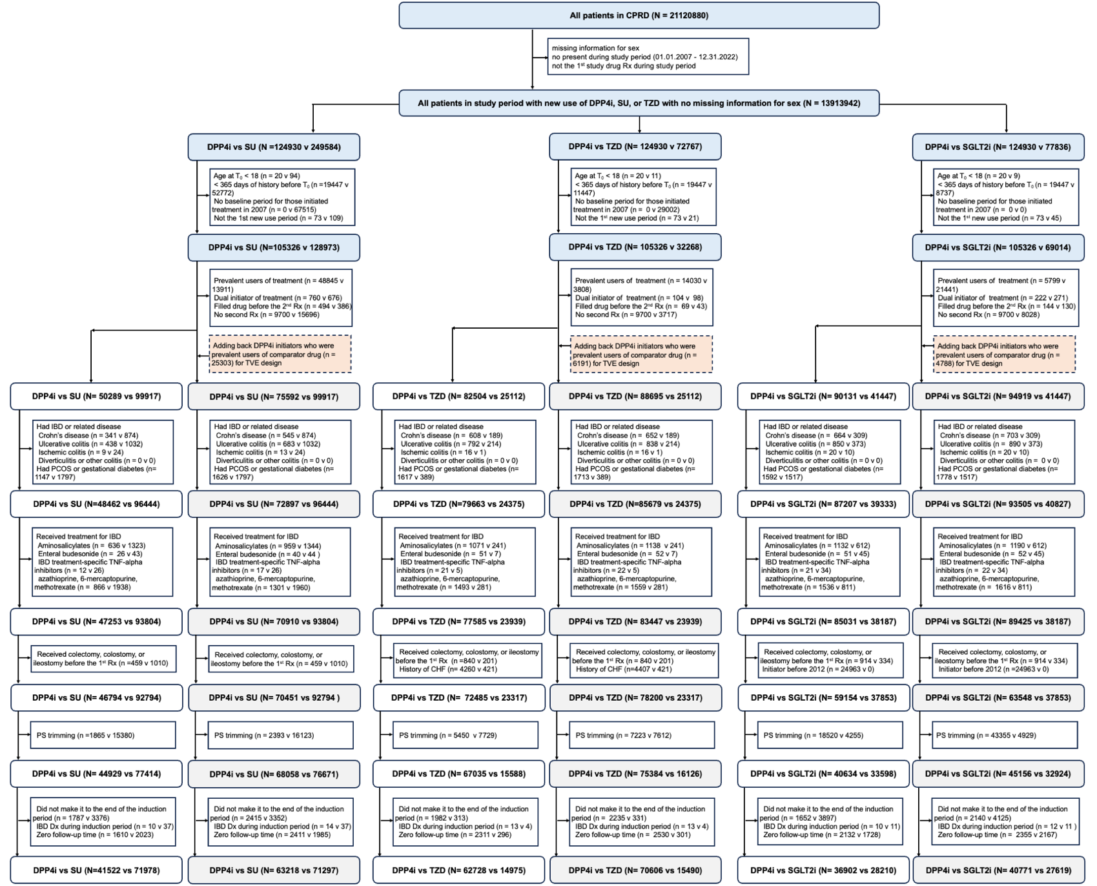
 | ACNU_Table1notrim_dpp4i_TZD_20DEC2024 |  |  |  |  | 78200 | 23317 | 23738 | <- need to exclude history of CHF (n=-421)
Characteristic | ACNU |  |  |  |  | TVE
 | DPP4i | TZD | Unweighted Standardized difference | Weighted TZD | Weighted Standardized difference | DPP4i | TZD | Unweighted Standardized difference | Weighted TZD | Weighted Standardized difference
 | N=72,485 | N=23,317 |  | N=71,034 |  | N=82,607 | N=23,738 |  | N=80,784
Age | 63.3(12.52) | 61.1(11.99) | 0.182 | 62.2(12.17) | 0.093 | 63.8(12.57) | 61.3(12.03) | 0.205 | 62.6(12.20) | 0.102
Female | 30,213 (41.7%) | 9,181 (39.4%) | 0.047 | 29,151 (41.0%) | 0.013 | 34,023 (41.2%) | 9,347 (39.4%) | 0.037 | 33,052 (40.9%) | 0.006
Entry year*
2007 | 167 (0.2%) | 6,627 (28.4%) | 0.879 | 167 (0.2%) | 0.001 | 228 (0.3%) | 6,790 (28.6%) | 0.881 | 228 (0.3%) | 0.001
2008 | 1,137 (1.6%) | 3,907 (16.8%) | 0.546 | 1,140 (1.6%) | 0.003 | 1,446 (1.8%) | 3,975 (16.7%) | 0.536 | 1,453 (1.8%) | 0.004
2009 | 3,508 (4.8%) | 3,780 (16.2%) | 0.377 | 3,546 (5.0%) | 0.007 | 4,266 (5.2%) | 3,844 (16.2%) | 0.363 | 4,329 (5.4%) | 0.009
2010 | 6,099 (8.4%) | 3,048 (13.1%) | 0.151 | 6,199 (8.7%) | 0.011 | 7,464 (9.0%) | 3,090 (13.0%) | 0.127 | 7,626 (9.4%) | 0.014
2011 | 6,043 (8.3%) | 1,794 (7.7%) | 0.024 | 6,076 (8.6%) | 0.008 | 7,326 (8.9%) | 1,826 (7.7%) | 0.043 | 7,410 (9.2%) | 0.011
2012 | 7,236 (10.0%) | 841 (3.6%) | 0.255 | 7,149 (10.1%) | 0.003 | 8,498 (10.3%) | 849 (3.6%) | 0.267 | 8,266 (10.2%) | 0.002
2013 | 6,821 (9.4%) | 645 (2.8%) | 0.281 | 6,640 (9.3%) | 0.002 | 7,798 (9.4%) | 657 (2.8%) | 0.281 | 7,723 (9.6%) | 0.004
2014 | 6,683 (9.2%) | 479 (2.1%) | 0.315 | 6,792 (9.6%) | 0.012 | 7,454 (9.0%) | 485 (2.0%) | 0.309 | 7,563 (9.4%) | 0.012
2015 | 6,668 (9.2%) | 505 (2.2%) | 0.307 | 6,487 (9.1%) | 0.002 | 7,412 (9.0%) | 508 (2.1%) | 0.302 | 7,019 (8.7%) | 0.01
2016 | 5,763 (8.0%) | 386 (1.7%) | 0.298 | 5,704 (8.0%) | 0.003 | 6,323 (7.7%) | 392 (1.7%) | 0.288 | 6,247 (7.7%) | 0.003
2017 | 5,113 (7.1%) | 357 (1.5%) | 0.275 | 4,814 (6.8%) | 0.011 | 5,574 (6.7%) | 365 (1.5%) | 0.264 | 5,312 (6.6%) | 0.007
2018 | 4,832 (6.7%) | 312 (1.3%) | 0.274 | 4,732 (6.7%) | 0 | 5,317 (6.4%) | 314 (1.3%) | 0.267 | 5,143 (6.4%) | 0.003
2019 | 4,477 (6.2%) | 276 (1.2%) | 0.268 | 4,210 (5.9%) | 0.01 | 4,889 (5.9%) | 278 (1.2%) | 0.259 | 4,479 (5.5%) | 0.016
2020 | 2,942 (4.1%) | 144 (0.6%) | 0.229 | 2,593 (3.7%) | 0.021 | 3,222 (3.9%) | 148 (0.6%) | 0.222 | 2,952 (3.7%) | 0.013
2021 | 2,915 (4.0%) | 116 (0.5%) | 0.239 | 2,814 (4.0%) | 0.003 | 3,154 (3.8%) | 116 (0.5%) | 0.231 | 2,935 (3.6%) | 0.01
2022 | 2,081 (2.9%) | 100 (0.4%) | 0.193 | 1,971 (2.8%) | 0.006 | 2,236 (2.7%) | 101 (0.4%) | 0.185 | 2,099 (2.6%) | 0.007
Days between 1st and 2nd Rx | 33.1(20.64) | 34.2(21.15) | 0.053 | 34.2(21.54) | 0.054 | 32.9(20.53) | 34.1(21.14) | 0.059 | 34.0(21.40) | 0.055
BMI
<25 | 6,894 (9.5%) | 2,440 (10.5%) | 0.032 | 6,408 (9.0%) | 0.017 | 7,826 (9.5%) | 2,487 (10.5%) | 0.033 | 7,112 (8.8%) | 0.023
25-30 | 18,818 (26.0%) | 6,907 (29.6%) | 0.082 | 17,566 (24.7%) | 0.028 | 21,328 (25.8%) | 7,027 (29.6%) | 0.085 | 19,846 (24.6%) | 0.029
>30 | 39,287 (54.2%) | 12,568 (53.9%) | 0.006 | 39,912 (56.2%) | 0.04 | 44,959 (54.4%) | 12,792 (53.9%) | 0.011 | 45,956 (56.9%) | 0.05
Unknown | 7,486 (10.3%) | 1,402 (6.0%) | 0.158 | 7,148 (10.1%) | 0.009 | 8,494 (10.3%) | 1,432 (6.0%) | 0.156 | 7,869 (9.7%) | 0.018
Alcohol use
Current | 29,165 (40.2%) | 9,346 (40.1%) | 0.003 | 29,042 (40.9%) | 0.013 | 32,999 (39.9%) | 9,489 (40.0%) | 0.001 | 33,049 (40.9%) | 0.02
Never | 10,925 (15.1%) | 3,330 (14.3%) | 0.022 | 10,173 (14.3%) | 0.021 | 12,471 (15.1%) | 3,407 (14.4%) | 0.021 | 11,629 (14.4%) | 0.02
Unknown | 29,768 (41.1%) | 10,014 (42.9%) | 0.038 | 29,208 (41.1%) | 0.001 | 34,098 (41.3%) | 10,197 (43.0%) | 0.034 | 32,985 (40.8%) | 0.009
Past/quit | 2,627 (3.6%) | 627 (2.7%) | 0.054 | 2,610 (3.7%) | 0.003 | 3,039 (3.7%) | 645 (2.7%) | 0.055 | 3,121 (3.9%) | 0.01
Smoke
Never | 19,948 (27.5%) | 6,841 (29.3%) | 0.04 | 19,286 (27.2%) | 0.008 | 22,467 (27.2%) | 6,946 (29.3%) | 0.046 | 21,960 (27.2%) | 0
Current | 9,189 (12.7%) | 3,465 (14.9%) | 0.063 | 9,069 (12.8%) | 0.003 | 10,325 (12.5%) | 3,501 (14.7%) | 0.066 | 10,362 (12.8%) | 0.01
Unknown | 16,117 (22.2%) | 3,800 (16.3%) | 0.151 | 16,136 (22.7%) | 0.012 | 18,172 (22.0%) | 3,860 (16.3%) | 0.146 | 17,726 (21.9%) | 0.001
Past/quit | 27,231 (37.6%) | 9,211 (39.5%) | 0.04 | 26,543 (37.4%) | 0.004 | 31,643 (38.3%) | 9,431 (39.7%) | 0.029 | 30,735 (38.0%) | 0.005
HbA1C Category
<53 mmol/mol (<=7) | 4,847 (6.7%) | 1,425 (6.1%) | 0.024 | 4,009 (5.6%) | 0.043 | 6,041 (7.3%) | 1,465 (6.2%) | 0.046 | 5,111 (6.3%) | 0.039
53-64 mmol/mol (7-8) | 19,150 (26.4%) | 5,763 (24.7%) | 0.039 | 17,714 (24.9%) | 0.034 | 21,803 (26.4%) | 5,858 (24.7%) | 0.039 | 20,247 (25.1%) | 0.03
>64 mmol/mol (>8) | 47,512 (65.5%) | 15,890 (68.1%) | 0.055 | 48,506 (68.3%) | 0.058 | 53,605 (64.9%) | 16,169 (68.1%) | 0.068 | 54,537 (67.5%) | 0.055
Missing/unknown | 976 (1.3%) | 239 (1.0%) | 0.03 | 804 (1.1%) | 0.019 | 1,158 (1.4%) | 246 (1.0%) | 0.033 | 888 (1.1%) | 0.027
Comorbidities
Nephropathy | 373 (0.5%) | 118 (0.5%) | 0.001 | 344 (0.5%) | 0.004 | 453 (0.5%) | 123 (0.5%) | 0.004 | 414 (0.5%) | 0.005
Neuropathy | 1,470 (2.0%) | 495 (2.1%) | 0.007 | 1,653 (2.3%) | 0.02 | 1,788 (2.2%) | 517 (2.2%) | 0.001 | 1,976 (2.4%) | 0.019
Diabetic retinopathy | 32,191 (44.4%) | 6,962 (29.9%) | 0.305 | 32,314 (45.5%) | 0.022 | 36,917 (44.7%) | 7,097 (29.9%) | 0.31 | 37,053 (45.9%) | 0.024
Myocardial infarction | 5,047 (7.0%) | 1,099 (4.7%) | 0.096 | 5,309 (7.5%) | 0.02 | 6,717 (8.1%) | 1,224 (5.2%) | 0.12 | 7,092 (8.8%) | 0.023
Stroke with transient ischemic attack | 5,887 (8.1%) | 1,354 (5.8%) | 0.091 | 5,337 (7.5%) | 0.023 | 7,029 (8.5%) | 1,440 (6.1%) | 0.094 | 6,530 (8.1%) | 0.015
Peripheral arterial disease | 1,950 (2.7%) | 535 (2.3%) | 0.025 | 1,916 (2.7%) | 0 | 2,435 (2.9%) | 569 (2.4%) | 0.034 | 2,307 (2.9%) | 0.005
Comedications
GLP1RA | 1,990 (2.7%) | 498 (2.1%) | 0.04 | 3,151 (4.4%) | 0.091 | 2,322 (2.8%) | 504 (2.1%) | 0.044 | 3,553 (4.4%) | 0.085
DPP4i | NTSR | 460 (2.0%) | 0.201 | 4,681 (6.6%) | 0.376 | NTSR | 464 (2.0%) | 0.2 | 5,032 (6.2%) | 0.364
SGLT2i | 4,794 (6.6%) | 562 (2.4%) | 0.204 | 5,767 (8.1%) | 0.058 | 5,141 (6.2%) | 568 (2.4%) | 0.19 | 6,253 (7.7%) | 0.06
Thiazolidinediones* | 7,513 (10.4%) | 1,174 (5.0%) | 0.201 | 1,392 (2.0%) | 0.355 | 14,042 (17.0%) | 1,209 (5.1%) | 0.387 | 1,743 (2.2%) | 0.521
Sulfonylureas | 38,062 (52.5%) | 14,378 (61.7%) | 0.186 | 40,378 (56.8%) | 0.087 | 44,779 (54.2%) | 14,682 (61.9%) | 0.155 | 47,084 (58.3%) | 0.082
Metformin | 69,500 (95.9%) | 22,457 (96.3%) | 0.022 | 68,589 (96.6%) | 0.035 | 79,101 (95.8%) | 22,853 (96.3%) | 0.026 | 78,128 (96.7%) | 0.05
Insulin | 5,278 (7.3%) | 1,633 (7.0%) | 0.011 | 5,734 (8.1%) | 0.03 | 6,261 (7.6%) | 1,688 (7.1%) | 0.018 | 6,669 (8.3%) | 0.025
Glinides | 1,005 (1.4%) | 417 (1.8%) | 0.032 | 1,327 (1.9%) | 0.038 | 1,206 (1.5%) | 429 (1.8%) | 0.027 | 1,635 (2.0%) | 0.043
Alpha-glucosidase inhibitor | 815 (1.1%) | 496 (2.1%) | 0.079 | 779 (1.1%) | 0.003 | 1,050 (1.3%) | 512 (2.2%) | 0.068 | 1,128 (1.4%) | 0.011
Total number of unique non-diabetic drugs in the year before cohort entry, mean (SD) | 7.0(4.19) | 6.7(3.91) | 0.067 | 7.0(4.16) | 0.012 | 7.2(4.26) | 6.8(3.95) | 0.102 | 7.2(4.26) | 0.011
Aspirin | 2,585 (3.6%) | 730 (3.1%) | 0.024 | 2,574 (3.6%) | 0.003 | 3,161 (3.8%) | 764 (3.2%) | 0.033 | 3,223 (4.0%) | 0.008
NSAIDs | 53,033 (73.2%) | 16,122 (69.1%) | 0.089 | 52,312 (73.6%) | 0.011 | 60,364 (73.1%) | 16,413 (69.1%) | 0.087 | 59,661 (73.9%) | 0.018
HRT combination | 4,029 (5.6%) | 1,199 (5.1%) | 0.018 | 3,717 (5.2%) | 0.014 | 4,516 (5.5%) | 1,215 (5.1%) | 0.016 | 4,303 (5.3%) | 0.006
Estrogen therapy | 7,063 (9.7%) | 2,021 (8.7%) | 0.037 | 6,718 (9.5%) | 0.01 | 8,051 (9.7%) | 2,059 (8.7%) | 0.037 | 7,802 (9.7%) | 0.003
Gestagens | 4,897 (6.8%) | 1,316 (5.6%) | 0.046 | 5,089 (7.2%) | 0.016 | 5,351 (6.5%) | 1,323 (5.6%) | 0.038 | 5,742 (7.1%) | 0.025
Hormonal contraception | 4,744 (6.5%) | 1,148 (4.9%) | 0.07 | 4,575 (6.4%) | 0.004 | 5,111 (6.2%) | 1,155 (4.9%) | 0.058 | 4,990 (6.2%) | 0
Other autoimmune diseases
Psoriasis | 3,660 (5.0%) | 988 (4.2%) | 0.039 | 3,683 (5.2%) | 0.006 | 4,188 (5.1%) | 1,015 (4.3%) | 0.038 | 4,190 (5.2%) | 0.005
Vasculitis | 2,591 (3.6%) | 691 (3.0%) | 0.034 | 2,503 (3.5%) | 0.003 | 3,057 (3.7%) | 716 (3.0%) | 0.038 | 2,849 (3.5%) | 0.009
Rheumatoid Arthritis | 463 (0.6%) | 123 (0.5%) | 0.015 | 374 (0.5%) | 0.015 | 535 (0.6%) | 125 (0.5%) | 0.016 | 419 (0.5%) | 0.017
Sjogren Syndrome | 88 (0.1%) | 15 (0.1%) | 0.019 | 116 (0.2%) | 0.011 | 98 (0.1%) | 16 (0.1%) | 0.017 | 114 (0.1%) | 0.006
Systemic Lupus erythematosus | 38 (0.1%) | 11 (0.0%) | 0.002 | 52 (0.1%) | 0.008 | 40 (0.0%) | 12 (0.1%) | 0.001 | 50 (0.1%) | 0.006
Heart Failure (none) | 72,485 (100%) | 23,317 (100%) |  | 71,034 (100%)

