1 Monthly Profits
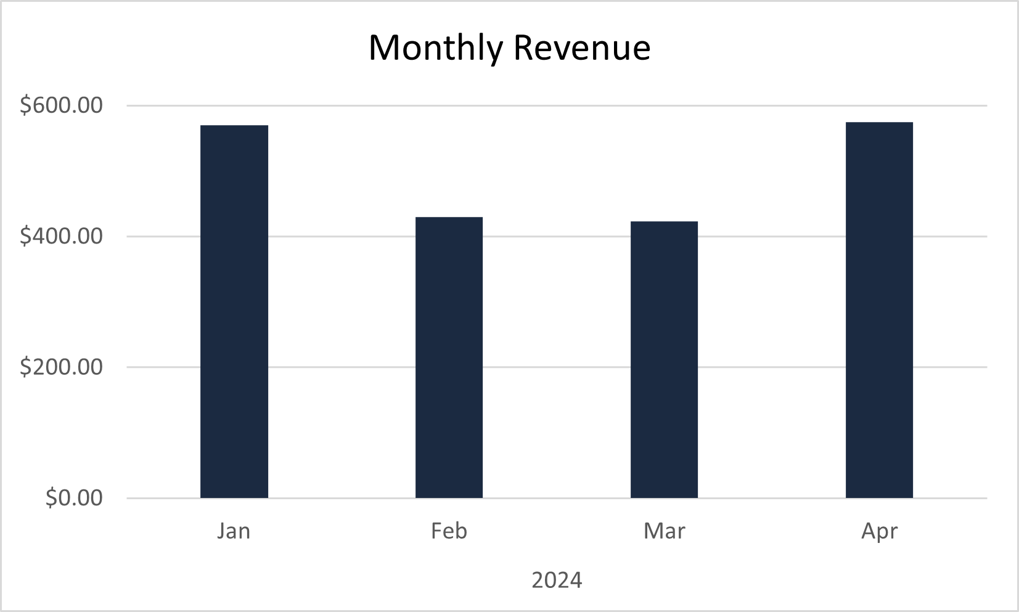

2 Number Haircuts
Years (Date) | Months (Date) | Date | Payment Method | Count of Name
2024
 | Jan |  |  | 21
 | Feb |  |  | 18
 | Mar |  |  | 21
 | Apr |  |  | 20
Number of Haircuts Per Month
 | Total
Jan | 21
Feb | 18
Mar | 21
Apr | 20

3 Payment Method Counts
Date | (All)
Years (Date) | 2024
Months (Date) | (Multiple Items)

Payment Method | Count of Payment Method
Cash | 2
Lent | 10
Venmo | 11
Zelle | 16

Count of Payment Methods from Feb-Mar (2024)

