Arkusz1
Main Window: |  | Details Window (fields): |  | Create InvoiceItem Window | Create Invoice Window | Other services: | Tasks: | Lista funkcjonalnosci:
"Invoice table" | Db context | Fields: | DbContext | Name | Client NIP | EmailSender - payment | Id, ClientId not hidden | Wyswietlanie faktur
Id [HIDDEN] | Invoice | InvoiceId [HIDDEN] | Invoice | Amount | InvoiceNumber | PDF create | clean code | Filtrowanie faktur
ClientId [HIDDEN] | Invoice | ClientId [HIDDEN] | Client | Price | IssueDate | appsettings | add exceptions | Tworzenie nowych faktur
InvoiceNumber | Invoice | ClientName | Client | VAT | SaleDate |  | make design look nice | Wysyłanie emaili
IssueDate | Invoice | ClientStreet | Client |  | PaymentDueDate |  | implement services | Dodawanie uslug do faktur
SaleDate | Invoice | ClientPostCode | Client |  |  |  |  | Usuwanie faktur
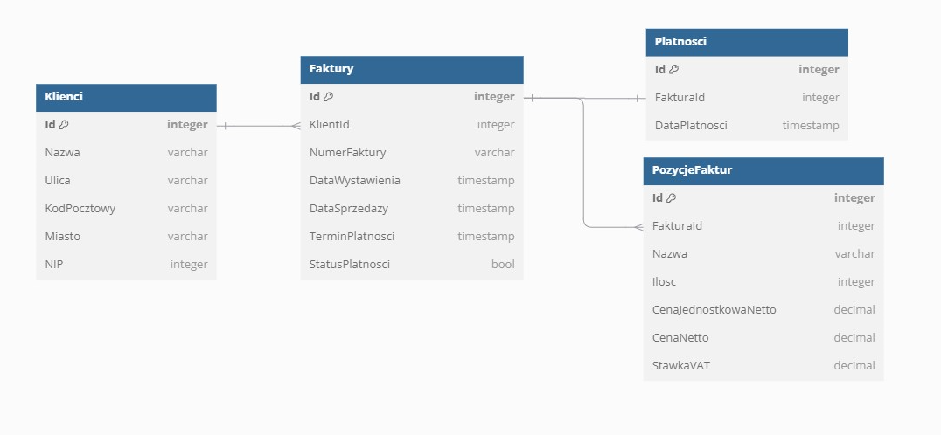
PaymentDueDate | Invoice | ClientCity | Client |  |  |  |  | Usuwanie uslug z faktur
PaymentDate | Payment | ClientNIP | Client |  |  |  |  | Tworzenie pliku faktury
Price gross | InvoiceItem | ClientEmail | Client |  |  |  |  | Zmiana statusu faktury
ClientName | Client | InvoiceNumber | Invoice
ClientNIP | Client | IssueDate | Invoice
 |  | SaleDate | Invoice |  |  |  |  | Wykorzystane technologie
Buttons: |  | PaymentDueDate | Invoice |  |  |  |  | Entity Framework
Create |  | PaymentDate | Payment |  |  |  |  | MSSQL
Filter |  | PriceGross | Invoice |  |  |  |  | .NET WPF
Details (for each invoice) |  | Buttons: |  |  |  |  |  | SendGrid (EmailSender)
 |  | Change status |  |  |  |  |  | PdfSharp (PdfGenerator)
Filters: |  | Delete |  |  |  |  |  | AutoMapper
FromDate |  | Add invoiceitem
ToDate |  |  |  |  |  |  |  | Wzorce projektowe i architektura
FromPrice |  | Details Window (invoice item table): |  |  |  |  |  | Dependency Injection
ToPrice |  | InvoiceItem table: | DbContext |  |  |  |  | Factory
ClientNIP |  | Id [HIDDEN] | InvoiceItem |  |  |  |  | Repository
ClientName |  | Name | InvoiceItem |  |  |  |  | Microservices
OverduePayments |  | Amount | InvoiceItem |  |  |  |  | MVVM
 |  | Price | InvoiceItem
 |  | VAT | InvoiceItem
 |  | Price gross | InvoiceItem

 |  | Buttons:
 |  | DeleteItem

