TAILLIGHT
TAIL LIGHT

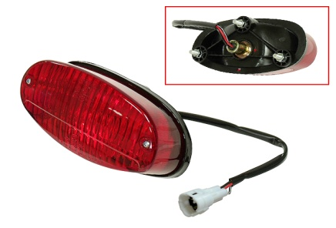
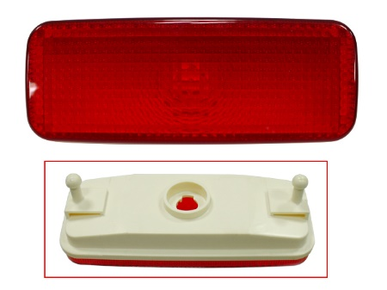
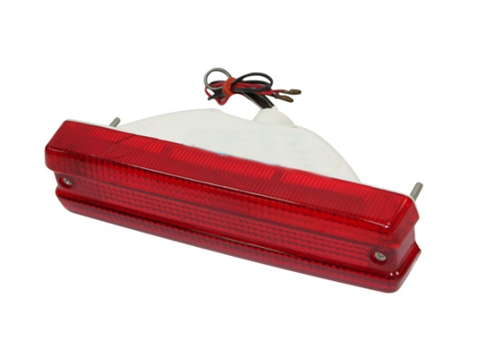

AT-01009
AT-01085
AT-01464

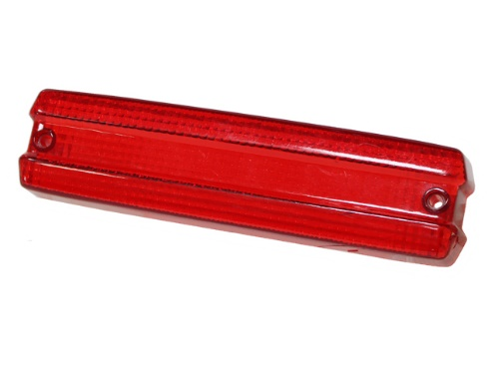
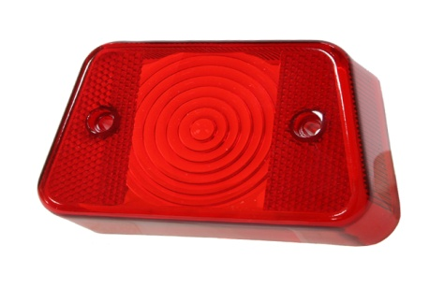
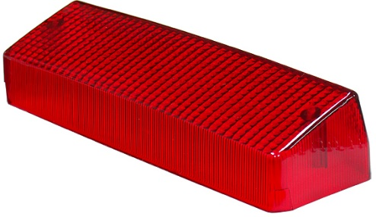

AT-01013
AT-01041
AT-01052

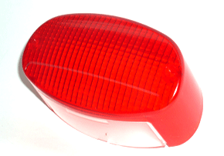
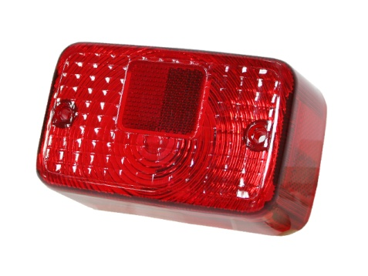
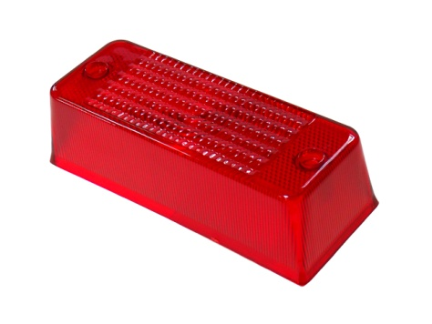

AT-01053
AT-01084E
SM-01074

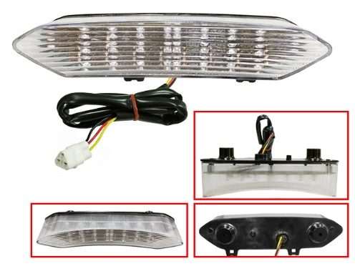
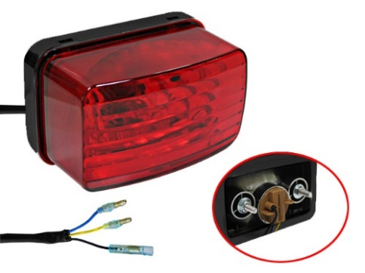
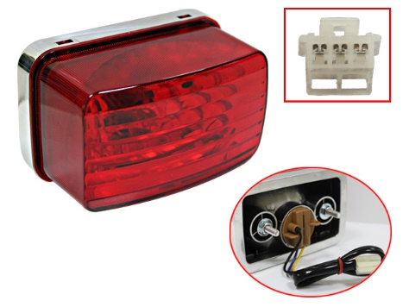

AT-01402
SM-01108
SM-01109
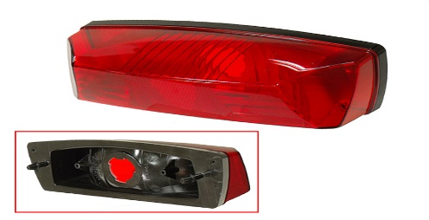
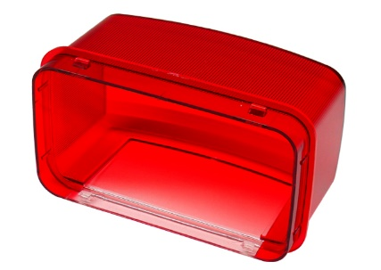
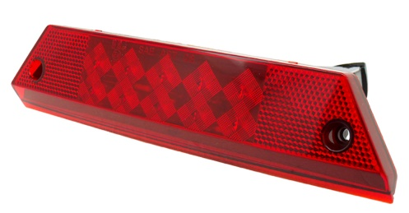

SM-01109A
SM-01218
SM-01252

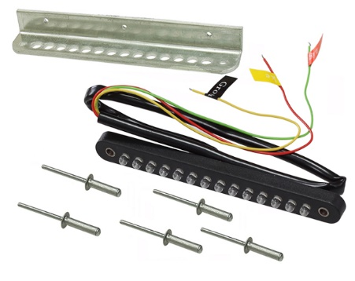
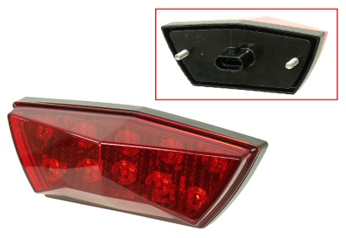

SM-01503
SM-01501

TAIL LIGHT

APPLICATION | YEAR | OEM# | LENS ONLY NI# | ASSEMBLY NI#
ARCTIC CAT
400 ALL OPTIONS | 2006-13 | 0509-025 |  | SM-01218
450 H1, GT, TRV, TRV GT | 2011-12 | 0509-025 |  | SM-01218
500 ATV | 2013-15 | 0509-025 |  | SM-01218
500 AUTO. TRANS. 4X4 FIS (ALL OPTIONS) | 2005-09 | 0509-025 |  | SM-01218
550 (ALL OPTIONS) | 2009-13 | 0509-025 |  | SM-01218
650 H1 AUTO.TRANS.4X4,TBX,TRV,MUD PRO ALL | 2005-10 | 0509-025 |  | SM-01218
700 ALL OPTIONS | 2006-14 | 0509-025 |  | SM-01218
TBX/VLX 700 | 2015-18 | 0509-025 |  | SM-01218
ALTERRA 700 MUD PRO LTD | 2019 | 0509-025 |  | SM-01218
1000 TRV, XT, MUDPRO | 2009-14 | 0509-025 |  | SM-01218
THUNDERCAT ALL | 2008-09 | 0509-025 |  | SM-01218
UTV
PROWLER 550 | 2009-13 | 0509-025 |  | SM-01218
PROWLER XT 650 H1 AUTO. 4X4 | 2006/09 | 0509-025 |  | SM-01218
PROWLER 700 XT 4X4 ALL | 2009-13 | 0509-025 |  | SM-01218
PROWLER 1000 XT/XTZ | 2009-13 | 0509-025 |  | SM-01218

HONDA
ATC200S | 1984-86 | 33700-965-003 |  | AT-01009
ATC200X/ATC250R | 1983-86 | 33700-965-003 |  | AT-01009
TRX250R | 1986-89 | 33700-965-003 |  | AT-01009
TRX300 | 1988-00 | 33700-965-003 |  | AT-01464
TRX300 | 1988-00 | 33700-965-003 |  | AT-01009
ATC35R | 1985-86 | 33700-965-003 |  | AT-01009

POLARIS
MOST ATV`s | 1985-06 | 4032046/4032030 | AT-01052
TRAILBOSS | 1992-09 | 4032046/4032030 | AT-01052
TRAIL BLAZER 250 | 1996-06 | 4032085 | SM-01074
TRAIL BLAZER 330 | 2008-09 | 4032085 | SM-01074
SCRAMBLER 400 | 1996-06 | 4032085 | SM-01074
SPORT 400 | 1999 | 4032085 | SM-01074
SPORT 400L | 1996-99 | 4032085 | SM-01074
TRAIL BLAZER 400 | 2003 | 4032085 | SM-01074
OUTLAW 450 S | 2009-10 | 2411092-432 | SM-01503
SCRAMBLER 500 | 1996-06 | 4032085 | SM-01074
SCRAMBLER 500 4X4 | 2008-09 | 4032085 | SM-01074
OUTLAW 525 S/IRS | 2009-10 | 2411092-432 | SM-01503
SCRAMBLER 850 | 2013-23 | 2411092-432 | SM-01503
SCRAMBLER 1000 HO/XP ALL | 2014-23 | 2411092-432 | SM-01503
UTV
ACE 150 | 2017-21 | 2411092-432 | SM-01503
RANGER 4X4 500 EFI | 2009-10 | 2411099 |  | SM-01252
RANGER 4X4 700 EFI ALL | 2009 | 2411099 |  | SM-01252
RANGER 4X4 800 EFI ALL | 2010-14 | 2411099 |  | SM-01252
RANGER 4X4 800 EFI CREW | 2010-13 | 2411099 |  | SM-01252
RANGER 6X6 800 EFI | 2010-15 | 2411099 |  | SM-01252
RANGER XP 800 | 2012 | 2411099 |  | SM-01252
RANGER 4X4 900 DIESEL CREW | 2013-14 | 2411099 |  | SM-01252
RANGER 900 DIESEL | 2011-14 | 2411099 |  | SM-01252
** AT-01052 ALSO FITS SOME SNOWMOBILE APPLICATIONS
** SM-01252 ALSO FITS MANY SNOWMOBILES
** SM-01503 ALSO FITS SNOW, PLEASE INQUIRE FOR DETAILS.

KAWASAKI
KLF185 | 1985-86 | 23026-1056 | AT-01041
KLF300 | 1986-04 | 23026-1056 | AT-01041
BRUTE FORCE 650 4X4I | 2006-13 | 23026-1183 | AT-01084E
BRUTE FORCE 750 4X4I | 2005-11 | 23026-1183 | AT-01084E
UTV
MULE 1000 | 1994-97 | 23026-1056 | AT-01041
** AT-01041 ALSO FITS SOME MOTORCYCLE APPLICATIONS

TAIL LIGHT

APPLICATION | YEAR | OEM# | LENS ONLY NI# | ASSEMBLY NI#
YAMAHA
YFM125 GRIZZLY | 2004-13 | 3FA-84710-00/01 |  | AT-01402
YFM125 RAPTOR | 2011-13 | 3FA-84710-00/01 |  | AT-01402
YFM200 MOTO-4 | 1985-89 | 21V-84721-00 | AT-01053
YFS200 BLASTER | 2002-06 | 3FA-84710-00/01 |  | AT-01402
YTM200/E/ER TRI-MOTO | 1983-85 | 21V-84721-00 | AT-01053
YFM225 MOTO-4 | 1986-88 | 21V-84721-00 | AT-01053
YTM225 TRI-MOTO | 1983-86 | 21V-84721-00 | AT-01053
BRUIN 250 | 2004-06 | 5KM-8472C-10, 3FA-84710-00 | SM-01109A
YFB250/FW TIMBERWOLF | 1992-98 | 21V-84721-00 | AT-01053
YFM250 MOTO-4 | 1989-91 | 21V-84721-00 | AT-01053
YFM250 RAPTOR | 2008-13 | 3FA-84710-00/01 |  | AT-01402
BIG BEAR 350 | 1987-98 | 21V-84721-00 | AT-01053
MOTO-4 350 | 1987-95 | 21V-84721-00 | AT-01053
RAPTOR 350 | 2004-13 | 4TR-84733-00 | AT-01084E | AT-01085
WOLVERINE 350 | 2006-09 | 4TR-84733-00 | AT-01084E | AT-01085
WOLVERINE 350 | 2010 | 4TR-84733-00 | AT-01084E | AT-01085
YFM350 WARRIOR | 1995-98 | 21V-84721-00 | AT-01053
YFM350 WARRIOR | 2002-04 | 3FA-84710-00/01 |  | AT-01402
YFZ350 BANSHEE | 2002-06 | 3FA-84710-00/01 |  | AT-01402
KODIAK 400 4WD | 1993-98 | 21V-84721-00 | AT-01053
WOLVERINE 450 | 2006-10 | 4TR-84733-00 | AT-01084E
YFM450 KODIAK | 2018-19 | 5KM-8472C-10, 3FA-84710-00 | SM-01109A | SM-01109
YFZ 450 | 2004-05 | 4TR-84733-00 | AT-01084E | AT-01085
YFZ450 | 2012-13 | 3FA-84710-00/01 |  | AT-01402
YFZ450R/X | 2009-20 | 8GC-84710-00/02, 1S3-84710-00/01 |  | SM-01108
YFM550 GRIZZLY | 2011-14 | 3FA-84710-00/01 |  | AT-01402
RAPTOR 660 | 2001-05 | 4TR-84733-00 | AT-01084E | AT-01085
RAPTOR 700 | 2007-13 | 8GC-84710-00/02, 1S3-84710-00/01 |  | SM-01108
YFM700 GRIZZLY | 2007-15 | 3FA-84710-00/01 |  | AT-01402
YFM700 KODIAK | 2016-23 | 3FA-84710-00/01 |  | AT-01402
YFM700 RAPTOR | 2006-12 | 3FA-84710-00, 1S3-84710-01 ST6-84710-21 |  | SM-01108
YFA1 BREEZE | 2002-04 | 3FA-84710-00/01 |  | AT-01402
UTV
RHINO 450 | 2006-09 | 5KM-8472C-10, 3FA-84710-00 | SM-01109A | SM-01109
RHINO 700 | 2008-12 | 5KM-8472C-10, 3FA-84710-00 | SM-01109A | SM-01109
VIKING 700 | 2018-23 | 5KM-8472C-10, 3FA-84710-00 | SM-01109A | SM-01109
WOLVERINE 700 | 2016-18 | 5KM-8472C-10, 3FA-84710-00 | SM-01109A | SM-01109
** SM-01108 ALSO FITS MANY SNOWMOBILES
** AT-01084E ALSO FITS MANY MC APPLICATIONS

UNIVERSAL
BRACKET HOLE: 4MM. C TO C: 124MM. LED WIRE LENGTH: 60CM |  |  |  | SM-01501

HEADLIGHT BRACKETS
LICENSE PLATE BOLT-LIGHT

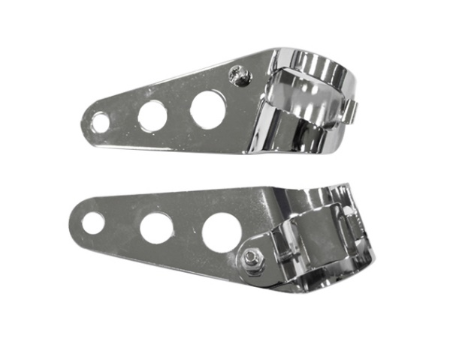
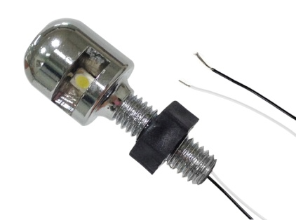

MC-01802
SIZE: 1-1/8" TO 1-1/2"
LENGTH 5" (10CM)
MATERIAL: S45C
FIT MOST FRONT FORKS
MC-01579-2
REF# 15-751
LED0.12V. M6X1.0X10 MM, W/PLASTIC NUT
MATERIAL: SS304
FINISHED: CHROME PLATE

