JS_FUNDAMENTALS_01
Season 1 | Episode | Title | Focus Areas | Notes | Progress
 | EP-01 | How JavaScript Works & Execution Context | JavaScript Engine, Code Execution | Core fundamentals of JS execution | done
 | EP-02 | How JavaScript Code is executed? & Call Stack | Execution Context, Call Stack | Understanding JS execution flow
 | EP-03 | Hoisting in JavaScript (variables & functions) | Hoisting, Variables, Functions | Key concept in JS, often misunderstood
 | EP-04 | How functions work in JS & Variable Environment | Functions, Execution Context | Understanding JS function mechanics
 | EP-05 | SHORTEST JS Program window & this keyword | Shortest JS program, Window, this | Key for mastering JS structure
 | EP-06 | undefined vs not defined in JS | Undefined, Not Defined | Clarifying common misconceptions
 | EP-07 | The Scope Chain, Scope & Lexical Environment | Scope, Lexical Environment | Core scope-related concepts
 | EP-08 | let & const in JS Temporal Dead Zone | let, const, Temporal Dead Zone | Detailed look into variable scoping
 | EP-09 | BLOCK SCOPE & Shadowing in JS | Block Scope, Shadowing | Understanding block-level scoping
 | EP-10 | Closures in JS | Closures | Core concept for functional JS
 | EP-11 | setTimeout + Closures Interview Question | setTimeout, Closures | Common interview scenario
 | EP-12 | CRAZY JS INTERVIEW ft. Closures | Closures in depth | Detailed interview-style breakdown
 | EP-13 | FIRST CLASS FUNCTIONS ft. Anonymous Functions | First-class Functions, Anonymous Functions | Essential functional JS concepts
 | EP-14 | Callback Functions in JS ft. Event Listeners | Callback Functions, Event Listeners | Deep dive into callbacks and events
 | EP-15 | Asynchronous JavaScript & EVENT LOOP from scratch | Event Loop, Asynchronous JS | Key for understanding async JS
 | EP-16 | JS Engine EXPOSED Google’s V8 Architecture | V8 Engine, JS Runtime, JIT | Deep dive into JS Engine internals
 | EP-17 | TRUST ISSUES with setTimeout() | setTimeout, Event Loop | Understanding setTimeout pitfalls
 | EP-18 | Higher-Order Functions ft. Functional Programming | Higher-Order Functions, Functional Programming | Important functional programming technique
 | EP-19 | map, filter & reduce | Array methods (map, filter, reduce) | Essential for working with arrays

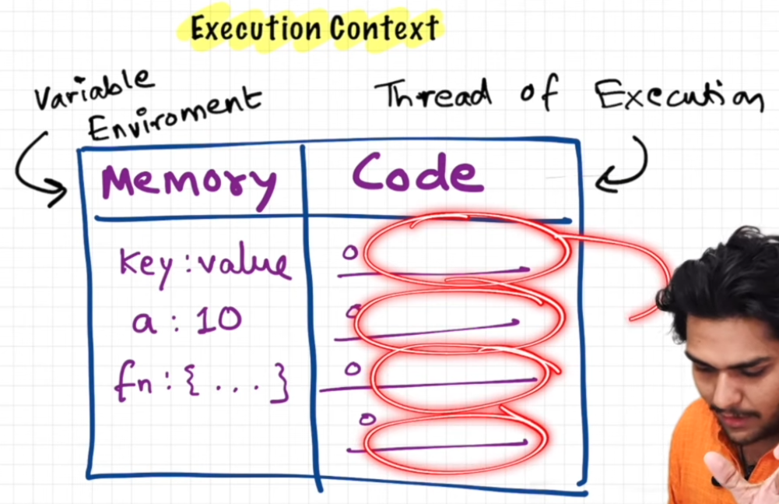
 | vid-01 | How JavaScript Works & Execution Context | TimeLine
 |  |  | 0.20 sec | first core funda("Everything in js happens inside an execution Context")
 |  |  | 0.45 sec | Execution context is similar to big box which contains two components
 |  |  | 0.56 sec | the first component known as memory component also known as variable environment
 |  |  | 1.02 sec | memory comp is place where variables and functions are stored in key : value pairs
 |  |  | 1.21 sec (heavy word) | memory component is also known as variable environment
 |  |  | 1.37 sec | second component of the execution context is code component
 |  |  | 1.58 sec (heavy word) | Code component is also known as thread of execution
 |  |  | 2.11 sec | execution happens one line at a time
 |  |  | 2.23 sec (fundamental) | javascript is a synchronous single threaded language
 |  |  | 2.32 sec | single threaded means javascript can execute one command at a time
 |  |  | 2.39 sec | single threaded means executing one command at a time only in a specific order i.e, it executes one line after which it goes to another line
 |  |  | 3.01 sec (What is ajax then) asynchronous Asynchronous JavaScript and XML | will be covered in future topics
 |  |  | explaination a collection of web development techniques that allow web applications to send and receive data from a server without reloading the page()

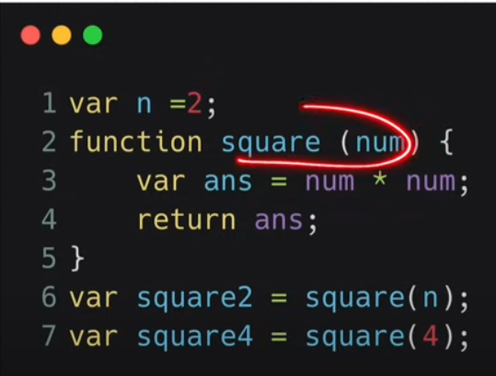
 | vid-02 | How JavaScript Code is executed? & Call Stack | TimeLine
 |  |  | 0.27sec (what happens if you run a js program) | we create a js execution context
 |  |  | 0.53 sec example
 |  |  | 1.44 (memory execution phase and code execution phase)
 |  |  | 3.38sec in memory execution phase | first place if goes through whole program line by line
 |  |  |  | allocates variables and functions a space in memory
 |  |  |  | for variables it is stored as key = variable name and value = undefined
 |  |  |  | for functions it is stored as key = function name and value ={entire function}
 |  |  | 5.00sec in code execution phase

