T365 State Avaialability
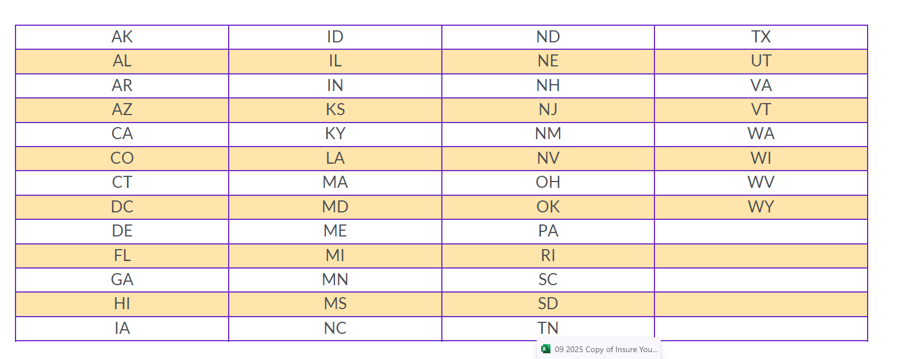
Travel 365 State Availability

T365 Pricing
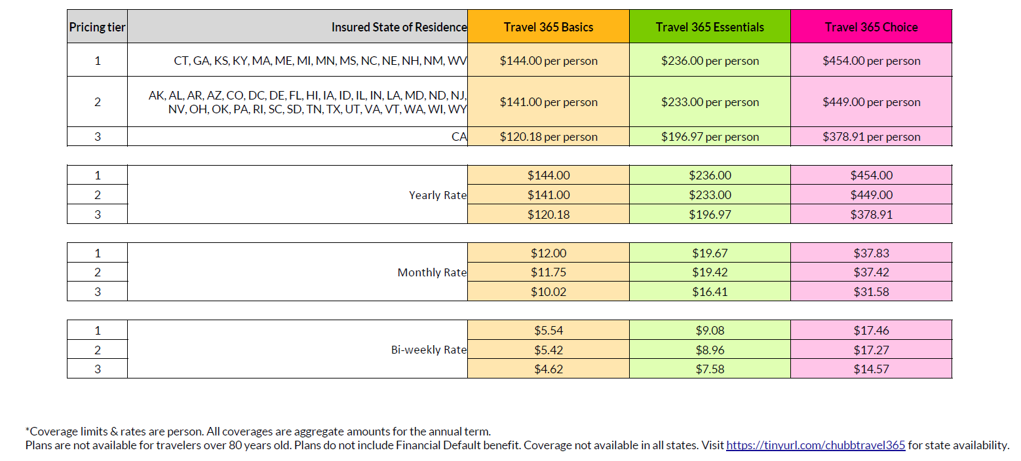
Travel 365 Pricing

