Sheet1
0 | 0 | A | Cx | Cy
2.5 | 2.5 | 7.5 | 0.972 | 2.694
2.5 | 3.5
0 | 5
 |  |  | cp x | cpy |  | mac length
 |  |  | 0.972 | 1.661 |  | 3.444 | 0.861
 |  |  |  |  |  | 8.61
 |  |  |  | 1.033 | 4.1337777778
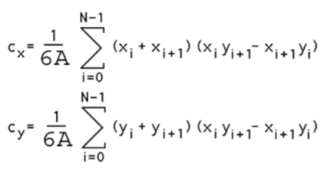
 |  |  | tip area | root area |  | front | back
 |  |  | 3.395 | 4.105 |  | 3.611 | 3.889

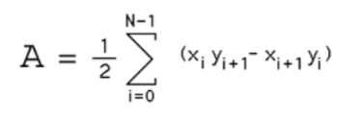

 |  |  |  |  |  |  |  | https://www.seas.upenn.edu/~sys502/extra_materials/Polygon%20Area%20and%20Centroid.pdf

