Incentives Guide
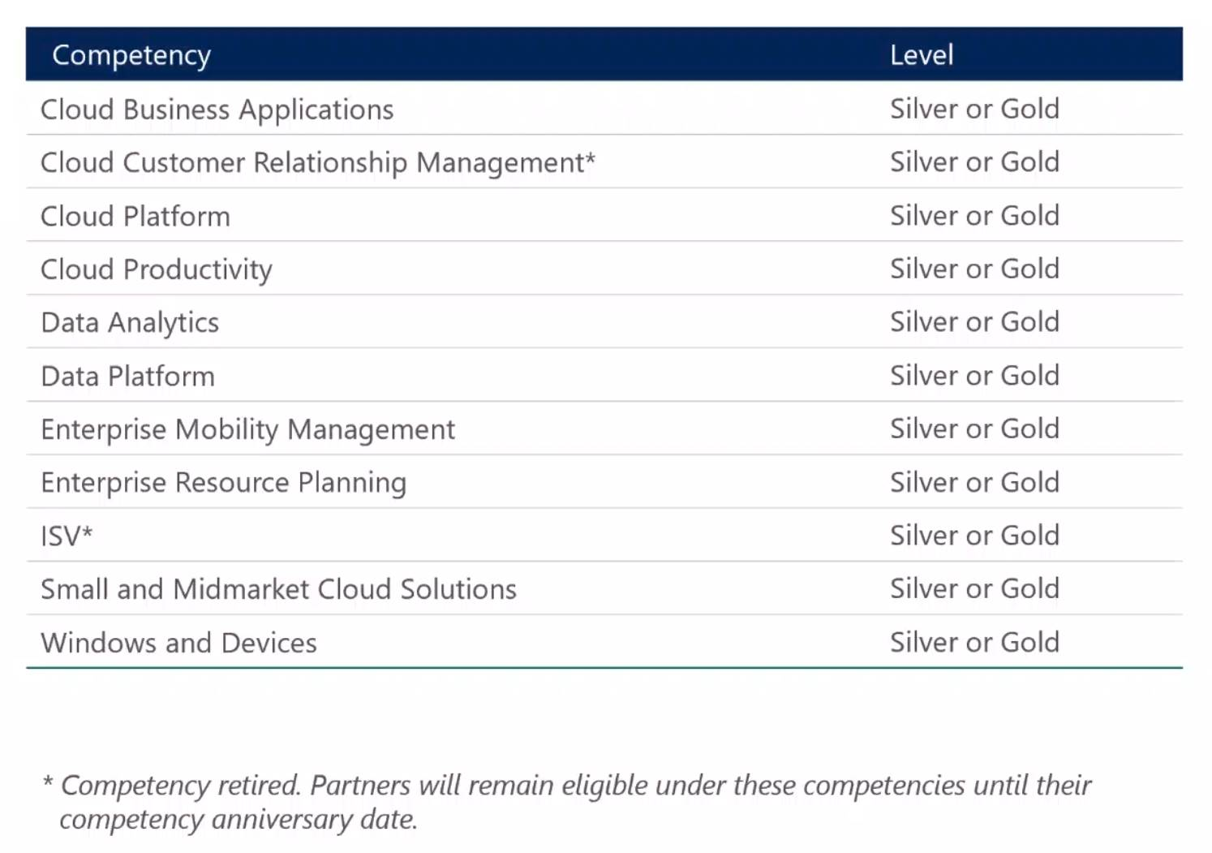
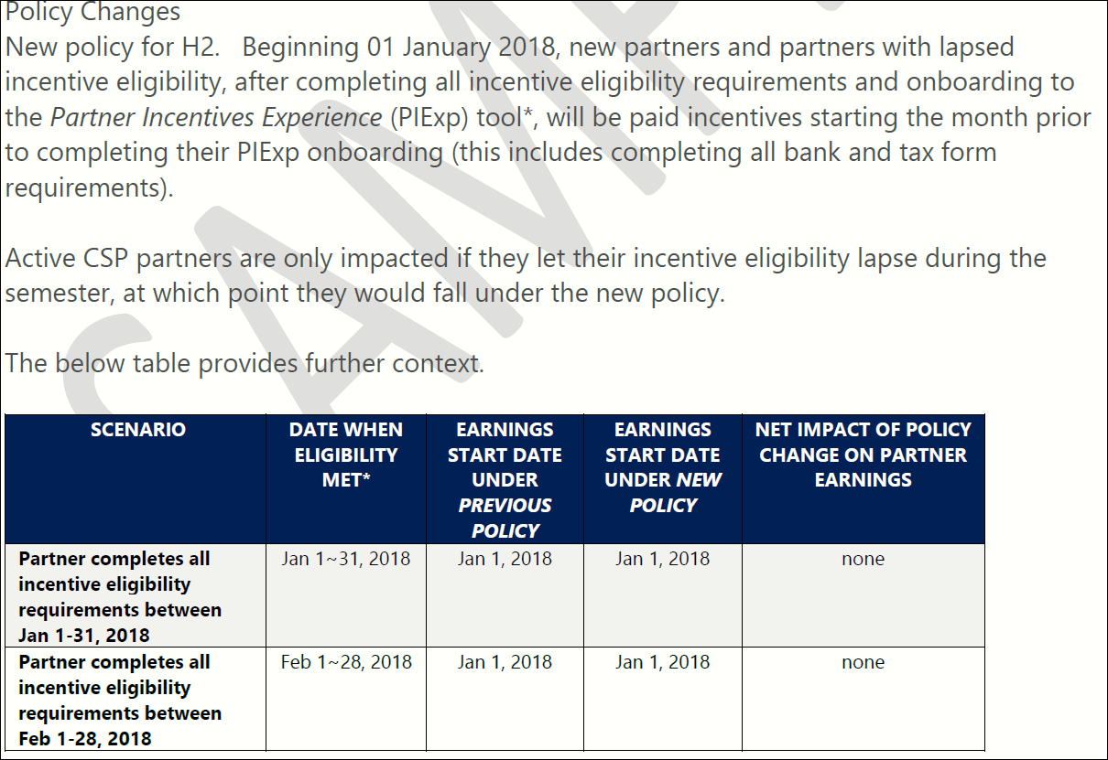
Additional Incentives:
- To gain access to these incentives Indirect Resellers must have and maintain an Active Competency in the Microsoft Partner Network. For more information view: https://partner.microsoft.com/en-us/membership/competencies
- Reseller must be enrolled in the Partner Incentive Experience (PIE) portal
- Incentives are paid from Microsoft directly to the Reseller. Dynamics Africa as CSP Provider has no control over payment schedules or any related payment questions/disputes.
- Incentives shown on Reference Price Sheets are indicative based on Microsoft's published Incentives guides. Dynamics Africa do not guarantee the accuracy of the SKU incentives
- Please download the full incentives guide from: https://assets.microsoft.com/en-us/csp-indirect-reseller-incentives-guide.pdf

- Any of the following competencies count towards the incentives program:

