Fig 3d
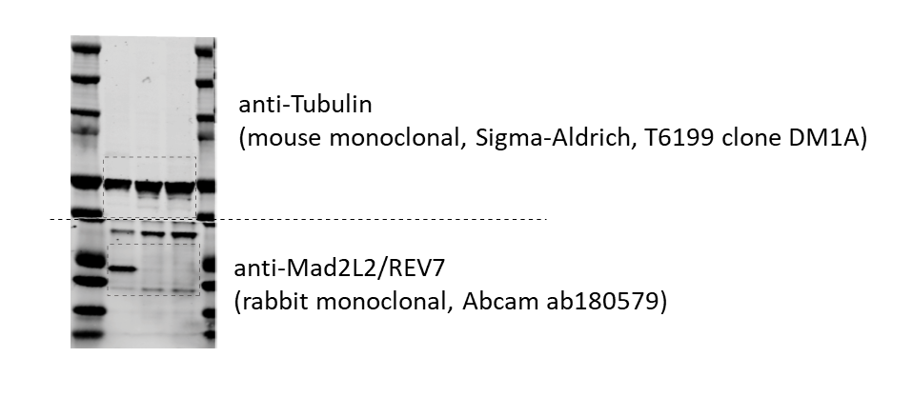

Fig S2a
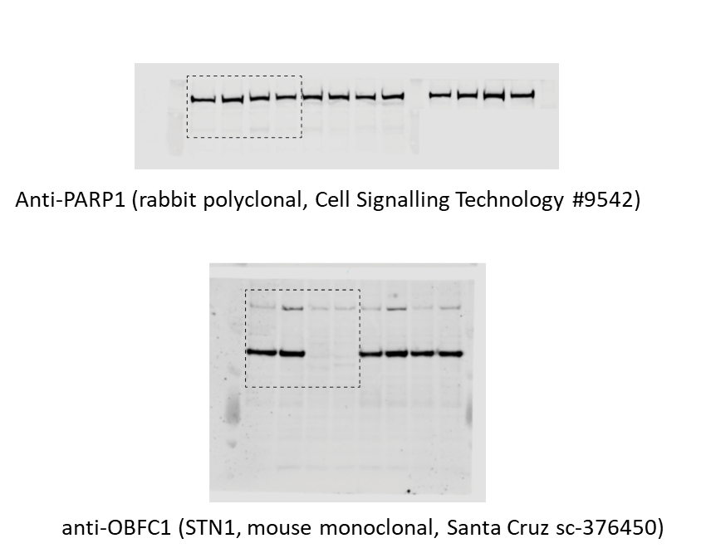

Fig S4a
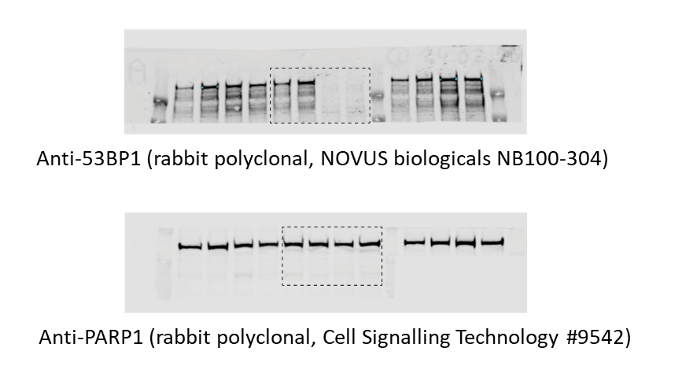

Fig S6g
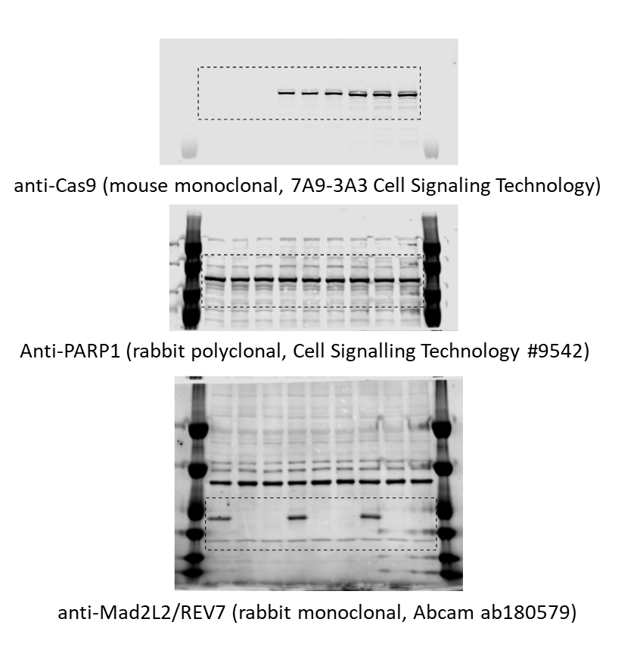

Fig S7a
anti-Cas9 (mouse monoclonal, 7A9‐3A3 Cell Signaling Technology)
anti-Tubulin (mouse monoclonal, Sigma-Aldrich, T6199 clone DM1A)

example gating strategy
Example sorting strategy for sorting of eGFP negative cells for NGS analysis

