put main image
index!A1

link: https://www.bigredcc.com/wp-content/uploads/carpet-cleaning-singapore-by-big-red-carpet-cleaners.jpg

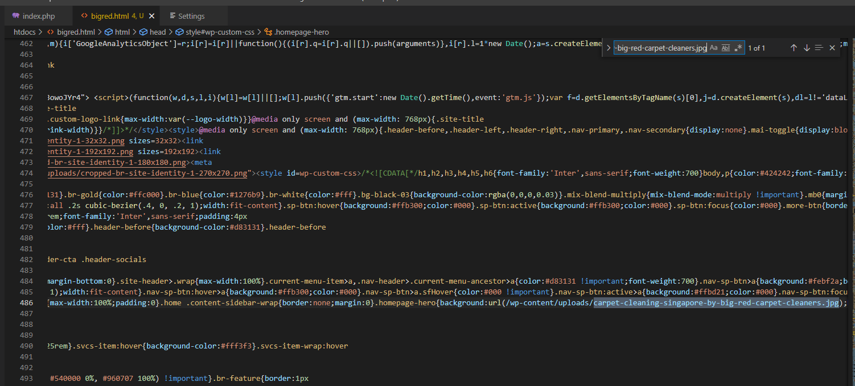
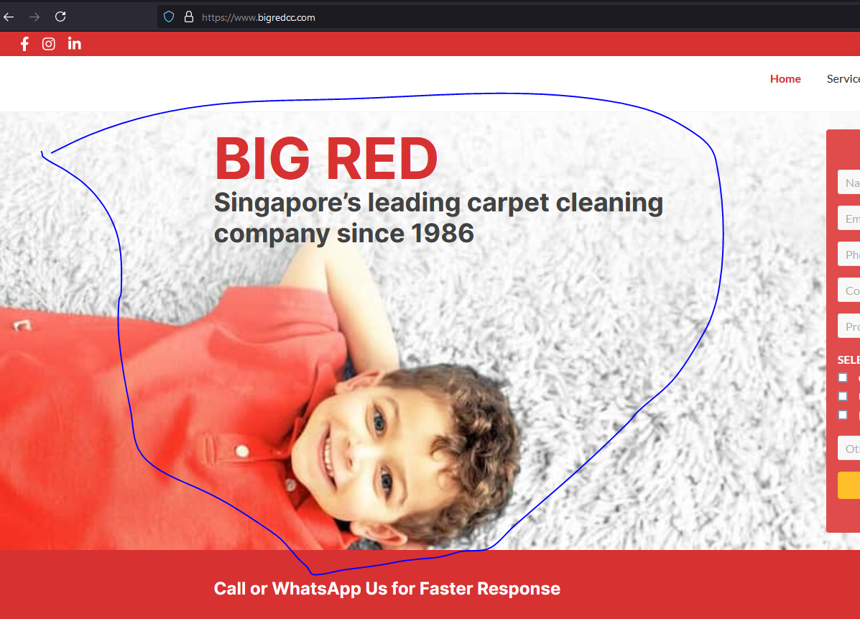

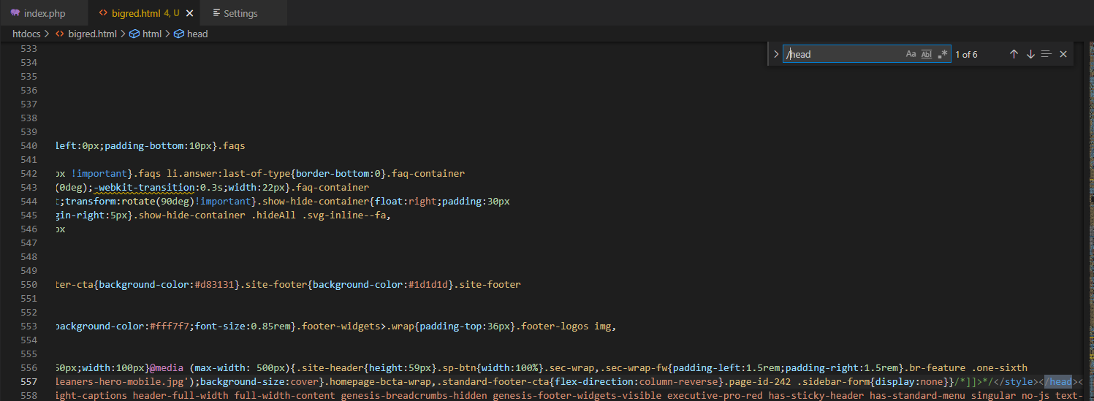

end of header

Sheet3

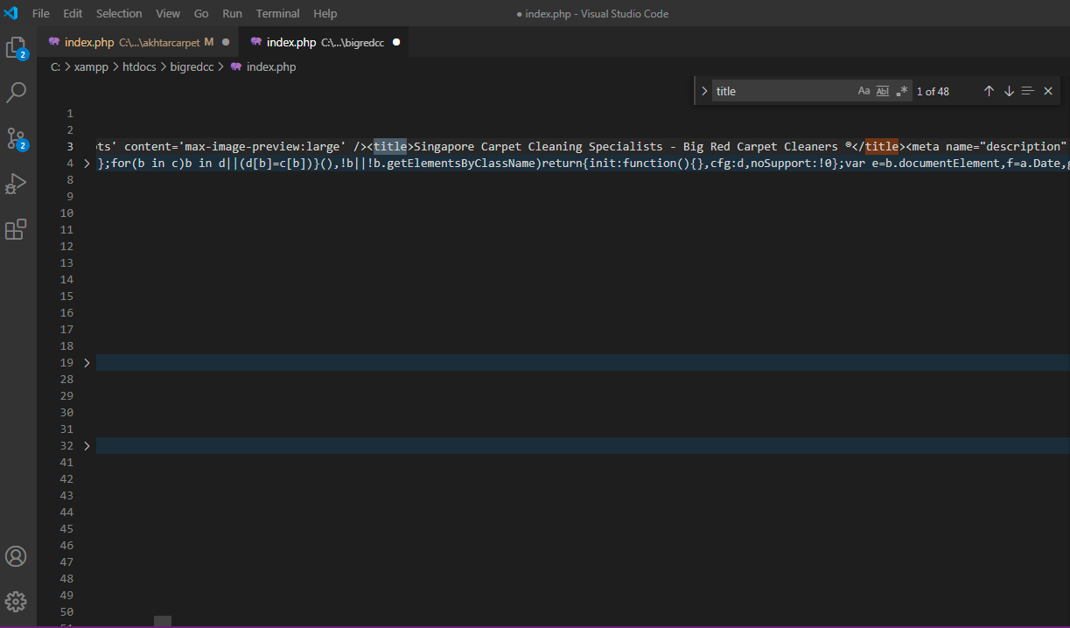

script
index!A1

what does this mean? java script?

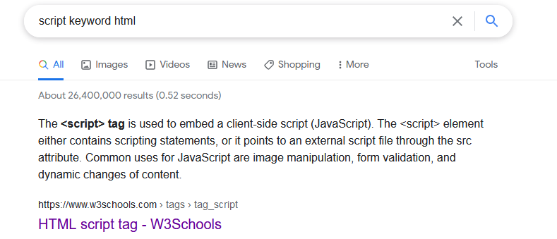

should be javascript

link | https://www.w3schools.com/tags/tag_script.asp

class
index!A1

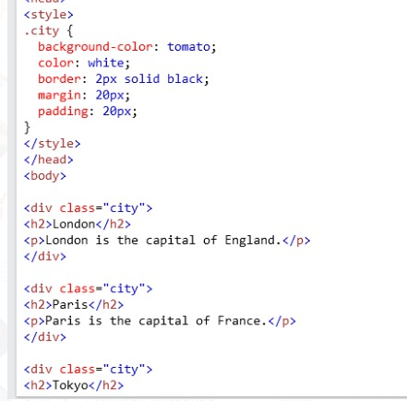
nama class

merefensi ke sini

web map
index!A1

 | tempat file index.php
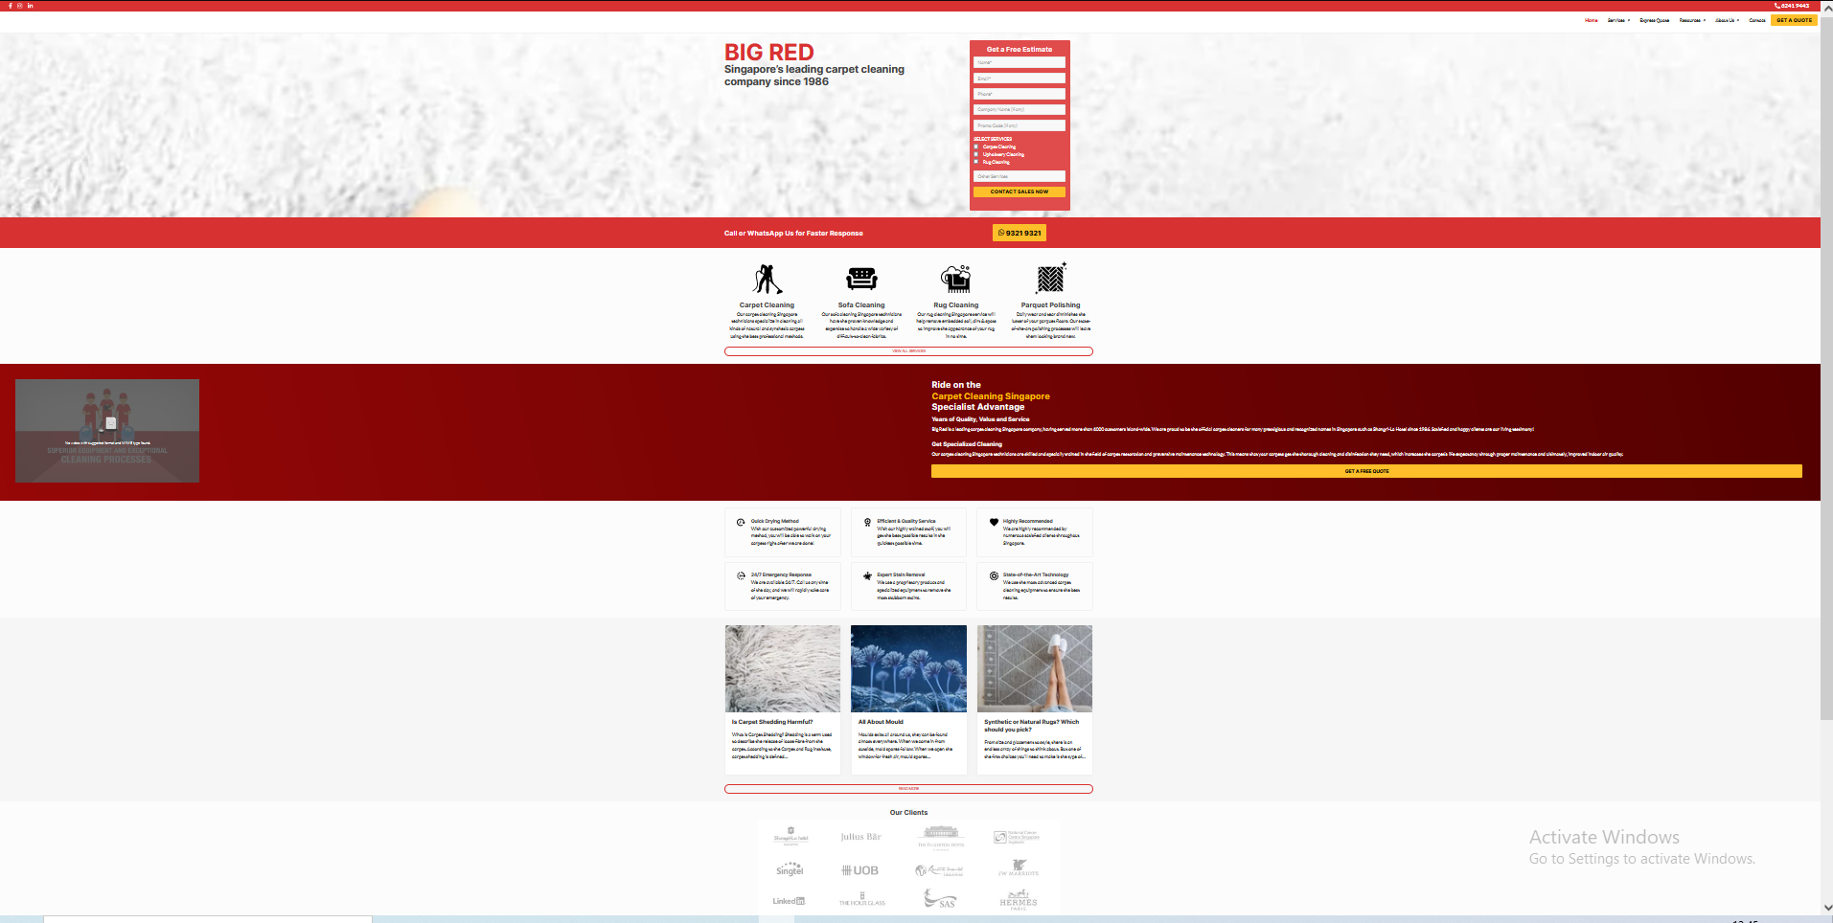

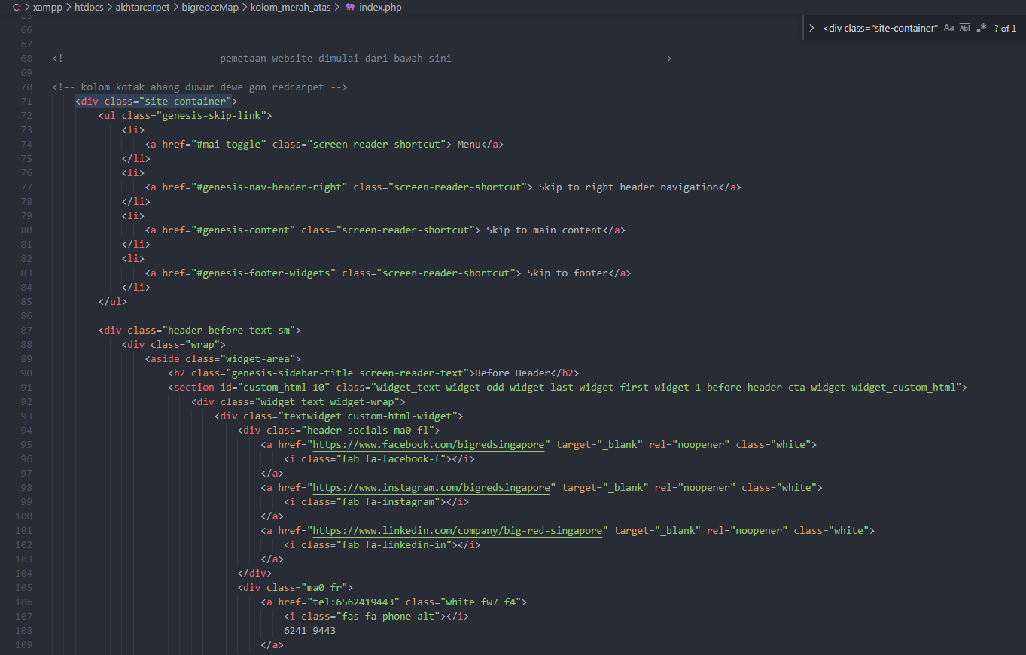

iki opo
 |  | mulai

iki opo

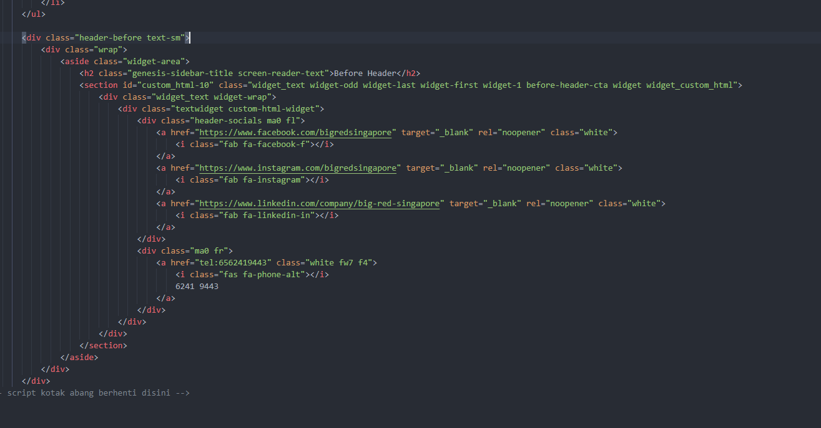

 |  | selesai

