Issue#1
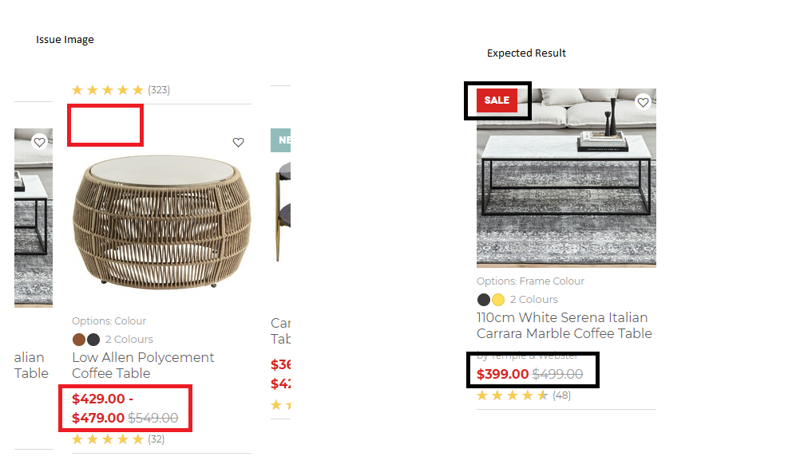
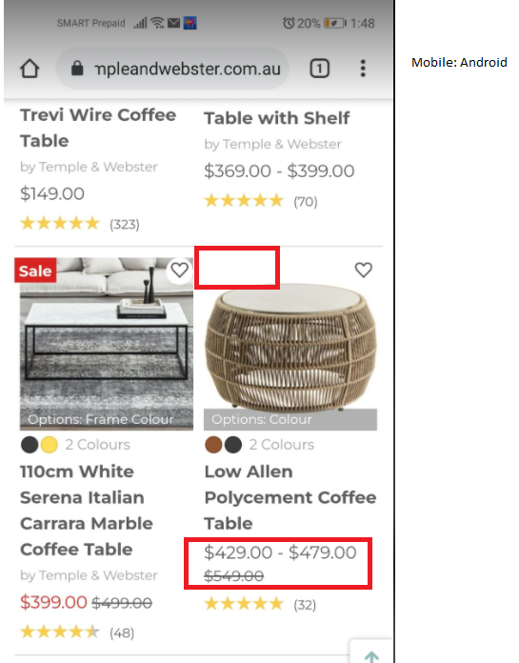
TItle: [FE Desktop/Mobile-T&W]Coffee Tables : Missing Sale Tag on the right upper corner of the Product Image
Summary | Missing Sale Tag on the Images of Product that has Price markdown | Priority: High

Environment: Desktop(Chrome Browser) and Mobile(Android)

Steps to Replicate
 | 1. Login to URL: https://www.templeandwebster.com.au/Coffee-Tables-C1813538.html 2. Navigate to the Coffee Tables List 3. Verify that the User can view Items that are on Sale

Expected Result
 | 1. Sale Tag should be visible on the Image for the Product that has Price Markdown

Actual Result
 | 1. Missing Sale Tag on the right upper corner of the Product Image

Screenshot Reference:

Issue#2
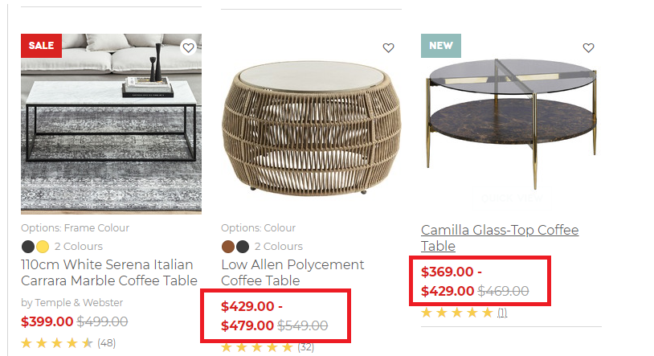
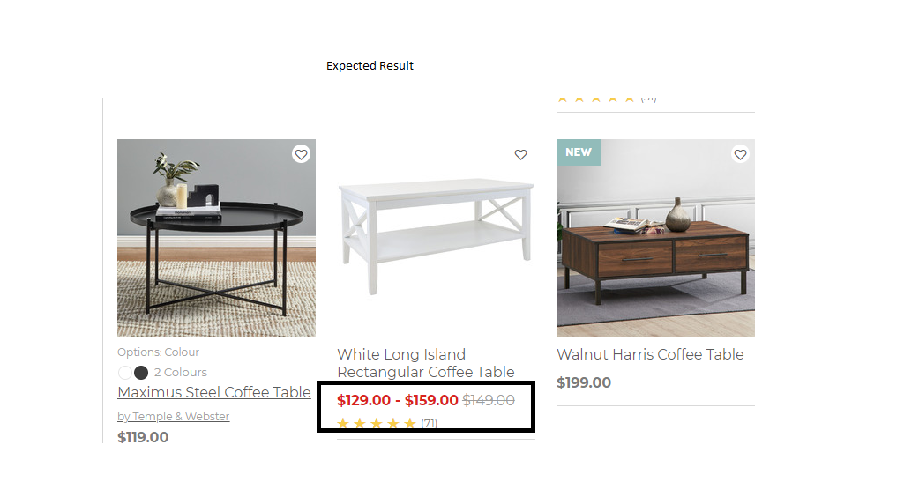
TItle: [FE Desktop-T&W]Coffee Tables : Incorrect Price Alignment
Summary | Prices that are on sales are inconsistent in alignment, make it a single line | Priority: Medium

Environment: Desktop(Chrome Browser)

Steps to Replicate
 | 1. Login to URL: https://www.templeandwebster.com.au/Coffee-Tables-C1813538.html 2. Navigate to the Coffee Tables List 3. Verify that the User can view Items that are on Sale

Expected Result
 | 1. Price Sale range and Base Price should be in a single line

Actual Result
 | 1.Price Sale range and Base Price for the Products are not consistently aligned

Screenshot Reference:

Issue #3
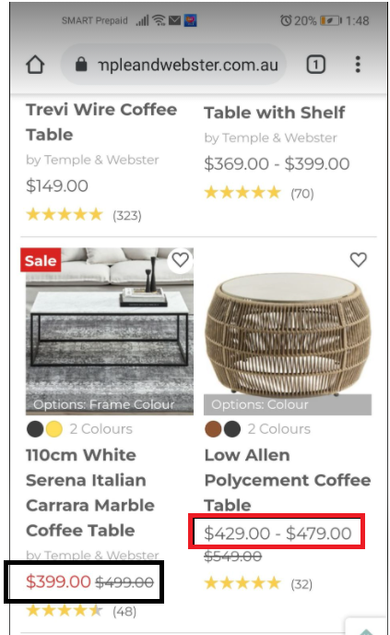
TItle: [FE Mobile-T&W]Coffee Tables : Sales Price Range should be in Red Font Color
Summary | Prices that are on sales are not in Red Font Color in Mobile View | Priority: Medium

Environment: Mobile(Android)

Steps to Replicate
 | 1. Login to URL: https://www.templeandwebster.com.au/Coffee-Tables-C1813538.html on Mobile Browser 2. Navigate to the Coffee Tables List 3. Verify that the User can view Items that are on Sale

Expected Result
 | 1. Price Range that are on Sale should be in Red Font

Actual Result
 | 1.Prices that are on sales are not in Red Font Color in Mobile View

Screenshot Reference:

Issue#4
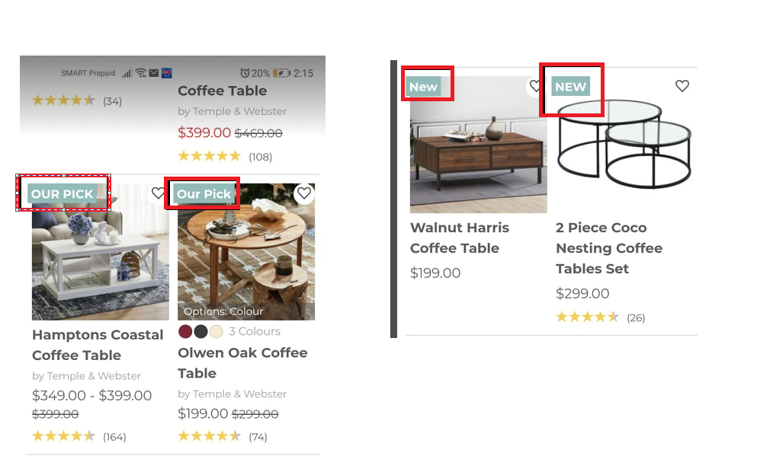
TItle: [FE Mobile-T&W]Coffee Tables : Inconsistent Text Formatting for the Tag Icon
Summary | Inconsistent Formatting for the text Our pick and New on mobile view | Priority: Medium

Environment: Mobile(Android)

Steps to Replicate
 | 1. Login to URL: https://www.templeandwebster.com.au/Coffee-Tables-C1813538.html on Mobile Browser 2. Navigate to the Coffee Tables List 3. Verify that the User can view Items that are on Sale

Expected Result
 | 1. Text Formatting should be Consistent for the Text Sale, Our Pick and New

Actual Result
 | 1.Inconsistent Formatting for the text Our pick and New

Screenshot Reference:

