说明
基站侧跟踪无法获取到实际终端测试的MOS分，但通过基站侧VQI算法可以大概体现MOS性能；
跟踪要求：
1、在建立测试终端的Traceid时，要求跟踪深度设置为2；
2、启动虚用户跟踪；
分析：
使用Wmg打开虚用户跟踪，查看PERIOD_PRIVATE_VONR_DETECT事件中的DLE2eVQI；
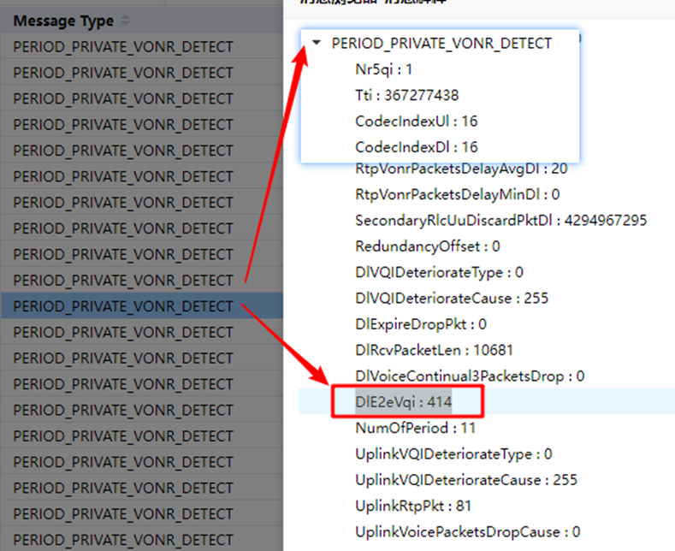
针对拉网过程中需要分析的MOS性能：
1、VQI（EVS SWB 24.4K&AMR WB 23.85K）低于3.5分
2、通过过程中重建和重新接入类异常事件；

