Sheet1
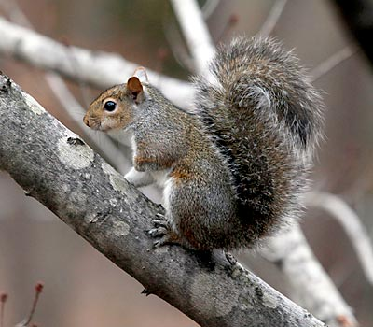
 | 1 | 1 |  |  | 1 | 1 | 1 | 103
1 |  | 1 | 1 |  | 1 |  | 1 | 181
1 | 1 | 1 | 1 | 1 | 1 |  | 1 | 253
 |  | 1 | 1 | 1 | 1 |  |  | 60
 | 1 | 1 | 1 | 1 | 1 |  |  | 124
 |  | 1 | 1 | 1 | 1 |  |  | 60
 |  | 1 | 1 | 1 |  |  |  | 56
1 | 1 | 1 | 1 |  |  |  |  | 240

1 | 1 | 1 |  |  | 1 | 1 |  | 230
1 |  | 1 |  | 1 | 1 |  | 1 | 173
1 |  | 1 | 1 | 1 | 1 | 1 | 1 | 191
 |  | 1 | 1 | 1 | 1 |  |  | 60
 |  | 1 | 1 | 1 | 1 | 1 |  | 62
 |  | 1 | 1 | 1 | 1 |  |  | 60
 |  |  | 1 | 1 | 1 |  |  | 28
 |  |  |  | 1 | 1 | 1 | 1 | 15

 |  |  |  |  |  |  |  | 0
 | 1 |  |  | 1 | 1 |  |  | 76
1 |  | 1 | 1 | 1 | 1 | 1 |  | 190
1 | 1 | 1 | 1 | 1 | 1 | 1 | 1 | 255
 | 1 | 1 |  | 1 | 1 | 1 | 1 | 111
 | 1 |  |  |  |  | 1 |  | 66
1 |  |  |  |  | 1 | 1 |  | 134
 |  |  |  |  |  |  |  | 0

 | 1 | 1 | 1 | 1 |  |  |  | 120
1 | 1 |  | 1 |  |  |  |  | 208
 | 1 | 1 | 1 |  |  |  |  | 112
 | 1 | 1 |  |  |  |  |  | 96
1 | 1 | 1 | 1 |  |  |  |  | 240
 | 1 | 1 | 1 | 1 |  |  |  | 120
1 |  |  |  | 1 |  |  |  | 136
 |  |  |  |  | 1 |  |  | 4

 |  |  | 1 | 1 | 1 | 1 |  | 30
 |  |  |  | 1 |  | 1 | 1 | 11
 |  |  |  | 1 | 1 | 1 |  | 14
 |  |  |  |  | 1 | 1 |  | 6
 |  |  |  | 1 | 1 | 1 | 1 | 15
 |  |  | 1 | 1 | 1 | 1 |  | 30
 |  |  | 1 |  |  |  | 1 | 17

 |  | 1 |  |  |  |  |  | 32

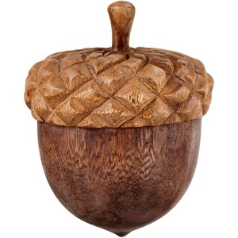
 |  |  | 1 | 1 |  |  |  | 24
 |  |  | 1 |  |  |  |  | 16
 | 1 | 1 | 1 | 1 | 1 |  |  | 124
 | 1 | 1 | 1 | 1 | 1 |  |  | 124
 |  | 1 | 1 | 1 |  |  |  | 56
 |  | 1 | 1 | 1 |  |  |  | 56
 |  | 1 | 1 | 1 |  |  |  | 56
 |  |  | 1 |  |  |  |  | 16

