Summary
PhotoCraft Codebase Cartography Audit: Key Numbers
Commit 366002f, measured 2026-10-14. Each value links to the sheet it comes from.


Metric | Value
System LOC | 257,637
DevOps/Test LOC | 205,552
Total authored LOC | 463,189
System cyclomatic complexity | 61,232
System function points (IFPUG AFP) | 3,899
Backfired System FP | 3,605
Total FP (System + DevOps/Test) | 6,780
Headline cost, low (0.32 FP/day) | $9,046,487
Headline cost, high (0.32 FP/day) | $10,554,235
Tests | 8,472
Clippy warnings | 25,244

Diagram Logical
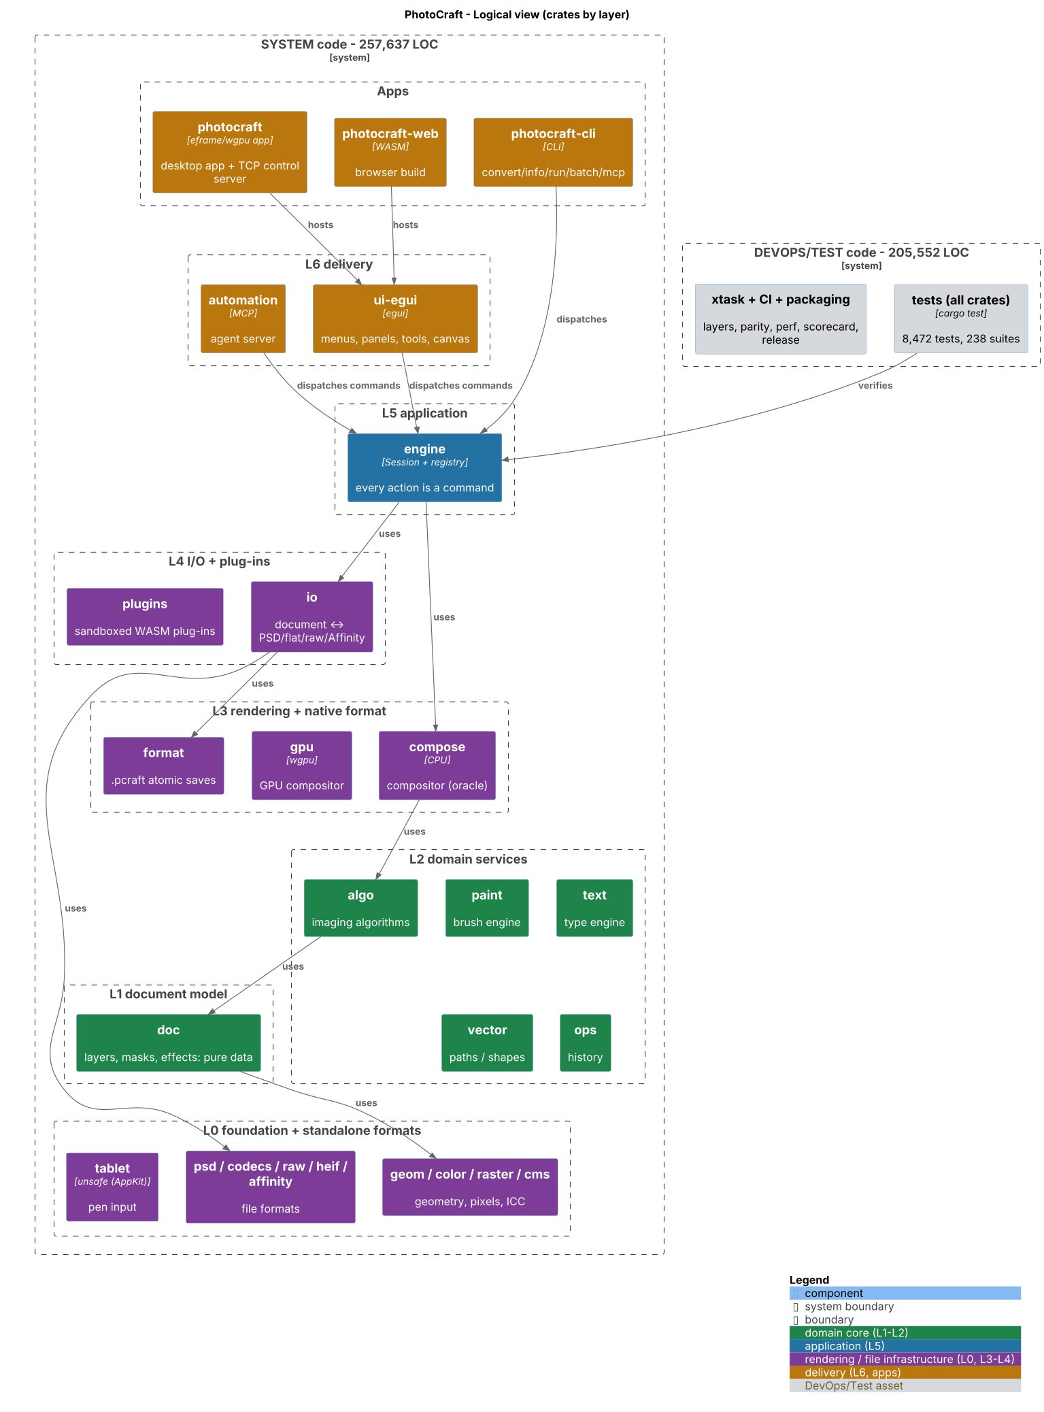
Logical view
Source: codebase-audit-report/images/01-logical.png

Diagram Runtime
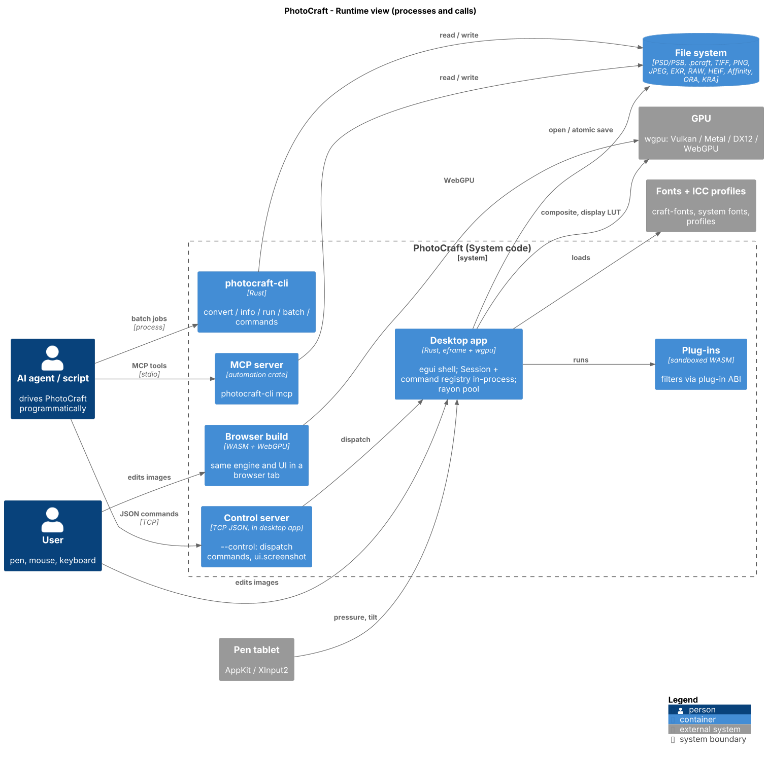
Runtime view
Source: codebase-audit-report/images/02-runtime.png

Diagram Dependencies
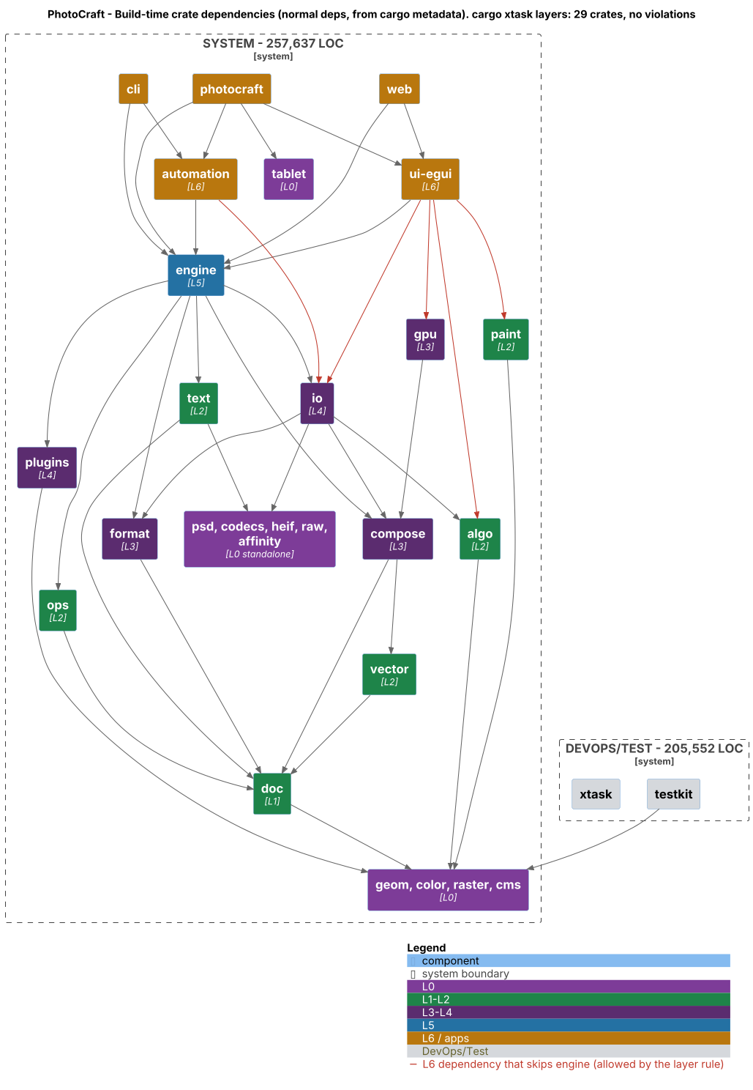
Dependencies view
Source: codebase-audit-report/images/03-dependencies.png

Diagram Testing
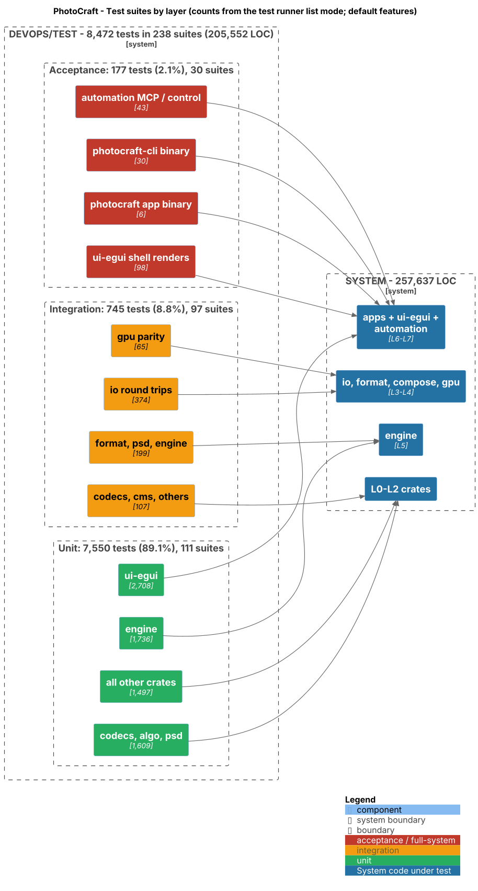
Testing view
Source: codebase-audit-report/images/04-testing.png

Diagram Deploy
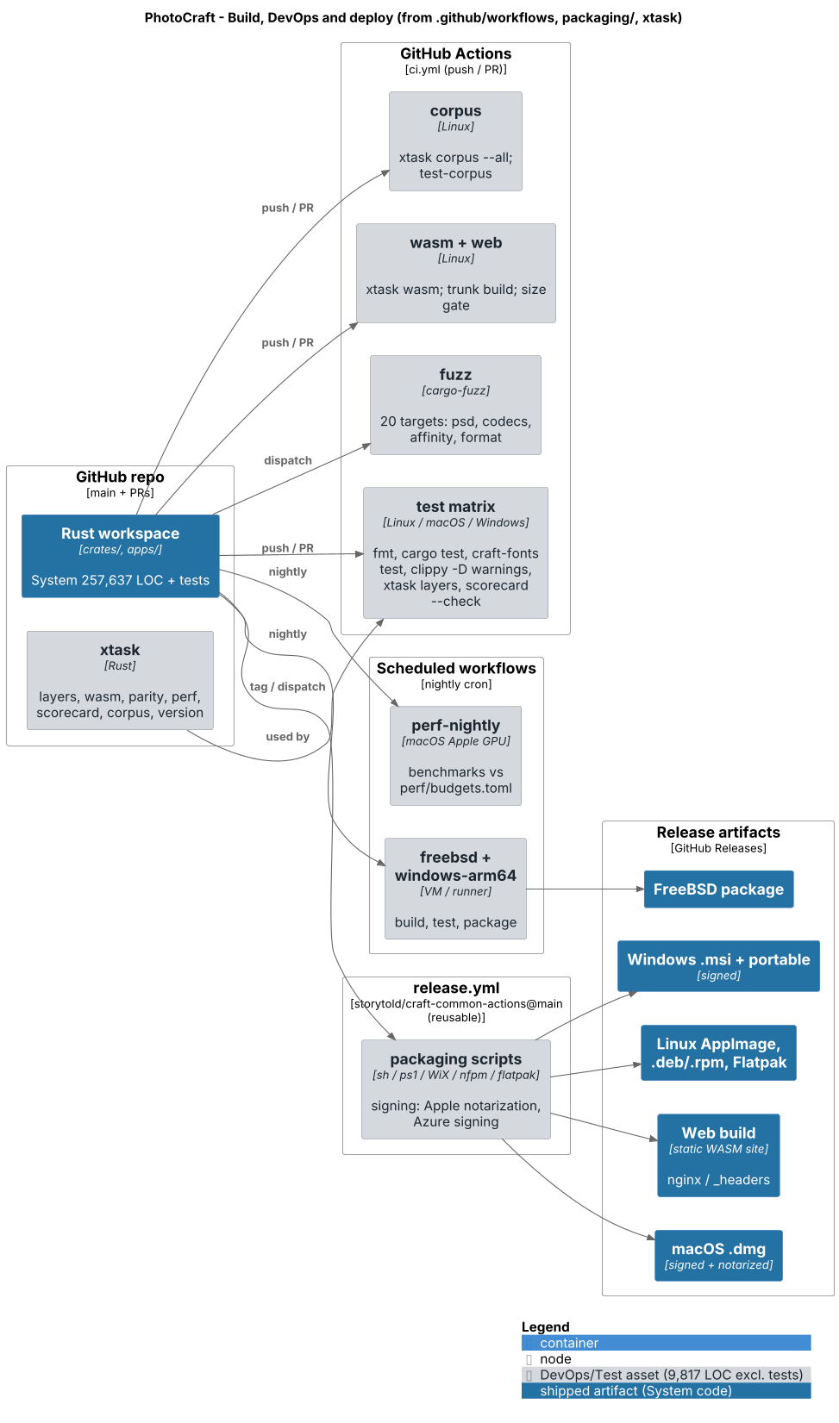
Deploy view
Source: codebase-audit-report/images/05-deploy.png

Diagram Logical Annotated
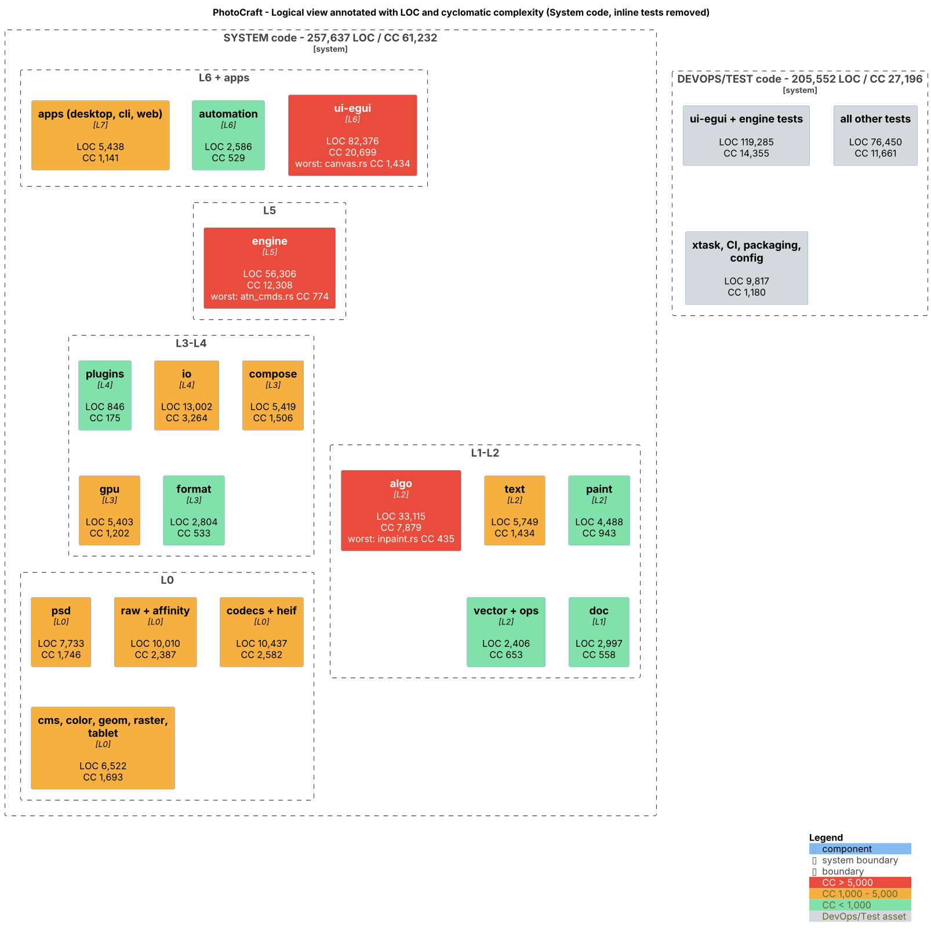
Logical Annotated view
Source: codebase-audit-report/images/01-logical-annotated.png

