ROI Timeline
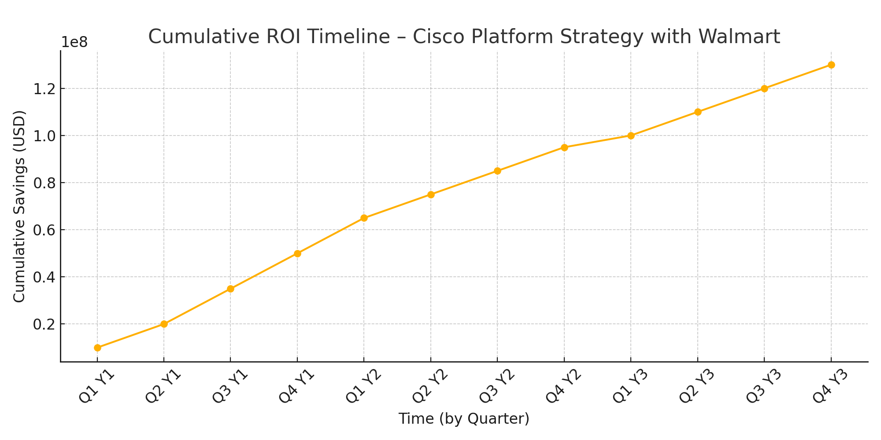
Quarter | Cumulative Savings (USD)
Q1 Y1 | 10000000
Q2 Y1 | 20000000
Q3 Y1 | 35000000
Q4 Y1 | 50000000
Q1 Y2 | 65000000
Q2 Y2 | 75000000
Q3 Y2 | 85000000
Q4 Y2 | 95000000
Q1 Y3 | 100000000
Q2 Y3 | 110000000
Q3 Y3 | 120000000
Q4 Y3 | 130000000

