Overview
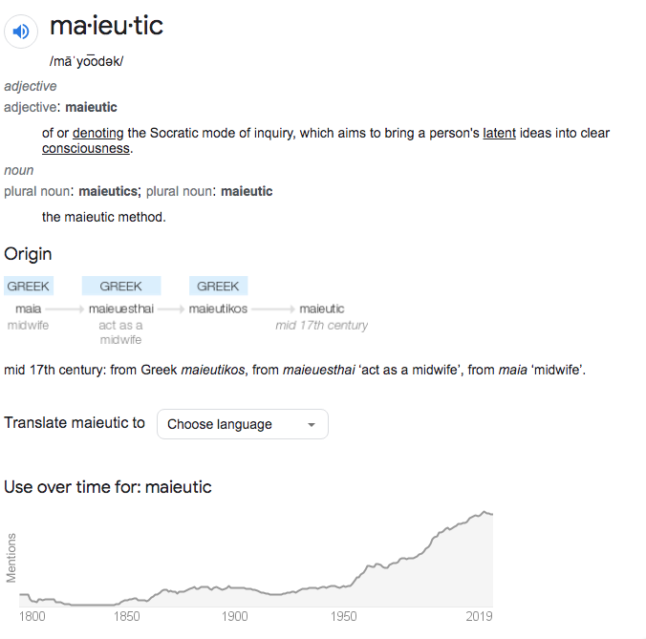
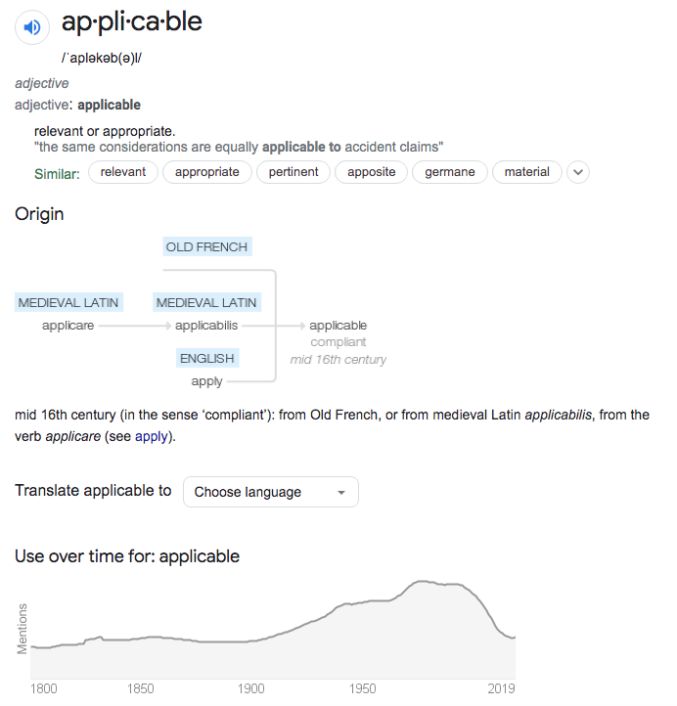
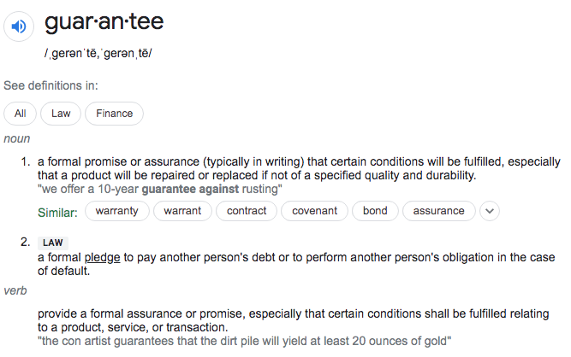
Context | Fill my free time with MANGO Diplomacy to extend my network
MANGO | Maieutic and Applicable Negotiations, Guarantees, and Opportunities
Tactics | Come back to this spreadsheet to tactically plan out next diplomacy
Operations | Fill out AS IS and TO BE diplomacy

