LinearRail
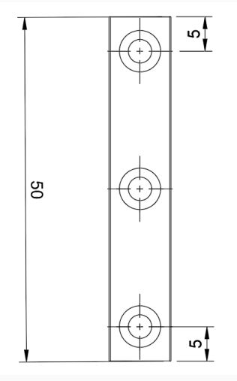
New |  |  |  |  | Reuse

型号 | 最小长度 | 数量 | 价格 | 总价 | 型号 | 最小长度 | 数量 | 价格 | 总价
MGN12R 300mm | 300 | 1 | 6 | 18 | MGN12R 300mm | 300 | 1 | 6 | 18
MGN9R 300mm | 300 | 5 | 5.5 | 82.5 | MGN9R 300mm | 300 | 2 | 5.5 | 33
MGN9R 50mm, 切割见图 | 100 | 1 | 5.5 | 5.5 | MGN9R 50mm, 切割见图 | 100 | 1 | 5.5 | 5.5
MGN12H 滑块（z1预压） |  | 1 | 14 | 14 | MGN12H 滑块（z1预压） |  | 1 | 14 | 14
MGN9H 滑块（z1预压） |  | 6 | 13 | 78 | MGN9H 滑块（z1预压） |  | 3 | 13 | 39

