BR001
Bug ID: | BR001
Bug Name: | Invalid message when user tries to login leaving email field and password field empty
Description: | If the email input field and the password input field are left empty and the "Sign in" button is clicked, only one message appears stating that an email address is required, while a notification that a password is required does not exist.
Steps to reproduce: | Open Browser: Chrome
 | Go to URL: http://automationpractice.com/index.php
 | Click on "Sign in" button in the upper right corner of the page
 | Section "Already registered?" - leave email and password fields empty
 | Click "Sign in" button
Expected Result: | A notification appears framed in red above the "Create an account" and "Already registered" sections: "An email address and password are required."
Actual Result: | A notification appears framed in red above the "Create an account" and "Already registered" sections: "An email address required."
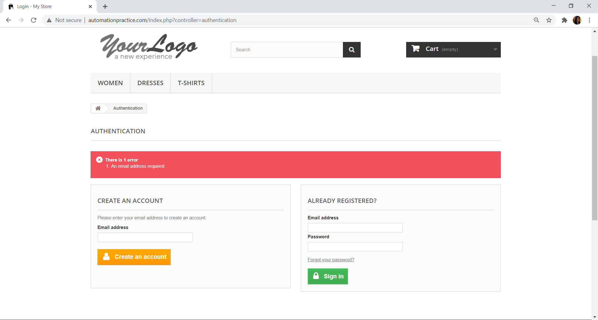
Screenshot:

Repro rate: | 100%
Priority: | Low
Severity: | Low

BR002
Bug ID: | BR002
Bug Name: | Product added to the wishlist that was first created
Description: | The user is logged in, from the page "My account" goes to the section "My wishlists" and create 3 wishlists. Select one product from the list on the left and click on it. When the product details page opens, click "Add to wishlist" below "Add to cart" button. A notification appears that the product has been added to the wishlist, but not a previous question to which wishlist the user wants to add the product. Clicking on the back arrow in the upper left corner redirects the user to the "My wishlists" page. After refreshing the page, the quantity of the wishlist that was first created increases to 1. Adding more products to wishlist increases quantity of the same wishlist.
Steps to reproduce: | Open Browser: Chrome
 | Go to URL: http://automationpractice.com/index.php
 | Click on "Sign in" button in the upper right corner of the page
 | Enter valid email and password, and click on "Sign in" button
 | Click on "My wishlists" button
 | Enter a name for the wishlist in the "Name" field (example: My wishlist1) | // create 2 more wishlists (example: My wishlist2 and My wishlist3)
 | Click on "Save" button
 | Click on one of the offered products on the left
 | Click on "Add to wishlist" button (bellow "Add to cart" button) | //click twice more
Expected Result: | A pop-up window appears with the question: "Which wishlist do you want to add the product to?" and with the created wishlists offered bellow.
Actual Result: | The message "Added to your wishlist." appears
Screenshot:
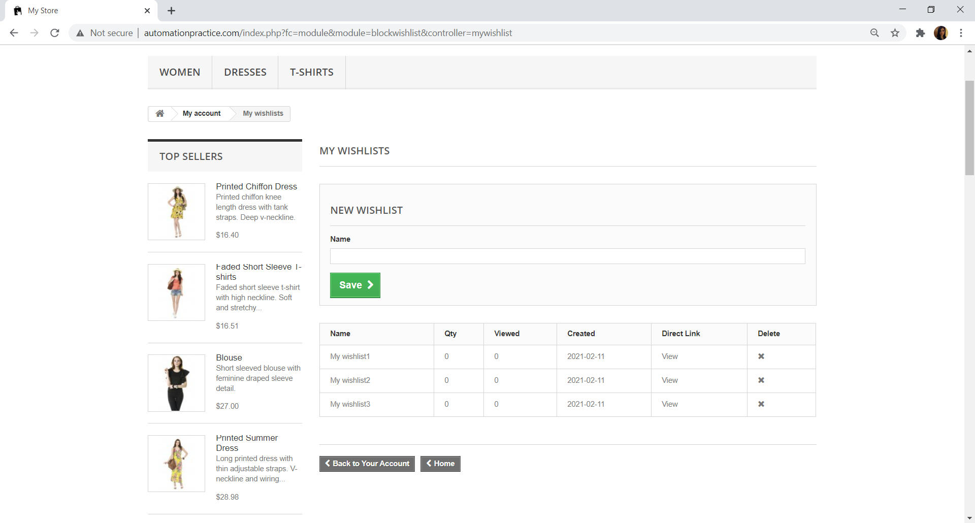
1.
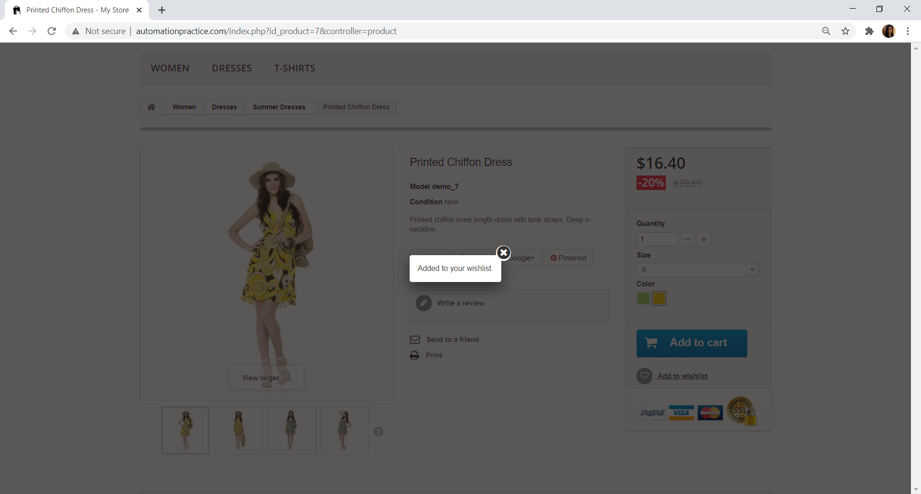
2.

Before adding products (Qty = 0)

3.
After adding products (Qty = 3)

Repro rate: | 100%
Priority: | Medium
Severity: | Medium

BR003
Bug ID: | BR003
Bug Name: | Filters from "Catalog" section doesn't work
Description: | In "Catalog" section user can select any filter, but the program doesn't open any of the checked option.
Steps to reproduce: | Open Browser: Chrome
 | Go to URL: http://automationpractice.com/index.php
 | From the main menu click on "Woman"
 | On the left side of the page from "Catalog" check any of the options (for example: from Categories check Tops, Size: M, Color: White, Compositions: Cotton, Styles: Casual, Availability: In stock)
Expected Result: | New page opens where the products are displayed according to the previously selected filters
Actual Result: | "Loading" is displayed but a new page doesn't opening. The user is shown the same page where the selected filters just loading.
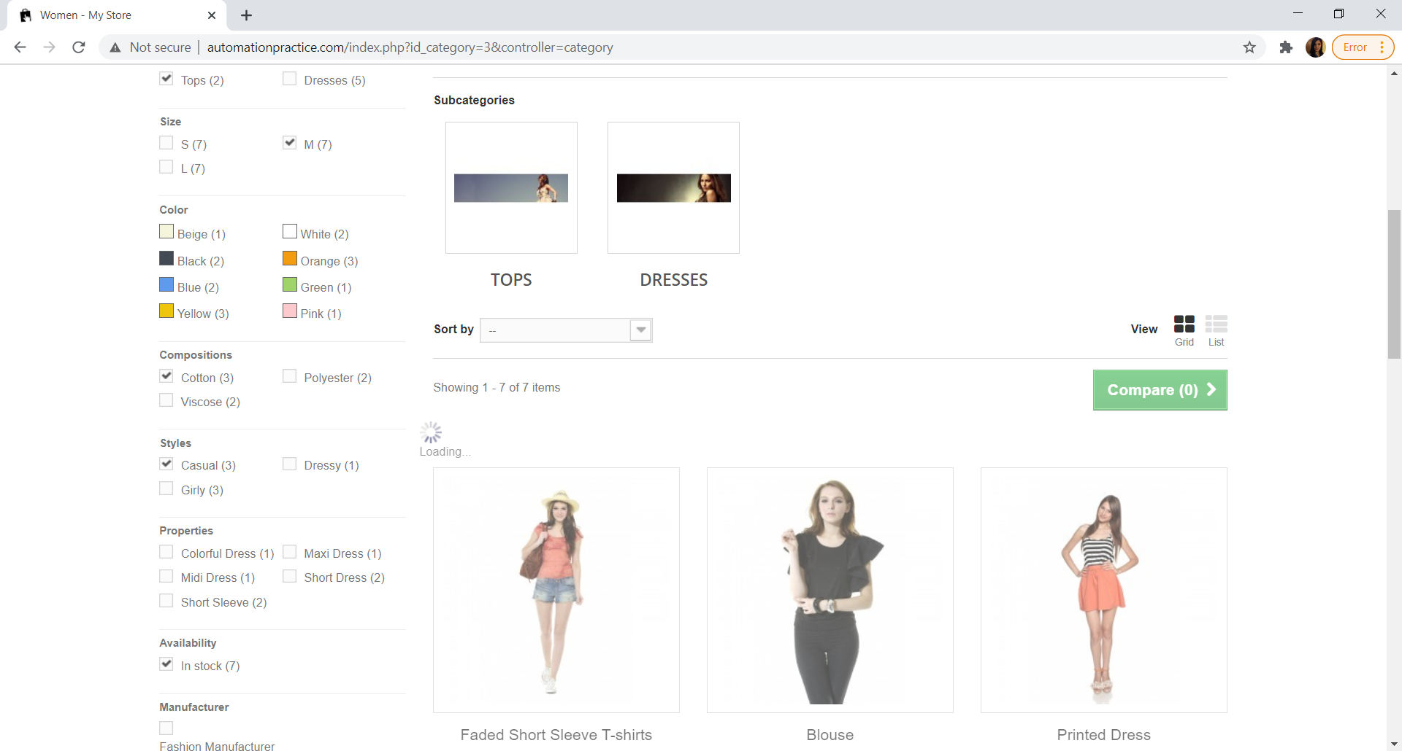
Screenshot:

Repro rate: | 100%
Priority: | Medium
Severity: | Medium

