2.16 Th_ Temp 5%TH 8bit
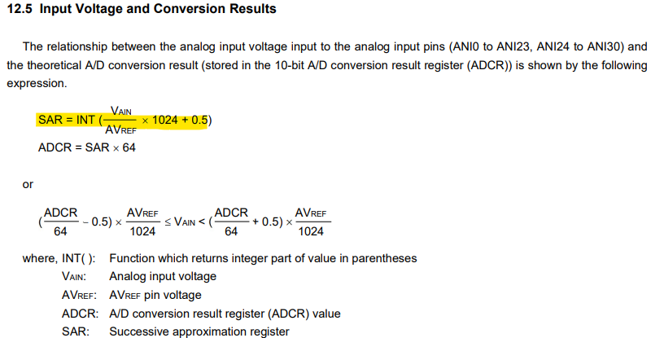
Measurement error: 6deg when T<105deg C

・Fault range of LED thermistor

Thermister open: |  | ANI4(LED THERMISTOR INPUT)AD Value=00～05h
Thermister short: |  | ANI4(LED THERMISTOR INPUT)AD Value=FE～FF

Micro_AD bit: | 8 | Max AD value | 255
R780 | 10 | KΩ± | 1.00%
ＮＣＰ１８ＸＨ１０３Ｊ０３ＲB(MURATA)
R | 10 | KΩ± | 5%
B(25/50) | 3380 | Ｋ± | 1%

 | Thermister Resistance |  |  | Input voltage at IC1(uP) pin 51 |  | AD value
Temperature | R－MIN | R－TYP | R－MAX | R－TYP | R－MAX
（℃） | 〔ＫΩ〕 | 〔ＫΩ〕 | 〔ＫΩ〕 | Ｖtyp | Ｖmax | TYP | MAX
-48 | Out of range |  |  | 3.267 |  | 252 | 255
-45 | Out of range |  |  | 3.2505 | 5 | 251 | #REF!
-40 | 180.4235 | 195.6520 | 211.6354 | 3.140 | 4.757 | 243 | 368
-35 | 137.0185 | 148.1710 | 159.8306 | 3.091 | 4.684 | 239 | 362
-30 | 105.0969 | 113.3471 | 121.9394 | 3.032 | 4.595 | 234 | 356
-25 | 81.3955 | 87.5588 | 93.9533 | 2.962 | 4.487 | 229 | 347
-20 | 63.5918 | 68.2367 | 73.0377 | 2.878 | 4.361 | 222 | 337
-15 | 50.1180 | 53.6496 | 57.2863 | 2.782 | 4.214 | 215 | 326
-10 | 39.8007 | 42.5062 | 45.2820 | 2.672 | 4.048 | 206 | 313
-5 | 31.8069 | 33.8922 | 36.0238 | 2.548 | 3.861 | 197 | 299
0 | 25.6001 | 27.2186 | 28.8672 | 2.413 | 3.657 | 186 | 283
5 | 20.7555 | 22.0211 | 23.3054 | 2.269 | 3.439 | 175 | 266
10 | 16.9301 | 17.9255 | 18.9320 | 2.118 | 3.210 | 164 | 249
15 | 13.8865 | 14.6735 | 15.4664 | 1.963 | 2.974 | 152 | 230
20 | 11.4548 | 12.0805 | 12.7085 | 1.805 | 2.736 | 140 | 212
25 | 9.5000 | 10.0000 | 10.5000 | 1.650 | 2.500 | 128 | 194
30 | 7.8842 | 8.3145 | 8.7464 | 1.498 | 2.270 | 116 | 176
35 | 6.5765 | 6.9479 | 7.3219 | 1.353 | 2.050 | 105 | 159
40 | 5.5122 | 5.8336 | 6.1584 | 1.216 | 1.842 | 94 | 143
45 | 4.6380 | 4.9169 | 5.1995 | 1.088 | 1.648 | 84 | 128
50 | 3.9183 | 4.1609 | 4.4074 | 0.970 | 1.469 | 75 | 114
55 | 3.3235 | 3.5350 | 3.7505 | 0.862 | 1.306 | 67 | 101
60 | 2.8294 | 3.0143 | 3.1650 | 0.764 | 1.158 | 59 | 90
65 | 2.4238 | 2.5861 | 2.7154 | 0.678 | 1.027 | 52 | 80
70 | 2.0846 | 2.2275 | 2.3743 | 0.601 | 0.911 | 46 | 71
75 | 1.7984 | 1.9245 | 2.0543 | 0.533 | 0.807 | 41 | 63
80 | 1.5570 | 1.6685 | 1.7836 | 0.472 | 0.715 | 36 | 56
85 | 1.3532 | 1.4521 | 1.5545 | 0.418 | 0.634 | 32 | 49
90 | 1.1799 | 1.2680 | 1.3591 | 0.371 | 0.563 | 29 | 44
95 | 1.0312 | 1.1096 | 1.1910 | 0.330 | 0.499 | 25 | 39
100 | 0.9038 | 0.9738 | 1.0466 | 0.293 | 0.444 | 23 | 35
105 | 0.7953 | 0.8580 | 0.9233 | 0.261 | 0.395 | 20 | 31
110 | 0.7018 | 0.7580 | 0.8167 | 0.233 | 0.352 | 18 | 28
115 | 0.6209 | 0.6715 | 0.7244 | 0.208 | 0.315 | 16 | 25
120 | 0.5508 | 0.5964 | 0.6441 | 0.186 | 0.281 | 14 | 22
125 | 0.4900 | 0.5311 | 0.5743 | 0.166 | 0.252 | 13 | 20
130 | Out of range |  |  | 0.099 |  | 8 | 11
135 | Out of range |  |  | 0.086 |  | 7 | 10 | →00～05で故障 00 to 05[HEX] are fault.

Table change:
1.change R780 accuracy from 5% to 1%. This accuracy will reflect to all the data
2. R780 value change will reflect all the data.
3. take 10C span to calculate average Temp change/AD data instead of 5C.
4. AD bit can be changed from 8bit to 10bit. The data will reflect this change. The measruement error can be improved by increasing the AD bit.
5. Changed max, min AD value calculation formular from Round( VAD in/3.3*255,0)+/-1 to Round ((VADin/3.3*255+/-0.5), 1). See micro datasheet:

