Diagram
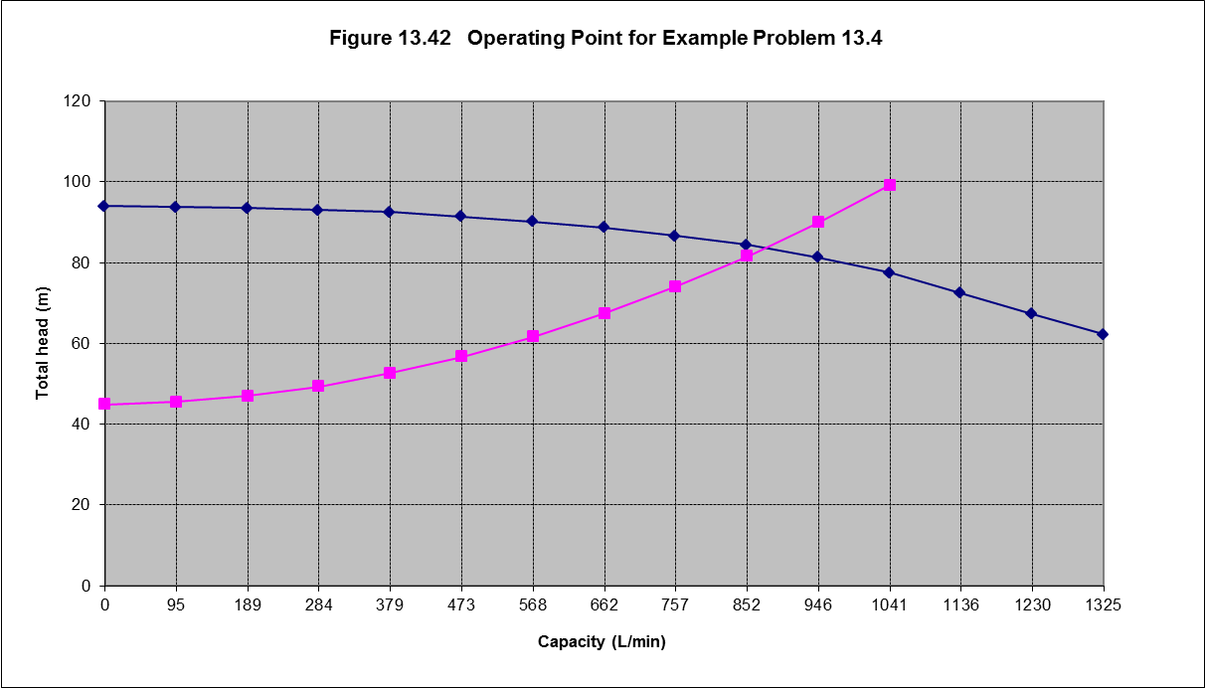
Calculations for bilge system
Project : | 01275 - Yun Yang I
Customer | Guangzhou Dredging Company, Ltd.
Classification society: | China Classification

Units | SI Metric units

Calculation of "BRT"

L = length between p.p | 154.00 | [m]
B = breadth | 31.00 | [m]
C = depth | 12.20 | [m]

$$BRT=\frac{L ×B ×C}{3}$$
Formula: | 19,414.27 | [ton]

 |  | according |  | Part I chap 6 par 5 revision 2014
Calculation of main bilge line

d1 = nom. width main bilge line | 162.03 | [mm]
Min. dia ± 5 [mm] | 157.03 | [mm]

Nom. Pipe Size |  | [DN]
Outer Diameter |  | [mm]
Wall Thickness |  | [mm]
Inner diametre |  | [mm]

Formula:
$$d_{1}=25+1,68\sqrt{L×(B+D)}$$
 |  | according |  | Part I chap 6 par 5 revision 2014
Capacity bilge pump

Q1 Capacity of bilge pump | 40.00 | [m3/h]
d2 = nom. Dia selected bilge line |  | [cm]
v = speed in bilge pump |  | [m/s]

Formula:
$$Q_{1}≥x_{1}×d_{1}^{2}$$
$$v=\frac{Q_{1}}{\frac{1}{4}×π×d_{2}^{2}}$$
 |  | according |  | Part I chap 6 par 5 revision 2014
System data

Volume flow rate: Q | 1.42E-02 | [m3/s]
Fluid | Sea water
Density | 1,033.00 | [kg/m3]
Temperature | 20.00 | [°C]
Salinity | 7.00 | [g/kg]
Density | 1,033.00 | [kg/m3]
Total energy loss (System) | 1.46E+00 | [m]

Pipeline 1
General
Norm | C100 | Rev B
DN | 250 | [mm]
Inner diameter | 245.21 | [mm]
Wall Roughness ε | 4.60E-05 | [m]
Length | 25 | [m]
Height difference | -10 | [m]
Area | 47,224.38 | [mm]
Relative roughness | 5,330.65 | [-]
L/D | 102 | [-]
Flow velocity | 0.25 | [m/s]
Velocity head | 0.03 | [m]
Reynolds No | 1.74E+05 | [-]
Flow velocity | 0.25 | [m/s]
Velocity head | 0.03 | [m] |  | using eq A-3
Reynolds No | 1.74E+05 | [-] |  | using eq A-1
friction factor | 1.92E-02 | [-] |  | using eq A-7
Energy losses | Energy loss |  | Qty. | K
Pipe | 1.10E-01 | [m] | 1 | 28.824
Entrance | 1.26E-01 |  | 4 | 0.5
Bend | 4.50E-01 |  | 4 | 0.136
Generic Gate valve | 3.40E-02 |  | 3 | 0.3
EC278 Gate valve | 1.20E-02 |  | 1 | 0.6
Total | 7.32E-01
Pipeline n
General
Norm | C100 | Rev B
DN | 250 | [mm]
Inner diameter | 245.21 | [mm]
Wall Roughness ε | 4.60E-05 | [m]
Length | 25 | [m]
Height difference | -10 | [m]
Area | 47,224.38 | [mm]
Relative roughness | 5,330.65 | [-]
L/D | 102 | [-]
Flow velocity | 0.25 | [m/s]
Velocity head | 0.03 | [m]
Reynolds No | 1.74E+05 | [-]
Flow velocity | 0.25 | [m/s]
Velocity head | 0.03 | [m] |  | using eq A-3
Reynolds No | 1.74E+05 | [-] |  | using eq A-1
friction factor | 1.92E-02 | [-] |  | using eq A-7
Energy losses | Energy loss |  | Qty. | K
Pipe | 1.10E-01 | [m] | 1 | 28.824
Entrance | 1.26E-01 |  | 4 | 0.5
Bend | 4.50E-01 |  | 4 | 0.136
Generic Gate valve | 3.40E-02 |  | 3 | 0.3
EC278 Gate valve | 1.20E-02 |  | 1 | 0.6
Total | 7.32E-01

