Change table
 | Real ButtonState
0 | 0
1 | 0
2 | 0
3 | 0
4 | 0
5 | 0
6 | 0
7 | 0
8 | 0
9 | 0
10 | 0
11 | 0
12 | 0
13 | 0
14 | 0
15 | 0
16 | 0
17 | 0
18 | 0
19 | 0
20 | 0
21 | 0
22 | 0
23 | 0
24 | 0
25 | 0
26 | 0
27 | 0
28 | 0
29 | 0
30 | 0
31 | 0
32 | 0
33 | 0
34 | 0
35 | 0
36 | 0
37 | 0
38 | 0
39 | 0
40 | 0
41 | 0
42 | 0
43 | 0
44 | 0
45 | 0
46 | 0
47 | 0
48 | 0
49 | 0
...
 | Update called
0 | 0
1 | 0
2 | 0
3 | 0
4 | 0
5 | 0
6 | 0
7 | 0
8 | 0
9 | 0
10 | 0
11 | 0
12 | 0
13 | 0
14 | 0
15 | 0
16 | 0
17 | 0
18 | 0
19 | 0
20 | 0
21 | 0
22 | 0
23 | 0
24 | 0
25 | 0
26 | 0
27 | 0
28 | 0
29 | 0
30 | 0
31 | 0
32 | 0
33 | 0
34 | 0
35 | 0
36 | 0
37 | 0
38 | 0
39 | 0
40 | 0
41 | 0
42 | 0
43 | 0
44 | 0
45 | 0
46 | 0
47 | 0
48 | 0
49 | 0
...
5 | 9 | 6 | 10 | 11 | RejectStarts | StartLongPressMS | ESPrestartMS | StartDoublePress
StartDoublePress | DoublePress | StartRelease | PressEnded | PressedTime | 50 | 200 | 500 | 200
0 | 0 | 0 | 0 | 0
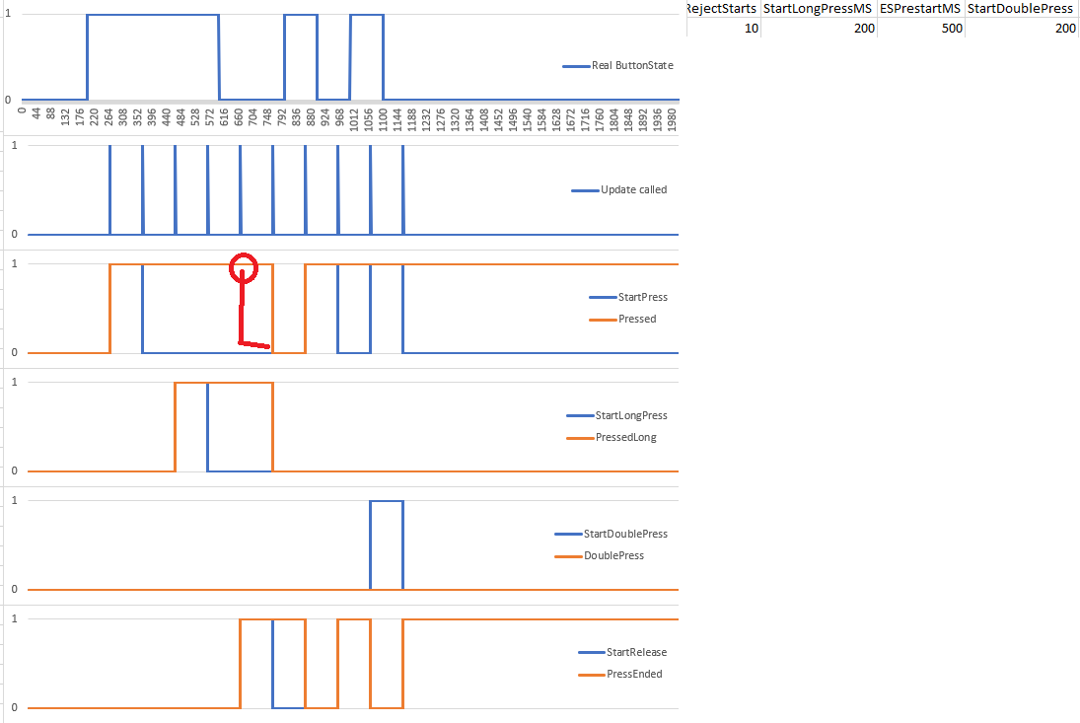
0 | 0 | 0 | 0 | 0
0 | 0 | 0 | 0 | 0
0 | 0 | 0 | 0 | 0
0 | 0 | 0 | 0 | 0
0 | 0 | 0 | 0 | 0
 | StartPress | Pressed
0 | 0 | 0
1 | 0 | 0
2 | 0 | 0
3 | 0 | 0
4 | 0 | 0
5 | 0 | 0
6 | 0 | 0
7 | 0 | 0
8 | 0 | 0
9 | 0 | 0
10 | 0 | 0
11 | 0 | 0
12 | 0 | 0
13 | 0 | 0
14 | 0 | 0
15 | 0 | 0
16 | 0 | 0
17 | 0 | 0
18 | 0 | 0
19 | 0 | 0
20 | 0 | 0
21 | 0 | 0
22 | 0 | 0
23 | 0 | 0
24 | 0 | 0
25 | 0 | 0
26 | 0 | 0
27 | 0 | 0
28 | 0 | 0
29 | 0 | 0
30 | 0 | 0
31 | 0 | 0
32 | 0 | 0
33 | 0 | 0
34 | 0 | 0
35 | 0 | 0
36 | 0 | 0
37 | 0 | 0
38 | 0 | 0
39 | 0 | 0
40 | 0 | 0
41 | 0 | 0
42 | 0 | 0
43 | 0 | 0
44 | 0 | 0
45 | 0 | 0
46 | 0 | 0
47 | 0 | 0
48 | 0 | 0
49 | 0 | 0
...
0 | 0 | 0 | 0 | 0
0 | 0 | 0 | 0 | 0
0 | 0 | 0 | 0 | 0
0 | 0 | 0 | 0 | 0
0 | 0 | 0 | 0 | 0
0 | 0 | 0 | 0 | 0
 | StartLongPress | PressedLong
0 | 0 | 0
1 | 0 | 0
2 | 0 | 0
3 | 0 | 0
4 | 0 | 0
5 | 0 | 0
6 | 0 | 0
7 | 0 | 0
8 | 0 | 0
9 | 0 | 0
10 | 0 | 0
11 | 0 | 0
12 | 0 | 0
13 | 0 | 0
14 | 0 | 0
15 | 0 | 0
16 | 0 | 0
17 | 0 | 0
18 | 0 | 0
19 | 0 | 0
20 | 0 | 0
21 | 0 | 0
22 | 0 | 0
23 | 0 | 0
24 | 0 | 0
25 | 0 | 0
26 | 0 | 0
27 | 0 | 0
28 | 0 | 0
29 | 0 | 0
30 | 0 | 0
31 | 0 | 0
32 | 0 | 0
33 | 0 | 0
34 | 0 | 0
35 | 0 | 0
36 | 0 | 0
37 | 0 | 0
38 | 0 | 0
39 | 0 | 0
40 | 0 | 0
41 | 0 | 0
42 | 0 | 0
43 | 0 | 0
44 | 0 | 0
45 | 0 | 0
46 | 0 | 0
47 | 0 | 0
48 | 0 | 0
49 | 0 | 0
...
0 | 0 | 0 | 0 | 0
0 | 0 | 0 | 0 | 0
0 | 0 | 0 | 0 | 0
0 | 0 | 0 | 0 | 0
0 | 0 | 0 | 0 | 0
0 | 0 | 0 | 0 | 0
 | StartDoublePress | DoublePress
0 | 0 | 0
1 | 0 | 0
2 | 0 | 0
3 | 0 | 0
4 | 0 | 0
5 | 0 | 0
6 | 0 | 0
7 | 0 | 0
8 | 0 | 0
9 | 0 | 0
10 | 0 | 0
11 | 0 | 0
12 | 0 | 0
13 | 0 | 0
14 | 0 | 0
15 | 0 | 0
16 | 0 | 0
17 | 0 | 0
18 | 0 | 0
19 | 0 | 0
20 | 0 | 0
21 | 0 | 0
22 | 0 | 0
23 | 0 | 0
24 | 0 | 0
25 | 0 | 0
26 | 0 | 0
27 | 0 | 0
28 | 0 | 0
29 | 0 | 0
30 | 0 | 0
31 | 0 | 0
32 | 0 | 0
33 | 0 | 0
34 | 0 | 0
35 | 0 | 0
36 | 0 | 0
37 | 0 | 0
38 | 0 | 0
39 | 0 | 0
40 | 0 | 0
41 | 0 | 0
42 | 0 | 0
43 | 0 | 0
44 | 0 | 0
45 | 0 | 0
46 | 0 | 0
47 | 0 | 0
48 | 0 | 0
49 | 0 | 0
...
0 | 0 | 0 | 0 | 0
0 | 0 | 0 | 0 | 0
0 | 0 | 0 | 0 | 0
0 | 0 | 0 | 0 | 0
0 | 0 | 0 | 0 | 0
0 | 0 | 0 | 0 | 0
 | StartRelease | PressEnded
0 | 0 | 0
1 | 0 | 0
2 | 0 | 0
3 | 0 | 0
4 | 0 | 0
5 | 0 | 0
6 | 0 | 0
7 | 0 | 0
8 | 0 | 0
9 | 0 | 0
10 | 0 | 0
11 | 0 | 0
12 | 0 | 0
13 | 0 | 0
14 | 0 | 0
15 | 0 | 0
16 | 0 | 0
17 | 0 | 0
18 | 0 | 0
19 | 0 | 0
20 | 0 | 0
21 | 0 | 0
22 | 0 | 0
23 | 0 | 0
24 | 0 | 0
25 | 0 | 0
26 | 0 | 0
27 | 0 | 0
28 | 0 | 0
29 | 0 | 0
30 | 0 | 0
31 | 0 | 0
32 | 0 | 0
33 | 0 | 0
34 | 0 | 0
35 | 0 | 0
36 | 0 | 0
37 | 0 | 0
38 | 0 | 0
39 | 0 | 0
40 | 0 | 0
41 | 0 | 0
42 | 0 | 0
43 | 0 | 0
44 | 0 | 0
45 | 0 | 0
46 | 0 | 0
47 | 0 | 0
48 | 0 | 0
49 | 0 | 0
...
0 | 0 | 0 | 0 | 0
0 | 0 | 0 | 0 | 0
0 | 0 | 0 | 0 | 0
0 | 0 | 0 | 0 | 0
0 | 0 | 0 | 0 | 0
0 | 0 | 0 | 0 | 0
0 | 0 | 0 | 0 | 0
0 | 0 | 0 | 0 | 0
0 | 0 | 0 | 0 | 0
0 | 0 | 0 | 0 | 0
0 | 0 | 0 | 0 | 0
0 | 0 | 0 | 0 | 0
0 | 0 | 0 | 0 | 0
0 | 0 | 0 | 0 | 0
0 | 0 | 0 | 0 | 0
0 | 0 | 0 | 0 | 0
...

